ClusterNotes
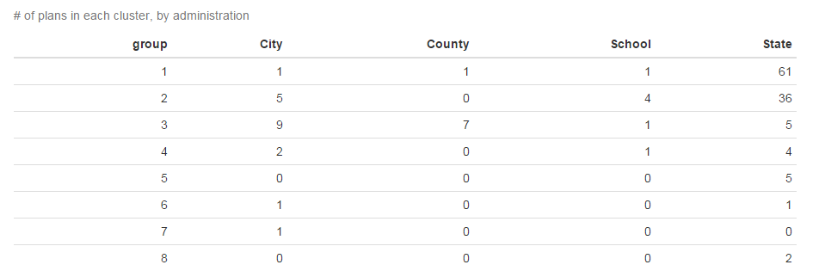
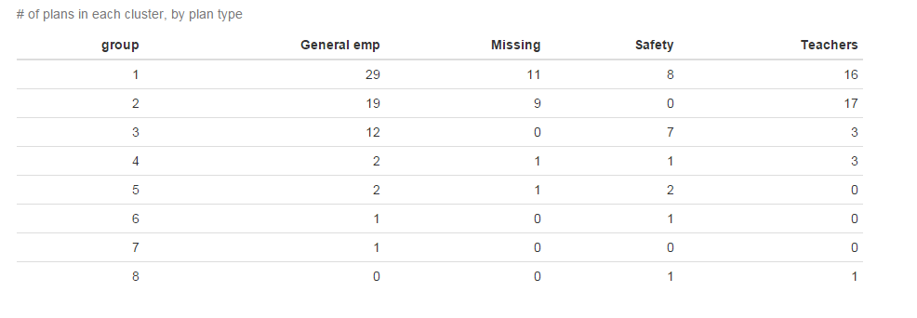
TOC

group | n
1 | 64 | 1 and 2 seem pretty similar - fairly average, underfunded plans; most teacher plans are in here
2 | 45
3 | 22 | 3 expensive relatively low outflow plans; mostly local plans
4 | 7 | 4 poorly funded high outflow mature plans with bad-behaving sponsors
5 | 5 | 5 well funded low outflow high actives plans
6 | 2 | 6 well funded low discount rate plans
8 | 2
7 | 1

YoungAndOldPlans
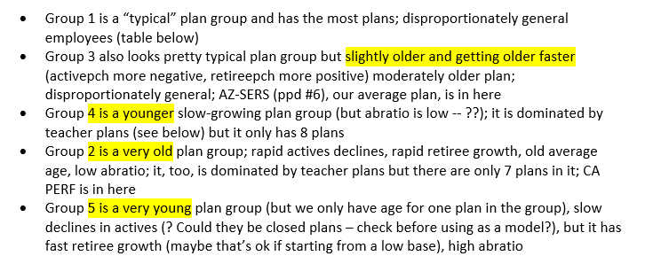
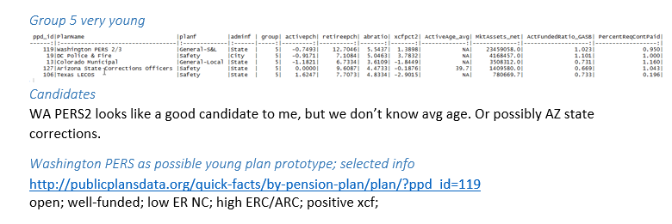
TOC

NJ-PFRS.Actives
TOC
 |  |  | Note that I calculated average salary because the given data were total salaries
 |  |  | I did not know what to put for midage as the table does not indicate a range, so I put the specified age
 |  |  | SERVICE AGE | 1 | 5 | 10 | 15 | 20 | 25 | 30 | 35 | 40 and above | TOTAL
order | type | midage | agegrp | 1 | 3 | 8 | 13 | 18 | 23 | 28 | 33 | 42 | total
1 | nactives | 20 | 20 Number | 160 | 2 |  |  |  |  |  |  |  | 162
1 | salary | 20 | Salary | 42,361 | 56,036 |  |  |  |  |  |  |  | 42,529.51
2 | nactives | 25 | 25 Number | 1,486 | 1,156 | 31 |  |  |  |  |  |  | 2,673
2 | salary | 25 | Salary | 49,063 | 67,140 | 77,304 |  |  |  |  |  |  | 57,208.16
3 | nactives | 30 | 30 Number | 975 | 3,431 | 1,609 | 24 |  |  |  |  |  | 6,039
3 | salary | 30 | Salary | 51,408 | 76,186 | 88,776 | 90,839 |  |  |  |  |  | 75,598.47
4 | nactives | 35 | 35 Number | 334 | 1,909 | 3,494 | 1,390 | 23 |  |  |  |  | 7,150
4 | salary | 35 | Salary | 51,061 | 77,575 | 92,879 | 100,195 | 103,612 |  |  |  |  | 88,296.30
5 | nactives | 40 | 40 Number | 68 | 938 | 2,290 | 3,937 | 1,618 | 82 |  |  |  | 8,933
5 | salary | 40 | Salary | 56,516 | 79,279 | 90,973 | 101,385 | 108,449 | 111,344 |  |  |  | 97,424
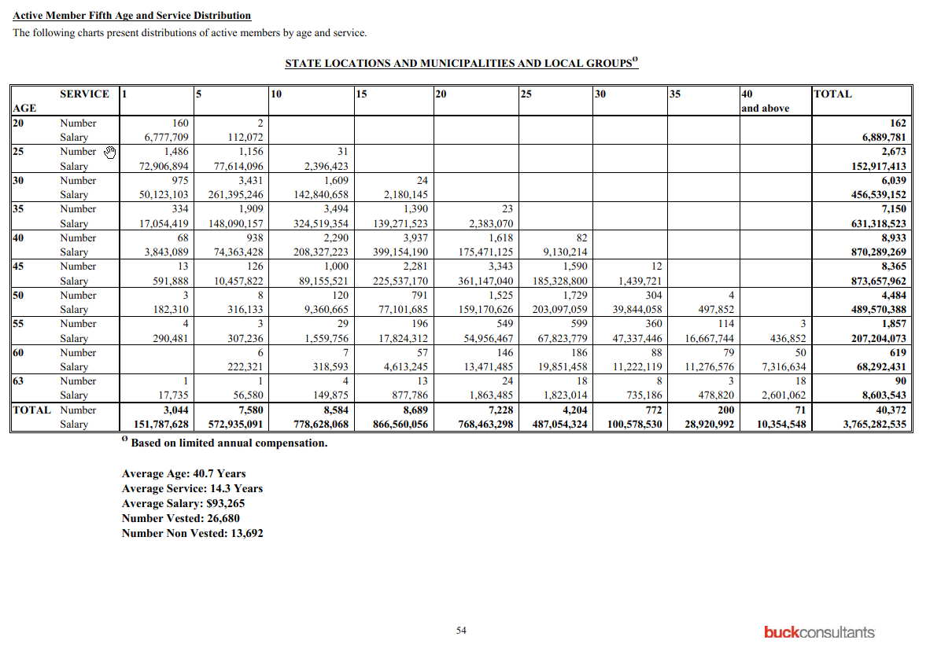
6 | nactives | 45 | 45 Number | 13 | 126 | 1,000 | 2,281 | 3,343 | 1,590 | 12 |  |  | 8,365
6 | salary | 45 | Salary | 45,530 | 82,999 | 89,156 | 98,876 | 108,031 | 116,559 | 119,977 |  |  | 104,442
7 | nactives | 50 | 50 Number | 3 | 8 | 120 | 791 | 1,525 | 1,729 | 304 | 4 |  | 4,484
7 | salary | 50 | Salary | 60,770 | 39,517 | 78,006 | 97,474 | 104,374 | 117,465 | 131,066 | 124,463 |  | 109,182
8 | nactives | 55 | 55 Number | 4 | 3 | 29 | 196 | 549 | 599 | 360 | 114 | 3 | 1,857
8 | salary | 55 | Salary | 72,620 | 102,412 | 53,785 | 90,940 | 100,103 | 113,228 | 131,493 | 146,208 | 145,617 | 111,580
9 | nactives | 60 | 60 Number |  | 6 | 7 | 57 | 146 | 186 | 88 | 79 | 50 | 619
9 | salary | 60 | Salary |  | 37,054 | 45,513 | 80,934 | 92,270 | 106,728 | 127,524 | 142,741 | 146,333 | 110,327
10 | nactives | 63 | 63 Number | 1 | 1 | 4 | 13 | 24 | 18 | 8 | 3 | 18 | 90
10 | salary | 63 | Salary | 17,735 | 56,580 | 37,469 | 67,522 | 77,645 | 101,279 | 91,898 | 159,607 | 144,503 | 95,595
11 | nactives | total | TOTAL Number | 3,044 | 7,580 | 8,584 | 8,689 | 7,228 | 4,204 | 772 | 200 | 71 | 40,372
11 | salary | total | Salary | 49,865 | 75,585 | 90,707 | 99,731 | 106,318 | 115,855 | 130,283 | 144,605 | 145,839 | 93,265

 |  | total | SERVICE AGE | 1 | 5 | 10 | 15 | 20 | 25 | 30 | 35 | 40 and above | TOTAL
 |  | total | 20 Number | 160 | 2 |  |  |  |  |  |  |  | 162
 |  |  | Salary | 6,777,709 | 112,072 |  |  |  |  |  |  |  | 6,889,781
 |  |  | 25 Number | 1,486 | 1,156 | 31 |  |  |  |  |  |  | 2,673
 |  |  | Salary | 72,906,894 | 77,614,096 | 2,396,423 |  |  |  |  |  |  | 152,917,413
 |  |  | 30 Number | 975 | 3,431 | 1,609 | 24 |  |  |  |  |  | 6,039
 |  |  | Salary | 50,123,103 | 261,395,246 | 142,840,658 | 2,180,145 |  |  |  |  |  | 456,539,152
 |  |  | 35 Number | 334 | 1,909 | 3,494 | 1,390 | 23 |  |  |  |  | 7,150
 |  |  | Salary | 17,054,419 | 148,090,157 | 324,519,354 | 139,271,523 | 2,383,070 |  |  |  |  | 631,318,523
 |  |  | 40 Number | 68 | 938 | 2,290 | 3,937 | 1,618 | 82 |  |  |  | 8,933
 |  |  | Salary | 3,843,089 | 74,363,428 | 208,327,223 | 399,154,190 | 175,471,125 | 9,130,214 |  |  |  | 870,289,269
 |  |  | 45 Number | 13 | 126 | 1,000 | 2,281 | 3,343 | 1,590 | 12 |  |  | 8,365
 |  |  | Salary | 591,888 | 10,457,822 | 89,155,521 | 225,537,170 | 361,147,040 | 185,328,800 | 1,439,721 |  |  | 873,657,962
 |  |  | 50 Number | 3 | 8 | 120 | 791 | 1,525 | 1,729 | 304 | 4 |  | 4,484
 |  |  | Salary | 182,310 | 316,133 | 9,360,665 | 77,101,685 | 159,170,626 | 203,097,059 | 39,844,058 | 497,852 |  | 489,570,388
 |  |  | 55 Number | 4 | 3 | 29 | 196 | 549 | 599 | 360 | 114 | 3 | 1,857
 |  |  | Salary | 290,481 | 307,236 | 1,559,756 | 17,824,312 | 54,956,467 | 67,823,779 | 47,337,446 | 16,667,744 | 436,852 | 207,204,073
 |  |  | 60 Number |  | 6 | 7 | 57 | 146 | 186 | 88 | 79 | 50 | 619
 |  |  | Salary |  | 222,321 | 318,593 | 4,613,245 | 13,471,485 | 19,851,458 | 11,222,119 | 11,276,576 | 7,316,634 | 68,292,431
 |  |  | 63 Number | 1 | 1 | 4 | 13 | 24 | 18 | 8 | 3 | 18 | 90
 |  |  | Salary | 17,735 | 56,580 | 149,875 | 877,786 | 1,863,485 | 1,823,014 | 735,186 | 478,820 | 2,601,062 | 8,603,543
 |  |  | TOTAL Number | 3,044 | 7,580 | 8,584 | 8,689 | 7,228 | 4,204 | 772 | 200 | 71 | 40,372
 |  |  | Salary | 151,787,628 | 572,935,091 | 778,628,068 | 866,560,056 | 768,463,298 | 487,054,324 | 100,578,530 | 28,920,992 | 10,354,548 | 3,765,282,535

NJ-PFRS.Retirees
TOC
 | Note: I use special retirements as that is the biggest group
 | I add men and women together
 | see calcs to the right
order | type | midage | total
1 | nretirees | 43 | 1
2 | nretirees | 44 | 13
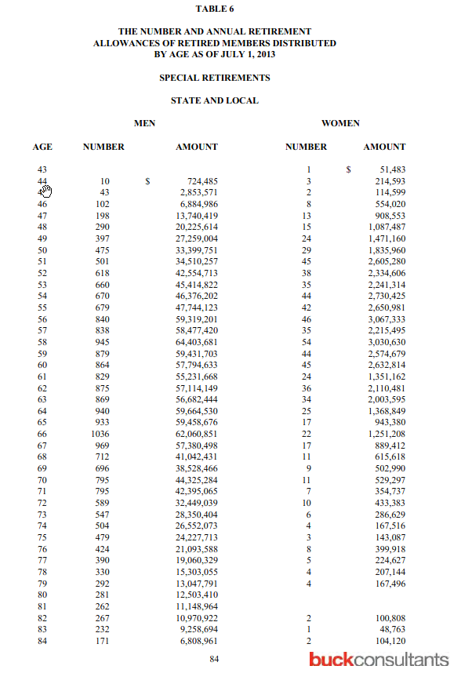
3 | nretirees | 45 | 45 |  | Men | Men | WOMEN | WOMEN | total | total | total
4 | nretirees | 46 | 110 | AGE | number | amount | number | amount | number | amount | average
5 | nretirees | 47 | 211 | 43 |  |  | 1 | 51,483 | 1 | 51,483 | 51,483
6 | nretirees | 48 | 305 | 44 | 10 | 724,485 | 3 | 214,593 | 13 | 939,078 | 72,237
7 | nretirees | 49 | 421 | 45 | 43 | 2,853,571 | 2 | 114,599 | 45 | 2,968,170 | 65,959
8 | nretirees | 50 | 504 | 46 | 102 | 6,884,986 | 8 | 554,020 | 110 | 7,439,006 | 67,627
9 | nretirees | 51 | 546 | 47 | 198 | 13,740,419 | 13 | 908,553 | 211 | 14,648,972 | 69,426
10 | nretirees | 52 | 656 | 48 | 290 | 20,225,614 | 15 | 1,087,487 | 305 | 21,313,101 | 69,879
11 | nretirees | 53 | 695 | 49 | 397 | 27,259,004 | 24 | 1,471,160 | 421 | 28,730,164 | 68,243
12 | nretirees | 54 | 714 | 50 | 475 | 33,399,751 | 29 | 1,835,960 | 504 | 35,235,711 | 69,912
13 | nretirees | 55 | 721 | 51 | 501 | 34,510,257 | 45 | 2,605,280 | 546 | 37,115,537 | 67,977
14 | nretirees | 56 | 886 | 52 | 618 | 42,554,713 | 38 | 2,334,606 | 656 | 44,889,319 | 68,429
15 | nretirees | 57 | 873 | 53 | 660 | 45,414,822 | 35 | 2,241,314 | 695 | 47,656,136 | 68,570
16 | nretirees | 58 | 999 | 54 | 670 | 46,376,202 | 44 | 2,730,425 | 714 | 49,106,627 | 68,777
17 | nretirees | 59 | 923 | 55 | 679 | 47,744,123 | 42 | 2,650,981 | 721 | 50,395,104 | 69,896
18 | nretirees | 60 | 909 | 56 | 840 | 59,319,201 | 46 | 3,067,333 | 886 | 62,386,534 | 70,414
19 | nretirees | 61 | 853 | 57 | 838 | 58,477,420 | 35 | 2,215,495 | 873 | 60,692,915 | 69,522
20 | nretirees | 62 | 911 | 58 | 945 | 64,403,681 | 54 | 3,030,630 | 999 | 67,434,311 | 67,502
21 | nretirees | 63 | 903 | 59 | 879 | 59,431,703 | 44 | 2,574,679 | 923 | 62,006,382 | 67,179
22 | nretirees | 64 | 965 | 60 | 864 | 57,794,633 | 45 | 2,632,814 | 909 | 60,427,447 | 66,477
23 | nretirees | 65 | 950 | 61 | 829 | 55,231,668 | 24 | 1,351,162 | 853 | 56,582,830 | 66,334
24 | nretirees | 66 | 1,058 | 62 | 875 | 57,114,149 | 36 | 2,110,481 | 911 | 59,224,630 | 65,011
25 | nretirees | 67 | 986 | 63 | 869 | 56,682,444 | 34 | 2,003,595 | 903 | 58,686,039 | 64,990
26 | nretirees | 68 | 723 | 64 | 940 | 59,664,530 | 25 | 1,368,849 | 965 | 61,033,379 | 63,247
27 | nretirees | 69 | 705 | 65 | 933 | 59,458,676 | 17 | 943,380 | 950 | 60,402,056 | 63,581
28 | nretirees | 70 | 806 | 66 | 1,036 | 62,060,851 | 22 | 1,251,208 | 1,058 | 63,312,059 | 59,841
29 | nretirees | 71 | 802 | 67 | 969 | 57,380,498 | 17 | 889,412 | 986 | 58,269,910 | 59,097
30 | nretirees | 72 | 599 | 68 | 712 | 41,042,431 | 11 | 615,618 | 723 | 41,658,049 | 57,618
31 | nretirees | 73 | 553 | 69 | 696 | 38,528,466 | 9 | 502,990 | 705 | 39,031,456 | 55,364
32 | nretirees | 74 | 508 | 70 | 795 | 44,325,284 | 11 | 529,297 | 806 | 44,854,581 | 55,651
33 | nretirees | 75 | 482 | 71 | 795 | 42,395,065 | 7 | 354,737 | 802 | 42,749,802 | 53,304
34 | nretirees | 76 | 432 | 72 | 589 | 32,449,039 | 10 | 433,383 | 599 | 32,882,422 | 54,896
35 | nretirees | 77 | 395 | 73 | 547 | 28,350,404 | 6 | 286,629 | 553 | 28,637,033 | 51,785
36 | nretirees | 78 | 334 | 74 | 504 | 26,552,073 | 4 | 167,516 | 508 | 26,719,589 | 52,598
37 | nretirees | 79 | 296 | 75 | 479 | 24,227,713 | 3 | 143,087 | 482 | 24,370,800 | 50,562
38 | nretirees | 80 | 281 | 76 | 424 | 21,093,588 | 8 | 399,918 | 432 | 21,493,506 | 49,753
39 | nretirees | 81 | 262 | 77 | 390 | 19,060,329 | 5 | 224,627 | 395 | 19,284,956 | 48,823
40 | nretirees | 82 | 269 | 78 | 330 | 15,303,055 | 4 | 207,144 | 334 | 15,510,199 | 46,438
41 | nretirees | 83 | 233 | 79 | 292 | 13,047,791 | 4 | 167,496 | 296 | 13,215,287 | 44,646
42 | nretirees | 84 | 173 | 80 | 281 | 12,503,410 |  |  | 281 | 12,503,410 | 44,496
43 | nretirees | 85 | 159 | 81 | 262 | 11,148,964 |  |  | 262 | 11,148,964 | 42,553
44 | nretirees | 86 | 137 | 82 | 267 | 10,970,922 | 2 | 100,808 | 269 | 11,071,730 | 41,159
45 | nretirees | 87 | 146 | 83 | 232 | 9,258,694 | 1 | 48,763 | 233 | 9,307,457 | 39,946
46 | nretirees | 88 | 112 | 84 | 171 | 6,808,961 | 2 | 104,120 | 173 | 6,913,081 | 39,960
47 | nretirees | 89 | 97 | 85 | 159 | 6,210,306 |  |  | 159 | 6,210,306 | 39,059
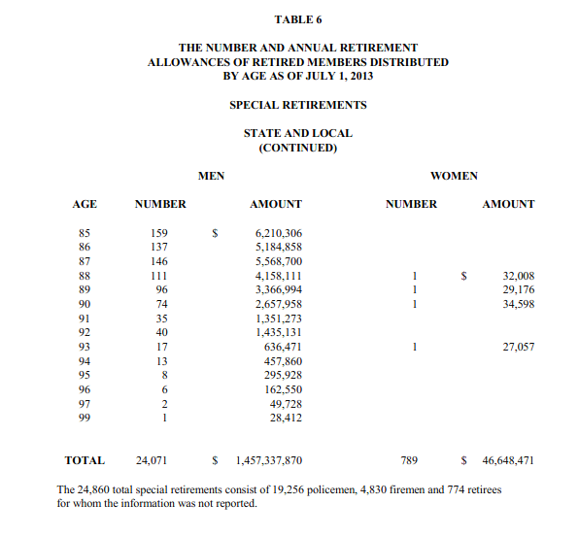
48 | nretirees | 90 | 75 | 86 | 137 | 5,184,858 |  |  | 137 | 5,184,858 | 37,846
49 | nretirees | 91 | 35 | 87 | 146 | 5,568,700 |  |  | 146 | 5,568,700 | 38,142
50 | nretirees | 92 | 40 | 88 | 111 | 4,158,111 | 1 | 32,008 | 112 | 4,190,119 | 37,412
51 | nretirees | 93 | 18 | 89 | 96 | 3,366,994 | 1 | 29,176 | 97 | 3,396,170 | 35,012
52 | nretirees | 94 | 13 | 90 | 74 | 2,657,958 | 1 | 34,598 | 75 | 2,692,556 | 35,901
53 | nretirees | 95 | 8 | 91 | 35 | 1,351,273 |  |  | 35 | 1,351,273 | 38,608
54 | nretirees | 96 | 6 | 92 | 40 | 1,435,131 |  |  | 40 | 1,435,131 | 35,878
55 | nretirees | 97 | 2 | 93 | 17 | 636,471 | 1 | 27,057 | 18 | 663,528 | 36,863
56 | nretirees | 99 | 1 | 94 | 13 | 457,860 |  |  | 13 | 457,860 | 35,220
1 | benefit | 43 | 51,483 | 95 | 8 | 295,928 |  |  | 8 | 295,928 | 36,991
2 | benefit | 44 | 72,237 | 96 | 6 | 162,550 |  |  | 6 | 162,550 | 27,092
3 | benefit | 45 | 65,959 | 97 | 2 | 49,728 |  |  | 2 | 49,728 | 24,864
4 | benefit | 46 | 67,627 | 99 | 1 | 28,412 |  |  | 1 | 28,412 | 28,412
5 | benefit | 47 | 69,426 | TOTAL | 24,071 | 1,457,337,870 | 789 | 46,648,471 | 24,860 | 1,503,986,341 | 60,498
6 | benefit | 48 | 69,879 |  | 24,071 | 1,457,337,870 | 789 | 46,648,471 | 24,860 | 1,503,986,341
7 | benefit | 49 | 68,243
8 | benefit | 50 | 69,912
9 | benefit | 51 | 67,977
10 | benefit | 52 | 68,429
11 | benefit | 53 | 68,570
12 | benefit | 54 | 68,777
13 | benefit | 55 | 69,896
14 | benefit | 56 | 70,414
15 | benefit | 57 | 69,522
16 | benefit | 58 | 67,502
17 | benefit | 59 | 67,179
18 | benefit | 60 | 66,477
19 | benefit | 61 | 66,334
20 | benefit | 62 | 65,011
21 | benefit | 63 | 64,990
22 | benefit | 64 | 63,247
23 | benefit | 65 | 63,581
24 | benefit | 66 | 59,841
25 | benefit | 67 | 59,097
26 | benefit | 68 | 57,618
27 | benefit | 69 | 55,364
28 | benefit | 70 | 55,651
29 | benefit | 71 | 53,304
30 | benefit | 72 | 54,896
31 | benefit | 73 | 51,785
32 | benefit | 74 | 52,598
33 | benefit | 75 | 50,562
34 | benefit | 76 | 49,753
35 | benefit | 77 | 48,823
36 | benefit | 78 | 46,438
37 | benefit | 79 | 44,646
38 | benefit | 80 | 44,496
39 | benefit | 81 | 42,553
40 | benefit | 82 | 41,159
41 | benefit | 83 | 39,946
42 | benefit | 84 | 39,960
43 | benefit | 85 | 39,059
44 | benefit | 86 | 37,846
45 | benefit | 87 | 38,142
46 | benefit | 88 | 37,412
47 | benefit | 89 | 35,012
48 | benefit | 90 | 35,901
49 | benefit | 91 | 38,608
50 | benefit | 92 | 35,878
51 | benefit | 93 | 36,863
52 | benefit | 94 | 35,220
53 | benefit | 95 | 36,991
54 | benefit | 96 | 27,092
55 | benefit | 97 | 24,864
56 | benefit | 99 | 28,412

NJ-PFRS.SalGrowHist
TOC
 | Note: I use the FY 2012-2021 salary growth rates

Salary growth
age | rate
25 | 0.0862
30 | 0.0616
35 | 0.0467
40 | 0.0401
45 | 0.0395
50 | 0.0395
55 | 0.0395
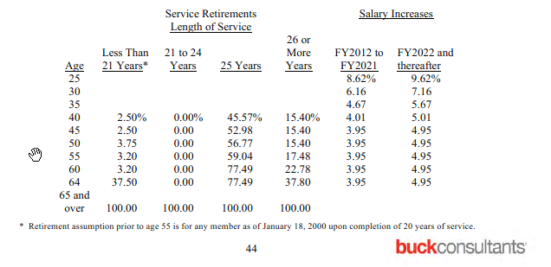
60 | 0.0395
64 | 0.0395

AZ-SERS.Actives
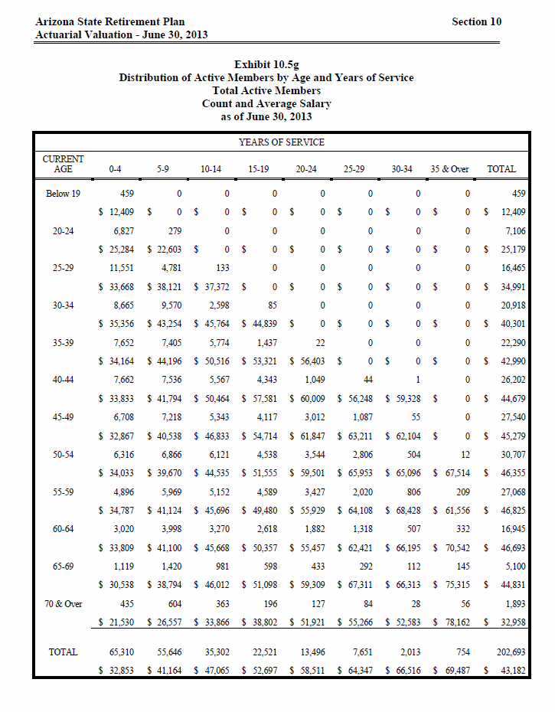
TOC
 |  |  | NOTE THAT (a) I adjusted midage for the FIRST group to be 20, and (b) I STILL will have to adjust data to ensure that ea is in the 20:70 range
 |  |  | Exhibit 10.5g
 |  |  | Distribution of Active Members by Age and Years of Service
 |  |  | Total Active Members
 |  |  | Count and Average Salary
I add 1st 3 columns |  |  | as of June 30, 2013
order | type | midage | agegrp | 2 | 7 | 12 | 17 | 22 | 27 | 32 | 36 | total
1 | nactives | 20 | Below 19 | 459 | - | - | - | - | - | - | - | 459
1 | salary | 20 |  | 12,409 | - | - | - | - | - | - | - | 12,409
2 | nactives | 22 | 20-24 | 6,827 | 279 | - | - | - | - | - | - | 7,106
2 | salary | 22 |  | 25,284 | 22,603 | - | - | - | - | - | - | 25,179
3 | nactives | 27 | 25-29 | 11,551 | 4,781 | 133 | - | - | - | - | - | 16,465
3 | salary | 27 |  | 33,668 | 38,121 | 37,372 | - | - | - | - | - | 34,991
4 | nactives | 32 | 30-34 | 8,665 | 9,570 | 2,598 | 85 | - | - | - | - | 20,918
4 | salary | 32 |  | 35,356 | 43,254 | 45,764 | 44,839 | - | - | - | - | 40,301
5 | nactives | 37 | 35-39 | 7,652 | 7,405 | 5,774 | 1,437 | 22 | - | - | - | 22,290
5 | salary | 37 |  | 34,164 | 44,196 | 50,516 | 53,321 | 56,403 | - | - | - | 42,990
6 | nactives | 42 | 40-44 | 7,662 | 7,536 | 5,567 | 4,343 | 1,049 | 44 | 1 | - | 26,202
6 | salary | 42 |  | 33,833 | 41,794 | 50,464 | 57,581 | 60,009 | 56,248 | 59,328 | - | 44,679
7 | nactives | 47 | 45-49 | 6,708 | 7,218 | 5,343 | 4,117 | 3,012 | 1,087 | 55 | - | 27,540
7 | salary | 47 |  | 32,867 | 40,538 | 46,833 | 54,714 | 61,847 | 63,211 | 62,104 | - | 45,279
8 | nactives | 52 | 50-54 | 6,316 | 6,866 | 6,121 | 4,538 | 3,544 | 2,806 | 504 | 12 | 30,707
8 | salary | 52 |  | 34,033 | 39,670 | 44,535 | 51,555 | 59,501 | 65,953 | 65,096 | 67,514 | 46,355
9 | nactives | 57 | 55-59 | 4,896 | 5,969 | 5,152 | 4,589 | 3,427 | 2,020 | 806 | 209 | 27,068
9 | salary | 57 |  | 34,787 | 41,124 | 45,696 | 49,480 | 55,929 | 64,108 | 68,428 | 61,556 | 46,825
10 | nactives | 62 | 60-64 | 3,020 | 3,998 | 3,270 | 2,618 | 1,882 | 1,318 | 507 | 332 | 16,945
10 | salary | 62 |  | 33,809 | 41,100 | 45,668 | 50,357 | 55,457 | 62,421 | 66,195 | 70,542 | 46,693
11 | nactives | 67 | 65-69 | 1,119 | 1,420 | 981 | 598 | 433 | 292 | 112 | 145 | 5,100
11 | salary | 67 |  | 30,538 | 38,794 | 46,012 | 51,098 | 59,309 | 67,311 | 66,313 | 75,315 | 44,831
12 | nactives | 72 | 70 & Over | 435 | 604 | 363 | 196 | 127 | 84 | 28 | 56 | 1,893
12 | salary | 72 |  | 21,530 | 26,557 | 33,866 | 38,802 | 51,921 | 55,266 | 52,583 | 78,162 | 32,958
13 | nactives | total | TOTAL | 65,310 | 55,646 | 35,302 | 22,521 | 13,496 | 7,651 | 2,013 | 754 | 202,693
13 | salary | total |  | 32,853 | 41,164 | 47,065 | 52,697 | 58,511 | 64,347 | 66,516 | 69,487 | 43,182

AZ-SERS.Retirees
TOC
 |  |  | Note that this is a monthly annuity so the prototype preparation program will need to multiply by 12.
 |  |  | Retirees
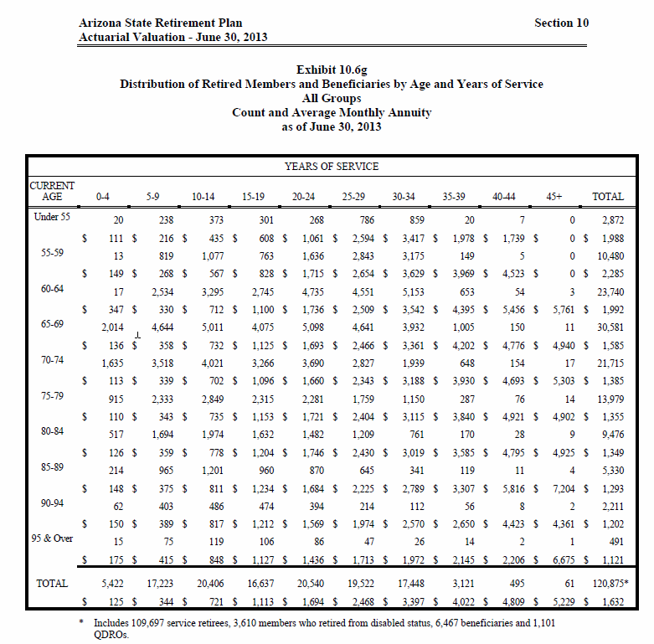
 |  |  | Exhibit 10.6g
 |  |  | Distribution of Retired Members and Beneficiaries by Age and Years of Service
 |  |  | All Groups
 |  |  | Count and Average Monthly Annuity
 |  |  | as of June 30, 2013
order | type | midage | agegrp | 2 | 7 | 12 | 17 | 22 | 27 | 32 | 37 | 42 | 46 | total
1 | nretirees | 54 | Under 55 | 20 | 238 | 373 | 301 | 268 | 786 | 859 | 20 | 7 | 0 | 2872
1 | benefit | 54 |  | 111 | 216 | 435 | 608 | 1061 | 2594 | 3417 | 1978 | 1739 | 0 | 1988
2 | nretirees | 57 | 55-59 | 13 | 819 | 1077 | 763 | 1636 | 2843 | 3175 | 149 | 5 | 0 | 10480
2 | benefit | 57 |  | 149 | 268 | 567 | 828 | 1715 | 2654 | 3629 | 3969 | 4523 | 0 | 2285
3 | nretirees | 62 | 60-64 | 17 | 2534 | 3295 | 2745 | 4735 | 4551 | 5153 | 653 | 54 | 3 | 23740
3 | benefit | 62 |  | 347 | 330 | 712 | 1100 | 1736 | 2509 | 3542 | 4395 | 5456 | 5761 | 1992
4 | nretirees | 67 | 65-69 | 2014 | 4644 | 5011 | 4075 | 5098 | 4641 | 3932 | 1005 | 150 | 11 | 30581
4 | benefit | 67 |  | 136 | 358 | 732 | 1125 | 1693 | 2466 | 3361 | 4202 | 4776 | 4940 | 1585
5 | nretirees | 72 | 70-74 | 1635 | 3518 | 4021 | 3266 | 3690 | 2827 | 1939 | 648 | 154 | 17 | 21715
5 | benefit | 72 |  | 113 | 339 | 702 | 1096 | 1660 | 2343 | 3188 | 3930 | 4693 | 5303 | 1385
6 | nretirees | 77 | 75-79 | 915 | 2333 | 2849 | 2315 | 2281 | 1759 | 1150 | 287 | 76 | 14 | 13979
6 | benefit | 77 |  | 110 | 343 | 735 | 1153 | 1721 | 2404 | 3115 | 3840 | 4921 | 4902 | 1355
7 | nretirees | 82 | 80-84 | 517 | 1694 | 1974 | 1632 | 1482 | 1209 | 761 | 170 | 28 | 9 | 9476
7 | benefit | 82 |  | 126 | 359 | 778 | 1204 | 1746 | 2430 | 3019 | 3585 | 4795 | 4925 | 1349
8 | nretirees | 87 | 85-89 | 214 | 965 | 1201 | 960 | 870 | 645 | 341 | 119 | 11 | 4 | 5330
8 | benefit | 87 |  | 148 | 375 | 811 | 1234 | 1684 | 2225 | 2789 | 3307 | 5816 | 7204 | 1293
9 | nretirees | 92 | 90-94 | 62 | 403 | 486 | 474 | 394 | 214 | 112 | 56 | 8 | 2 | 2211
9 | benefit | 92 |  | 150 | 389 | 817 | 1212 | 1569 | 1974 | 2570 | 2650 | 4423 | 4361 | 1202
10 | nretirees | 96 | 95 & Over | 15 | 75 | 119 | 106 | 86 | 47 | 26 | 14 | 2 | 1 | 491
10 | benefit | 96 |  | 175 | 415 | 848 | 1127 | 1436 | 1713 | 1972 | 2145 | 2206 | 6675 | 1121
11 | nretirees | total | TOTAL | 5422 | 17223 | 20406 | 16637 | 20540 | 19522 | 17448 | 3121 | 495 | 61 | 120,875
11 | benefit | total |  | 125 | 344 | 721 | 1113 | 1694 | 2468 | 3397 | 4022 | 4809 | 5229 | 1632

 |  |  | * Includes 109,697 service retirees, 3,610 members who retired from disabled status, 6,467 beneficiaries and 1,101 QDROs

AZ-SERS.SalGrowHist
TOC

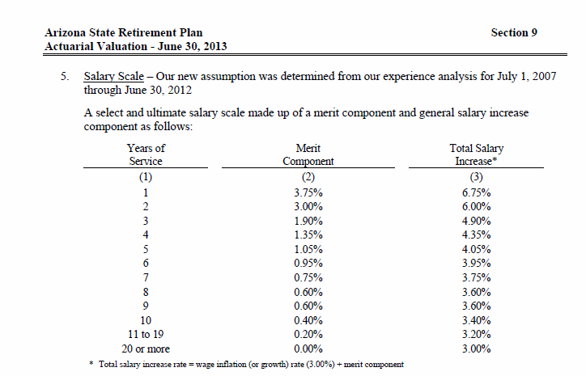
 | Salary growth
 | yos | rate
 | 1 | 0.0675
 | 2 | 0.0600
 | 3 | 0.0490
 | 4 | 0.0435
 | 5 | 0.0405
 | 6 | 0.0395
 | 7 | 0.0375
 | 8 | 0.0360
 | 9 | 0.0360
 | 10 | 0.0340
 | 11-19 | 0.0320
 | 20+ | 0.0300

WA-PERS2.Actives
TOC
 |  |  |  | yellow cell calc'd

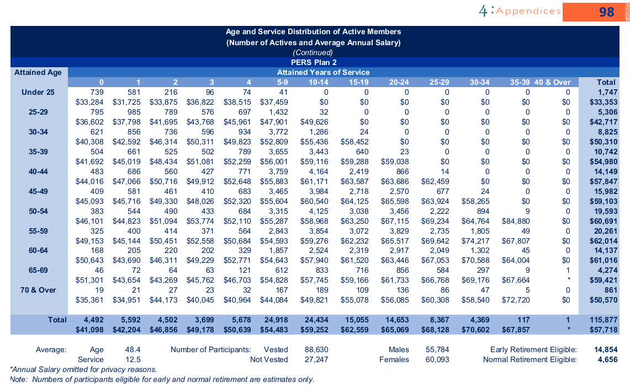
 |  |  |  | 0 | 1 | 2 | 3 | 4 | 5-9 | 10-14 | 15-19 | 20-24 | 25-29 | 30-34 | 35-39 | 40 & Over | Total
order | type | midage | agegrp | 0 | 1 | 2 | 3 | 4 | 7 | 12 | 17 | 22 | 27 | 32 | 37 | 42 | total | checksum
1 | nactives | 22 | Under 25 | 739 | 581 | 216 | 96 | 74 | 41 | - | - | - | - | - | - | - | 1,747 | -
1 | salary | 22 |  | 33,284 | 31,725 | 33,875 | 36,822 | 38,515 | 37,459 | - | - | - | - | - | - | - | 33,353
2 | nactives | 27 | 25-29 | 795 | 985 | 789 | 576 | 697 | 1,432 | 32 | - | - | - | - | - | - | 5,306 | -
2 | salary | 27 |  | 36,602 | 37,798 | 41,695 | 43,768 | 45,961 | 47,901 | 49,626 | - | - | - | - | - | - | 42,717
3 | nactives | 32 | 30-34 | 621 | 856 | 736 | 596 | 934 | 3,772 | 1,286 | 24 | - | - | - | - | - | 8,825 | -
3 | salary | 32 |  | 40,308 | 42,592 | 46,314 | 50,311 | 49,823 | 52,809 | 55,436 | 58,452 | - | - | - | - | - | 50,310
4 | nactives | 37 | 35-39 | 504 | 661 | 525 | 502 | 789 | 3,655 | 3,443 | 640 | 23 | - | - | - | - | 10,742 | -
4 | salary | 37 |  | 41,692 | 45,019 | 48,434 | 51,081 | 52,259 | 56,001 | 59,116 | 59,288 | 59,038 | - | - | - | - | 54,980
5 | nactives | 42 | 40-44 | 483 | 686 | 560 | 427 | 771 | 3,759 | 4,164 | 2,419 | 866 | 14 | - | - | - | 14,149 | -
5 | salary | 42 |  | 44,016 | 47,066 | 50,716 | 49,912 | 52,648 | 55,883 | 61,171 | 63,587 | 63,686 | 62,459 | - | - | - | 57,847
6 | nactives | 47 | 45-49 | 409 | 581 | 461 | 410 | 683 | 3,465 | 3,984 | 2,718 | 2,570 | 677 | 24 | - | - | 15,982 | -
6 | salary | 47 |  | 45,093 | 45,716 | 49,330 | 48,026 | 52,320 | 55,604 | 60,540 | 64,125 | 65,598 | 63,924 | 58,265 | - | - | 59,103
7 | nactives | 52 | 50-54 | 383 | 544 | 490 | 433 | 684 | 3,315 | 4,125 | 3,038 | 3,456 | 2,222 | 894 | 9 | - | 19,593 | -
7 | salary | 52 |  | 46,101 | 44,823 | 51,094 | 53,774 | 52,110 | 55,287 | 58,968 | 63,250 | 67,115 | 69,234 | 64,764 | 84,880 | - | 60,691
8 | nactives | 57 | 55-59 | 325 | 400 | 414 | 371 | 564 | 2,843 | 3,854 | 3,072 | 3,829 | 2,735 | 1,805 | 49 | - | 20,261 | -
8 | salary | 57 |  | 49,153 | 45,144 | 50,451 | 52,558 | 50,684 | 54,593 | 59,276 | 62,232 | 65,517 | 69,642 | 74,217 | 67,807 | - | 62,014
9 | nactives | 62 | 60-64 | 168 | 205 | 220 | 202 | 329 | 1,857 | 2,524 | 2,319 | 2,917 | 2,049 | 1,302 | 45 | - | 14,137 | -
9 | salary | 62 |  | 50,643 | 43,690 | 46,311 | 49,229 | 52,771 | 54,643 | 57,940 | 61,520 | 63,446 | 67,053 | 70,588 | 64,004 | - | 61,016
10 | nactives | 67 | 65-69 | 46 | 72 | 64 | 63 | 121 | 612 | 833 | 716 | 856 | 584 | 297 | 9 | 1 | 4,274 | -
10 | salary | 67 |  | 51,301 | 43,654 | 43,269 | 45,762 | 46,703 | 54,828 | 57,745 | 59,166 | 61,733 | 66,768 | 69,176 | 67,664 | 149,750 | 59,421
11 | nactives | 72 | 70 & Over | 19 | 21 | 27 | 23 | 32 | 167 | 189 | 109 | 136 | 86 | 47 | 5 | - | 861 | -
11 | salary | 72 |  | 35,361 | 34,951 | 44,173 | 40,045 | 40,964 | 44,084 | 49,821 | 55,078 | 56,085 | 60,308 | 58,540 | 72,720 | - | 50,570
12 | nactives | total | Total | 4,492 | 5,592 | 4,502 | 3,699 | 5,678 | 24,918 | 24,434 | 15,055 | 14,653 | 8,367 | 4,369 | 117 | 1 | 115,877 | -
12 | salary | total |  | 41,098 | 42,204 | 46,856 | 49,178 | 50,639 | 54,483 | 59,252 | 62,559 | 65,069 | 68,128 | 70,602 | 67,857 | 149,750 | 57,718

WA-PERS2.Retirees
TOC |  | Note: rather than try to reverse engineer values for all the supressed cells, I just zeroed them out (yellow cells)
 |  | Besides, we only want the totals for this, therefore I put the totals first
 |  |  |  |  | 0 | 1 | 2 | 3 | 4 | 5-9 | 10-14 | 15-19 | 20-24 | 25-29 | 30-34 | 35-39 | 40 & Over
order | type | midage | agegrp | total | 0 | 1 | 2 | 3 | 4 | 7 | 12 | 17 | 22 | 27 | 32 | 37 | 42
1 | nretirees | 47 | Under 50 | 0 | 0 | 0 | 0 | 0 | 0 | 0 | 0 | 0 | 0 | 0 | 0 | 0 | 0
1 | benefit | 47 |  | 0 | 0 | 0 | 0 | 0 | 0 | 0 | 0 | 0 | 0 | 0 | 0 | 0 | 0
2 | nretirees | 52 | 50-54 | 2 | 0 | 0 | 2 | 0 | 0 | 0 | 0 | 0 | 0 | 0 | 0 | 0 | 0
2 | benefit | 52 |  | 109 | 0 | 0 | 109 | 0 | 0 | 0 | 0 | 0 | 0 | 0 | 0 | 0 | 0
3 | nretirees | 57 | 55-59 | 409 | 83 | 180 | 85 | 43 | 17 | 1 | 0 | 0 | 0 | 0 | 0 | 0 | 0
3 | benefit | 57 |  | 2109 | 2172 | 2225 | 2220 | 1717 | 1117 | * | 0 | 0 | 0 | 0 | 0 | 0 | 0
4 | nretirees | 62 | 60-64 | 1730 | 250 | 646 | 383 | 171 | 107 | 173 | 0 | 0 | 0 | 0 | 0 | 0 | 0
4 | benefit | 62 |  | 2045 | 2350 | 2288 | 2177 | 1927 | 1561 | 822 | 0 | 0 | 0 | 0 | 0 | 0 | 0
5 | nretirees | 67 | 65-69 | 8420 | 833 | 2225 | 1805 | 1579 | 1214 | 680 | 84 | 0 | 0 | 0 | 0 | 0 | 0
5 | benefit | 67 |  | 1418 | 1460 | 1497 | 1459 | 1408 | 1288 | 1341 | 689 | 0 | 0 | 0 | 0 | 0 | 0
6 | nretirees | 72 | 70-74 | 6529 | 54 | 215 | 291 | 285 | 411 | 4959 | 309 | 5 | 0 | 0 | 0 | 0 | 0
6 | benefit | 72 |  | 1174 | 1571 | 1534 | 1495 | 1366 | 1512 | 1105 | 1053 | 334 | 0 | 0 | 0 | 0 | 0
7 | nretirees | 77 | 75-79 | 4032 | 12 | 41 | 47 | 55 | 59 | 721 | 3080 | 16 | 0 | 0 | 0 | 0 | 0
7 | benefit | 77 |  | 965 | 1414 | 1418 | 1198 | 1349 | 1071 | 1177 | 897 | 511 | 0 | 0 | 0 | 0 | 0
8 | nretirees | 82 | 80-84 | 2081 | 0 | 11 | 10 | 11 | 10 | 112 | 452 | 1467 | 7 | 0 | 0 | 0 | 0
8 | benefit | 82 |  | 778 | 0 | 1441 | 1156 | 1165 | 433 | 1042 | 855 | 727 | 404 | 0 | 0 | 0 | 0
9 | nretirees | 87 | 85-89 | 742 | 0 | 3 | 0 | 3 | 3 | 32 | 78 | 205 | 417 | 0 | 0 | 0 | 0
9 | benefit | 87 |  | 646 | 0 | 762 | 0 | 417 | 323 | 767 | 699 | 741 | 583 | 0 | 0 | 0 | 0
10 | nretirees | 92 | 90-94 | 155 | 0 | 0 | 0 | 0 | 0 | 3 | 12 | 19 | 47 | 72 | 0 | 0 | 0
10 | benefit | 92 |  | 535 | 0 | 0 | 0 | 0 | 0 | 792 | 672 | 800 | 613 | 390 | 0 | 0 | 0
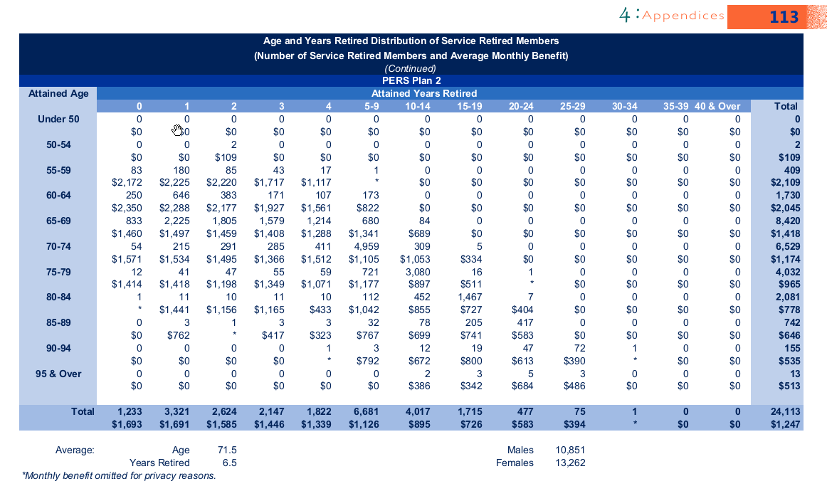
11 | nretirees | 97 | 95 & Over | 13 | 0 | 0 | 0 | 0 | 0 | 0 | 2 | 3 | 5 | 3 | 0 | 0 | 0
11 | benefit | 97 |  | 513 | 0 | 0 | 0 | 0 | 0 | 0 | 386 | 342 | 684 | 486 | 0 | 0 | 0
12 | nretirees | total | Total | 24,113 | 1,233 | 3321 | 2624 | 2147 | 1822 | 6681 | 4017 | 1715 | 477 | 75
12 | benefit | total |  | 1,247 | 1693 | 1691 | 1585 | 1446 | 1339 | 1126 | 895 | 726 | 583 | 394

WA-PERS2.SalGrowHist
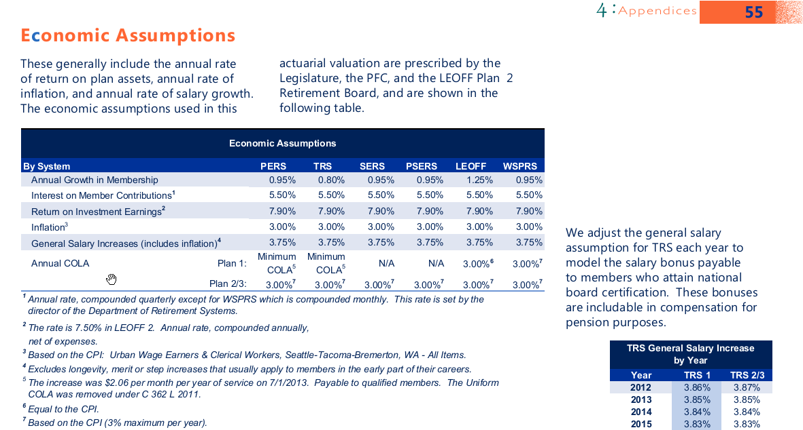
TOC
PERS uses a general salary increase of 3.75%
Plus they report a salary scale without general increase
I combine them below
Note that this is by SERVICE YEARS, not AGE
This is the same as AZ-SERS
Salary growth
yos | rate
0 | 0.061
1 | 0.061
2 | 0.048
3 | 0.038
4 | 0.029
5 | 0.022
6 | 0.015
7 | 0.011
8 | 0.009
9 | 0.007
10 | 0.005
11 | 0.004
12 | 0.003
13 | 0.002
14 | 0.002
15 | 0.002
16 | 0.002
17 | -
18 | -
19 | -
20 | -
21 | -
22 | -
23 | -
24 | -
25 | -
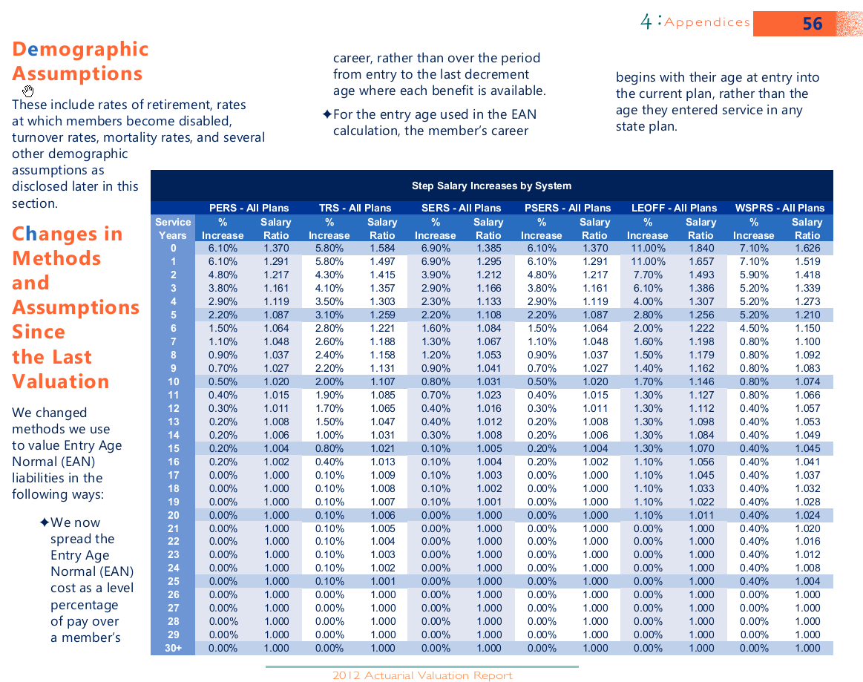
26 | -
27 | -
28 | -
29 | -
30+ | -

MI-MPSERS.Actives
TOC |  |  |  | MI-MPSERS does not provide a distribution of average salaries by yos.
 |  |  |  | I estimated these average salaries to have the same general shape as St. Paul's teachers, but to hit the MI totals
 |  |  | Age | Years of Service |  |  |  |  |  |  | Total Count
 |  |  |  | 0 - 4 | 5 - 9 | 10 - 14 | 15 - 19 | 20 - 24 | 25 - 29 | 30 & up |  | Total Pay | Average Pay |  | avgagecalc
order | type | midage | agegrp | 2 | 7 | 12 | 17 | 22 | 27 | 32 | total
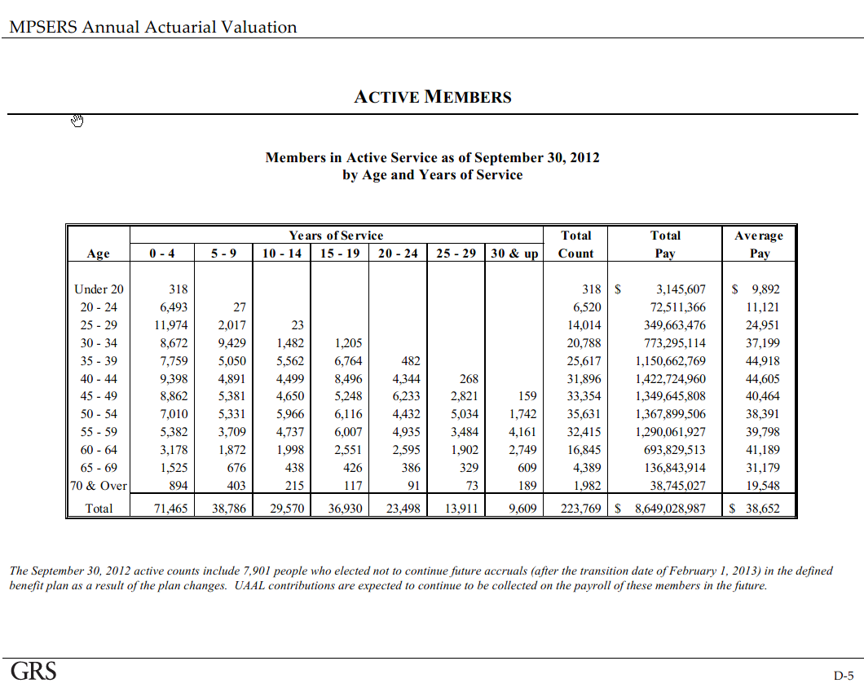
1 | nactives | 20 | Under 20 | 318 |  |  |  |  |  |  | 318 | 3,145,607 | 9,892 |  | 6360
2 | nactives | 22 | 20 - 24 | 6,493 | 27 |  |  |  |  |  | 6,520 | 72,511,366 | 11,121 |  | 143440
3 | nactives | 27 | 25 - 29 | 11,974 | 2,017 | 23 |  |  |  |  | 14,014 | 349,663,476 | 24,951 |  | 378378
4 | nactives | 32 | 30 - 34 | 8,672 | 9,429 | 1,482 | 1,205 |  |  |  | 20,788 | 773,295,114 | 37,199 |  | 665216
5 | nactives | 37 | 35 - 39 | 7,759 | 5,050 | 5,562 | 6,764 | 482 |  |  | 25,617 | 1,150,662,769 | 44,918 |  | 947829
6 | nactives | 42 | 40 - 44 | 9,398 | 4,891 | 4,499 | 8,496 | 4,344 | 268 |  | 31,896 | 1,422,724,960 | 44,605 |  | 1339632
7 | nactives | 47 | 45 - 49 | 8,862 | 5,381 | 4,650 | 5,248 | 6,233 | 2,821 | 159 | 33,354 | 1,349,645,808 | 40,464 |  | 1567638
8 | nactives | 52 | 50 - 54 | 7,010 | 5,331 | 5,966 | 6,116 | 4,432 | 5,034 | 1,742 | 35,631 | 1,367,899,506 | 38,391 |  | 1852812
9 | nactives | 57 | 55 - 59 | 5,382 | 3,709 | 4,737 | 6,007 | 4,935 | 3,484 | 4,161 | 32,415 | 1,290,061,927 | 39,798 |  | 1847655
10 | nactives | 62 | 60 - 64 | 3,178 | 1,872 | 1,998 | 2,551 | 2,595 | 1,902 | 2,749 | 16,845 | 693,829,513 | 41,189 |  | 1044390
11 | nactives | 67 | 65 - 69 | 1,525 | 676 | 438 | 426 | 386 | 329 | 609 | 4,389 | 136,843,914 | 31,179 |  | 294063
12 | nactives | 70 | 70 & Over | 894 | 403 | 215 | 117 | 91 | 73 | 189 | 1,982 | 38,745,027 | 19,548 |  | 138740
13 | nactives | total | Total | 71,465 | 38,786 | 29,570 | 36,930 | 23,498 | 13,911 | 9,609 | 223,769 | 8,649,028,987 | 38,652 |  | 10226153
1 | salary | 20 | Under 20 | 9,892 | - | - | - | - | - | - | 9,891.85 |  |  |  | 45.700
2 | salary | 22 | 20 - 24 | 11,121 | 11,121 | - | - | - | - | - | 11,121
3 | salary | 27 | 25 - 29 | 23,641 | 32,578 | 38,389 | - | - | - | - | 24,951
4 | salary | 32 | 30 - 34 | 29,463 | 40,493 | 47,716 | 54,161 | - | - | - | 37,199
5 | salary | 37 | 35 - 39 | 30,474 | 43,472 | 50,262 | 57,051 | 60,633 | - | - | 44,918
6 | salary | 42 | 40 - 44 | 29,917 | 43,585 | 48,652 | 52,978 | 56,305 | 55,311 | - | 44,605
7 | salary | 47 | 45 - 49 | 23,661 | 40,258 | 43,941 | 48,455 | 50,716 | 49,821 | 50,655 | 40,464
8 | salary | 52 | 50 - 54 | 18,439 | 36,291 | 41,593 | 42,489 | 45,786 | 49,116 | 49,938 | 38,391
9 | salary | 57 | 55 - 59 | 18,465 | 33,635 | 39,191 | 44,518 | 47,938 | 48,114 | 50,146 | 39,798
10 | salary | 62 | 60 - 64 | 11,994 | 30,132 | 40,966 | 51,506 | 53,098 | 53,872 | 53,041 | 41,189
11 | salary | 67 | 65 - 69 | 8,565 | 31,629 | 30,245 | 46,480 | 45,649 | 55,831 | 54,785 | 31,179
12 | salary | 70 | 70 & Over | 6,516 | 24,063 | 23,009 | 35,361 | 34,728 | 42,475 | 41,679 | 19,548
13 | salary | total | Total

 | Calculated total pay |  |  |  |  |  |  |  |  |  | calctotpay | ratio to true totpay
1 | totpay | 20 |  | 3,145,607 | - | - | - | - | - | - | 3,145,607 | 1.000
2 | totpay | 22 |  | 72,211,089 | 300,277 | - | - | - | - | - | 72,511,366 | 1.000
3 | totpay | 27 |  | 283,071,548 | 65,708,982 | 882,946 | - | - | - | - | 349,663,476 | 1.000
4 | totpay | 32 |  | 255,506,761 | 381,808,236 | 70,715,643 | 65,264,475 | - | - | - | 773,295,114 | 1.000
5 | totpay | 37 |  | 236,451,337 | 219,535,981 | 279,557,593 | 385,892,570 | 29,225,288 | - | - | 1,150,662,769 | 1.000
6 | totpay | 42 |  | 281,156,319 | 213,172,320 | 218,883,832 | 450,101,380 | 244,587,698 | 14,823,410 | - | 1,422,724,960 | 1.000
7 | totpay | 47 |  | 209,685,701 | 216,628,530 | 204,327,072 | 254,289,380 | 316,114,703 | 140,546,230 | 8,054,193 | 1,349,645,808 | 1.000
8 | totpay | 52 |  | 129,257,209 | 193,466,400 | 248,146,036 | 259,860,898 | 202,924,614 | 247,251,632 | 86,992,717 | 1,367,899,506 | 1.000
9 | totpay | 57 |  | 99,378,922 | 124,752,690 | 185,647,963 | 267,421,554 | 236,574,082 | 167,627,529 | 208,659,186 | 1,290,061,927 | 1.000
10 | totpay | 62 |  | 38,117,546 | 56,406,613 | 81,849,712 | 131,391,993 | 137,790,161 | 102,464,458 | 145,809,029 | 693,829,513 | 1.000
11 | totpay | 67 |  | 13,061,505 | 21,381,372 | 13,247,107 | 19,800,619 | 17,620,507 | 18,368,511 | 33,364,292 | 136,843,914 | 1.000
12 | totpay | 70 |  | 5,825,260 | 9,697,244 | 4,946,976 | 4,137,228 | 3,160,290 | 3,100,668 | 7,877,362 | 38,745,027 | 1.000
13 | totpay | total

 |  |  |  |  | I overrode the formulas and put 11,121 and 39,415, etc., in the cells below
 | Guess salary based on chosen model |  |  |  |  |  |  |  |  |  |  | totpaycalc | avgpaycalc
1 | salary | 20 |  | 9,892 | - | - | - | - | - | -
2 | salary | 22 |  | 11,121 | 11,121 | - | - | - | - | -
3 | salary | 27 |  | 24,272 | 33,448 | 39,415 | - | - | - | -
4 | salary | 32 |  | 31,475 | 43,257 | 50,974 | 57,859 | - | - | -
5 | salary | 37 |  | 31,787 | 45,345 | 52,427 | 59,509 | 63,245 | - | -
6 | salary | 42 |  | 29,358 | 42,770 | 47,743 | 51,988 | 55,253 | 54,278 | -
7 | salary | 47 |  | 22,251 | 37,858 | 41,322 | 45,566 | 47,693 | 46,851 | 47,635
8 | salary | 52 |  | 17,892 | 35,215 | 40,360 | 41,229 | 44,429 | 47,660 | 48,458
9 | salary | 57 |  | 17,791 | 32,408 | 37,761 | 42,894 | 46,189 | 46,358 | 48,316
10 | salary | 62 |  | 11,620 | 29,191 | 39,687 | 49,899 | 51,441 | 52,191 | 51,386
11 | salary | 67 |  | 8,862 | 32,726 | 31,293 | 48,092 | 47,232 | 57,768 | 56,685
12 | salary | 70 |  | 5,556 | 20,518 | 19,620 | 30,152 | 29,613 | 36,218 | 35,539
13 | salary | total

 | Guess total pay calc based on guess salary |  |  |  |  |  |  |  |  |  | total pay | ratio to true total pay
1 | totpay | 20 |  | 3,145,656 | - | - | - | - | - | - | 3,145,656 | 1.000
2 | totpay | 22 |  | 72,208,653 | 300,267 | - | - | - | - | - | 72,508,920 | 1.000
3 | totpay | 27 |  | 290,636,974 | 67,465,133 | 906,544 | - | - | - | - | 359,008,651 | 1.027
4 | totpay | 32 |  | 272,947,984 | 407,870,963 | 75,542,784 | 69,719,512 | - | - | - | 826,081,244 | 1.068
5 | totpay | 37 |  | 246,637,130 | 228,993,098 | 291,600,306 | 402,515,955 | 30,484,248 | - | - | 1,200,230,736 | 1.043
6 | totpay | 42 |  | 275,903,942 | 209,189,975 | 214,794,789 | 441,692,883 | 240,018,471 | 14,546,489 | - | 1,396,146,548 | 0.981
7 | totpay | 47 |  | 197,184,123 | 203,713,017 | 192,144,979 | 239,128,506 | 297,267,770 | 132,166,786 | 7,573,997 | 1,269,179,179 | 0.940
8 | totpay | 52 |  | 125,425,138 | 187,730,726 | 240,789,283 | 252,156,835 | 196,908,534 | 239,921,395 | 84,413,655 | 1,327,345,567 | 0.970
9 | totpay | 57 |  | 95,752,359 | 120,200,181 | 178,873,246 | 257,662,733 | 227,940,956 | 161,510,420 | 201,044,738 | 1,242,984,633 | 0.964
10 | totpay | 62 |  | 36,928,071 | 54,646,419 | 79,295,554 | 127,291,846 | 133,490,357 | 99,267,008 | 141,258,992 | 672,178,247 | 0.969
11 | totpay | 67 |  | 13,514,462 | 22,122,851 | 13,706,499 | 20,487,280 | 18,231,564 | 19,005,508 | 34,521,323 | 141,589,488 | 1.035
12 | totpay | 70 |  | 4,967,142 | 8,268,745 | 4,218,238 | 3,527,774 | 2,694,748 | 2,643,910 | 6,716,950 | 33,037,506 | 0.853
13 | totpay | total |  |  |  |  |  |  |  |  | 8,543,436,375 | 0.988

St. Paul teachers distribution of salary

 |  |  | Age | <5 | 5-9 | 10-14 | 15-19 | 20-24 | 25-29 | 30-34 | 35+ | ALL
order | type | midage | agegrp | 2 | 7 | 12 | 17 | 22 | 27 | 32 | 36 | total
1 | salary | 22 | <25 | 27,192 | - | - | - | - | - | - | - | 27,192
2 | salary | 27 | 25-29 | 38,197 | 52,637 | - | - | - | - | - | - | 39,265
3 | salary | 32 | 30-34 | 43,481 | 59,758 | 70,418 | - | - | - | - | - | 51,389
4 | salary | 37 | 35-39 | 42,788 | 61,038 | 70,571 | 80,103 | - | - | - | - | 60,463
5 | salary | 42 | 40-44 | 44,470 | 64,787 | 72,319 | 78,750 | 83,695 | - | - | - | 67,566
6 | salary | 47 | 45-49 | 39,000 | 66,356 | 72,427 | 79,866 | 83,594 | 82,119 | - | - | 70,924
7 | salary | 52 | 50-54 | 33,981 | 66,880 | 76,652 | 78,302 | 84,379 | 90,516 | 92,031 | - | 72,912
8 | salary | 57 | 55-59 | 31,982 | 58,257 | 67,880 | 77,107 | 83,030 | 83,334 | 86,855 | 87,417 | 71,542
9 | salary | 62 | 60-64 | 18,124 | 45,531 | 61,902 | 77,829 | 80,235 | 81,404 | 80,148 | 83,195 | 64,244
10 | salary | 67 | 65+ | 13,249 | 48,927 | 46,785 | 71,900 | 70,614 | 86,365 | 84,747 | 103,282 | 46,614
11 | salary | total | ALL | 37,720 | 60,295 | 70,749 | 78,647 | 82,904 | 85,441 | 84,946 | 88,435 | 62,440

 |  |  | ratio to row average
 |  | 20 | djb | 1.0000 | - | - | - | - | - | - | - | 1.0000 |  | 20
1 | salary | 22 |  | 1.0000 | - | - | - | - | - | - | - | 1.0000 |  | 22
2 | salary | 27 |  | 0.9728 | 1.3406 | - | - | - | - | - | - | 1.0000 |  | 27
3 | salary | 32 |  | 0.8461 | 1.1629 | 1.3703 | - | - | - | - | - | 1.0000 |  | 32
4 | salary | 37 |  | 0.7077 | 1.0095 | 1.1672 | 1.3248 | - | - | - | - | 1.0000 |  | 37
5 | salary | 42 |  | 0.6582 | 0.9589 | 1.0703 | 1.1655 | 1.2387 | - | - | - | 1.0000 |  | 42
6 | salary | 47 |  | 0.5499 | 0.9356 | 1.0212 | 1.1261 | 1.1786 | 1.1578 | - | - | 1.0000 |  | 47
7 | salary | 52 |  | 0.4661 | 0.9173 | 1.0513 | 1.0739 | 1.1573 | 1.2414 | 1.2622 | - | 1.0000 |  | 52
8 | salary | 57 |  | 0.4470 | 0.8143 | 0.9488 | 1.0778 | 1.1606 | 1.1648 | 1.2140 | 1.2219 | 1.0000 |  | 57
9 | salary | 62 |  | 0.2821 | 0.7087 | 0.9635 | 1.2115 | 1.2489 | 1.2671 | 1.2476 | 1.2950 | 1.0000 |  | 62
10 | salary | 67 |  | 0.2842 | 1.0496 | 1.0037 | 1.5425 | 1.5149 | 1.8528 | 1.8181 | 2.2157 | 1.0000 |  | 67
11 | salary | 70 | djb | 0.2842 | 1.0496 | 1.0037 | 1.5425 | 1.5149 | 1.8528 | 1.8181 | 2.2157 | 1.0000 |  | 70

AZ-SERS as an alternative potential model for average salaries
order | type | midage | agegrp | 2 | 7 | 12 | 17 | 22 | 27 | 32 | 36 | total
1 | nactives | 20 | Below 19 | 459 | - | - | - | - | - | - | - | 459
2 | nactives | 22 | 20-24 | 6,827 | 279 | - | - | - | - | - | - | 7,106
3 | nactives | 27 | 25-29 | 11,551 | 4,781 | 133 | - | - | - | - | - | 16,465
4 | nactives | 32 | 30-34 | 8,665 | 9,570 | 2,598 | 85 | - | - | - | - | 20,918
5 | nactives | 37 | 35-39 | 7,652 | 7,405 | 5,774 | 1,437 | 22 | - | - | - | 22,290
6 | nactives | 42 | 40-44 | 7,662 | 7,536 | 5,567 | 4,343 | 1,049 | 44 | 1 | - | 26,202
7 | nactives | 47 | 45-49 | 6,708 | 7,218 | 5,343 | 4,117 | 3,012 | 1,087 | 55 | - | 27,540
8 | nactives | 52 | 50-54 | 6,316 | 6,866 | 6,121 | 4,538 | 3,544 | 2,806 | 504 | 12 | 30,707
9 | nactives | 57 | 55-59 | 4,896 | 5,969 | 5,152 | 4,589 | 3,427 | 2,020 | 806 | 209 | 27,068
10 | nactives | 62 | 60-64 | 3,020 | 3,998 | 3,270 | 2,618 | 1,882 | 1,318 | 507 | 332 | 16,945
11 | nactives | 67 | 65-69 | 1,119 | 1,420 | 981 | 598 | 433 | 292 | 112 | 145 | 5,100
12 | nactives | 72 | 70 & Over | 435 | 604 | 363 | 196 | 127 | 84 | 28 | 56 | 1,893
13 | nactives | total | TOTAL | 65,310 | 55,646 | 35,302 | 22,521 | 13,496 | 7,651 | 2,013 | 754 | 202,693
1 | salary | 20 |  | 12,409 | - | - | - | - | - | - | - | 12,409
2 | salary | 22 |  | 25,284 | 22,603 | - | - | - | - | - | - | 25,179
3 | salary | 27 |  | 33,668 | 38,121 | 37,372 | - | - | - | - | - | 34,991
4 | salary | 32 |  | 35,356 | 43,254 | 45,764 | 44,839 | - | - | - | - | 40,301
5 | salary | 37 |  | 34,164 | 44,196 | 50,516 | 53,321 | 56,403 | - | - | - | 42,990
6 | salary | 42 |  | 33,833 | 41,794 | 50,464 | 57,581 | 60,009 | 56,248 | 59,328 | - | 44,679
7 | salary | 47 |  | 32,867 | 40,538 | 46,833 | 54,714 | 61,847 | 63,211 | 62,104 | - | 45,279
8 | salary | 52 |  | 34,033 | 39,670 | 44,535 | 51,555 | 59,501 | 65,953 | 65,096 | 67,514 | 46,355
9 | salary | 57 |  | 34,787 | 41,124 | 45,696 | 49,480 | 55,929 | 64,108 | 68,428 | 61,556 | 46,825
10 | salary | 62 |  | 33,809 | 41,100 | 45,668 | 50,357 | 55,457 | 62,421 | 66,195 | 70,542 | 46,693
11 | salary | 67 |  | 30,538 | 38,794 | 46,012 | 51,098 | 59,309 | 67,311 | 66,313 | 75,315 | 44,831
12 | salary | 72 |  | 21,530 | 26,557 | 33,866 | 38,802 | 51,921 | 55,266 | 52,583 | 78,162 | 32,958
13 | salary | total |  | 32,853 | 41,164 | 47,065 | 52,697 | 58,511 | 64,347 | 66,516 | 69,487 | 43,182

AZ-SERS average salary in cell divided by average salary for row
1 | salary | 20 |  | 1.0000 | - | - | - | - | - | - | - | 1.0000
2 | salary | 22 |  | 1.0042 | 0.8977 | - | - | - | - | - | - | 1.0000
3 | salary | 27 |  | 0.9622 | 1.0895 | 1.0680 | - | - | - | - | - | 1.0000
4 | salary | 32 |  | 0.8773 | 1.0733 | 1.1356 | 1.1126 | - | - | - | - | 1.0000
5 | salary | 37 |  | 0.7947 | 1.0281 | 1.1751 | 1.2403 | 1.3120 | - | - | - | 1.0000
6 | salary | 42 |  | 0.7572 | 0.9354 | 1.1295 | 1.2888 | 1.3431 | 1.2589 | 1.3279 | - | 1.0000
7 | salary | 47 |  | 0.7259 | 0.8953 | 1.0343 | 1.2084 | 1.3659 | 1.3960 | 1.3716 | - | 1.0000
8 | salary | 52 |  | 0.7342 | 0.8558 | 0.9607 | 1.1122 | 1.2836 | 1.4228 | 1.4043 | 1.4565 | 1.0000
9 | salary | 57 |  | 0.7429 | 0.8782 | 0.9759 | 1.0567 | 1.1944 | 1.3691 | 1.4614 | 1.3146 | 1.0000
10 | salary | 62 |  | 0.7241 | 0.8802 | 0.9780 | 1.0785 | 1.1877 | 1.3368 | 1.4177 | 1.5108 | 1.0000
11 | salary | 67 |  | 0.6812 | 0.8653 | 1.0263 | 1.1398 | 1.3229 | 1.5014 | 1.4792 | 1.6800 | 1.0000
12 | salary | 72 |  | 0.6533 | 0.8058 | 1.0276 | 1.1773 | 1.5754 | 1.6769 | 1.5955 | 2.3716 | 1.0000
13 | salary | total |  | 0.7608 | 0.9533 | 1.0899 | 1.2203 | 1.3550 | 1.4901 | 1.5404 | 1.6092 | 1.0000

MI-MPSERS.Retirees
TOC
 | We must use St.Paul's teachers as a model because MPSERS does not have retirees by age
 | A adjust the average benefit to equal MI-MPSERS benefit
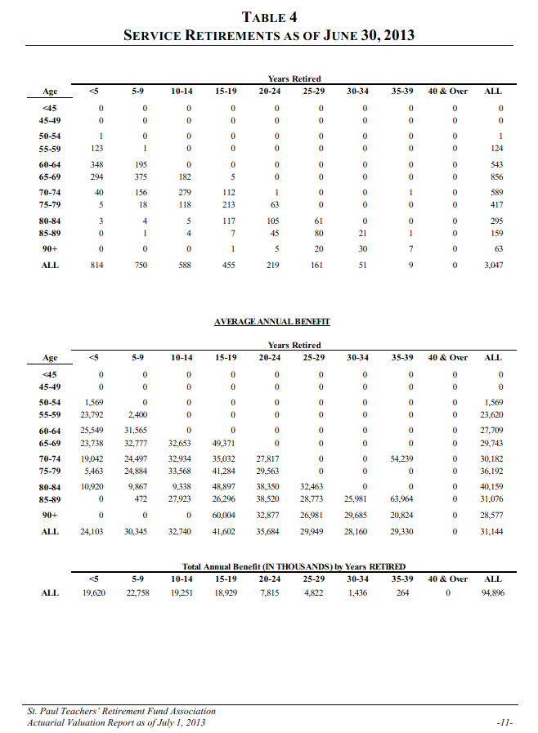
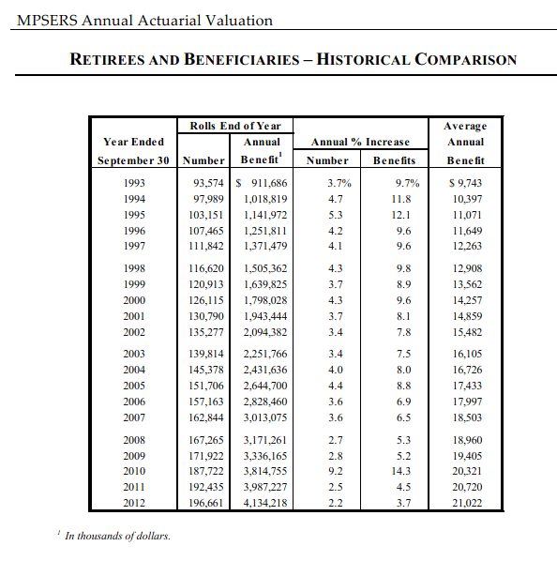
order | type | midage | agegrp | total | St-Paul's total
1 | nretirees | 44 | <45 | - | -
2 | nretirees | 47 | 45-49 | - | -
3 | nretirees | 52 | 50-54 | 1 | 1
4 | nretirees | 57 | 55-59 | 124 | 124
5 | nretirees | 62 | 60-64 | 543 | 543
6 | nretirees | 67 | 65-69 | 856 | 856
7 | nretirees | 72 | 70-74 | 589 | 589
8 | nretirees | 77 | 75-79 | 417 | 417
9 | nretirees | 82 | 80-84 | 295 | 295
10 | nretirees | 87 | 85-89 | 159 | 159
11 | nretirees | 92 | 90+ | 63 | 63
12 | nretirees | total | ALL | 3,047 | 3,047
1 | benefit | 44 | <45 | - | -
2 | benefit | 47 | 45-49 | - | -
3 | benefit | 52 | 50-54 | 1,059 | 1,569
4 | benefit | 57 | 55-59 | 15,943 | 23,620
5 | benefit | 62 | 60-64 | 18,703 | 27,709
6 | benefit | 67 | 65-69 | 20,076 | 29,743
7 | benefit | 72 | 70-74 | 20,373 | 30,182
8 | benefit | 77 | 75-79 | 24,429 | 36,192
9 | benefit | 82 | 80-84 | 27,107 | 40,159
10 | benefit | 87 | 85-89 | 20,976 | 31,076
11 | benefit | 92 | 90+ | 19,289 | 28,577
12 | benefit | total | ALL | 21,022 | 31,144

MI-MPSERS.SalGrowHist
TOC
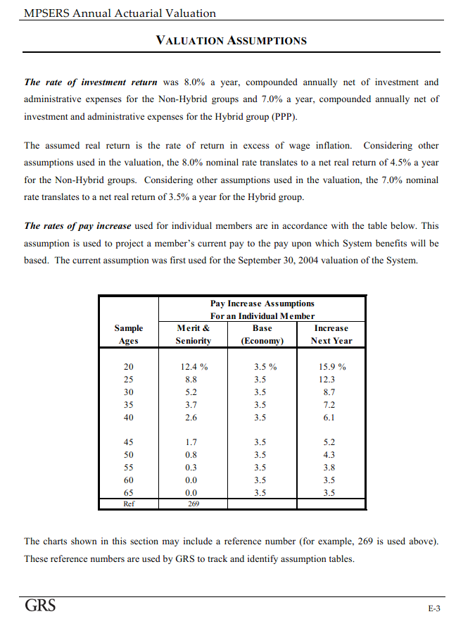
Salary growth
age | rate
20 | 0.159
25 | 0.123
30 | 0.087
35 | 0.072
40 | 0.061
45 | 0.052
50 | 0.043
55 | 0.038
60 | 0.035
65 | 0.035

CT-TRS.Actives
TOC
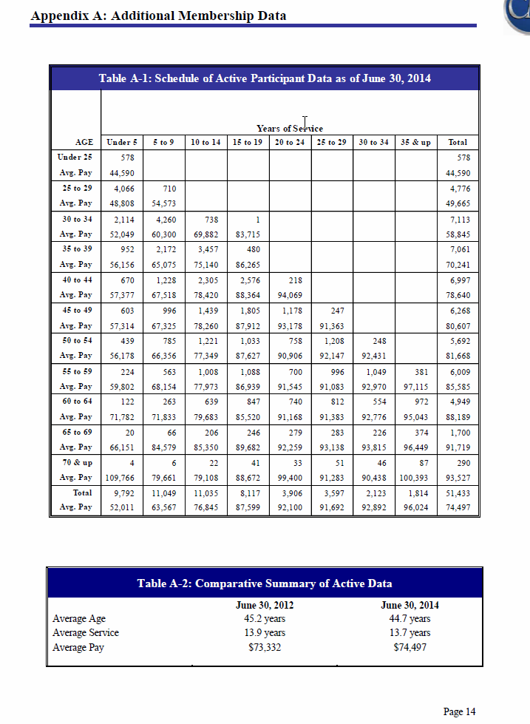

 |  |  | AGE | Under 5 | 5 to 9 | 10 to 14 | 15 to 19 | 20 to 24 | 25 to 29 | 30 to 34 | 35 & up | Total
order | type | midage | agegrp | 2 | 7 | 12 | 17 | 22 | 27 | 32 | 36 | total
1 | nactives | 24 | Under 25 | 578 |  |  |  |  |  |  |  | 578
1 | salary | 24 | Avg. Pay | 44,590 |  |  |  |  |  |  |  | 44,590
2 | nactives | 27 | 25 to 29 | 4,066 | 710 |  |  |  |  |  |  | 4,776
2 | salary | 27 | Avg. Pay | 48,808 | 54,573 |  |  |  |  |  |  | 49,665
3 | nactives | 32 | 30 to 34 | 2,114 | 4,260 | 738 | 1 |  |  |  |  | 7,113
3 | salary | 32 | Avg. Pay | 52,049 | 60,300 | 69,882 | 83,715 |  |  |  |  | 58,845
4 | nactives | 37 | 35 to 39 | 952 | 2,172 | 3,457 | 480 |  |  |  |  | 7,061
4 | salary | 37 | Avg. Pay | 56,156 | 65,075 | 75,140 | 86,265 |  |  |  |  | 70,241
5 | nactives | 42 | 40 to 44 | 670 | 1,228 | 2,305 | 2,576 | 218 |  |  |  | 6,997
5 | salary | 42 | Avg. Pay | 57,377 | 67,518 | 78,420 | 88,364 | 94,069 |  |  |  | 78,640
6 | nactives | 47 | 45 to 49 | 603 | 996 | 1,439 | 1,805 | 1,178 | 247 |  |  | 6,268
6 | salary | 47 | Avg. Pay | 57,314 | 67,325 | 78,260 | 87,912 | 93,178 | 91,363 |  |  | 80,607
7 | nactives | 52 | 50 to 54 | 439 | 785 | 1,221 | 1,033 | 758 | 1,208 | 248 |  | 5,692
7 | salary | 52 | Avg. Pay | 56,178 | 66,356 | 77,349 | 87,627 | 90,906 | 92,147 | 92,431 |  | 81,668
8 | nactives | 57 | 55 to 59 | 224 | 563 | 1,008 | 1,088 | 700 | 996 | 1,049 | 381 | 6,009
8 | salary | 57 | Avg. Pay | 59,802 | 68,154 | 77,973 | 86,939 | 91,545 | 91,083 | 92,970 | 97,115 | 85,585
9 | nactives | 62 | 60 to 64 | 122 | 263 | 639 | 847 | 740 | 812 | 554 | 972 | 4,949
9 | salary | 62 | Avg. Pay | 71,782 | 71,833 | 79,683 | 85,520 | 91,168 | 91,383 | 92,776 | 95,043 | 88,189
10 | nactives | 67 | 65 to 69 | 20 | 66 | 206 | 246 | 279 | 283 | 226 | 374 | 1,700
10 | salary | 67 | Avg. Pay | 66,151 | 84,579 | 85,350 | 89,682 | 92,259 | 93,138 | 93,815 | 96,449 | 91,719
11 | nactives | 72 | 70 & up | 4 | 6 | 22 | 41 | 33 | 51 | 46 | 87 | 290
11 | salary | 72 | Avg. Pay | 109,766 | 79,661 | 79,108 | 88,672 | 99,400 | 91,283 | 90,438 | 100,393 | 93,527
13 | nactives | total | Total | 9,792 | 11,049 | 11,035 | 8,117 | 3,906 | 3,597 | 2,123 | 1,814 | 51,433
13 | salary | total | Avg. Pay | 52,011 | 63,567 | 76,845 | 87,599 | 92,100 | 91,692 | 92,892 | 96,024 | 74,497

CT-TRS.Retirees
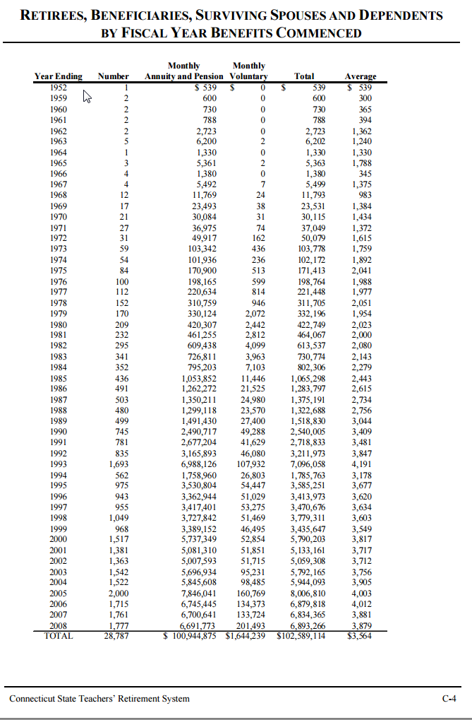
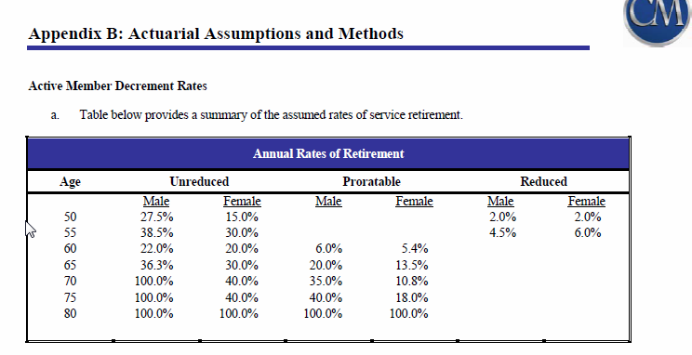
TOC
The 2014, 2012 and 2010 CT TRS AVs do NOT have information on # beneficiaries by age!
There is an undated table on the website (http://www.ct.gov/trb/lib/trb/formsandpubs/BRFC_063008.pdf) on benefits by FY commenced (see to the right)
We could assume that (a) it is as of FY 2008, and (b) people all retired when allowed to
The 2010 experience study does not appear to provide needed information.
The 2014 retiree health plan AV does not appear to provide the needed information.
There does not appear to be a CAFR on the website
The CT report on GASB 67 does not appear to have it: http://www.ct.gov/trb/lib/trb/formsandpubs/CTRB_GASB_67_2014.pdf

CT-TRS.SalGrowHist
TOC
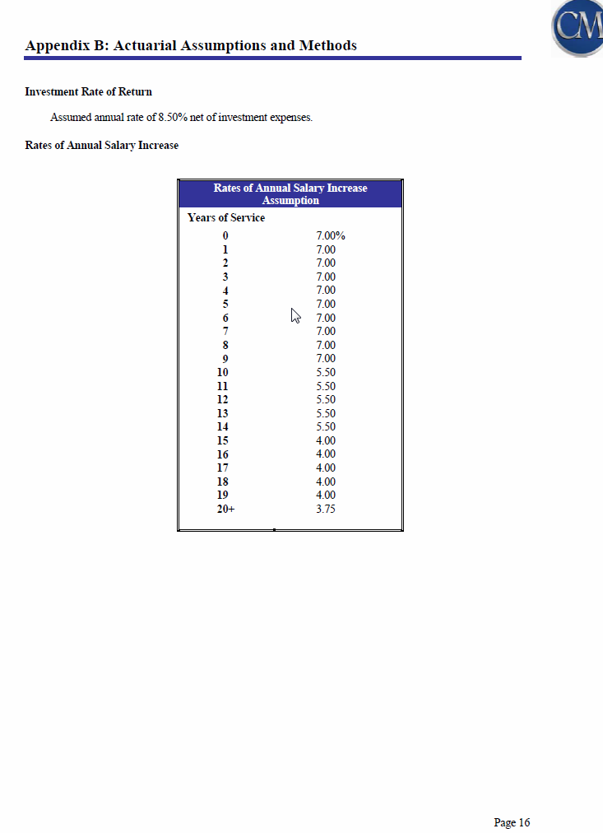

 | yos | rate
0 | 0 | 0.0700
1 | 1 | 0.0700
2 | 2 | 0.0700
3 | 3 | 0.0700
4 | 4 | 0.0700
5 | 5 | 0.0700
6 | 6 | 0.0700
7 | 7 | 0.0700
8 | 8 | 0.0700
9 | 9 | 0.0700
10 | 10 | 0.0550
11 | 11 | 0.0550
12 | 12 | 0.0550
13 | 13 | 0.0550
14 | 14 | 0.0550
15 | 15 | 0.0400
16 | 16 | 0.0400
17 | 17 | 0.0400
18 | 18 | 0.0400
19 | 19 | 0.0400
20+ | 20 | 0.0375

LA-TRS.Actives
TOC

 |  |  | MEMBERSHIP PROFILE TRS RETIREMENT SYSTEM
 |  |  | CATEGORIZED BY AGE AND YEARS EMPLOYED ALL ACTIVE MEMBERS

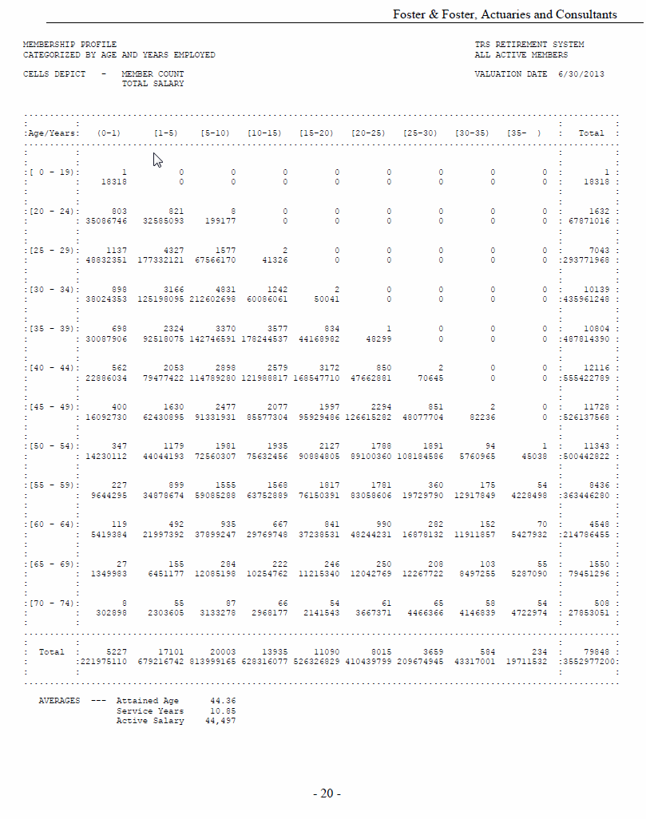
 |  |  | CELLS DEPICT - MEMBER COUNT VALUATION DATE 6/30/2013
 |  |  | TOTAL SALARY
 |  |  | Age/Years |  | (0-1) | [1-5) | [5-10) | [10-15) | [15-20) | [20-25) | [25-30) | [30-35) | [35- ) | Total
order | type | midage | agegrp1 | agegrp2 | 0 | 2 | 7 | 12 | 17 | 22 | 27 | 32 | 37 | total

1 | nactives | 19 | [ 0 | - 19) | 1 | - | - | - | - | - | - | - | - | 1
1 | totpay | 19 |  |  | 18,318 | - | - | - | - | - | - | - | - | 18,318

2 | nactives | 22 | [20 | - 24) | 803 | 821 | 8 | - | - | - | - | - | - | 1,632
2 | totpay | 22 |  |  | 35,086,746 | 32,585,090 | 199,177 | - | - | - | - | - | - | 67,871,016

3 | nactives | 27 | [25 | - 29) | 1,137 | 4,327 | 1,577 | 2 | - | - | - | - | - | 7,043
3 | totpay | 27 |  |  | 48,832,351 | 177,332,100 | 67,566,170 | 41,326 | - | - | - | - | - | 293,771,968

4 | nactives | 32 | [30 | - 34) | 898 | 3,166 | 4,831 | 1,242 | 2 | - | - | - | - | 10,139
4 | totpay | 32 |  |  | 38,024,353 | 125,198,100 | 212,602,698 | 60,086,061 | 50,041 | - | - | - | - | 435,961,248

5 | nactives | 37 | [35 | - 39) | 698 | 2,324 | 3,370 | 3,577 | 834 | 1 | - | - | - | 10,804
5 | totpay | 37 |  |  | 30,087,906 | 92,518,080 | 142,746,591 | 178,244,537 | 44,168,982 | 48,299 | - | - | - | 487,814,390

6 | nactives | 42 | [40 | - 44) | 562 | 2,053 | 2,898 | 2,579 | 3,172 | 850 | 2 | - | - | 12,116
6 | totpay | 42 |  |  | 22,886,034 | 79,477,420 | 114,789,280 | 121,988,817 | 168,547,710 | 47,662,881 | 70,645 | - | - | 555,422,789

7 | nactives | 47 | [45 | - 49) | 400 | 1,630 | 2,477 | 2,077 | 1,997 | 2,294 | 851 | 2 | - | 11,728
7 | totpay | 47 |  |  | 16,092,730 | 62,430,900 | 91,331,931 | 85,577,304 | 95,929,486 | 126,615,282 | 48,077,704 | 82,236 | - | 526,137,568

8 | nactives | 52 | [50 | - 54) | 347 | 1,179 | 1,981 | 1,935 | 2,127 | 1,788 | 1,891 | 94 | 1 | 11,343
8 | totpay | 52 |  |  | 14,230,112 | 44,044,190 | 72,560,307 | 75,632,456 | 90,884,805 | 89,100,360 | 108,184,586 | 5,760,965 | 45,038 | 500,442,822

9 | nactives | 57 | [55 | - 59) | 227 | 899 | 1,555 | 1,568 | 1,817 | 1,781 | 360 | 175 | 54 | 8,436
9 | totpay | 57 |  |  | 9,644,295 | 34,878,674 | 59,085,288 | 63,752,889 | 76,150,391 | 83,058,606 | 19,729,790 | 12,917,849 | 4,228,498 | 363,446,280

10 | nactives | 62 | [60 | - 64) | 119 | 492 | 935 | 667 | 841 | 990 | 282 | 152 | 70 | 4,548
10 | totpay | 62 |  |  | 5,419,384 | 21,997,392 | 37,899,247 | 29,769,748 | 37,238,531 | 48,244,231 | 16,878,132 | 11,911,857 | 5,427,932 | 214,786,455

11 | nactives | 67 | [65 | - 69) | 27 | 155 | 284 | 222 | 246 | 250 | 208 | 103 | 55 | 1,550
11 | totpay | 67 |  |  | 1,349,983 | 6,451,177 | 12,085,198 | 10,254,762 | 11,215,340 | 12,042,769 | 12,267,722 | 8,497,255 | 5,287,090 | 79,451,296

12 | nactives | 72 | [70 | - 74) | 8 | 55 | 87 | 66 | 54 | 61 | 65 | 58 | 54 | 508
12 | totpay | 72 |  |  | 302,898 | 2,303,605 | 3,133,278 | 2,968,177 | 2,141,543 | 3,667,371 | 4,466,366 | 4,146,839 | 4,722,974 | 27,853,051

13 | nactives | total | Total |  | 5,227 | 17,101 | 20,003 | 13,935 | 11,090 | 8,015 | 3,659 | 584 | 234 | 79,848
13 | totpay | total |  |  | 221,975,110 | 679,216,742 | 813,999,165 | 628,316,077 | 526,326,829 | 410,439,799 | 209,674,945 | 43,317,001 | 19,711,532 | 3,552,977,200

 |  |  | AVERAGES |  |  | --- Attained Age | 44.36
 |  |  |  |  |  | Service Years | 10.85
 |  |  |  |  |  | Active Salary | 44497

 |  |  |  |  | 5,227 | 17,101 | 20,003 | 13,935 | 11,090 | 8,015 | 3,659 | 584 | 234 | 79,848
 |  |  |  |  | 221,975,110 | 679,216,728 | 813,999,165 | 628,316,077 | 526,326,829 | 410,439,799 | 209,674,945 | 43,317,001 | 19,711,532 | 3,552,977,201

 |  |  |  |  | - | - | - | - | - | - | - | - | - | -
 |  |  |  |  | - | (14) | - | - | - | - | - | - | - | 1

LA-TRS.Retirees
TOC

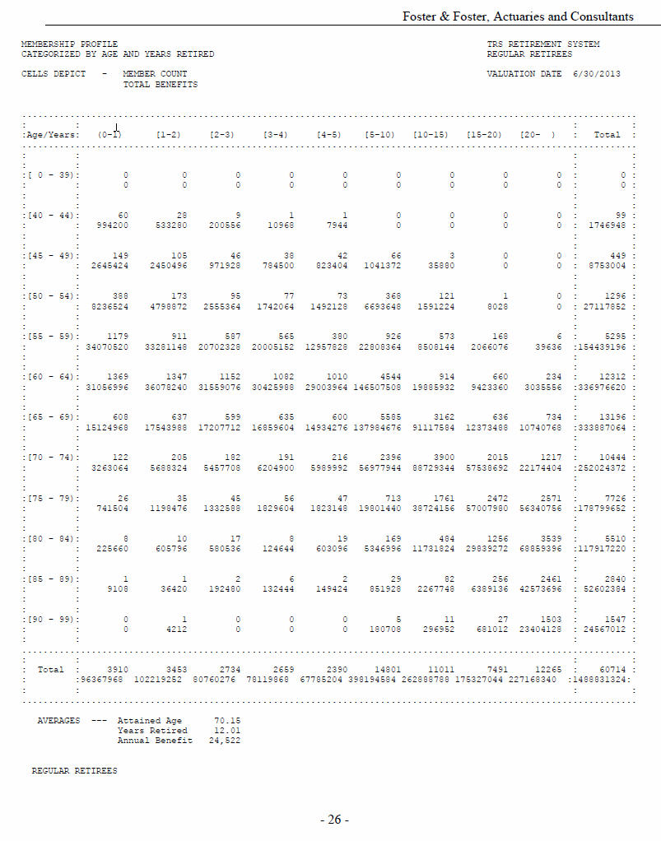
 |  |  | Age/Years |  | (0-1) | [1-2) | [2-3) | [3-4) | [4-5) | [5-10) | [10-15) | [15-20) | [20- ) | Total
order | type | midage | agegrp1 | agegrp2 | 0 | 1 | 2 | 3 | 4 | 7 | 12 | 13 | 22 | total
1 | nretirees | 39 | [ 0 | - 39) | - | - | - | - | - | - | - | - | - | -
1 | totbenefit | 39 |  |  | - | - | - | - | - | - | - | - | - | -

2 | nretirees | 42 | [40 | - 44) | 60 | 28 | 9 | 1 | 1 | - | - | - | - | 99
2 | totbenefit | 42 |  |  | 994,200 | 533,280 | 200,556 | 10,968 | 7,944 | - | - | - | - | 1,746,948

3 | nretirees | 47 | [45 | - 49) | 149 | 105 | 46 | 38 | 42 | 66 | 3 | - | - | 449
3 | totbenefit | 47 |  |  | 2,645,424 | 2,450,496 | 971,928 | 784,500 | 823,404 | 1,041,372 | 35,880 | - | - | 8,753,004

4 | nretirees | 52 | [50 | - 54) | 388 | 173 | 95 | 77 | 73 | 368 | 121 | 1 | - | 1,296
4 | totbenefit | 52 |  |  | 8,236,524 | 4,798,872 | 2,555,364 | 1,742,064 | 1,492,128 | 6,693,648 | 1,591,224 | 8,028 | - | 27,117,852

5 | nretirees | 57 | [55 | - 59) | 1,179 | 911 | 587 | 565 | 380 | 926 | 573 | 168 | 6 | 5,295
5 | totbenefit | 57 |  |  | 34,070,520 | 33,281,148 | 20,702,328 | 20,005,152 | 12,957,828 | 22,808,364 | 8,508,144 | 2,066,076 | 39,636 | 154,439,196

6 | nretirees | 62 | [60 | - 64) | 1,369 | 1,347 | 1,152 | 1,082 | 1,010 | 4,544 | 914 | 660 | 234 | 12,312
6 | totbenefit | 62 |  |  | 31,056,996 | 36,078,240 | 31,559,076 | 30,425,988 | 29,003,964 | 146,507,508 | 19,885,932 | 9,423,360 | 3,035,556 | 336,976,620

7 | nretirees | 67 | [65 | - 69) | 608 | 637 | 599 | 635 | 600 | 5,585 | 3,162 | 636 | 734 | 13,196
7 | totbenefit | 67 |  |  | 15,124,968 | 17,543,988 | 17,207,712 | 16,859,604 | 14,934,276 | 137,984,676 | 91,117,584 | 12,373,488 | 10,740,768 | 333,887,064

8 | nretirees | 72 | [70 | - 74) | 122 | 205 | 182 | 191 | 216 | 2,396 | 3,900 | 2,015 | 1,217 | 10,444
8 | totbenefit | 72 |  |  | 3,263,064 | 5,688,324 | 5,457,708 | 6,204,900 | 5,989,992 | 56,977,944 | 88,729,344 | 57,538,692 | 22,174,404 | 252,024,372

9 | nretirees | 77 | [75 | - 79) | 26 | 35 | 45 | 56 | 47 | 713 | 1,761 | 2,472 | 2,571 | 7,726
9 | totbenefit | 77 |  |  | 741,504 | 1,198,476 | 1,332,588 | 1,829,604 | 1,823,148 | 19,801,440 | 38,724,156 | 57,007,980 | 56,340,756 | 178,799,652

10 | nretirees | 82 | [80 | - 84) | 8 | 10 | 17 | 8 | 19 | 169 | 484 | 1,256 | 3,539 | 5,510
10 | totbenefit | 82 |  |  | 225,660 | 605,796 | 580,536 | 124,644 | 603,096 | 5,346,996 | 11,731,824 | 29,839,272 | 68,859,396 | 117,917,220

11 | nretirees | 87 | [85 | - 89) | 1 | 1 | 2 | 6 | 2 | 29 | 82 | 256 | 2,461 | 2,840
11 | totbenefit | 87 |  |  | 9,108 | 36,420 | 192,480 | 132,444 | 149,424 | 851,928 | 2,267,748 | 6,389,136 | 42,573,696 | 52,602,384

12 | nretirees | 92 | [90 | - 99) | - | 1 | - | - | - | 5 | 11 | 27 | 1,503 | 1,547
12 | totbenefit | 92 |  |  | - | 4,212 | - | - | - | 180,708 | 296,952 | 681,012 | 23,404,128 | 24,567,012

13 | nretirees | total | Total |  | 3,910 | 3,453 | 2,734 | 2,659 | 2,390 | 14,801 | 11,011 | 7,491 | 12,265 | 60,714
13 | totbenefit | total |  |  | 96,367,968 | 102,219,252 | 80,760,276 | 78,119,868 | 67,785,204 | 398,194,584 | 262,888,788 | 175,327,044 | 227,168,340 | 1,488,831,324

 |  |  | AVERAGES --- Attained Age 70.15
 |  |  | Years Retired 12.01
 |  |  | Annual Benefit 24,522

 |  |  | REGULAR RETIREES

LA-TRS.SalGrowHist
TOC

Use teacher salary increase rates. Note that this is yos based while some other tables are age based
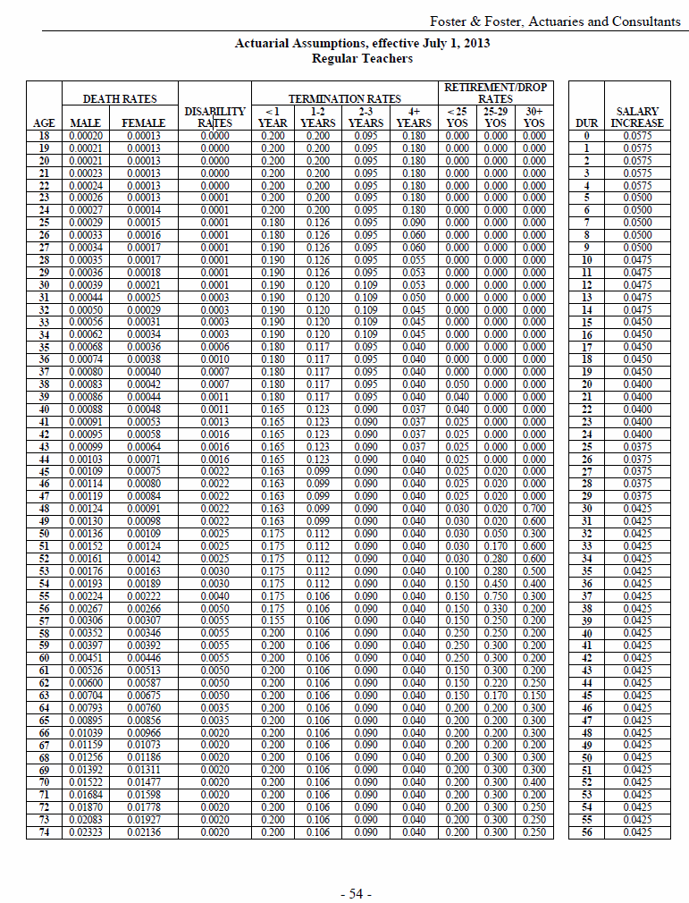
Salary growth
yos | rate
0 | 0.0575
1 | 0.0575
2 | 0.0575
3 | 0.0575
4 | 0.0575
5 | 0.0500
6 | 0.0500
7 | 0.0500
8 | 0.0500
9 | 0.0500
10 | 0.0475
11 | 0.0475
12 | 0.0475
13 | 0.0475
14 | 0.0475
15 | 0.0450
16 | 0.0450
17 | 0.0450
18 | 0.0450
19 | 0.0450
20 | 0.0400
21 | 0.0400
22 | 0.0400
23 | 0.0400
24 | 0.0400
25 | 0.0375
26 | 0.0375
27 | 0.0375
28 | 0.0375
29 | 0.0375
30 | 0.0425
31 | 0.0425
32 | 0.0425
33 | 0.0425
34 | 0.0425
35 | 0.0425
36 | 0.0425
37 | 0.0425
38 | 0.0425
39 | 0.0425
40 | 0.0425
41 | 0.0425
42 | 0.0425
43 | 0.0425
44 | 0.0425
45 | 0.0425
46 | 0.0425
47 | 0.0425
48 | 0.0425
49 | 0.0425
50 | 0.0425
51 | 0.0425
52 | 0.0425
53 | 0.0425
54 | 0.0425
55 | 0.0425
56 | 0.0425

PA-PSERS.Actives
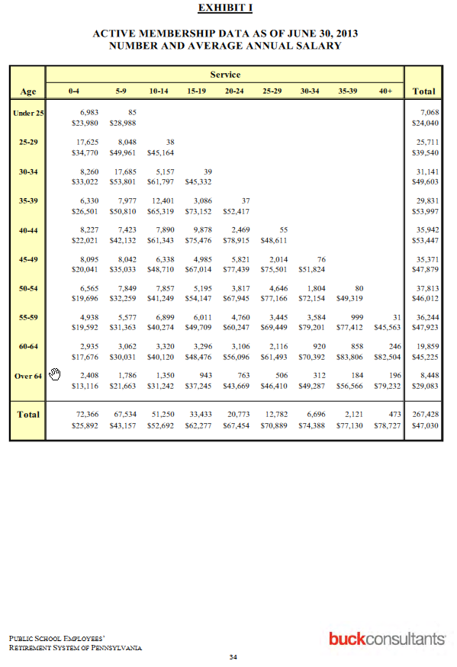
TOC
 |  |  |  | NOTE THAT I will have to adjust data to ensure that ea is in the 20:70 range
Actives
 |  |  |  | 0-4 | 5-9 | 10-14 | 15-19 | 20-24 | 25-29 | 30-34 | 35-39 | 40+
order | type | midage | agegrp | 2 | 7 | 12 | 17 | 22 | 27 | 32 | 37 | 42
1 | nactives | 24 | Under 25 | 6,983 | 85
1 | salary | 24 | Under 25 | $23,980 | $28,988
2 | nactives | 27 | 25-29 | 17,625 | 8,048 | 38
2 | salary | 27 | 25-29 | $34,770 | $49,961 | $45,164
3 | nactives | 32 | 30-34 | 8,260 | 17,685 | 5,157 | 39
3 | salary | 32 | 30-34 | $33,022 | $53,801 | $61,797 | $45,332
4 | nactives | 37 | 35-39 | 6,330 | 7,977 | 12,401 | 3,086 | 37
4 | salary | 37 | 35-39 | $26,501 | $50,810 | $65,319 | $73,152 | $52,417
5 | nactives | 42 | 40-44 | 8,227 | 7,423 | 7,890 | 9,878 | 2,469 | 55
5 | salary | 42 | 40-44 | $22,021 | $42,132 | $61,343 | $75,476 | $78,915 | $48,611
6 | nactives | 47 | 45-49 | 8,095 | 8,042 | 6,338 | 4,985 | 5,821 | 2,014 | 76
6 | salary | 47 | 45-49 | $20,041 | $35,033 | $48,710 | $67,014 | $77,439 | $75,501 | $51,824
7 | nactives | 52 | 50-54 | 6,565 | 7,849 | 7,857 | 5,195 | 3,817 | 4,646 | 1,804 | 80
7 | salary | 52 | 50-54 | $19,696 | $32,259 | $41,249 | $54,147 | $67,945 | $77,166 | $72,154 | $49,319
8 | nactives | 57 | 55-59 | 4,938 | 5,577 | 6,899 | 6,011 | 4,760 | 3,445 | 3,584 | 999 | 31
8 | salary | 57 | 55-59 | $19,592 | $31,363 | $40,274 | $49,709 | $60,247 | $69,449 | $79,201 | $77,412 | $45,563
9 | nactives | 62 | 60-64 | 2,935 | 3,062 | 3,320 | 3,296 | 3,106 | 2,116 | 920 | 858 | 246
9 | salary | 62 | 60-64 | $17,676 | $30,031 | $40,120 | $48,476 | $56,096 | $61,493 | $70,392 | $83,806 | $82,504
10 | nactives | 65 | Over 64 | 2,408 | 1,786 | 1,350 | 943 | 763 | 506 | 312 | 184 | 196
10 | salary | 65 | Over 64 | $13,116 | $21,663 | $31,242 | $37,245 | $43,669 | $46,410 | $49,287 | $56,566 | $79,232

 |  |  |  | $167,452,340 | $2,463,980 | $169,916,320
 |  |  |  |  |  | 24,040.23
 |  |  |  | 6,983 | 85 | 7,068
 |  |  |  | $23,980 | $28,988

PA-PSERS.Retirees
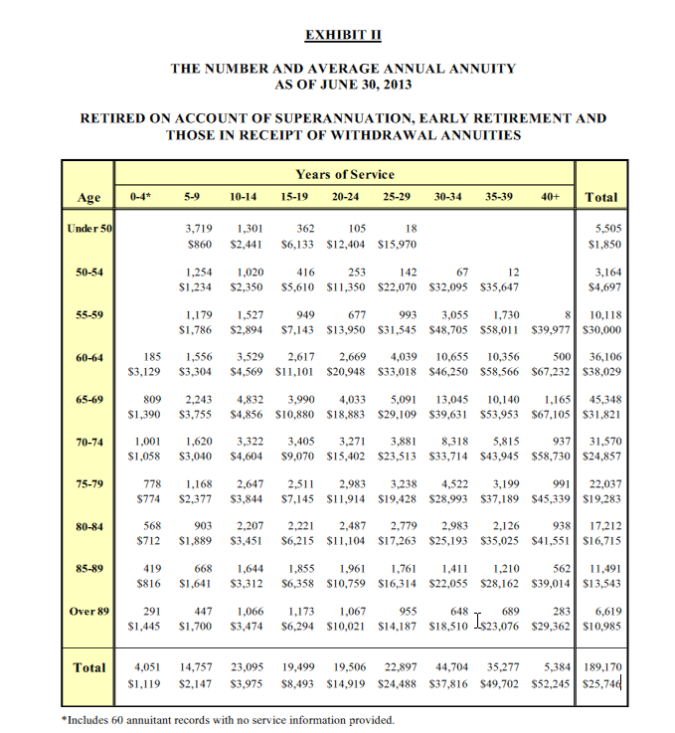
TOC
 |  |  |  | yos
 |  |  |  | 0-4 | 5-9 | 10-14 | 15-19 | 20-24 | 25-29 | 30-34 | 35-39 | 40+ | Total
order | type | midage | agegrp | 2 | 7 | 12 | 17 | 22 | 27 | 32 | 37 | 42 | total
1 | nretirees | 48 | <50 |  | 3,719 | 1,301 | 362 | 105 | 18 |  |  |  | 5,505
1 | benefit | 48 | <50 |  | $860 | $2,441 | $6,133 | $12,404 | $15,970 |  |  |  | $1,850
2 | nretirees | 52 | 50-54 |  | 1,254 | 1,020 | 416 | 253 | 142 | 67 | 12 |  | 3,164
2 | benefit | 52 | 50-54 |  | $1,234 | $2,350 | $5,610 | $11,350 | $22,070 | $32,095 | $35,647 |  | $4,697
3 | nretirees | 57 | 55-59 |  | 1,179 | 1,527 | 949 | 677 | 993 | 3,055 | 1,730 | 8 | 10,118
3 | benefit | 57 | 55-59 |  | $1,786 | $2,894 | $7,143 | $13,950 | $31,545 | $48,705 | $58,011 | $39,977 | $30,000
4 | nretirees | 62 | 60-64 | 185 | 1,556 | 3,529 | 2,617 | 2,669 | 4,039 | 10,655 | 10,356 | 500 | 36,106
4 | benefit | 62 | 60-64 | $3,129 | $3,304 | $4,569 | $11,101 | $20,948 | $33,018 | $46,250 | $58,566 | $67,232 | $38,029
5 | nretirees | 67 | 65-69 | 809 | 2,243 | 4,832 | 3,990 | 4,033 | 5,091 | 13,045 | 10,140 | 1,165 | 45,348
5 | benefit | 67 | 65-69 | $1,390 | $3,755 | $4,856 | $10,880 | $18,883 | $29,109 | $39,631 | $53,953 | $67,105 | $31,821
6 | nretirees | 72 | 70-74 | 1,001 | 1,620 | 3,322 | 3,405 | 3,271 | 3,881 | 8,318 | 5,815 | 937 | 31,570
6 | benefit | 72 | 70-74 | $1,058 | $3,040 | $4,604 | $9,070 | $15,402 | $23,513 | $33,714 | $43,945 | $58,730 | $24,857
7 | nretirees | 77 | 75-79 | 778 | 1,168 | 2,647 | 2,511 | 2,983 | 3,238 | 4,522 | 3,199 | 991 | 22,037
7 | benefit | 77 | 75-79 | $774 | $2,377 | $3,844 | $7,145 | $11,914 | $19,428 | $28,993 | $37,189 | $45,339 | $19,283
8 | nretirees | 82 | 80-84 | 568 | 903 | 2,207 | 2,221 | 2,487 | 2,779 | 2,983 | 2,126 | 938 | 17,212
8 | benefit | 82 | 80-84 | $712 | $1,889 | $3,451 | $6,215 | $11,104 | $17,263 | $25,193 | $35,025 | $41,551 | $16,715
9 | nretirees | 87 | 85-89 | 419 | 668 | 1,644 | 1,855 | 1,961 | 1,761 | 1,411 | 1,210 | 562 | 11,491
9 | benefit | 87 | 85-89 | $816 | $1,641 | $3,312 | $6,358 | $10,759 | $16,314 | $22,055 | $28,162 | $39,014 | $13,543
10 | nretirees | 90 | Over 89 | 291 | 447 | 1,066 | 1,173 | 1,067 | 955 | 648 | 689 | 283 | 6,619
10 | benefit | 90 | Over 89 | $1,445 | $1,700 | $3,474 | $6,294 | $10,021 | $14,187 | $18,510 | $23,076 | $29,362 | $10,985
11 | nretirees | total | Total | 4,051 | 14,757 | 23,095 | 19,499 | 19,506 | 22,897 | 44,704 | 35,277 | 5,384 | 189,170
11 | benefit | total | Total | $1,119 | $2,147 | $3,975 | $8,493 | $14,919 | $24,488 | $37,816 | $49,702 | $52,245 | $25,746

PA-PSERS.SalGrowHist
TOC
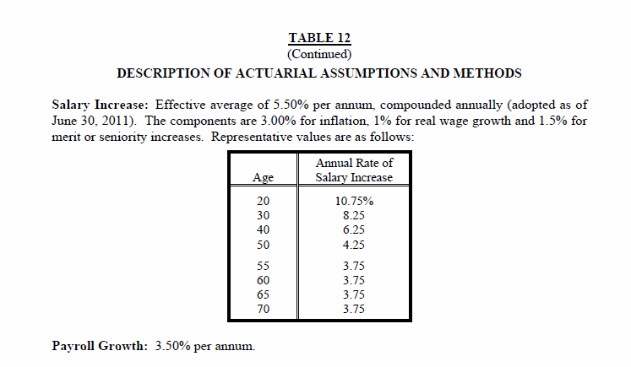
Salary growth
age | rate
20 | 0.1075
30 | 0.0825
40 | 0.0625
50 | 0.0425
55 | 0.0375
60 | 0.0375
65 | 0.0375
70 | 0.0375

