ClusterNotes
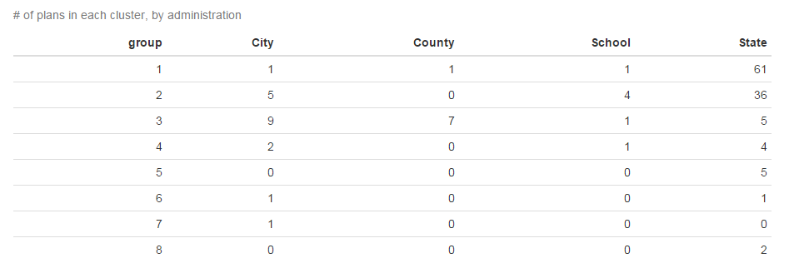
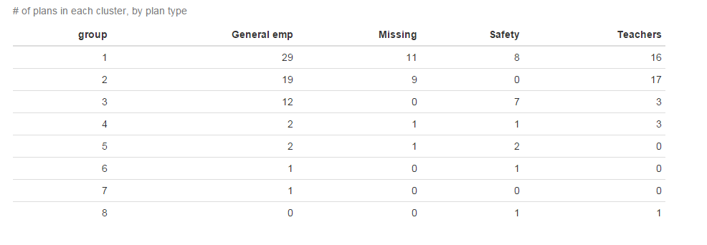
TOC

group | n
1 | 64 | 1 and 2 seem pretty similar - fairly average, underfunded plans; most teacher plans are in here
2 | 45
3 | 22 | 3 expensive relatively low outflow plans; mostly local plans
4 | 7 | 4 poorly funded high outflow mature plans with bad-behaving sponsors
5 | 5 | 5 well funded low outflow high actives plans
6 | 2 | 6 well funded low discount rate plans
8 | 2
7 | 1

AZ-SERS.Actives
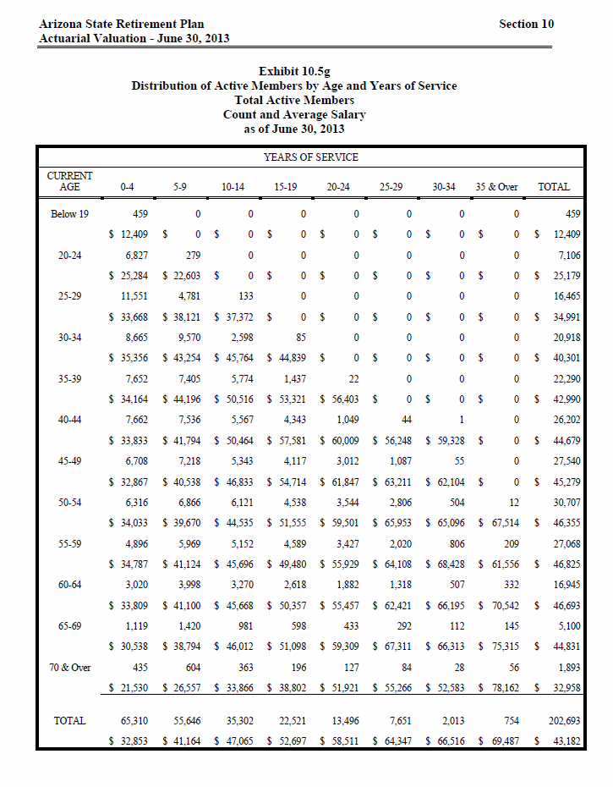
TOC
 |  |  | NOTE THAT (a) I adjusted midage for the FIRST group to be 20, and (b) I STILL will have to adjust data to ensure that ea is in the 20:70 range
 |  |  | Exhibit 10.5g
 |  |  | Distribution of Active Members by Age and Years of Service
 |  |  | Total Active Members
 |  |  | Count and Average Salary
I add 1st 3 columns |  |  | as of June 30, 2013
order | type | midage | agegrp | 2 | 7 | 12 | 17 | 22 | 27 | 32 | 36 | total
1 | nactives | 20 | Below 19 | 459 | - | - | - | - | - | - | - | 459
1 | salary | 20 |  | 12,409 | - | - | - | - | - | - | - | 12,409
2 | nactives | 22 | 20-24 | 6,827 | 279 | - | - | - | - | - | - | 7,106
2 | salary | 22 |  | 25,284 | 22,603 | - | - | - | - | - | - | 25,179
3 | nactives | 27 | 25-29 | 11,551 | 4,781 | 133 | - | - | - | - | - | 16,465
3 | salary | 27 |  | 33,668 | 38,121 | 37,372 | - | - | - | - | - | 34,991
4 | nactives | 32 | 30-34 | 8,665 | 9,570 | 2,598 | 85 | - | - | - | - | 20,918
4 | salary | 32 |  | 35,356 | 43,254 | 45,764 | 44,839 | - | - | - | - | 40,301
5 | nactives | 37 | 35-39 | 7,652 | 7,405 | 5,774 | 1,437 | 22 | - | - | - | 22,290
5 | salary | 37 |  | 34,164 | 44,196 | 50,516 | 53,321 | 56,403 | - | - | - | 42,990
6 | nactives | 42 | 40-44 | 7,662 | 7,536 | 5,567 | 4,343 | 1,049 | 44 | 1 | - | 26,202
6 | salary | 42 |  | 33,833 | 41,794 | 50,464 | 57,581 | 60,009 | 56,248 | 59,328 | - | 44,679
7 | nactives | 47 | 45-49 | 6,708 | 7,218 | 5,343 | 4,117 | 3,012 | 1,087 | 55 | - | 27,540
7 | salary | 47 |  | 32,867 | 40,538 | 46,833 | 54,714 | 61,847 | 63,211 | 62,104 | - | 45,279
8 | nactives | 52 | 50-54 | 6,316 | 6,866 | 6,121 | 4,538 | 3,544 | 2,806 | 504 | 12 | 30,707
8 | salary | 52 |  | 34,033 | 39,670 | 44,535 | 51,555 | 59,501 | 65,953 | 65,096 | 67,514 | 46,355
9 | nactives | 57 | 55-59 | 4,896 | 5,969 | 5,152 | 4,589 | 3,427 | 2,020 | 806 | 209 | 27,068
9 | salary | 57 |  | 34,787 | 41,124 | 45,696 | 49,480 | 55,929 | 64,108 | 68,428 | 61,556 | 46,825
10 | nactives | 62 | 60-64 | 3,020 | 3,998 | 3,270 | 2,618 | 1,882 | 1,318 | 507 | 332 | 16,945
10 | salary | 62 |  | 33,809 | 41,100 | 45,668 | 50,357 | 55,457 | 62,421 | 66,195 | 70,542 | 46,693
11 | nactives | 67 | 65-69 | 1,119 | 1,420 | 981 | 598 | 433 | 292 | 112 | 145 | 5,100
11 | salary | 67 |  | 30,538 | 38,794 | 46,012 | 51,098 | 59,309 | 67,311 | 66,313 | 75,315 | 44,831
12 | nactives | 72 | 70 & Over | 435 | 604 | 363 | 196 | 127 | 84 | 28 | 56 | 1,893
12 | salary | 72 |  | 21,530 | 26,557 | 33,866 | 38,802 | 51,921 | 55,266 | 52,583 | 78,162 | 32,958
13 | nactives | total | TOTAL | 65,310 | 55,646 | 35,302 | 22,521 | 13,496 | 7,651 | 2,013 | 754 | 202,693
13 | salary | total |  | 32,853 | 41,164 | 47,065 | 52,697 | 58,511 | 64,347 | 66,516 | 69,487 | 43,182

AZ-SERS.Retirees
TOC
 |  |  | Note that this is a monthly annuity so the prototype preparation program will need to multiply by 12.
 |  |  | Retirees
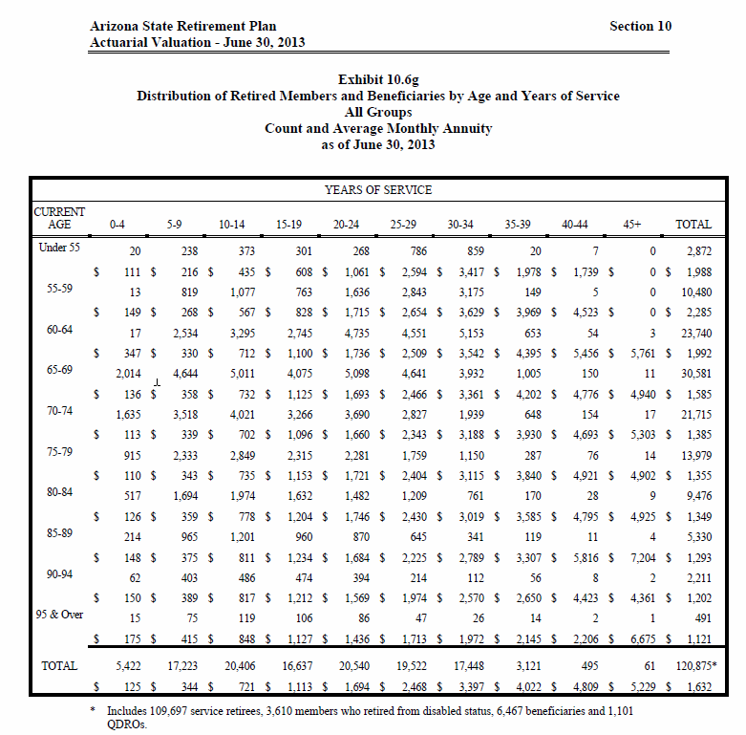
 |  |  | Exhibit 10.6g
 |  |  | Distribution of Retired Members and Beneficiaries by Age and Years of Service
 |  |  | All Groups
 |  |  | Count and Average Monthly Annuity
 |  |  | as of June 30, 2013
order | type | midage | agegrp | 2 | 7 | 12 | 17 | 22 | 27 | 32 | 37 | 42 | 46 | total
1 | nretirees | 54 | Under 55 | 20 | 238 | 373 | 301 | 268 | 786 | 859 | 20 | 7 | 0 | 2872
1 | benefit | 54 |  | 111 | 216 | 435 | 608 | 1061 | 2594 | 3417 | 1978 | 1739 | 0 | 1988
2 | nretirees | 57 | 55-59 | 13 | 819 | 1077 | 763 | 1636 | 2843 | 3175 | 149 | 5 | 0 | 10480
2 | benefit | 57 |  | 149 | 268 | 567 | 828 | 1715 | 2654 | 3629 | 3969 | 4523 | 0 | 2285
3 | nretirees | 62 | 60-64 | 17 | 2534 | 3295 | 2745 | 4735 | 4551 | 5153 | 653 | 54 | 3 | 23740
3 | benefit | 62 |  | 347 | 330 | 712 | 1100 | 1736 | 2509 | 3542 | 4395 | 5456 | 5761 | 1992
4 | nretirees | 67 | 65-69 | 2014 | 4644 | 5011 | 4075 | 5098 | 4641 | 3932 | 1005 | 150 | 11 | 30581
4 | benefit | 67 |  | 136 | 358 | 732 | 1125 | 1693 | 2466 | 3361 | 4202 | 4776 | 4940 | 1585
5 | nretirees | 72 | 70-74 | 1635 | 3518 | 4021 | 3266 | 3690 | 2827 | 1939 | 648 | 154 | 17 | 21715
5 | benefit | 72 |  | 113 | 339 | 702 | 1096 | 1660 | 2343 | 3188 | 3930 | 4693 | 5303 | 1385
6 | nretirees | 77 | 75-79 | 915 | 2333 | 2849 | 2315 | 2281 | 1759 | 1150 | 287 | 76 | 14 | 13979
6 | benefit | 77 |  | 110 | 343 | 735 | 1153 | 1721 | 2404 | 3115 | 3840 | 4921 | 4902 | 1355
7 | nretirees | 82 | 80-84 | 517 | 1694 | 1974 | 1632 | 1482 | 1209 | 761 | 170 | 28 | 9 | 9476
7 | benefit | 82 |  | 126 | 359 | 778 | 1204 | 1746 | 2430 | 3019 | 3585 | 4795 | 4925 | 1349
8 | nretirees | 87 | 85-89 | 214 | 965 | 1201 | 960 | 870 | 645 | 341 | 119 | 11 | 4 | 5330
8 | benefit | 87 |  | 148 | 375 | 811 | 1234 | 1684 | 2225 | 2789 | 3307 | 5816 | 7204 | 1293
9 | nretirees | 92 | 90-94 | 62 | 403 | 486 | 474 | 394 | 214 | 112 | 56 | 8 | 2 | 2211
9 | benefit | 92 |  | 150 | 389 | 817 | 1212 | 1569 | 1974 | 2570 | 2650 | 4423 | 4361 | 1202
10 | nretirees | 96 | 95 & Over | 15 | 75 | 119 | 106 | 86 | 47 | 26 | 14 | 2 | 1 | 491
10 | benefit | 96 |  | 175 | 415 | 848 | 1127 | 1436 | 1713 | 1972 | 2145 | 2206 | 6675 | 1121
11 | nretirees | total | TOTAL | 5422 | 17223 | 20406 | 16637 | 20540 | 19522 | 17448 | 3121 | 495 | 61 | 120,875
11 | benefit | total |  | 125 | 344 | 721 | 1113 | 1694 | 2468 | 3397 | 4022 | 4809 | 5229 | 1632

 |  |  | * Includes 109,697 service retirees, 3,610 members who retired from disabled status, 6,467 beneficiaries and 1,101 QDROs

AZ-SERS.SalGrowHist
TOC

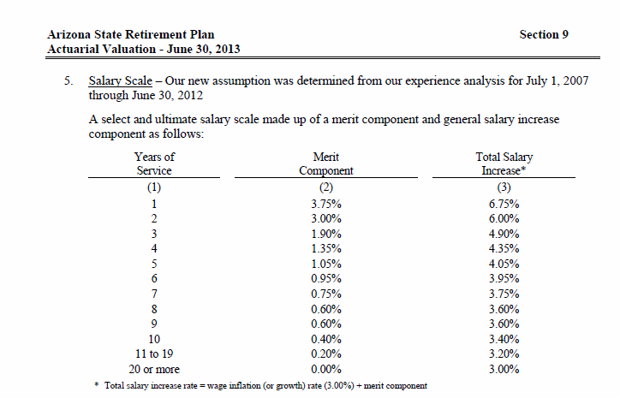
 | Salary growth
 | yos | rate
 | 1 | 0.0675
 | 2 | 0.0600
 | 3 | 0.0490
 | 4 | 0.0435
 | 5 | 0.0405
 | 6 | 0.0395
 | 7 | 0.0375
 | 8 | 0.0360
 | 9 | 0.0360
 | 10 | 0.0340
 | 11-19 | 0.0320
 | 20+ | 0.0300

PA-PSERS.Actives
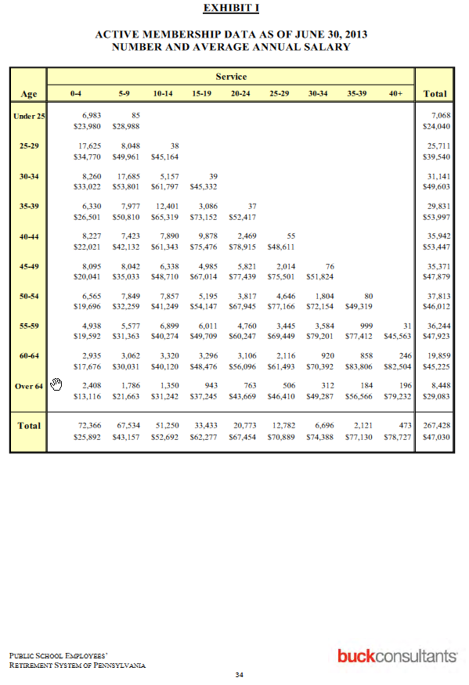
TOC
 |  |  |  | NOTE THAT I will have to adjust data to ensure that ea is in the 20:70 range
Actives
 |  |  |  | 0-4 | 5-9 | 10-14 | 15-19 | 20-24 | 25-29 | 30-34 | 35-39 | 40+
order | type | midage | agegrp | 2 | 7 | 12 | 17 | 22 | 27 | 32 | 37 | 42
1 | nactives | 24 | Under 25 | 6,983 | 85
1 | salary | 24 | Under 25 | $23,980 | $28,988
2 | nactives | 27 | 25-29 | 17,625 | 8,048 | 38
2 | salary | 27 | 25-29 | $34,770 | $49,961 | $45,164
3 | nactives | 32 | 30-34 | 8,260 | 17,685 | 5,157 | 39
3 | salary | 32 | 30-34 | $33,022 | $53,801 | $61,797 | $45,332
4 | nactives | 37 | 35-39 | 6,330 | 7,977 | 12,401 | 3,086 | 37
4 | salary | 37 | 35-39 | $26,501 | $50,810 | $65,319 | $73,152 | $52,417
5 | nactives | 42 | 40-44 | 8,227 | 7,423 | 7,890 | 9,878 | 2,469 | 55
5 | salary | 42 | 40-44 | $22,021 | $42,132 | $61,343 | $75,476 | $78,915 | $48,611
6 | nactives | 47 | 45-49 | 8,095 | 8,042 | 6,338 | 4,985 | 5,821 | 2,014 | 76
6 | salary | 47 | 45-49 | $20,041 | $35,033 | $48,710 | $67,014 | $77,439 | $75,501 | $51,824
7 | nactives | 52 | 50-54 | 6,565 | 7,849 | 7,857 | 5,195 | 3,817 | 4,646 | 1,804 | 80
7 | salary | 52 | 50-54 | $19,696 | $32,259 | $41,249 | $54,147 | $67,945 | $77,166 | $72,154 | $49,319
8 | nactives | 57 | 55-59 | 4,938 | 5,577 | 6,899 | 6,011 | 4,760 | 3,445 | 3,584 | 999 | 31
8 | salary | 57 | 55-59 | $19,592 | $31,363 | $40,274 | $49,709 | $60,247 | $69,449 | $79,201 | $77,412 | $45,563
9 | nactives | 62 | 60-64 | 2,935 | 3,062 | 3,320 | 3,296 | 3,106 | 2,116 | 920 | 858 | 246
9 | salary | 62 | 60-64 | $17,676 | $30,031 | $40,120 | $48,476 | $56,096 | $61,493 | $70,392 | $83,806 | $82,504
10 | nactives | 65 | Over 64 | 2,408 | 1,786 | 1,350 | 943 | 763 | 506 | 312 | 184 | 196
10 | salary | 65 | Over 64 | $13,116 | $21,663 | $31,242 | $37,245 | $43,669 | $46,410 | $49,287 | $56,566 | $79,232

 |  |  |  | $167,452,340 | $2,463,980 | $169,916,320
 |  |  |  |  |  | 24,040.23
 |  |  |  | 6,983 | 85 | 7,068
 |  |  |  | $23,980 | $28,988

PA-PSERS.Retirees
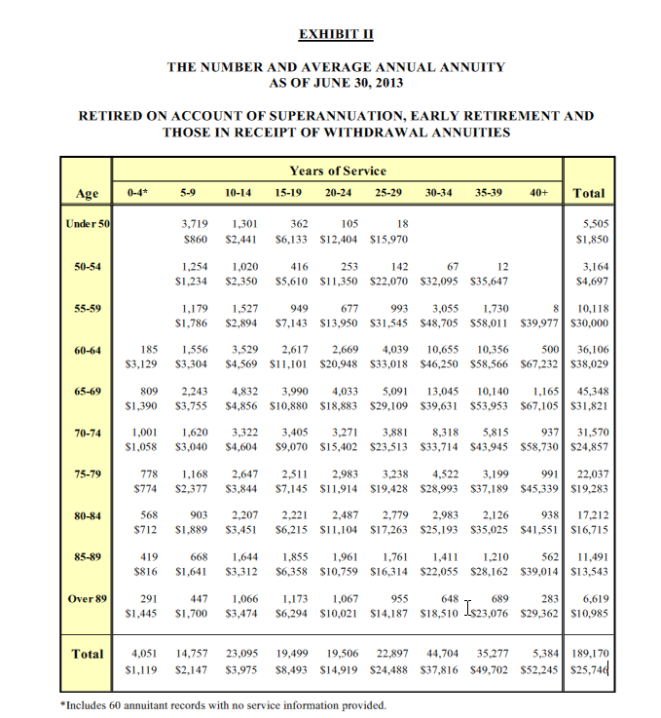
TOC
 |  |  |  | yos
 |  |  |  | 0-4 | 5-9 | 10-14 | 15-19 | 20-24 | 25-29 | 30-34 | 35-39 | 40+ | Total
order | type | midage | agegrp | 2 | 7 | 12 | 17 | 22 | 27 | 32 | 37 | 42 | total
1 | nretirees | 48 | <50 |  | 3,719 | 1,301 | 362 | 105 | 18 |  |  |  | 5,505
1 | benefit | 48 | <50 |  | $860 | $2,441 | $6,133 | $12,404 | $15,970 |  |  |  | $1,850
2 | nretirees | 52 | 50-54 |  | 1,254 | 1,020 | 416 | 253 | 142 | 67 | 12 |  | 3,164
2 | benefit | 52 | 50-54 |  | $1,234 | $2,350 | $5,610 | $11,350 | $22,070 | $32,095 | $35,647 |  | $4,697
3 | nretirees | 57 | 55-59 |  | 1,179 | 1,527 | 949 | 677 | 993 | 3,055 | 1,730 | 8 | 10,118
3 | benefit | 57 | 55-59 |  | $1,786 | $2,894 | $7,143 | $13,950 | $31,545 | $48,705 | $58,011 | $39,977 | $30,000
4 | nretirees | 62 | 60-64 | 185 | 1,556 | 3,529 | 2,617 | 2,669 | 4,039 | 10,655 | 10,356 | 500 | 36,106
4 | benefit | 62 | 60-64 | $3,129 | $3,304 | $4,569 | $11,101 | $20,948 | $33,018 | $46,250 | $58,566 | $67,232 | $38,029
5 | nretirees | 67 | 65-69 | 809 | 2,243 | 4,832 | 3,990 | 4,033 | 5,091 | 13,045 | 10,140 | 1,165 | 45,348
5 | benefit | 67 | 65-69 | $1,390 | $3,755 | $4,856 | $10,880 | $18,883 | $29,109 | $39,631 | $53,953 | $67,105 | $31,821
6 | nretirees | 72 | 70-74 | 1,001 | 1,620 | 3,322 | 3,405 | 3,271 | 3,881 | 8,318 | 5,815 | 937 | 31,570
6 | benefit | 72 | 70-74 | $1,058 | $3,040 | $4,604 | $9,070 | $15,402 | $23,513 | $33,714 | $43,945 | $58,730 | $24,857
7 | nretirees | 77 | 75-79 | 778 | 1,168 | 2,647 | 2,511 | 2,983 | 3,238 | 4,522 | 3,199 | 991 | 22,037
7 | benefit | 77 | 75-79 | $774 | $2,377 | $3,844 | $7,145 | $11,914 | $19,428 | $28,993 | $37,189 | $45,339 | $19,283
8 | nretirees | 82 | 80-84 | 568 | 903 | 2,207 | 2,221 | 2,487 | 2,779 | 2,983 | 2,126 | 938 | 17,212
8 | benefit | 82 | 80-84 | $712 | $1,889 | $3,451 | $6,215 | $11,104 | $17,263 | $25,193 | $35,025 | $41,551 | $16,715
9 | nretirees | 87 | 85-89 | 419 | 668 | 1,644 | 1,855 | 1,961 | 1,761 | 1,411 | 1,210 | 562 | 11,491
9 | benefit | 87 | 85-89 | $816 | $1,641 | $3,312 | $6,358 | $10,759 | $16,314 | $22,055 | $28,162 | $39,014 | $13,543
10 | nretirees | 90 | Over 89 | 291 | 447 | 1,066 | 1,173 | 1,067 | 955 | 648 | 689 | 283 | 6,619
10 | benefit | 90 | Over 89 | $1,445 | $1,700 | $3,474 | $6,294 | $10,021 | $14,187 | $18,510 | $23,076 | $29,362 | $10,985
11 | nretirees | total | Total | 4,051 | 14,757 | 23,095 | 19,499 | 19,506 | 22,897 | 44,704 | 35,277 | 5,384 | 189,170
11 | benefit | total | Total | $1,119 | $2,147 | $3,975 | $8,493 | $14,919 | $24,488 | $37,816 | $49,702 | $52,245 | $25,746

PA-PSERS.SalGrowHist
TOC
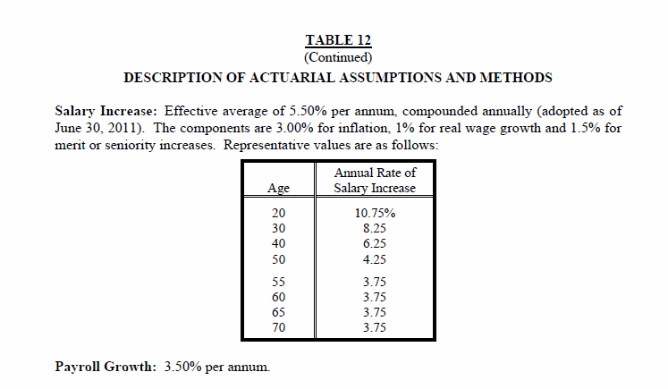
Salary growth
age | rate
20 | 0.1075
30 | 0.0825
40 | 0.0625
50 | 0.0425
55 | 0.0375
60 | 0.0375
65 | 0.0375
70 | 0.0375

