PA-PSERS
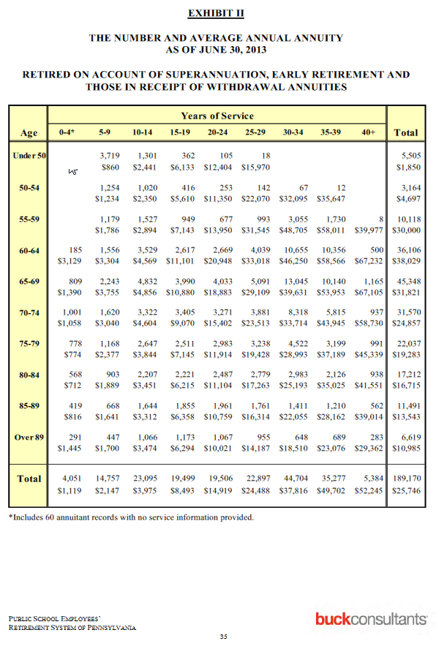
TOC
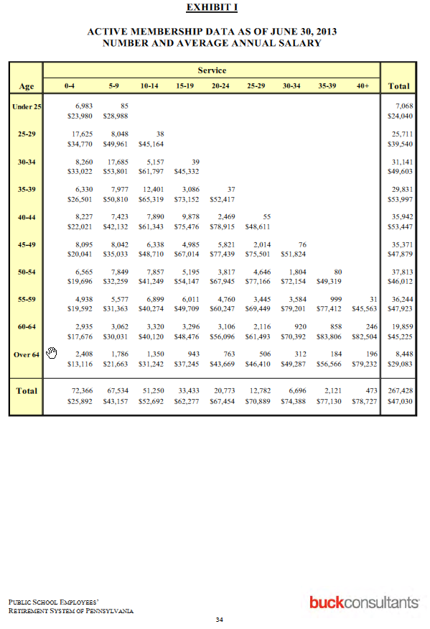
Actives |  |  | yos
 |  | age | 0-4 | 5-9 | 10-14 | 15-19 | 20-24 | 25-29 | 30-34 | 35-39 | 40+
1 | workforce | 25 | 6,983 | 85
1 | avgpay | 25 | $23,980 | $28,988
2 | workforce | 25-29 | 17,625 | 8,048 | 38
2 | avgpay | 25-29 | $34,770 | $49,961 | $45,164
3 | workforce | 30-34 | 8,260 | 17,685 | 5,157 | 39
3 | avgpay | 30-34 | $33,022 | $53,801 | $61,797 | $45,332
4 | workforce | 35-39 | 6,330 | 7,977 | 12,401 | 3,086 | 37
4 | avgpay | 35-39 | $26,501 | $50,810 | $65,319 | $73,152 | $52,417
5 | workforce | 40-44 | 8,227 | 7,423 | 7,890 | 9,878 | 2,469 | 55
5 | avgpay | 40-44 | $22,021 | $42,132 | $61,343 | $75,476 | $78,915 | $48,611
6 | workforce | 45-49 | 8,095 | 8,042 | 6,338 | 4,985 | 5,821 | 2,014 | 76
6 | avgpay | 45-49 | $20,041 | $35,033 | $48,710 | $67,014 | $77,439 | $75,501 | $51,824
7 | workforce | 50-54 | 6,565 | 7,849 | 7,857 | 5,195 | 3,817 | 4,646 | 1,804 | 80
7 | avgpay | 50-54 | $19,696 | $32,259 | $41,249 | $54,147 | $67,945 | $77,166 | $72,154 | $49,319
8 | workforce | 55-59 | 4,938 | 5,577 | 6,899 | 6,011 | 4,760 | 3,445 | 3,584 | 999 | 31
8 | avgpay | 55-59 | $19,592 | $31,363 | $40,274 | $49,709 | $60,247 | $69,449 | $79,201 | $77,412 | $45,563
9 | workforce | 60-64 | 2,935 | 3,062 | 3,320 | 3,296 | 3,106 | 2,116 | 920 | 858 | 246
9 | avgpay | 60-64 | $17,676 | $30,031 | $40,120 | $48,476 | $56,096 | $61,493 | $70,392 | $83,806 | $82,504
10 | workforce | Over 64 | 2,408 | 1,786 | 1,350 | 943 | 763 | 506 | 312 | 184 | 196
10 | avgpay | Over 64 | $13,116 | $21,663 | $31,242 | $37,245 | $43,669 | $46,410 | $49,287 | $56,566 | $79,232

Retirees |  |  | yos
 |  | age | 0-4 | 5-9 | 10-14 | 15-19 | 20-24 | 25-29 | 30-34 | 35-39 | 40+
1 | num | <50 |  | 3,719 | 1,301 | 362 | 105 | 18
1 | bens | <50 |  | $860 | $2,441 | $6,133 | $12,404 | $15,970
2 | num | 50-54 |  | 1,254 | 1,020 | 416 | 253 | 142 | 67 | 12
2 | bens | 50-54 |  | $1,234 | $2,350 | $5,610 | $11,350 | $22,070 | $32,095 | $35,647
3 | num | 55-59 |  | 1,179 | 1,527 | 949 | 677 | 993 | 3,055 | 1,730 | 8
3 | bens | 55-59 |  | $1,786 | $2,894 | $7,143 | $13,950 | $31,545 | $48,705 | $58,011 | $39,977
4 | num | 60-64 | 185 | 1,556 | 3,529 | 2,617 | 2,669 | 4,039 | 10,655 | 10,356 | 500
4 | bens | 60-64 | $3,129 | $3,304 | $4,569 | $11,101 | $20,948 | $33,018 | $46,250 | $58,566 | $67,232
5 | num | 65-69 | 809 | 2,243 | 4,832 | 3,990 | 4,033 | 5,091 | 13,045 | 10,140 | 1,165
5 | bens | 65-69 | $1,390 | $3,755 | $4,856 | $10,880 | $18,883 | $29,109 | $39,631 | $53,953 | $67,105
6 | num | 70-74 | 1,001 | 1,620 | 3,322 | 3,405 | 3,271 | 3,881 | 8,318 | 5,815 | 937
6 | bens | 70-74 | $1,058 | $3,040 | $4,604 | $9,070 | $15,402 | $23,513 | $33,714 | $43,945 | $58,730
7 | num | 75-79 | 778 | 1,168 | 2,647 | 2,511 | 2,983 | 3,238 | 4,522 | 3,199 | 991
7 | bens | 75-79 | $774 | $2,377 | $3,844 | $7,145 | $11,914 | $19,428 | $28,993 | $37,189 | $45,339
8 | num | 80-84 | 568 | 903 | 2,207 | 2,221 | 2,487 | 2,779 | 2,983 | 2,126 | 938
8 | bens | 80-84 | $712 | $1,889 | $3,451 | $6,215 | $11,104 | $17,263 | $25,193 | $35,025 | $41,551
9 | num | 85-89 | 419 | 668 | 1,644 | 1,855 | 1,961 | 1,761 | 1,411 | 1,210 | 562
9 | bens | 85-89 | $816 | $1,641 | $3,312 | $6,358 | $10,759 | $16,314 | $22,055 | $28,162 | $39,014
10 | num | Over 89 | 291 | 447 | 1,066 | 1,173 | 1,067 | 955 | 648 | 689 | 283
10 | bens | Over 89 | $1,445 | $1,700 | $3,474 | $6,294 | $10,021 | $14,187 | $18,510 | $23,076 | $29,362

PA-PSERSTargets
TOC
avgage | 44.8 | p.31
avgservice | 10.8 | p.31

age | workers | pp.42-43
17 | 12
18 | 32
19 | 137
20 | 294
21 | 387
22 | 808
23 | 2,225
24 | 3,173
25 | 4,044
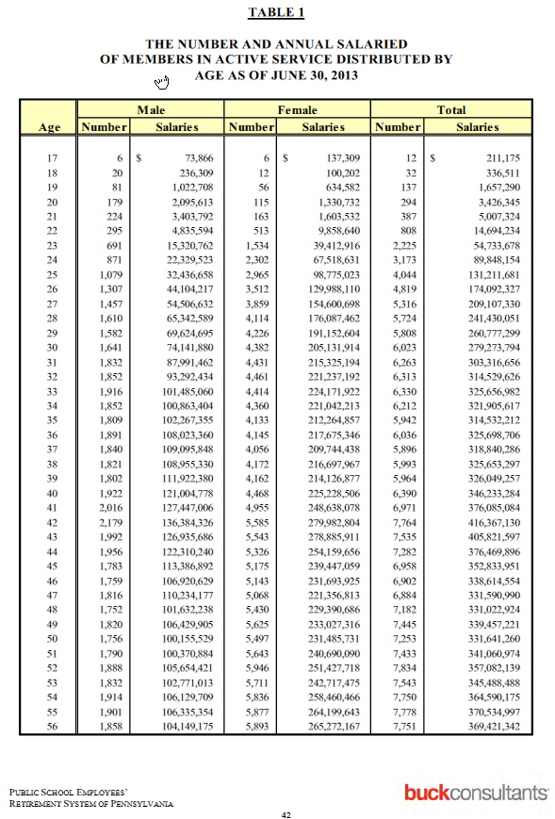
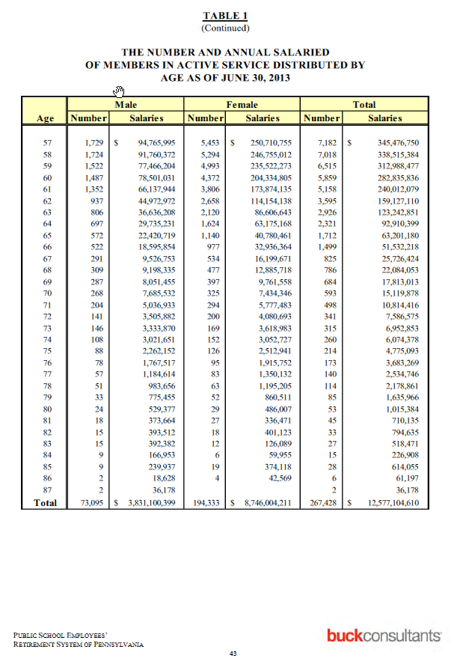
26 | 4,819
27 | 5,316
28 | 5,724
29 | 5,808
30 | 6,023
31 | 6,263
32 | 6,313
33 | 6,330
34 | 6,212
35 | 5,942
36 | 6,036
37 | 5,896
38 | 5,993
39 | 5,964
40 | 6,390
41 | 6,971
42 | 7,764
43 | 7,535
44 | 7,282
45 | 6,958
46 | 6,902
47 | 6,884
48 | 7,182
49 | 7,445
50 | 7,253
51 | 7,433
52 | 7,834
53 | 7,543
54 | 7,750
55 | 7,778
56 | 7,751
57 | 7182
58 | 7018
59 | 6515
60 | 5859
61 | 5158
62 | 3595
63 | 2926
64 | 2321
65 | 1712
66 | 1499
67 | 825
68 | 786
69 | 684
70 | 593
71 | 498
72 | 341
73 | 315
74 | 260
75 | 214
76 | 173
77 | 140
78 | 114
79 | 85
80 | 53
81 | 45
82 | 33
83 | 27
84 | 15
85 | 28
86 | 6
87 | 2
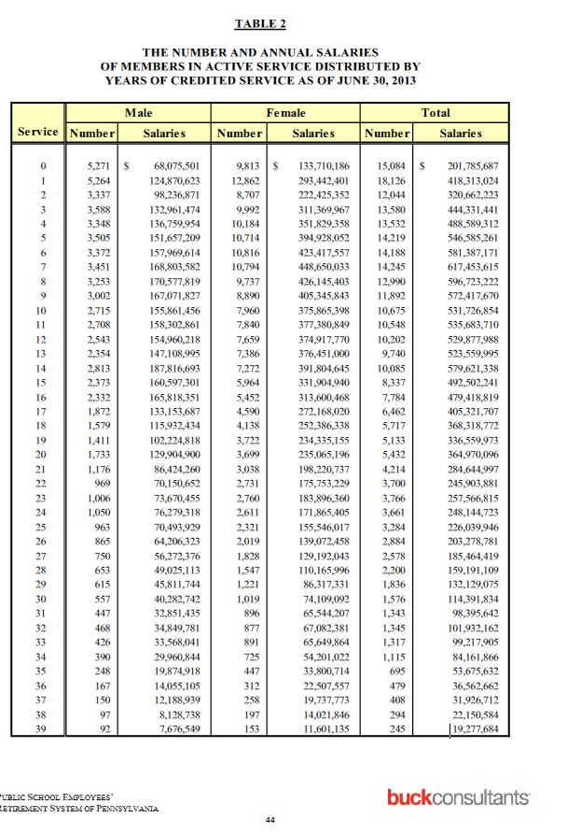
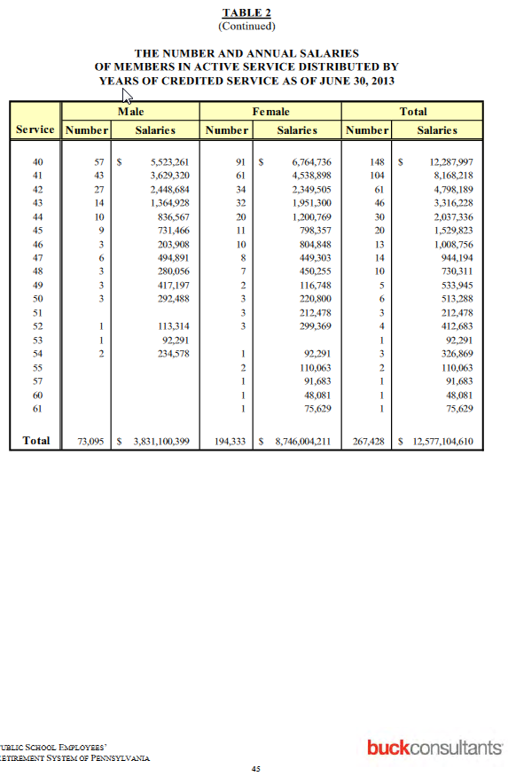
yos | workers | p.44-45
0 | 15084
1 | 18126
2 | 12044
3 | 13580
4 | 13532
5 | 14219
6 | 14188
7 | 14245
8 | 12990
9 | 11892
10 | 10675
11 | 10548
12 | 10202
13 | 9740
14 | 10085
15 | 8337
16 | 7784
17 | 6462
18 | 5717
19 | 5133
20 | 5432
21 | 4214
22 | 3700
23 | 3766
24 | 3661
25 | 3284
26 | 2884
27 | 2578
28 | 2200
29 | 1836
30 | 1576
31 | 1343
32 | 1345
33 | 1317
34 | 1115
35 | 695
36 | 479
37 | 408
38 | 294
39 | 245
40 | 148
41 | 104
42 | 61
43 | 46
44 | 30
45 | 20
46 | 13
47 | 14
48 | 10
49 | 5
50 | 6
51 | 3
52 | 4
53 | 1
54 | 3
55 | 2
57 | 1
60 | 1
61 | 1

PA-PSERSSalaryGrowth
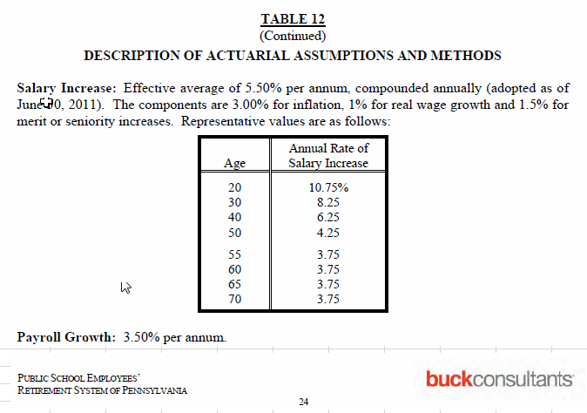
age | growth
20 | 10.75
30 | 8.25
40 | 6.25
50 | 4.25
55 | 3.75
60 | 3.75
65 | 3.75
70 | 3.75

CheckSalaryGrowth
age | growth
20 | 10.75
30 | 8.25
40 | 6.25
50 | 4.25
55 | 3.75
60 | 3.75
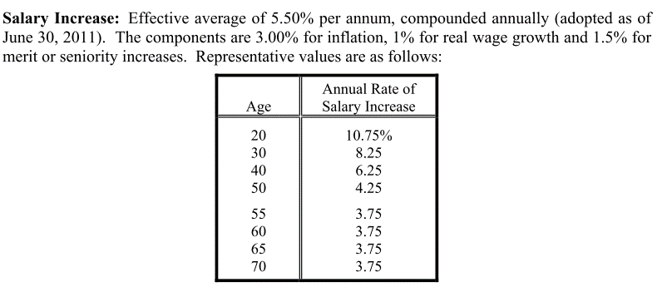
65 | 3.75
70 | 3.75

TestProbWFAndPay
TOC

Available actives matrix
 | 0-2 | 3-4 | 5-6 | sum
20-22 | 88 | 47 | 65 | 200
23-24 | 84 | 57 | 42 | 183
25-26 | 49 | 50 | 30 | 129
sum | 221 | 154 | 137 |  | 512
 |  |  |  | 512 | 512

True actives matrix - we want to find the x's - the yellow box - 49 of them; blue cells are known constraints
 | yos |  |  |  |  |  |  |  |  | Initial guess - average |  |  |  |  |  |  | initial sums (wrong) |  | Diff squared
age | 0 | 1 | 2 | 3 | 4 | 5 | 6 | targets: sum |  | 0 | 1 | 2 | 3 | 4 | 5 | 6
20 | 8 | 11 | 18 | 3 | 20 | 8 | 2 | 70 |  | 9.8 | 9.8 | 9.8 | 7.8 | 7.8 | 10.8 | 10.8 | 66.7 |  | 1.5 | 1.6 | 1.9 | 0.2 | 0.2 | 0.3 | 2.2
21 | 9 | 4 | 5 | 3 | 7 | 15 | 17 | 60 |  | 9.8 | 9.8 | 9.8 | 7.8 | 7.8 | 10.8 | 10.8 | 66.7 |  | 6.8 | 0.0 | 0.0 | 0.9 | 0.9 | 4.0 | 0.0
22 | 8 | 19 | 6 | 12 | 2 | 17 | 6 | 70 |  | 9.8 | 9.8 | 9.8 | 7.8 | 7.8 | 10.8 | 10.8 | 66.7 |  | 1.5 | 1.5 | 1.9 | 0.2 | 0.2 | 0.3 | 2.4
23 | 11 | 10 | 18 | 18 | 6 | 4 | 13 | 80 |  | 14.0 | 14.0 | 14.0 | 14.3 | 14.3 | 10.5 | 10.5 | 91.5 |  | 10.8 | 0.8 | 0.5 | 2.7 | 2.7 | 7.6 | 0.3
24 | 10 | 16 | 19 | 20 | 13 | 6 | 19 | 103 |  | 14.0 | 14.0 | 14.0 | 14.3 | 14.3 | 10.5 | 10.5 | 91.5 |  | 0.0 | 5.7 | 6.5 | 2.7 | 2.7 | 0.3 | 7.7
25 | 5 | 15 | 3 | 5 | 9 | 5 | 3 | 45 |  | 8.2 | 8.2 | 8.2 | 12.5 | 12.5 | 7.5 | 7.5 | 64.5 |  | 19.7 | 4.2 | 3.6 | 7.8 | 7.7 | 15.0 | 2.8
26 | 11 | 4 | 11 | 16 | 20 | 6 | 16 | 84 |  | 8.2 | 8.2 | 8.2 | 12.5 | 12.5 | 7.5 | 7.5 | 64.5 |  | 1.3 | 12.6 | 13.7 | 7.7 | 7.8 | 2.9 | 14.7
targets: sum | 62 | 79 | 80 | 77 | 77 | 61 | 76 |  | 512 | 73.7 | 74.7 | 75.7 | 80.0 | 81.0 | 73.5 | 74.5 |  |  |  |  |  |  |  |  |  | 201.3
 |  |  |  |  |  |  |  | 512 | 512 | initial sums (wrong) |  |  |  |  |  |  |  | 512.0 |  |  |  |  |  |  |  | alternative objective

Available average pay matrix, here calc'd from known true total pay matrix and known true numbers
 | 0-2 | 3-4 | 5-6 | sum
20-22 | 21,552 | 23,425 | 25,343 | 23,224
23-24 | 24,959 | 26,616 | 29,297 | 26,471
25-26 | 24,715 | 27,014 | 30,225 | 26,888
sum | 23,548 | 25,771 | 27,624 |  | 25,308
 |  |  |  | 25,308 | 25,308

True average pay matrix - we want to find the x's - the yellow box - 49 of them; blue cells are known constraints
 | yos |  |  |  |  |  |  |  |  | Initial guess - average
age | 0 | 1 | 2 | 3 | 4 | 5 | 6 | targets |  | 0 | 1 | 2 | 3 | 4 | 5 | 6 |  |  |  |  |  |  |  |  |  |  | 0 | 1 | 2 | 3 | 4 | 5 | 6
20 | 20,000 | 20,600 | 21,012 | 22,273 | 22,941 | 24,088 | 24,811 | 21,897 |  | 21,552 | 21,552 | 21,552 | 23,425 | 23,425 | 25,343 | 25,343 |  |  |  |  |  |  |  |  |  |  | 20,000 | 21,000 | 21,840 | 22,932 | 23,849 | 24,803 | 25,547
21 | 20,800 | 21,632 | 22,281 | 22,727 | 23,181 | 24,108 | 25,314 | 23,459 |  | 21,552 | 21,552 | 21,552 | 23,425 | 23,425 | 25,343 | 25,343 |  |  |  |  |  |  |  |  |  |  | 21,200 | 21,836 | 22,928 | 23,845 | 25,276 | 26,792 | 27,328
22 | 21,840 | 22,714 | 23,395 | 24,565 | 25,056 | 26,309 | 27,624 | 24,350 |  | 21,552 | 21,552 | 21,552 | 23,425 | 23,425 | 25,343 | 25,343 |  |  |  |  |  |  |  |  |  |  | 21,624 | 22,273 | 23,164 | 24,090 | 25,054 | 25,555 | 26,322
23 | 23,150 | 24,539 | 25,766 | 26,282 | 26,807 | 28,416 | 29,552 | 26,195 |  | 24,959 | 24,959 | 24,959 | 26,616 | 26,616 | 29,297 | 29,297 |  |  |  |  |  |  |  |  |  |  | 22,705 | 24,068 | 24,549 | 25,531 | 26,041 | 27,083 | 27,625
24 | 23,845 | 25,276 | 25,781 | 26,555 | 27,086 | 28,440 | 29,578 | 26,685 |  | 24,959 | 24,959 | 24,959 | 26,616 | 26,616 | 29,297 | 29,297 |  |  |  |  |  |  |  |  |  |  | 23,840 | 24,794 | 26,282 | 27,333 | 27,880 | 28,995 | 30,445
25 | 24,560 | 25,297 | 26,056 | 27,619 | 28,724 | 30,448 | 31,665 | 27,206 |  | 24,715 | 24,715 | 24,715 | 27,014 | 27,014 | 30,225 | 30,225 |  |  |  |  |  |  |  |  |  |  | 24,794 | 26,282 | 27,596 | 28,424 | 28,992 | 29,862 | 31,355
26 | 22,595 | 25,297 | 25,535 | 26,238 | 26,713 | 28,012 | 30,715 | 26,717 |  | 24,715 | 24,715 | 24,715 | 27,014 | 27,014 | 30,225 | 30,225 |  |  |  |  |  |  |  |  |  |  | 24,298 | 24,179 | 25,388 | 26,150 | 27,543 | 28,070 | 28,847
targets | 22,361 | 23,736 | 24,283 | 25,868 | 25,675 | 26,331 | 28,662
 |  |  |  |  |  |  |  |  | 25,308

Available total pay matrix, here calc'd from known true
 | 0-2 | 3-4 | 5-6 | sum
20-22 | 1,896,597 | 1,100,973 | 1,647,281 | 4,644,851
23-24 | 2,096,544 | 1,517,120 | 1,230,457 | 4,844,121
25-26 | 1,211,047 | 1,350,696 | 906,753 | 3,468,496
sum | 5,204,188 | 3,968,789 | 3,784,490 |  | 12,957,467
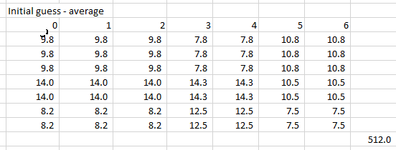
 |  |  |  | 12,957,467 | 12,957,467

True total pay matrix, here calc'd from number and average pay
 | yos
age | 0 | 1 | 2 | 3 | 4 | 5 | 6 | targets: sum
20 | 160,000 | 226,600 | 378,216 | 66,818 | 458,818 | 192,704 | 49,621 | 1,532,777
21 | 187,200 | 86,528 | 111,405 | 68,180 | 162,268 | 361,625 | 430,334 | 1,407,540
22 | 174,720 | 431,558 | 140,370 | 294,777 | 50,112 | 447,251 | 165,746 | 1,704,534
23 | 254,654 | 245,394 | 463,795 | 473,071 | 160,844 | 113,663 | 384,182 | 2,095,604
24 | 238,449 | 404,410 | 489,841 | 531,091 | 352,113 | 170,640 | 561,973 | 2,748,517
25 | 122,801 | 379,456 | 78,168 | 138,097 | 258,517 | 152,238 | 94,996 | 1,224,273
26 | 248,550 | 101,188 | 280,883 | 419,814 | 534,268 | 168,071 | 491,448 | 2,244,222
targets: sum | 1,386,375 | 1,875,135 | 1,942,679 | 1,991,848 | 1,976,941 | 1,606,191 | 2,178,300 |  | 12,957,467
 |  |  |  |  |  |  |  | 12,957,467 | 12,957,467

X's get filled in here
Solved-for actives matrix
 | yos |  |  |  |  |  |  |  |  |  | Diffs
age | 0 | 1 | 2 | 3 | 4 | 5 | 6 | sum |  |  | 0 | 1 | 2 | 3 | 4 | 5 | 6
20 | 8.6 | 11.0 | 11.2 | 8.3 | 8.3 | 10.3 | 12.3 | 70 |  |  | 1 | 0 | (7) | 5 | (12) | 2 | 10 | -
21 | 7.2 | 9.6 | 9.7 | 6.9 | 6.9 | 8.8 | 10.9 | 60 |  |  | (2) | 6 | 5 | 4 | (0) | (6) | (6) | -
22 | 8.5 | 11.0 | 11.2 | 8.3 | 8.3 | 10.3 | 12.4 | 70 |  |  | 1 | (8) | 5 | (4) | 6 | (7) | 6 | -
23 | 10.7 | 13.1 | 13.3 | 12.6 | 12.6 | 7.7 | 10.0 | 80 |  |  | (0) | 3 | (5) | (5) | 7 | 4 | (3) | -
24 | 14.0 | 16.4 | 16.5 | 15.9 | 15.9 | 11.0 | 13.3 | 103 |  |  | 4 | 0 | (2) | (4) | 3 | 5 | (6) | -
25 | 3.7 | 6.1 | 6.3 | 9.7 | 9.7 | 3.6 | 5.8 | 45 |  |  | (1) | (9) | 3 | 5 | 1 | (1) | 3 | -
26 | 9.3 | 11.7 | 11.9 | 15.3 | 15.3 | 9.2 | 11.3 | 84 |  |  | (2) | 8 | 1 | (1) | (5) | 3 | (5) | -
sum | 62 | 79 | 80 | 77 | 77 | 61 | 76 |  |  |  | - | - | - | - | - | - | -
 |  |  |  |  |  |  |  |  | 512

 | 0-2 | 3-4 | 5-6 | sum
20-22 | 88.00 | 47.00 | 65.00 | 200
23-24 | 84.00 | 57.00 | 42.00 | 183
25-26 | 49.00 | 50.00 | 30.00 | 129
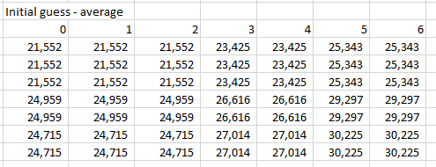
sum | 221 | 154 | 137 |  | 512
 |  |  |  | 512 | 512

Solved-for average pay matrix

 | yos
age | 0 | 1 | 2 | 3 | 4 | 5 | 6 | sum
20 | 18,500 | 20,603 | 20,608 | 22,153 | 22,146 | 22,958 | 25,355 | 21,897
21 | 20,848 | 22,258 | 22,587 | 23,774 | 23,700 | 24,667 | 25,687 | 23,459
22 | 20,457 | 23,205 | 23,929 | 24,381 | 24,495 | 25,263 | 27,561 | 24,350
23 | 24,019 | 24,563 | 25,100 | 26,616 | 25,991 | 28,532 | 30,052 | 26,195
24 | 23,514 | 25,491 | 26,462 | 26,802 | 26,926 | 27,367 | 30,777 | 26,685
25 | 25,373 | 24,725 | 25,025 | 27,557 | 27,265 | 29,880 | 30,984 | 27,206
26 | 23,979 | 24,504 | 25,126 | 26,978 | 26,545 | 28,401 | 31,428 | 26,717
sum | 22,361 | 23,736 | 24,283 | 25,868 | 25,675 | 26,331 | 28,662
 |  |  |  |  |  |  |  |  | 25,308

 | 0-2 | 3-4 | 5-6 | sum
20-22 | 21,552 | 23,425 | 25,343 | 23,224
23-24 | 24,959 | 26,616 | 29,297 | 26,471
25-26 | 24,715 | 27,014 | 30,225 | 26,888
sum | 23,548 | 25,771 | 27,624 |  | 25,308
 |  |  |  | 25,308 | 25,308

Calculated total pay matrix

 | yos
age | 0 | 1 | 2 | 3 | 4 | 5 | 6 | sum
20 | 158,451 | 227,568 | 230,123 | 183,872 | 183,545 | 236,525 | 312,693 | 1,532,777
21 | 149,489 | 213,894 | 219,967 | 163,668 | 162,996 | 217,766 | 279,758 | 1,407,540
22 | 174,652 | 255,510 | 266,942 | 203,000 | 203,891 | 259,373 | 341,166 | 1,704,534
23 | 257,237 | 322,159 | 332,903 | 335,479 | 327,740 | 220,920 | 299,165 | 2,095,604
24 | 328,761 | 417,726 | 437,757 | 425,888 | 428,012 | 301,602 | 408,770 | 2,748,517
25 | 94,623 | 151,205 | 156,896 | 267,721 | 265,001 | 108,389 | 180,438 | 1,224,273
26 | 223,160 | 287,072 | 298,091 | 412,219 | 405,756 | 261,616 | 356,309 | 2,244,222
sum | 1,386,375 | 1,875,135 | 1,942,679 | 1,991,848 | 1,976,941 | 1,606,191 | 2,178,300
 |  |  |  |  |  |  |  |  | 12,957,467

 | 0-2 | 3-4 | 5-6 | sum
20-22 | 1,896,597 | 1,100,973 | 1,647,281 | 4,644,851
23-24 | 2,096,544 | 1,517,120 | 1,230,457 | 4,844,121
25-26 | 1,211,047 | 1,350,696 | 906,753 | 3,468,496
sum | 5,204,188 | 3,968,789 | 3,784,490 |  | 12,957,467
 |  |  |  | 12,957,467 | 12,957,467

