scratch
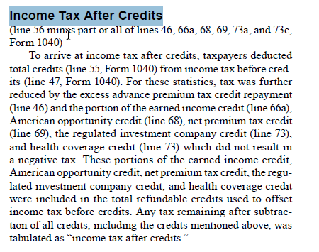
From IRS Pub 1304

income_tax_liability_defs
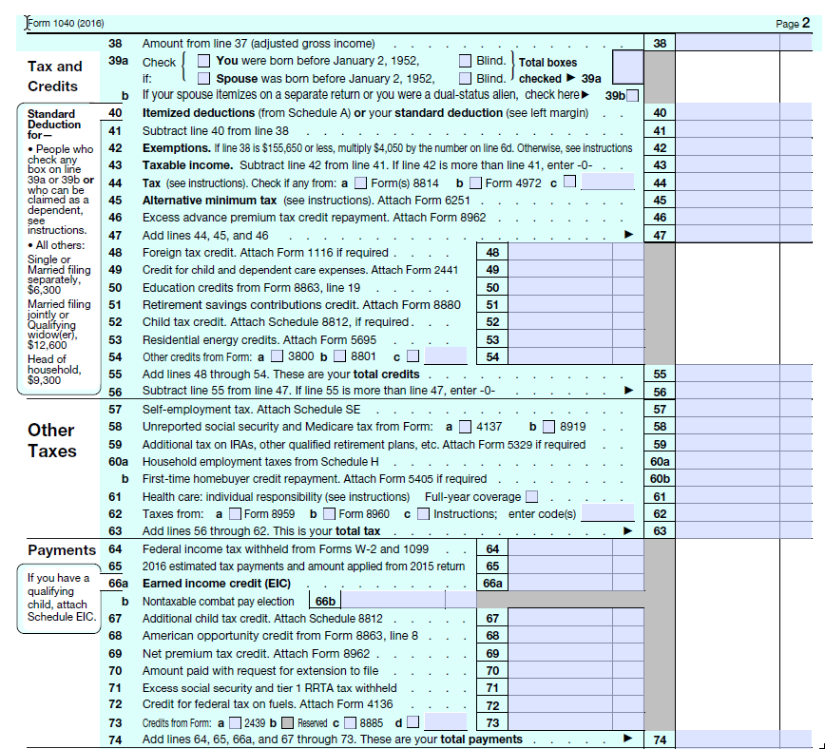
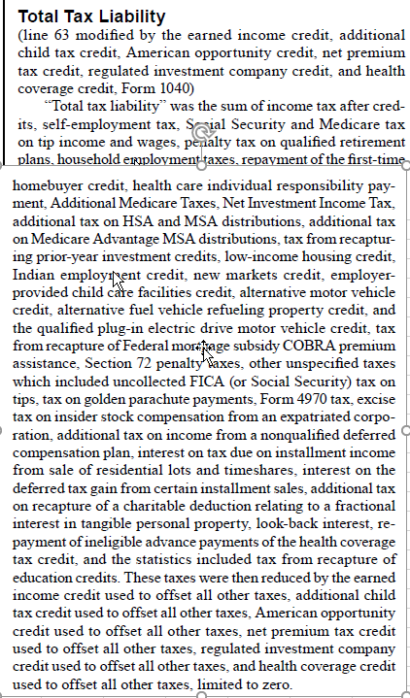
It looks to me like we have the following mappings:
next steps | IRS | my IRS varname | IRS notes | puf | puf notes
construct IRS variable when time permits | no IRS counterpart but can construct one |  | IRS Table 1.4 has income tax before credits (column EM), AMT (column EI), and APTC (column EK) so could construct IRS counterpart to puf taxbc by subtracting IRS AMT and APTC from IRS taxbc | taxbc | Regular tax on regular taxable income before credits
good once I name the IRS variable | Income tax before credits | taxbc | IRS Table 1.4 column EM | use c05800: A perfect definition would be {taxbc + c09600 (AMT) + advance premium tax credit repayment}. However, we don't have APTC and c05800 = taxbc + c09600 so we can just use c05800 | APTC is not in the puf
this is good to go - construct puf variable as noted | Income tax after credits | taxac | IRS Table 1.2 column L | taxacirs = max(0, c09200 - nit - refund) for now; after tax-calculator is patched, we'll use max(0, c09200 - refund) | Income tax liability (including other taxes) after non-refundable credits
IRS variable already pulled and named but we need definition for puf counterpart | Total income tax | taxtot | IRS Table 1.2 column N |  | not sure
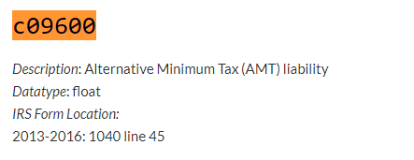
would need to parse an IRS file I am not currently reading, so put on back burner | Total tax liability | not currently reading the data | includes FICA taxes; IRS Table 3.3 by agi range; also in 1.3, 3.7, but not by range |  | ?? we only want the employee's share of FICA, so we need an alternative to max(combined, 0)

 | Income tax concepts: IRS Publication 1304 for 2017 on the left, tax-calculator documentation on the right
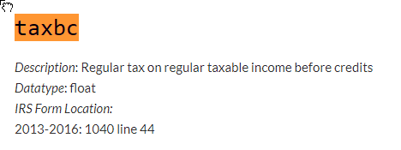

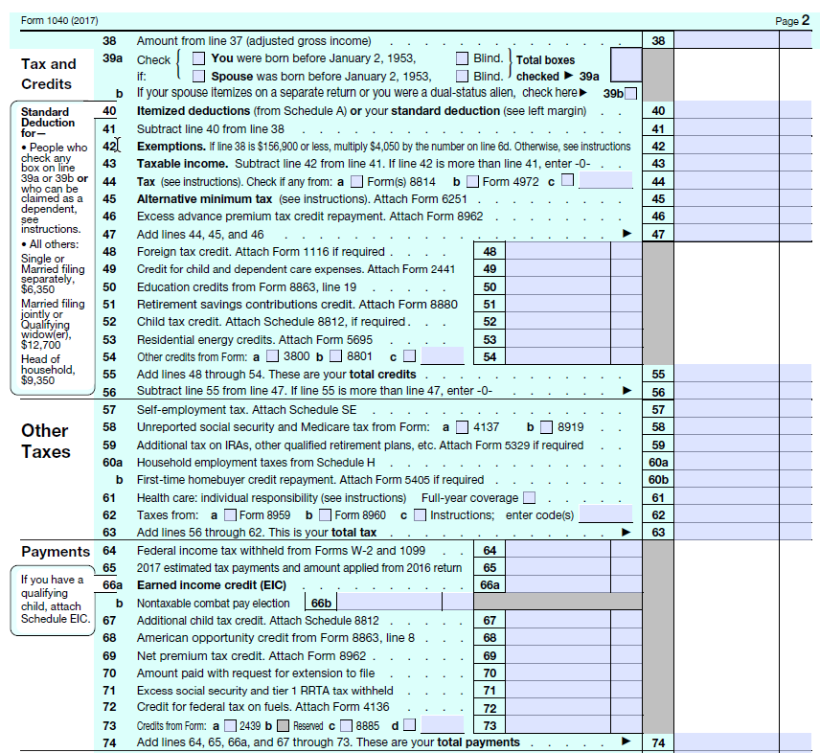

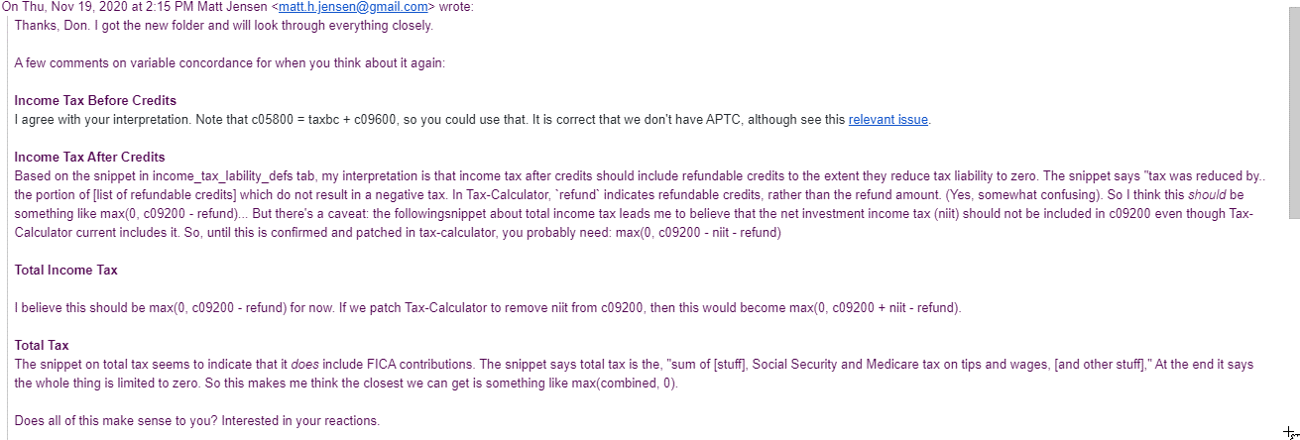
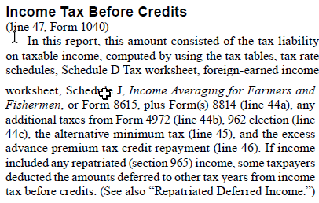

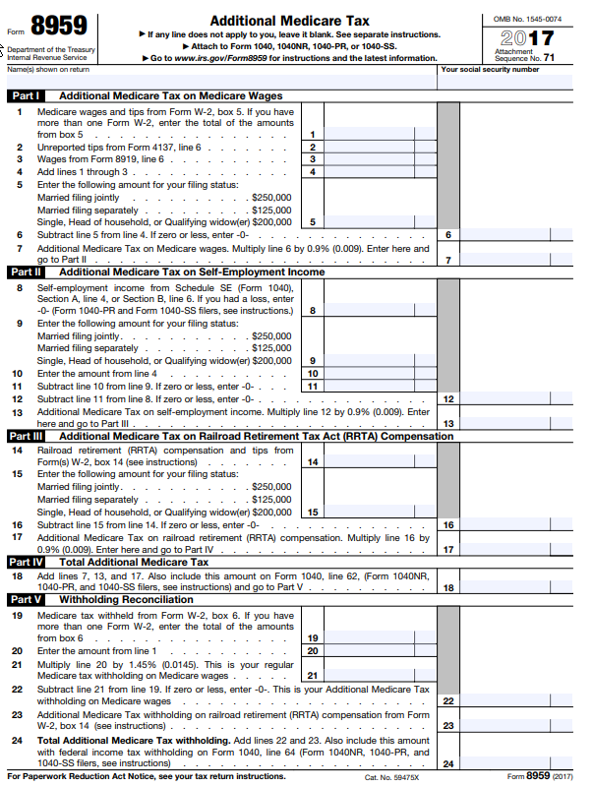

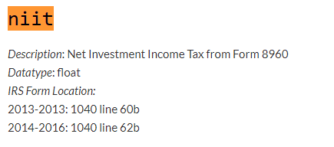

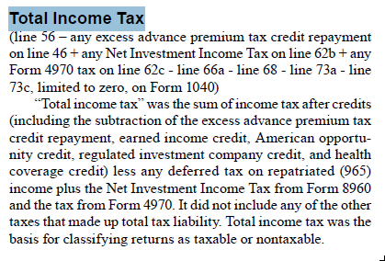
 |  |  | Total income tax

ht2labels_2017
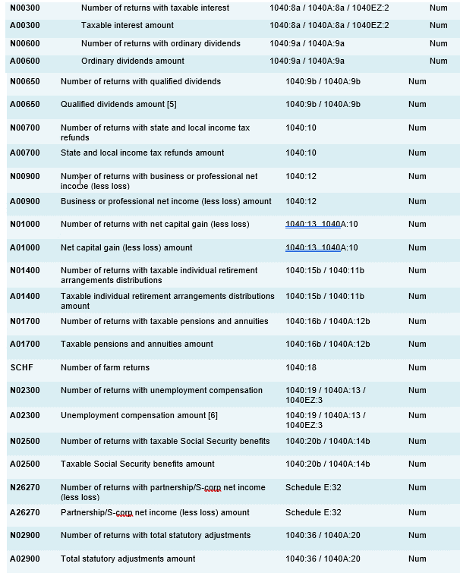
variable | description | reference | type | djb_notes
STATE | The state associated with the return | Two-digit state abbreviation code | Char
AGI_STUB | Size of adjusted gross income |  | Num
N1 | Number of returns |  | Num
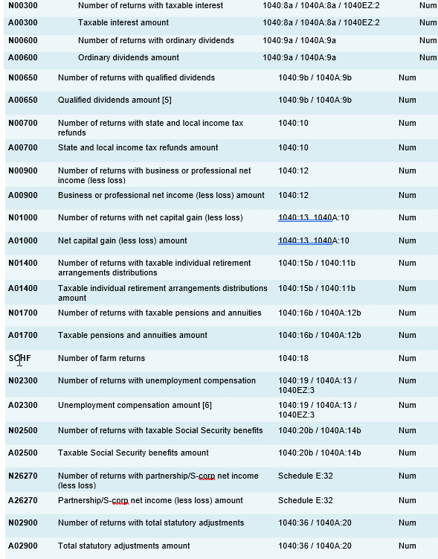
MARS1 | Number of single returns | Filing status is single | Num
MARS2 | Number of joint returns | Filing status is married filing jointly | Num
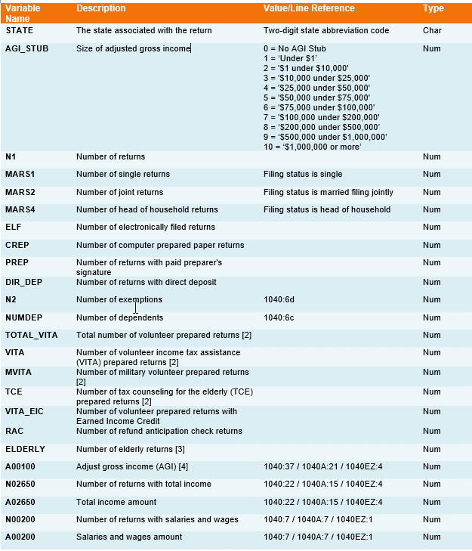
MARS4 | Number of head of household returns | Filing status is head of household | Num
ELF | Number of electronically filed returns |  | Num
CPREP | Number of computer prepared paper returns |  | Num | changed to cprep from crep
PREP | Number of returns with paid preparer's signature |  | Num
DIR_DEP | Number of returns with direct deposit |  | Num
N2 | Number of exemptions | 1040:6d | Num
NUMDEP | Number of dependents | 1040:6c | Num
TOTAL_VITA | Total number of volunteer prepared returns [2] |  | Num
VITA | Number of volunteer income tax assistance (VITA) prepared returns [2] |  | Num
MVITA | Number of military volunteer prepared returns [2] |  | Num
TCE | Number of tax counseling for the elderly (TCE) prepared returns [2] |  | Num
VITA_EIC | Number of volunteer prepared returns with Earned Income Credit |  | Num
RAC | Number of refund anticipation check returns |  | Num
ELDERLY | Number of elderly returns [3] |  | Num
A00100 | Adjust gross income (AGI) [4] | 1040:37 / 1040A:21 / 1040EZ:4 | Num
N02650 | Number of returns with total income | 1040:22 / 1040A:15 / 1040EZ:4 | Num
A02650 | Total income amount | 1040:22 / 1040A:15 / 1040EZ:4 | Num
N00200 | Number of returns with salaries and wages | 1040:7 / 1040A:7 / 1040EZ:1 | Num
A00200 | Salaries and wages amount | 1040:7 / 1040A:7 / 1040EZ:1 | Num
N00300 | Number of returns with taxable interest | 1040:8a / 1040A:8a / 1040EZ:2 | Num
A00300 | Taxable interest amount | 1040:8a / 1040A:8a / 1040EZ:2 | Num
N00600 | Number of returns with ordinary dividends | 1040:9a / 1040A:9a | Num
A00600 | Ordinary dividends amount | 1040:9a / 1040A:9a | Num
N00650 | Number of returns with qualified dividends | 1040:9b / 1040A:9b | Num
A00650 | Qualified dividends amount [5] | 1040:9b / 1040A:9b | Num
N00700 | Number of returns with state and local income tax refunds | 1040:10 | Num
A00700 | State and local income tax refunds amount | 1040:10 | Num
N00900 | Number of returns with business or professional net income (less loss) | 1040:12 | Num
A00900 | Business or professional net income (less loss) amount | 1040:12 | Num
N01000 | Number of returns with net capital gain (less loss) | 1040:13 1040A:10 | Num
A01000 | Net capital gain (less loss) amount | 1040:13 1040A:10 | Num
N01400 | Number of returns with taxable individual retirement arrangements distributions | 1040:15b / 1040:11b | Num
A01400 | Taxable individual retirement arrangements distributions amount | 1040:15b / 1040:11b | Num
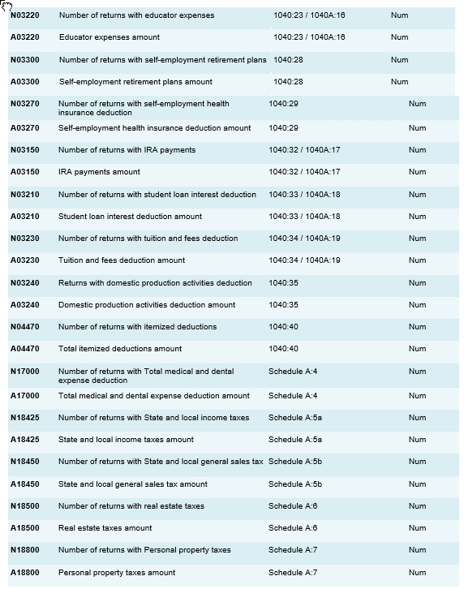
N01700 | Number of returns with taxable pensions and annuities | 1040:16b / 1040A:12b | Num
A01700 | Taxable pensions and annuities amount | 1040:16b / 1040A:12b | Num
SCHF | Number of farm returns | 1040:18 | Num
N02300 | Number of returns with unemployment compensation | 1040:19 / 1040A:13 / 1040EZ:3 | Num
A02300 | Unemployment compensation amount [6] | 1040:19 / 1040A:13 / 1040EZ:3 | Num
N02500 | Number of returns with taxable Social Security benefits | 1040:20b / 1040A:14b | Num
A02500 | Taxable Social Security benefits amount | 1040:20b / 1040A:14b | Num
N26270 | Number of returns with partnership/S-corp net income (less loss) | Schedule E:32 | Num
A26270 | Partnership/S-corp net income (less loss) amount | Schedule E:32 | Num
N02900 | Number of returns with total statutory adjustments | 1040:36 / 1040A:20 | Num
A02900 | Total statutory adjustments amount | 1040:36 / 1040A:20 | Num
N03220 | Number of returns with educator expenses | 1040:23 / 1040A:16 | Num
A03220 | Educator expenses amount | 1040:23 / 1040A:16 | Num
N03300 | Number of returns with self-employment retirement plans | 1040:28 | Num
A03300 | Self-employment retirement plans amount | 1040:28 | Num
N03270 | Number of returns with self-employment health insurance deduction | 1040:29 | Num
A03270 | Self-employment health insurance deduction amount | 1040:29 | Num
N03150 | Number of returns with IRA payments | 1040:32 / 1040A:17 | Num
A03150 | IRA payments amount | 1040:32 / 1040A:17 | Num
N03210 | Number of returns with student loan interest deduction | 1040:33 / 1040A:18 | Num
A03210 | Student loan interest deduction amount | 1040:33 / 1040A:18 | Num
N03230 | Number of returns with tuition and fees deduction | 1040:34 / 1040A:19 | Num
A03230 | Tuition and fees deduction amount | 1040:34 / 1040A:19 | Num
N03240 | Returns with domestic production activities deduction | 1040:35 | Num
A03240 | Domestic production activities deduction amount | 1040:35 | Num
N04470 | Number of returns with itemized deductions | 1040:40 | Num
A04470 | Total itemized deductions amount | 1040:40 | Num
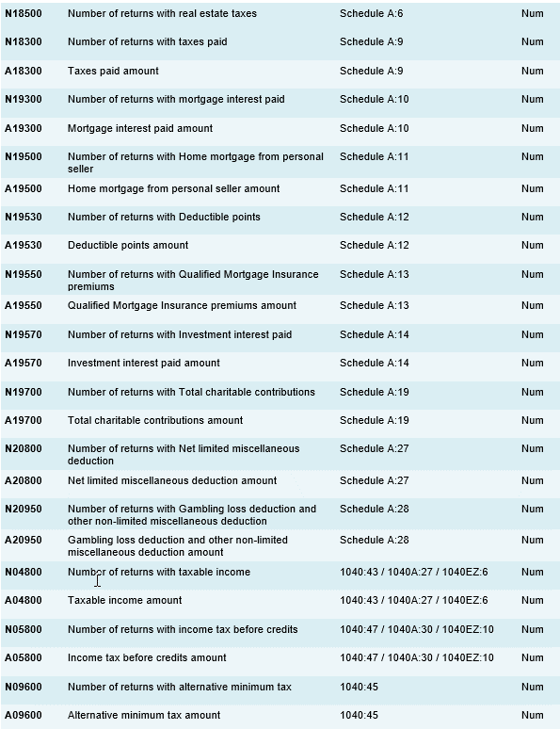
N17000 | Number of returns with Total medical and dental expense deduction | Schedule A:4 | Num
A17000 | Total medical and dental expense deduction amount | Schedule A:4 | Num
N18425 | Number of returns with State and local income taxes | Schedule A:5a | Num
A18425 | State and local income taxes amount | Schedule A:5a | Num
N18450 | Number of returns with State and local general sales tax | Schedule A:5b | Num
A18450 | State and local general sales tax amount | Schedule A:5b | Num
N18500 | Number of returns with real estate taxes | Schedule A:6 | Num
A18500 | Real estate taxes amount | Schedule A:6 | Num
N18800 | Number of returns with Personal property taxes | Schedule A:7 | Num
A18800 | Personal property taxes amount | Schedule A:7 | Num
N18300 | Number of returns with taxes paid | Schedule A:9 | Num
A18300 | Taxes paid amount | Schedule A:9 | Num
N19300 | Number of returns with mortgage interest paid | Schedule A:10 | Num
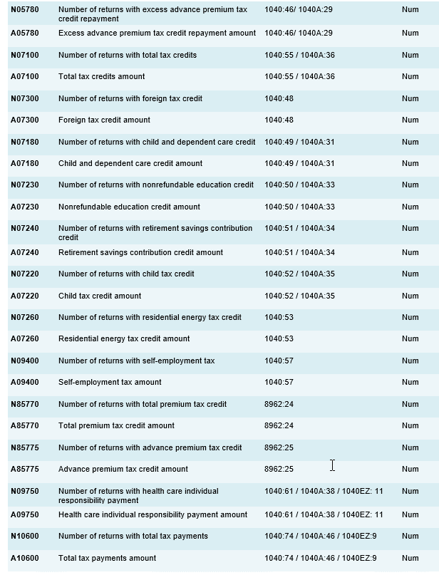
A19300 | Mortgage interest paid amount | Schedule A:10 | Num
N19500 | Number of returns with Home mortgage from personal seller | Schedule A:11 | Num
A19500 | Home mortgage from personal seller amount | Schedule A:11 | Num
N19530 | Number of returns with Deductible points | Schedule A:12 | Num
A19530 | Deductible points amount | Schedule A:12 | Num
N19550 | Number of returns with Qualified Mortgage Insurance premiums | Schedule A:13 | Num
A19550 | Qualified Mortgage Insurance premiums amount | Schedule A:13 | Num
N19570 | Number of returns with Investment interest paid | Schedule A:14 | Num
A19570 | Investment interest paid amount | Schedule A:14 | Num
N19700 | Number of returns with Total charitable contributions | Schedule A:19 | Num
A19700 | Total charitable contributions amount | Schedule A:19 | Num
N20800 | Number of returns with Net limited miscellaneous deduction | Schedule A:27 | Num
A20800 | Net limited miscellaneous deduction amount | Schedule A:27 | Num
N20950 | Number of returns with Gambling loss deduction and other non-limited miscellaneous deduction | Schedule A:28 | Num
A20950 | Gambling loss deduction and other non-limited miscellaneous deduction amount | Schedule A:28 | Num
N04800 | Number of returns with taxable income | 1040:43 / 1040A:27 / 1040EZ:6 | Num
A04800 | Taxable income amount | 1040:43 / 1040A:27 / 1040EZ:6 | Num
N05800 | Number of returns with income tax before credits | 1040:47 / 1040A:30 / 1040EZ:10 | Num
A05800 | Income tax before credits amount | 1040:47 / 1040A:30 / 1040EZ:10 | Num
N09600 | Number of returns with alternative minimum tax | 1040:45 | Num
A09600 | Alternative minimum tax amount | 1040:45 | Num
N05780 | Number of returns with excess advance premium tax credit repayment | 1040:46/ 1040A:29 | Num
A05780 | Excess advance premium tax credit repayment amount | 1040:46/ 1040A:29 | Num
N07100 | Number of returns with total tax credits | 1040:55 / 1040A:36 | Num
A07100 | Total tax credits amount | 1040:55 / 1040A:36 | Num
N07300 | Number of returns with foreign tax credit | 1040:48 | Num
A07300 | Foreign tax credit amount | 1040:48 | Num
N07180 | Number of returns with child and dependent care credit | 1040:49 / 1040A:31 | Num
A07180 | Child and dependent care credit amount | 1040:49 / 1040A:31 | Num
N07230 | Number of returns with nonrefundable education credit | 1040:50 / 1040A:33 | Num
A07230 | Nonrefundable education credit amount | 1040:50 / 1040A:33 | Num
N07240 | Number of returns with retirement savings contribution credit | 1040:51 / 1040A:34 | Num
A07240 | Retirement savings contribution credit amount | 1040:51 / 1040A:34 | Num
N07220 | Number of returns with child tax credit | 1040:52 / 1040A:35 | Num
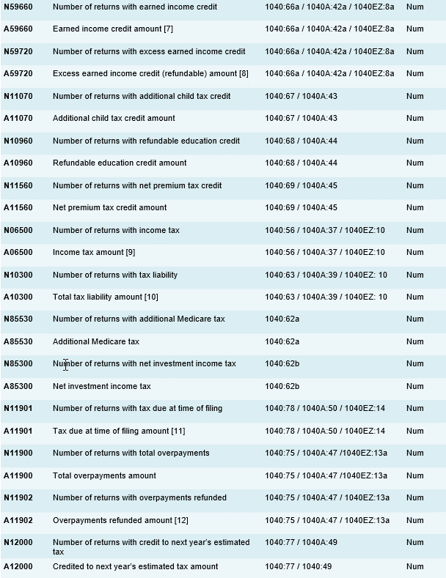
A07220 | Child tax credit amount | 1040:52 / 1040A:35 | Num
N07260 | Number of returns with residential energy tax credit | 1040:53 | Num
A07260 | Residential energy tax credit amount | 1040:53 | Num
N09400 | Number of returns with self-employment tax | 1040:57 | Num
A09400 | Self-employment tax amount | 1040:57 | Num
N85770 | Number of returns with total premium tax credit | 8962:24 | Num
A85770 | Total premium tax credit amount | 8962:24 | Num
N85775 | Number of returns with advance premium tax credit | 8962:25 | Num
A85775 | Advance premium tax credit amount | 8962:25 | Num
N09750 | Number of returns with health care individual responsibility payment | 1040:61 / 1040A:38 / 1040EZ: 11 | Num
A09750 | Health care individual responsibility payment amount | 1040:61 / 1040A:38 / 1040EZ: 11 | Num
N10600 | Number of returns with total tax payments | 1040:74 / 1040A:46 / 1040EZ:9 | Num
A10600 | Total tax payments amount | 1040:74 / 1040A:46 / 1040EZ:9 | Num
N59660 | Number of returns with earned income credit | 1040:66a / 1040A:42a / 1040EZ:8a | Num
A59660 | Earned income credit amount [7] | 1040:66a / 1040A:42a / 1040EZ:8a | Num
N59720 | Number of returns with excess earned income credit | 1040:66a / 1040A:42a / 1040EZ:8a | Num
A59720 | Excess earned income credit (refundable) amount [8] | 1040:66a / 1040A:42a / 1040EZ:8a | Num
N11070 | Number of returns with additional child tax credit | 1040:67 / 1040A:43 | Num
A11070 | Additional child tax credit amount | 1040:67 / 1040A:43 | Num
N10960 | Number of returns with refundable education credit | 1040:68 / 1040A:44 | Num
A10960 | Refundable education credit amount | 1040:68 / 1040A:44 | Num
N11560 | Number of returns with net premium tax credit | 1040:69 / 1040A:45 | Num
A11560 | Net premium tax credit amount | 1040:69 / 1040A:45 | Num
N06500 | Number of returns with income tax | 1040:56 / 1040A:37 / 1040EZ:10 | Num
A06500 | Income tax amount [9] | 1040:56 / 1040A:37 / 1040EZ:10 | Num
N10300 | Number of returns with tax liability | 1040:63 / 1040A:39 / 1040EZ: 10 | Num
A10300 | Total tax liability amount [10] | 1040:63 / 1040A:39 / 1040EZ: 10 | Num
N85530 | Number of returns with additional Medicare tax | 1040:62a | Num
A85530 | Additional Medicare tax | 1040:62a | Num
N85300 | Number of returns with net investment income tax | 1040:62b | Num
A85300 | Net investment income tax | 1040:62b | Num
N11901 | Number of returns with tax due at time of filing | 1040:78 / 1040A:50 / 1040EZ:14 | Num
A11901 | Tax due at time of filing amount [11] | 1040:78 / 1040A:50 / 1040EZ:14 | Num
N11900 | Number of returns with total overpayments | 1040:75 / 1040A:47 /1040EZ:13a | Num
A11900 | Total overpayments amount | 1040:75 / 1040A:47 /1040EZ:13a | Num
N11902 | Number of returns with overpayments refunded | 1040:75 / 1040A:47 / 1040EZ:13a | Num
A11902 | Overpayments refunded amount [12] | 1040:75 / 1040A:47 / 1040EZ:13a | Num
N12000 | Number of returns with credit to next year’s estimated tax | 1040:77 / 1040A:49 | Num
A12000 | Credited to next year’s estimated tax amount | 1040:77 / 1040:49 | Num

ht2vsIRStax_ti
tax liability
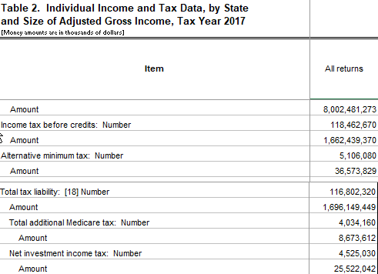

IRS income tax before credits concept is a good match between IRS national and and HT2 US
This is quite close, but not identical, to c05800 in the puf (APTC should be added to c05800)
so we can share c05800 to the states using ht2 tax before credits variable
(a05800 and n05800)

taxable income
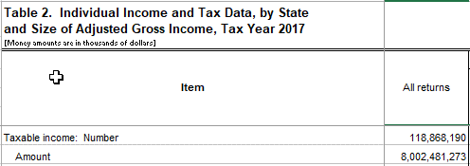

IRS all returns taxable income is a good match with ht2 taxable income (a4800)
so we can share c04800 using a04800

