scratch
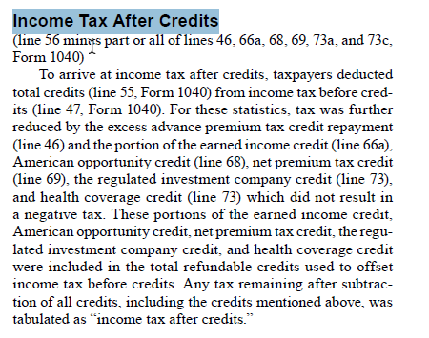
From IRS Pub 1304

income_tax_liability_defs
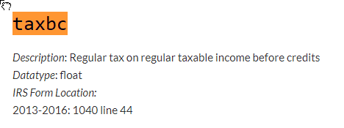
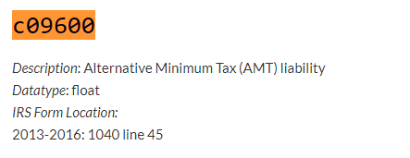
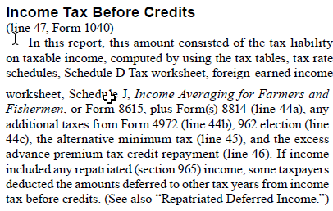
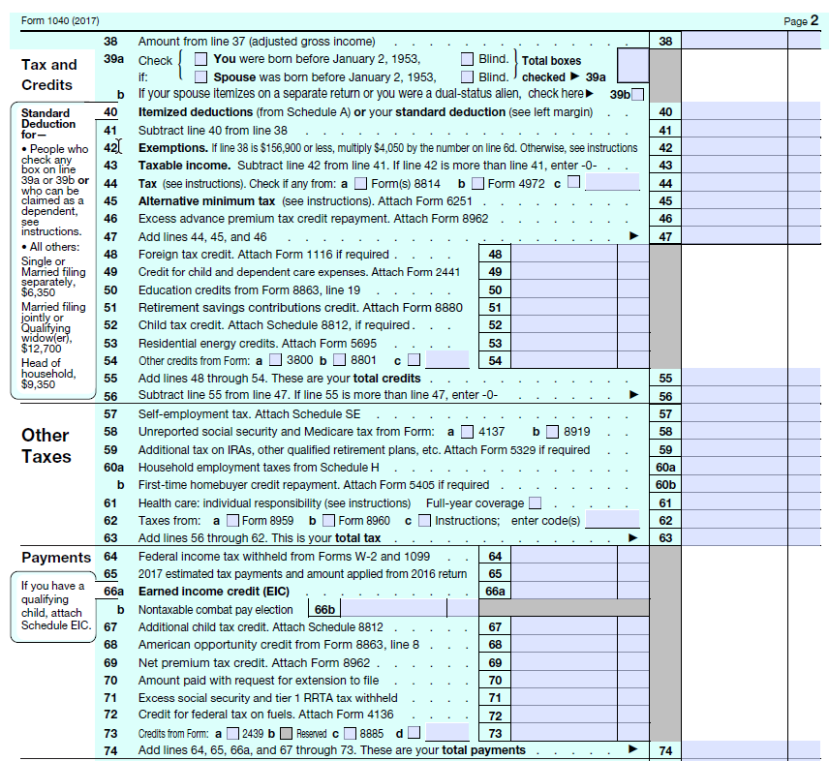
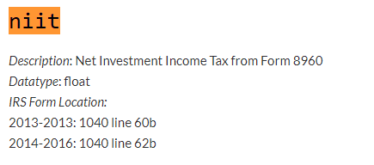
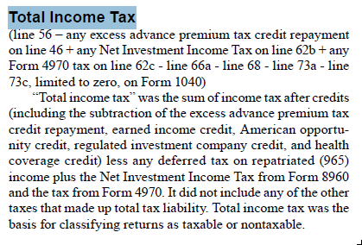
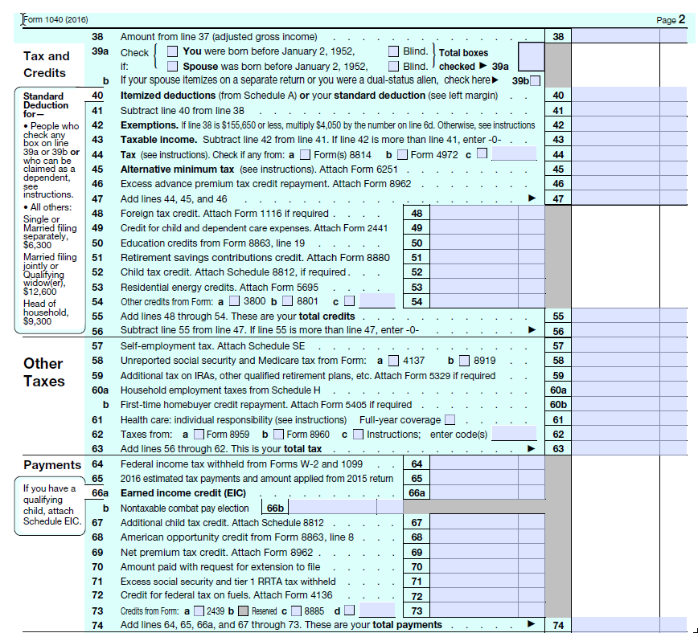
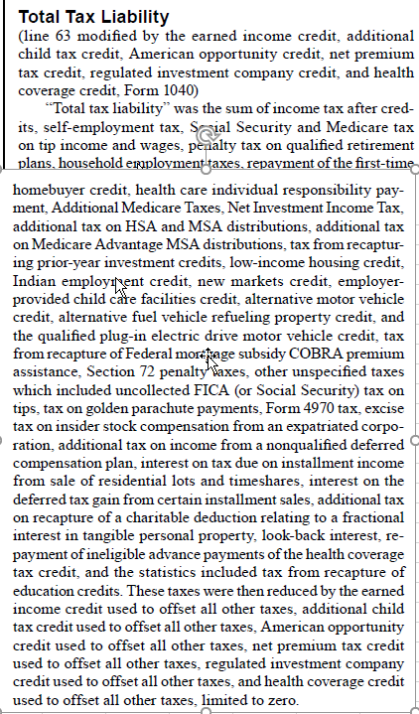
It looks to me like we have the following mappings:
IRS | my IRS varname | IRS notes | puf | puf notes
no IRS counterpart |  | Table 1.4 IRS income tax before credits, AMT, and APTC so could construct IRS counterpart to puf taxbc by subtracting AMT and APTC from IRS taxbc | taxbc | Regular tax on regular taxable income before credits
Income tax before credits | IRS Table 1.4 by agi range; not read, but could |  | taxbc + c09600 (AMT) + advance premium tax credit repayment | I don't see the APTC in the puf documentation (?)
Income tax after credits | taxac |  | c09200 | Income tax liability (including other taxes) after non-refundable credits
Total income tax |  |  | ??
Total tax liability | IRS Table 3.3 by agi range; also in 1.3, 3.7, but not by range | appears to not include payroll taxes so I think it is a match to puf iit; I would have to read Table 3.7, however | iit | also appears not to include payroll tax

Income tax concepts: IRS Publication 1304 for 2017 on the left, tax-calculator documentation on the right

