Dividends
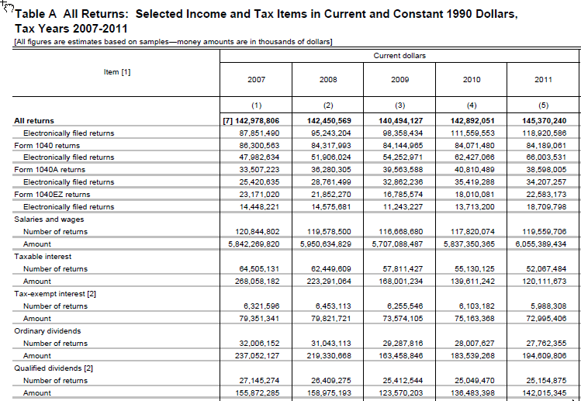
 | IRS Publication 1304
 | Ordinary dividends (e00600) |  |  | Qualified dividends (e00650)
 | amount $k | number | average | amount $k | number | average
2011 | 194,609,806 | 27,762,355 | 7,010 | 142,015,345 | 25,154,875 | 5,646
2017 | 282,336,042 | 28,171,331 | 10,022 | 216,846,966 | 26,216,041 | 8,272
% Growth | 45.1% | 1.5% | 43.0% | 52.7% | 4.2% | 46.5%

 | Change in selected growfactors from 2011 to 2017
 |  | % change, 2011 to 2017
 | ATXPY | 22.0%
 | ADIVS | 73.1%
 | gfactor desired | 1.06388 | 45%
 | check | 45.0%

 | IRS compared to puf advanced to 2017 stages 1 and 2; 2017 law; Boyd definition of filers
 | Ordinary dividends (e00600) |  |  | Qualified dividends (e00650)
 | amount $k | number | average | amount $k | number | average
IRS 2017 | 282,336,042 | 28,171,331 | 10,022 | 216,846,966 | 26,216,041 | 8,272
PUF 2017 | 351,784,550 | 31,536,666 | 11,155 | 248,753,899 | 27,655,921 | 8,995
puf minus irs | 69,448,508 | 3,365,335 | 1,133 | 31,906,933 | 1,439,880 | 723
% diff from irs | 24.6% | 11.9% | 11.3% | 14.7% | 5.5% | 8.7%

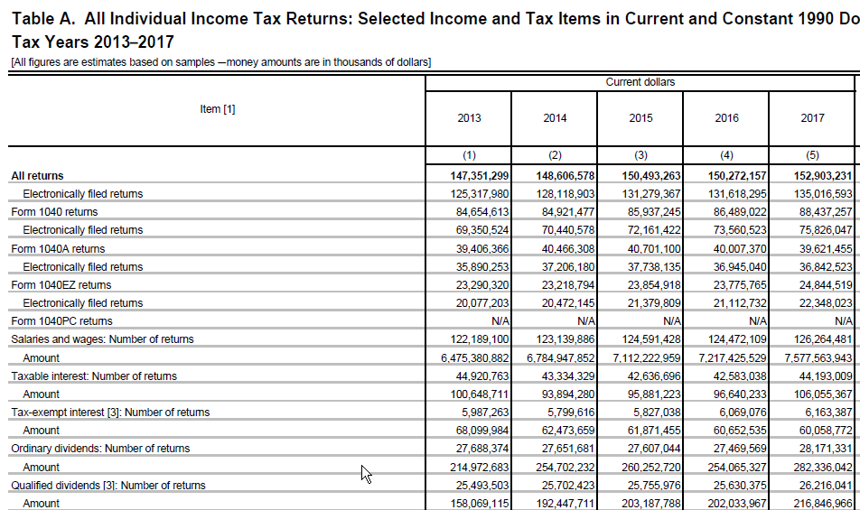

 |  | 26216041

