Dividends
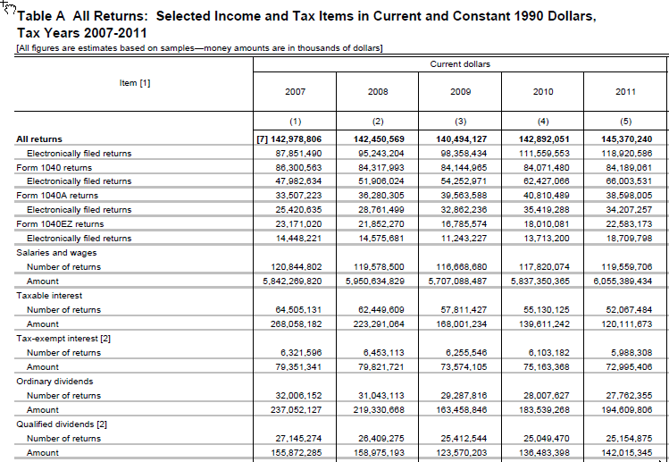
 | IRS Publication 1304
 | Ordinary dividends (e00600) |  |  | Qualified dividends (e00650)
 | amount $k | number | average | amount $k | number | average
2011 | 194,609,806 | 27,762,355 | 7,010 | 142,015,345 | 25,154,875 | 5,646
2017 | 282,336,042 | 28,171,331 | 10,022 | 216,846,966 | 26,216,041 | 8,272
% Growth | 45.1% | 1.5% | 43.0% | 52.7% | 4.2% | 46.5%

 | Change in selected growfactors from 2011 to 2017
 |  | % change, 2011 to 2017
 | ATXPY | 22.0%
 | ADIVS | 73.1%
 | gfactor desired | 1.06388 | 45%
 | check | 45.0%

 | IRS compared to puf advanced to 2017 stages 1 and 2; 2017 law; Boyd definition of filers
 | Ordinary dividends (e00600) |  |  | Qualified dividends (e00650)
 | amount $k | number | average | amount $k | number | average
IRS 2017 | 282,336,042 | 28,171,331 | 10,022 | 216,846,966 | 26,216,041 | 8,272
PUF 2017 | 351,784,550 | 31,536,666 | 11,155 | 248,753,899 | 27,655,921 | 8,995
puf minus irs | 69,448,508 | 3,365,335 | 1,133 | 31,906,933 | 1,439,880 | 723
% diff from irs | 24.6% | 11.9% | 11.3% | 14.7% | 5.5% | 8.7%

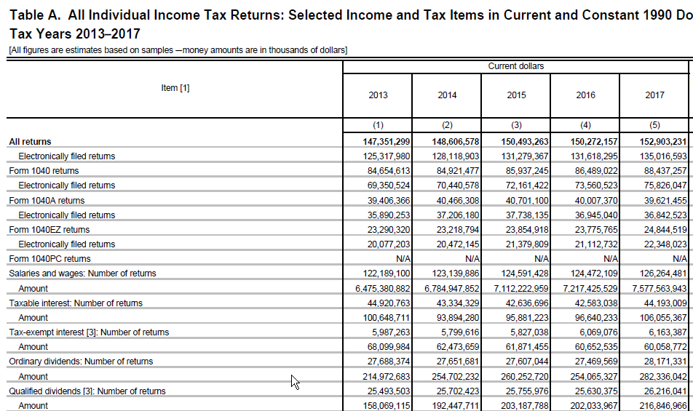

 |  | 26216041

bus_inclosses
Business income and losses customizing growfactors, 12/13/2020
- look at business-type income and business-type losses separately
- there are two kinds of each:
 | e00900 Sch C business net profit/loss |  |  |  | note that separate growfactors are applied to positive and negative values; they are applied to prime and spouse values, which are summed to get e00900
 | e02000 Sch E total rental, royalty, partnership, S-corporation, etc, income/loss (includes e26270 and e27200) |  |  |  | note that separate growfactors are applied to positive and negative values
 | notes on e02000:
 |  | e26270 Sch E: Combined partnership and S-corporation net income/loss (includes k1bx14p and k1bx14s amounts and is included in e02000)
 |  | e27200 Sch E: Farm rent net income or loss (included in e02000)
 | Growfactors |  |  | other variables that use the grow factor
 | ASCHCI | e00900p pos, e00900s pos |  | none
 | ASCHCL | e00900p neg, e00900s neg |  | none
 | ASCHEI | e02000 pos |  | e26270, e27200, k1bx14p, k1bx14s
 | ASCHEL | e02000 neg |  | none

The IRS values for e00900 are in Publication 1304, Table 1.4, "Business or profession" columns
The IRS values for e00200 are in Publication 1304, Table 1.4 but are the sums of three separate parts of the table:
 | Total rental and royalty columns
 | Partnership and S-corporation columns
 | Estate and trust columns

Conclusions from the analysis below
 | Compound growth 2011 to 2017 |  |  |  |  | Growth 2017 to 2018
Item | growfactor value | IRS Pub 1304 data | IRS as growfactor | revise? |  | growfactor value | IRS Pub 1304 data | revise?
ASCHCI (e00900pos) | 3.6% | 1.6% | 1.0163 | yes |  | 4.7% | 2.3% | no
ASCHCL (e00900neg) | 2.8% | 1.7% | 1.0166 | yes |  | 4.7% | 9.1% | no
ASCHEI (e02000pos...) | 2.8% | 4.4% | 1.0439 | yes |  | 2.6% | 3.5% | no
ASCHEL (e02000neg...) | -2.1% | 4.3% | 1.0431 | yes |  | 2.6% | 11.5% | no

e00900 Sch C business net profit/loss, Table 1.4, "Business or profession"

IRS values
 | number | amount $k | average | source
Income
2011 | 17,361,263 | 337,210,620 | 19,423
2017 | 19,436,036 | 416,010,104 | 21,404
change | 2,074,773 | 78,799,484 | 1,981
% change | 12.0% | 23.4% | 10.2%
average annual compound growth |  |  | 1.6%

2018 | 19,638,201 | 430,062,977 | 21,899
change vs 2017 | 202,165 | 14,052,873 | 495
% change | 1.0% | 3.4% | 2.3%

ASCHCI growfactor, cumulative growth |  |  | 23.7%
average annual compound growth |  |  | 3.6%
% change 2017 to 2018 |  |  | 4.7%

Loss
2011 | 5,556,611 | 54,240,803 | 9,761
2017 | 6,462,796 | 69,637,956 | 10,775
change | 906,185 | 15,397,153 | 1,014
% change | 16.3% | 28.4% | 10.4%
average annual compound growth |  |  | 1.7%

2018 | 6,917,930 | 81,317,136 | 11,755
change vs 2017 | 455,134 | 11,679,180 | 979
% change | 7.0% | 16.8% | 9.1%
ASCHCL growfactor, cumulative growth |  |  | 17.8%
average annual compound growth |  |  | 2.8%
% change 2017 to 2018 |  |  | 4.7%

e02000 Sch E total rental, royalty, partnership, S-corporation, etc, income/loss (includes e26270 and e27200); IRS Table 1.4 sum of 3 items noted above

IRS values
First get the sums of items for each year, then repeat tables similar to those above
CAUTION: Sums of number of returns no doubt have duplicated counts
 | number | amount $k | average
2011 | 6,029,377 | 91,182,445 | 15,123 | Total rental and royalty | Income
2011 | 4,942,060 | 50,157,439 | 10,149 | Total rental and royalty | Loss
2011 | 5,273,954 | 547,946,842 | 103,897 | Partnership and S-corporation | Income
2011 | 2,807,921 | 122,562,946 | 43,649 | Partnership and S-corporation | Loss
2011 | 548,588 | 22,202,198 | 40,472 | Estate and trust | Income
2011 | 54,354 | 2,595,145 | 47,745 | Estate and trust | Loss
2011 | 11,851,919 | 661,331,485 | 55,800 | e02000 sum & avg recalc | Income
2011 | 7,804,335 | 175,315,530 | 22,464 | e02000 sum & avg recalc | Loss

2017 | 6,636,734 | 104,770,745 | 15,786 | Total rental and royalty | Income
2017 | 4,201,919 | 49,241,288 | 11,719 | Total rental and royalty | Loss
2017 | 6,240,408 | 833,430,151 | 133,554 | Partnership and S-corporation | Income
2017 | 2,872,745 | 153,150,406 | 53,312 | Partnership and S-corporation | Loss
2017 | 604,796 | 35,105,233 | 58,045 | Estate and trust | Income
2017 | 57,812 | 3,977,699 | 68,804 | Estate and trust | Loss
2017 | 13,481,938 | 973,306,129 | 72,193 | e02000 sum & avg recalc | Income
2017 | 7,132,476 | 206,369,393 | 28,934 | e02000 sum & avg recalc | Loss

2018 | 6,548,780 | 114,065,349 | 17,418 | Total rental and royalty | Income
2018 | 4,058,433 | 49,288,649 | 12,145 | Total rental and royalty | Loss
2018 | 6,235,889 | 852,362,886 | 136,687 | Partnership and S-corporation | Income
2018 | 2,798,970 | 169,046,595 | 60,396 | Partnership and S-corporation | Loss
2018 | 611,512 | 34,970,717 | 57,187 | Estate and trust | Income
2018 | 47,005 | 4,416,383 | 93,956 | Estate and trust | Loss
2018 | 13,396,181 | 1,001,398,952 | 74,753 | e02000 sum & avg recalc | Income
2018 | 6,904,408 | 222,751,627 | 32,262 | e02000 sum & avg recalc | Loss

 | number | amount $k | average | source
Income |  |  |  |  |  | Check of 2011 values pulled from Publication 1304 with PUF documentation
2011 | 11,851,919 | 661,331,485 | 55,800
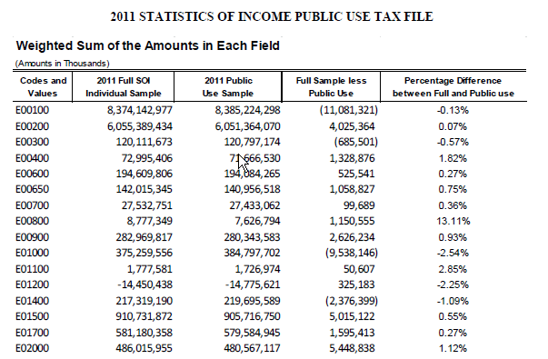
2017 | 13,481,938 | 973,306,129 | 72,193 |  |  | e02000 in 2011
change | 1,630,019 | 311,974,644 | 16,394 |  |  | Income | 661,331,485
% change | 13.8% | 47.2% | 29.4% |  |  | Loss | 175,315,530
average annual compound growth |  |  | 4.4% |  |  | Net | 486,015,955

2018 | 13,396,181 | 1,001,398,952 | 74,753 |  |  | PUF doc | 486,015,955 | see screenshot
change vs 2017 | (85,757) | 28,092,823 | 2,559
% change | -0.6% | 2.9% | 3.5%

ASCHEI growfactor, cumulative growth |  |  | 18.2%
average annual compound growth |  |  | 2.8%
% change 2017 to 2018 |  |  | 2.6%

Loss
2011 | 7,804,335 | 175,315,530 | 22,464
2017 | 7,132,476 | 206,369,393 | 28,934
change | (671,859) | 31,053,863 | 6,470
% change | -8.6% | 17.7% | 28.8%
average annual compound growth |  |  | 4.3%

2018 | 6,904,408 | 222,751,627 | 32,262
change vs 2017 | (228,068) | 16,382,234 | 3,328
% change | -3.2% | 7.9% | 11.5%
ASCHEL growfactor, cumulative growth |  |  | -12.1% | This is a big difference from the +28.8% seen in the data
average annual compound growth |  |  | -2.1%
% change 2017 to 2018 |  |  | 2.6% | Big difference from 11.5% but stick with the growfactor

