scratch
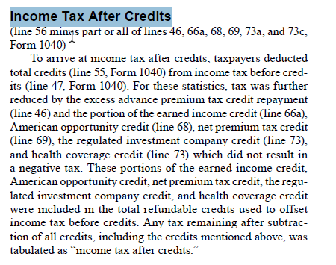
From IRS Pub 1304

income_tax_liability_defs
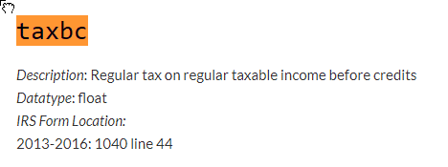
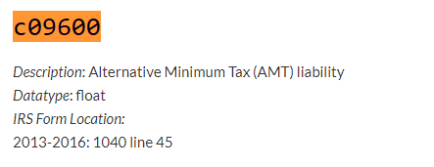
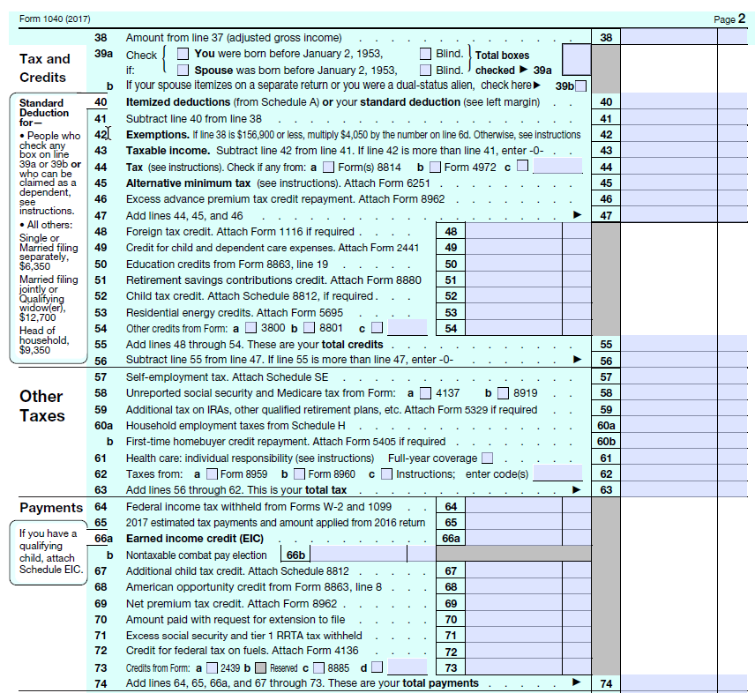
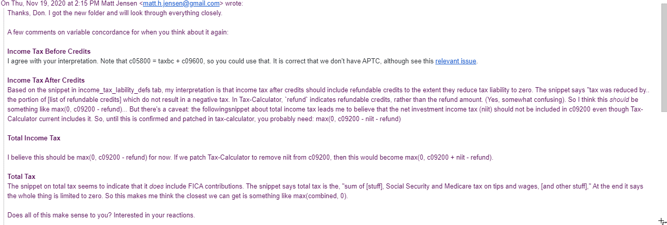
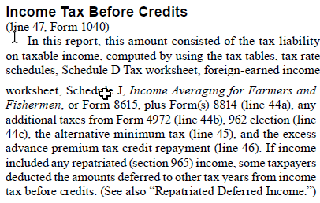
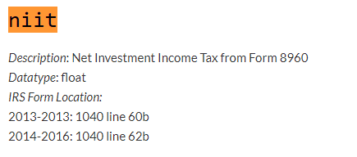
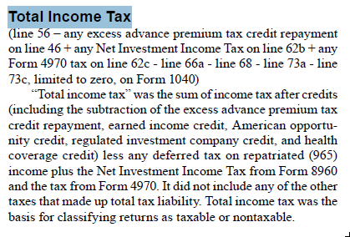
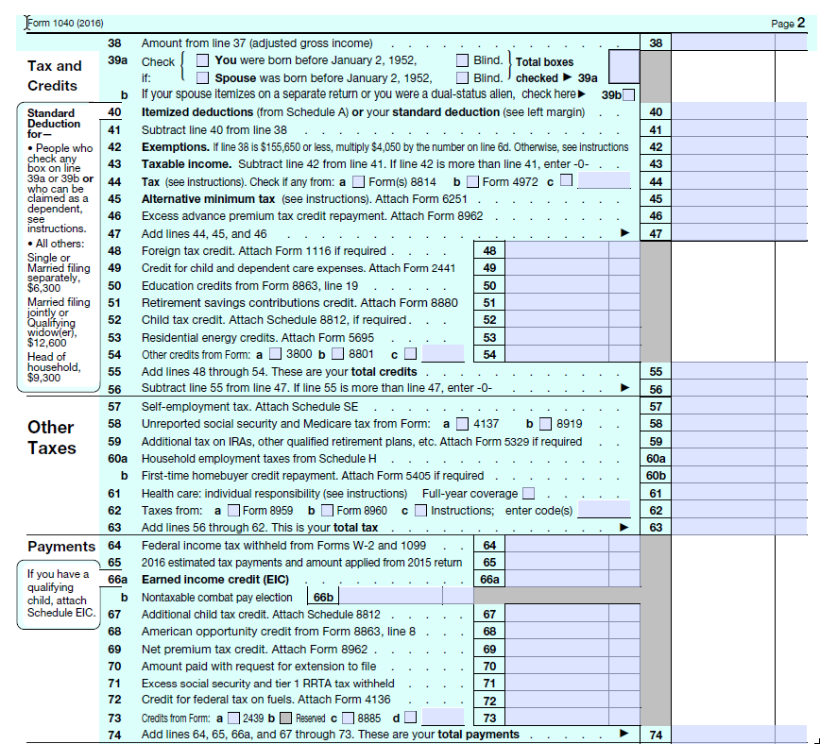
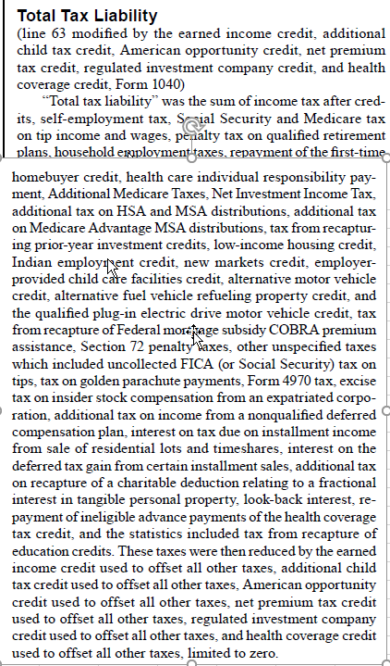
It looks to me like we have the following mappings:
next steps | IRS | my IRS varname | IRS notes | puf | puf notes
construct IRS variable when time permits | no IRS counterpart but can construct one |  | IRS Table 1.4 has income tax before credits (column EM), AMT (column EI), and APTC (column EK) so could construct IRS counterpart to puf taxbc by subtracting IRS AMT and APTC from IRS taxbc | taxbc | Regular tax on regular taxable income before credits
good once I name the IRS variable | Income tax before credits | taxbc | IRS Table 1.4 column EM | use c05800: A perfect definition would be {taxbc + c09600 (AMT) + advance premium tax credit repayment}. However, we don't have APTC and c05800 = taxbc + c09600 so we can just use c05800 | APTC is not in the puf
this is good to go - construct puf variable as noted | Income tax after credits | taxac | IRS Table 1.2 column L | taxacirs = max(0, c09200 - nit - refund) for now; after tax-calculator is patched, we'll use max(0, c09200 - refund) | Income tax liability (including other taxes) after non-refundable credits
IRS variable already pulled and named but we need definition for puf counterpart | Total income tax | taxtot | IRS Table 1.2 column N |  | not sure
would need to parse an IRS file I am not currently reading, so put on back burner | Total tax liability | not currently reading the data | includes FICA taxes; IRS Table 3.3 by agi range; also in 1.3, 3.7, but not by range |  | ?? we only want the employee's share of FICA, so we need an alternative to max(combined, 0)

 | Income tax concepts: IRS Publication 1304 for 2017 on the left, tax-calculator documentation on the right

