shirakawa_ito_tab5
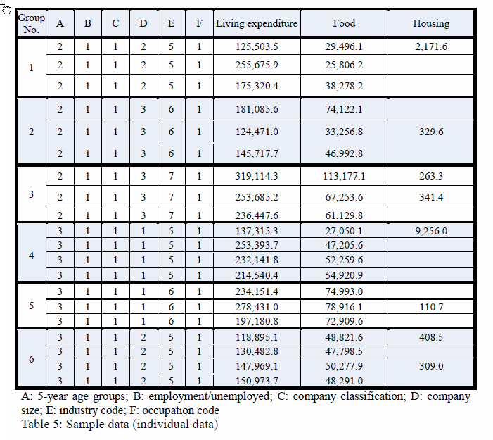
 |  | A | B | C | D | E | F | Living expenditure | Food | Housing
recnum | groupno | A | B | C | D | E | F | livexp | food | housing
1 | 1 | 2 | 1 | 1 | 2 | 5 | 1 | 125,503.5 | 29,496.1 | 2,171.6
2 | 1 | 2 | 1 | 1 | 2 | 5 | 1 | 255,675.9 | 25,806.2
3 | 1 | 2 | 1 | 1 | 2 | 5 | 1 | 175,320.4 | 38,278.2
4 | 2 | 2 | 1 | 1 | 3 | 6 | 1 | 181,085.6 | 74,122.1
5 | 2 | 2 | 1 | 1 | 3 | 6 | 1 | 124,471.0 | 33,256.8 | 329.6
6 | 2 | 2 | 1 | 1 | 3 | 6 | 1 | 145,717.7 | 46,992.8
7 | 3 | 2 | 1 | 1 | 3 | 7 | 1 | 319,114.3 | 113,177.1 | 263.3
8 | 3 | 2 | 1 | 1 | 3 | 7 | 1 | 253,685.2 | 67,253.6 | 341.4
9 | 3 | 2 | 1 | 1 | 3 | 7 | 1 | 236,447.6 | 61,129.8
10 | 4 | 3 | 1 | 1 | 1 | 5 | 1 | 137,315.3 | 27,050.1 | 9,256.0
11 | 4 | 3 | 1 | 1 | 1 | 5 | 1 | 253,393.7 | 47,205.6
12 | 4 | 3 | 1 | 1 | 1 | 5 | 1 | 232,141.8 | 52,259.6
13 | 4 | 3 | 1 | 1 | 1 | 5 | 1 | 214,540.4 | 54,920.9
14 | 5 | 3 | 1 | 1 | 1 | 6 | 1 | 234,151.4 | 74,993.0
15 | 5 | 3 | 1 | 1 | 1 | 6 | 1 | 278,431.0 | 78,916.1 | 110.7
16 | 5 | 3 | 1 | 1 | 1 | 6 | 1 | 197,180.8 | 72,909.6
17 | 6 | 3 | 1 | 1 | 2 | 5 | 1 | 118,895.1 | 48,821.6 | 408.5
18 | 6 | 3 | 1 | 1 | 2 | 5 | 1 | 130,482.8 | 47,798.5
19 | 6 | 3 | 1 | 1 | 2 | 5 | 1 | 147,969.1 | 50,277.9 | 309.0
20 | 6 | 3 | 1 | 1 | 2 | 5 | 1 | 150,973.7 | 48,291.0

shirakawa_ito_tab7
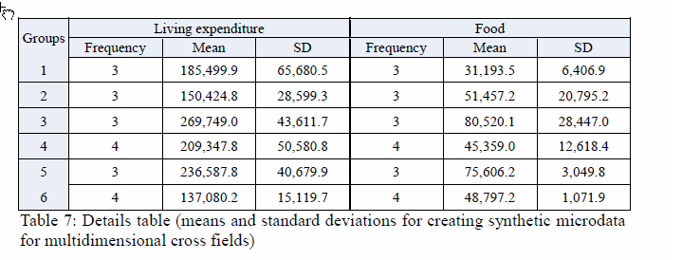
Groups
groupno | livexp_freq | livexp_mean | livexp_sd | food_freq | food_mean | food_sd
1 | 3 | 185,499.9 | 65,680.5 | 3 | 31,193.5 | 6,406.9
2 | 3 | 150,424.8 | 28,599.3 | 3 | 51,457.2 | 20,795.2
3 | 3 | 269,749.0 | 43,611.7 | 3 | 80,520.1 | 28,447.0
4 | 4 | 209,347.8 | 50,580.8 | 4 | 45,359.0 | 12,618.4
5 | 3 | 236,587.8 | 40,679.9 | 3 | 75,606.2 | 3,049.8
6 | 4 | 137,080.2 | 15,119.7 | 4 | 48,797.2 | 1,071.9

