tab11_map
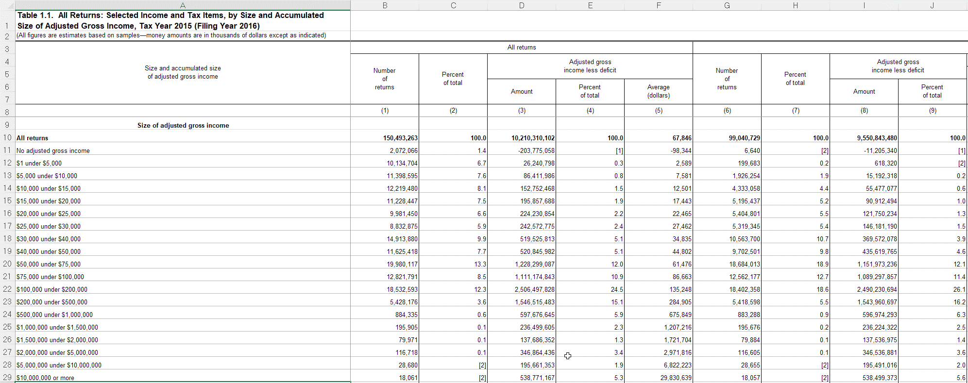
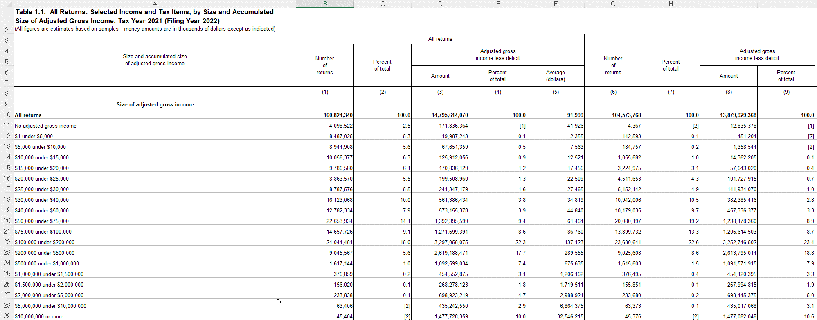
rowtype | rownum_2015 | rownum_2021 | rownum_2015_txbl | rownum_2021_txbl
startrow | 10 | 10 | 10 | 10
endrow | 29 | 29 | 29 | 29

vname | description | units | column_2015 | column_2021 | column_2015_txbl | column_2021_txbl | notes
incrange | Size of adjusted gross income | 0 | A | A | A | A
nret_all | Number of returns | 1 | B | B | G | G
agi | Adjusted gross income less deficit | 1000 | D | D | I | I

tab12_map
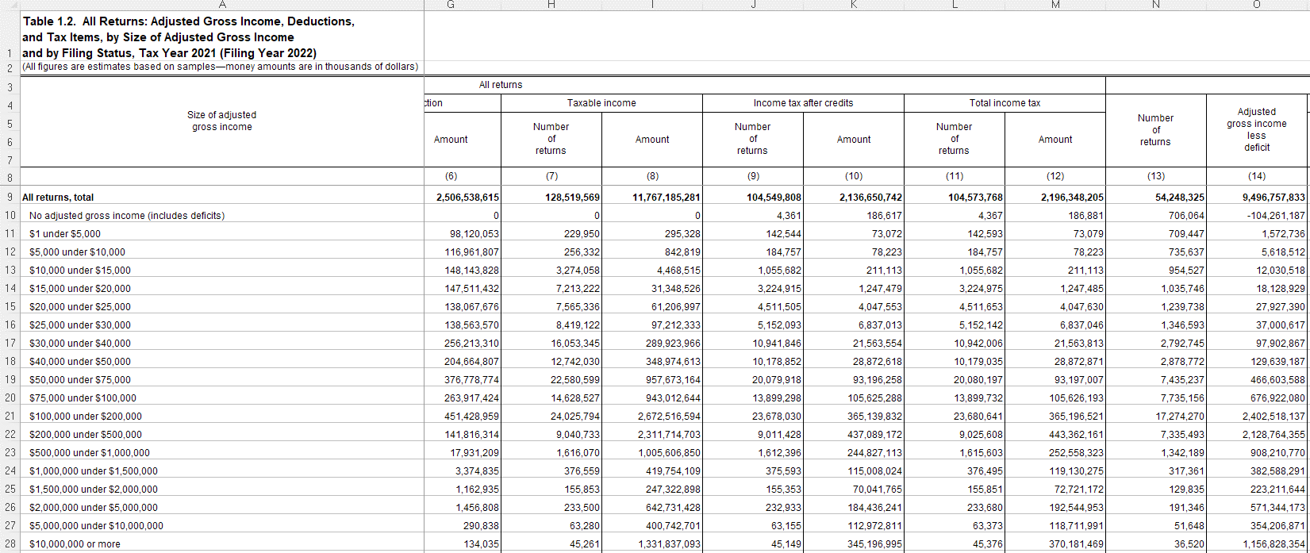
rowtype | rownum_2015 | rownum_2021 | rownum_2015_txbl | rownum_2021_txbl
startrow | 9 | 9 | 29 | 29
endrow | 28 | 28 | 29 | 44

vname | description | units | column_2015 | column_2021 | column_2015_txbl | column_2021_txbl | notes
incrange | Size of adjusted gross income | 0 | A | A | A | A
nret_all | Number of returns | 1 | B | B | B | B
agi | Adjusted gross income less deficit | 1000 | C | C | C | C
exemption | Exemption amount | 1000 | D |  | D
nret_itemded | Number of returns with itemized deductions | 1 | E | D | E | D
itemded | Total itemized deductions | 1000 | F | E | F | E
nret_sd | Number of returns with standard deduction | 1 | G | F | G | F
sd | Standard deduction | 1000 | H | G | H | G
nret_ti | Number of returns with taxable income | 1 | I | H | I | H
ti | Taxable income | 1000 | J | I | J | I
nret_taxac | Number of returns with income tax after credits | 1 | K | J | K | J
taxac | Income tax after credits | 1000 | L | K | L | K
nret_taxtot | Number of returns with total income tax | 1 | M | L | M | L
taxtot | Total income tax | 1000 | N | M | N | M
nret_mfjss | Number of returns of married persons filing jointly and returns of surviving spouses | 1 | O | N | O | N
agi_mfjss | Adjusted gross income less deficit, married filing joint and surviving spouses | 1000 | P | O | P | O
nret_mfs | Number of returns of married persons filing separately | 1 | AB | Z | AB | Z
agi_mfs | Adjusted gross income less deficit, married filing separately | 1000 | AC | AA | AC | AA
nret_hoh | Number of returns of heads of households | 1 | AO | AL | AO | AL
agi_hoh | Adjusted gross income less deficit, heads of households | 1000 | AP | AM | AP | AM
nret_single | Number of returns of single persons | 1 | BB | AX | BB | AX
agi_single | Adjusted gross income less deficit, single | 1000 | BC | AY | BC | AY

tab14_map
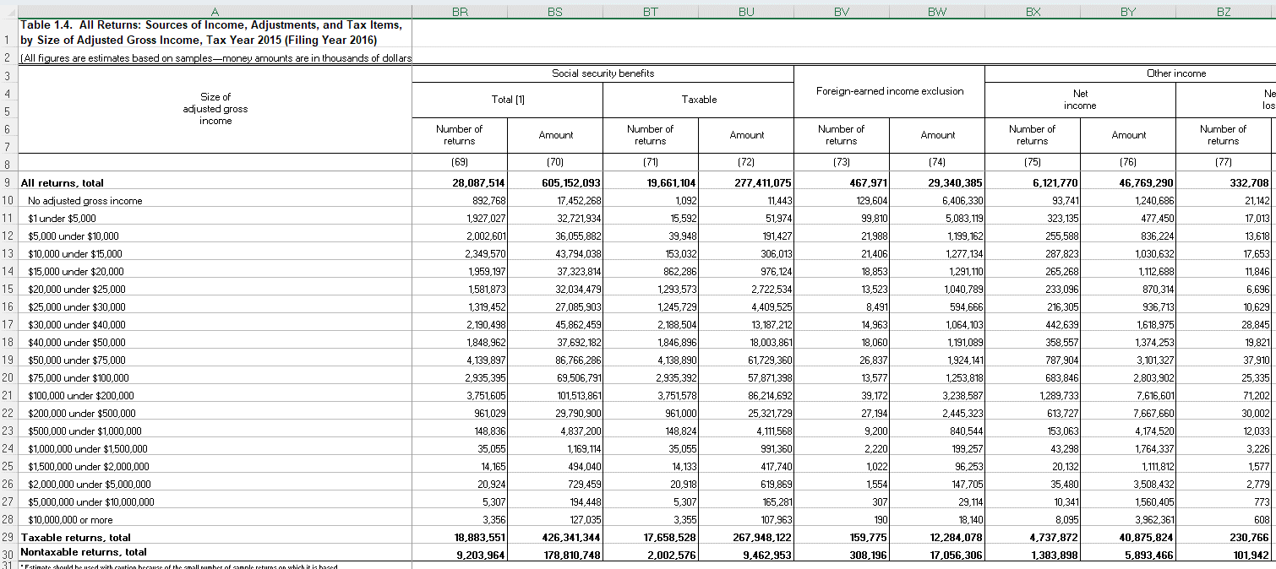
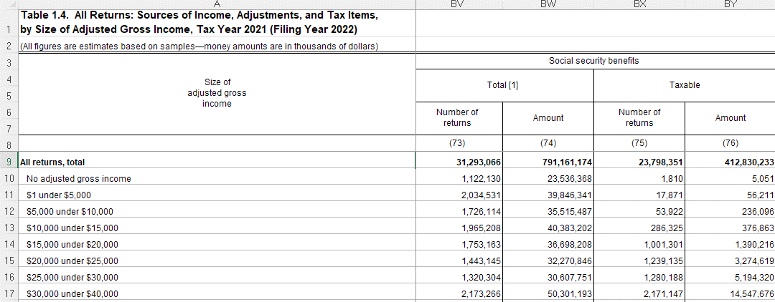
rowtype | rownum_2015 | rownum_2021 | rownum_2015_txbl | rownum_2021_txbl
startrow | 9 | 9 | 29 | 29
endrow | 28 | 28 | 29 | 44

vname | description | units | column_2015 | column_2021 | column_2015_txbl | column_2021_txbl
incrange | Size of adjusted gross income | 0 | A | A | A | A
nret_all | Number of returns | 1 | B | B | B | B
agi | Adjusted gross income less deficit | 1000 | C | C | C | C
nret_wages | Number of returns with salaries and wages | 1 | F | F | F | F
wages | Salaries and wages | 1000 | G | G | G | G
nret_taxint | Number of returns with taxable interest | 1 | H | H | H | H
taxint | Taxable interest | 1000 | I | I | I | I
nret_exemptint | Number of returns with tax-exempt interest | 1 | J | J | J | J
exemptint | Tax-exempt interest | 1000 | K | K | K | K
nret_orddiv | Number of returns with ordinary dividends | 1 | L | L | L | L
orddiv | Ordinary dividends | 1000 | M | M | M | M
nret_qualdiv | Number of returns with qualified dividends | 1 | N | N | N | N
qualdiv | Qualified dividends | 1000 | O | O | O | O
nret_busprofnetinc | Number of returns with business or professional net income | 1 | T | T | T | T
busprofnetinc | Business or professional net income | 1000 | U | U | U | U
nret_busprofnetloss | Number of returns with business or professional net loss | 1 | V | V | V | V
busprofnetloss | Business or professional net loss | 1000 | W | W | W | W
nret_cgdist | Number of returns with capital gain distributions | 1 | X | X | X | X
cgdist | Capital gains distributions | 1000 | Y | Y | Y | Y
nret_cggross | Number of returns with capital gains gross taxable | 1 | Z | Z | Z | Z
cggross | Capital gains gross taxable | 1000 | AA | AA | AA | AA
nret_cgloss | Number of returns with capital loss taxable | 1 | AB | AB | AB | AB
cgloss | Capital loss taxable | 1000 | AC | AC | AC | AC
nret_iradist | Number of returns with IRA distributions | 1 | AH | AH | AH | AH
iradist | Individual Retirement Arrangements (IRA) distributions | 1000 | AI | AI | AI | AI
nret_pensions | Number of returns with total pensions and annuities (including nontaxable) | 1 | AJ | AJ | AJ | AJ
pensions | Total pensions and annuities (including nontaxable) | 1000 | AK | AK | AK | AK
nret_pensions_taxable | Number of returns with taxable pensions and annuities | 1 | AL | AL | AL | AL
pensions_taxable | Taxable pensions and annuities | 1000 | AM | AM | AM | AM
nret_rentroyinc | Number of returns with total rental and royalty income | 1 | AZ | AZ | AZ | AZ
rentroyinc | Total rental and royalty income | 1000 | BA | BA | BA | BA
nret_rentroyloss | Number of returns with total rental and royalty loss | 1 | BB | BB | BB | BB
rentroyloss | Total rental and royalty income loss | 1000 | BC | BC | BC | BC
nret_partnerscorpinc | Number of returns with partnership or S corporation net income | 1 | BD |  | BD
partnerscorpinc | Partnership or S corporation net income | 1000 | BE |  | BE
nret_partnerscorploss | Number of returns with partnership or S corporation net loss | 1 | BF |  | BF
partnerscorploss | Partnership or S corporation net loss | 1000 | BG |  | BG
nret_partnerpinc | Number of returns with partnership net income | 1 |  | BD |  | BD
partnerinc | Partnership net income | 1000 |  | BE |  | BE
nret_partnerloss | Number of returns with partnership net loss | 1 |  | BF |  | BF
partnerloss | Partnership net loss | 1000 |  | BG |  | BG
nret_scorpinc | Number of returns with S corporation net income | 1 |  | BH |  | BH
scorpinc | S corporation net income | 1000 |  | BI |  | BI
nret_scorploss | Number of returns with S corporation net loss | 1 |  | BJ |  | BJ
scorploss | S corporation net loss | 1000 |  | BK |  | BK
nret_estateinc | Number of returns with estate and trust income | 1 | BH | BL | BH | BL
estateinc | Estate and trust income | 1000 | BI | BM | BI | BM
nret_estateloss | Number of returns with estate and trust loss | 1 | BJ | BN | BJ | BN
estateloss | Estate and trust loss | 1000 | BK | BO | BK | BO
nret_unempcomp | Number of returns with unemployment compensation | 1 | BP | BT | BP | BT
unempcomp | Unemployment compensation | 1000 | BQ | BU | BQ | BU
nret_socsectot | Number of returns with total Social Security benefits | 1 | BR | BV | BR | BV
socsectot | Total Social Security benefits | 1000 | BS | BW | BS | BW
nret_socsectaxable | Number of returns with taxable Social Security benefits | 1 | BT | BX | BT | BX
socsectaxable | Taxable Social Security benefits | 1000 | BU | BY | BU | BY
nret_itemded | Number of returns with itemized deductions | 1 | DV | DV | DV | DV
itemded | Total itemized deductions | 1000 | DW | DW | DW | DW
n_exemptions | Number of exemptions | 1 | DX |  | DX
exemption | Exemption amount | 1000 | DY |  | DY
nret_qbid | Number of returns with Qualified Business Income Deduction | 1 |  | DX |  | DX
qbid | Qualified Business Income Deduction | 1000 |  | DY |  | DY
nret_amt | Number of returns with alternative minimum tax | 1 | ED | ED | ED | ED
amt | Alternative minimum tax | 1000 | EE | EE | EE | EE
nret_taxbc | Number of returns with income tax before credits (IRS definition, not PUF definition) | 1 | EH | EH | EH | EH
taxbc | Income tax before credits (IRS definition, not PUF definition) | 1000 | EI | EI | EI | EI

tab21_map
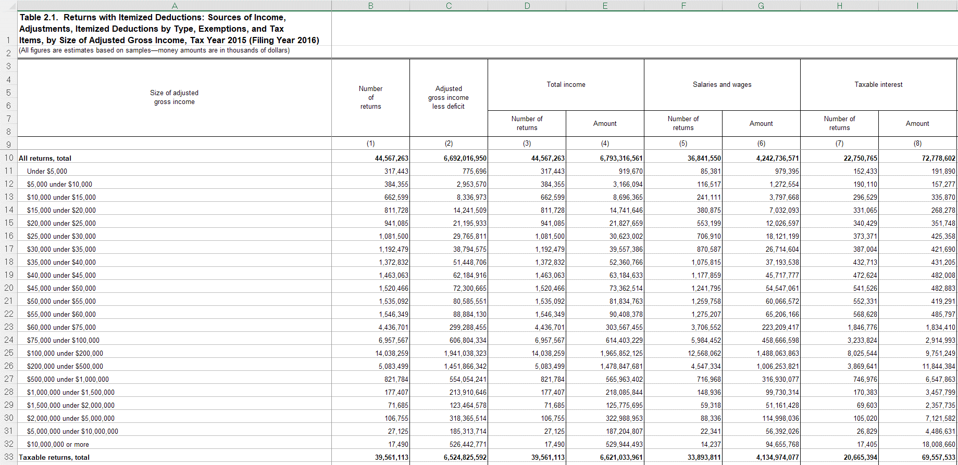
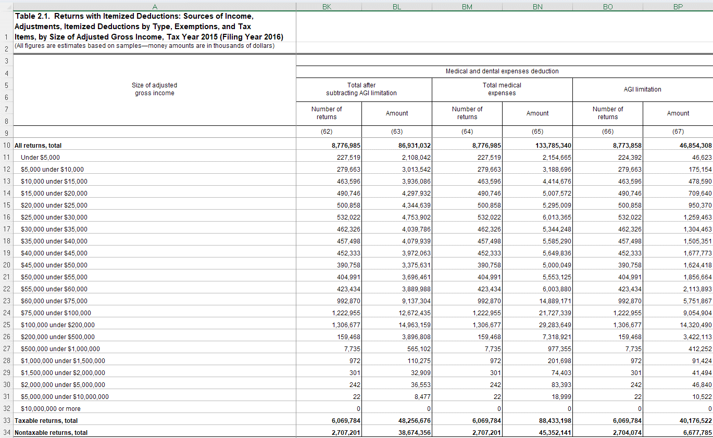
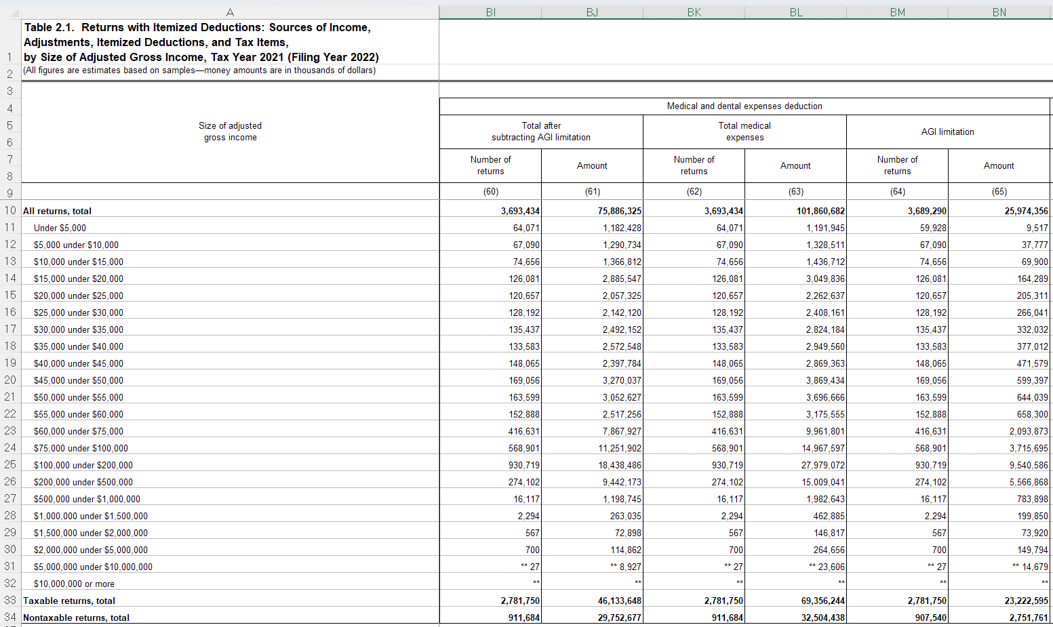
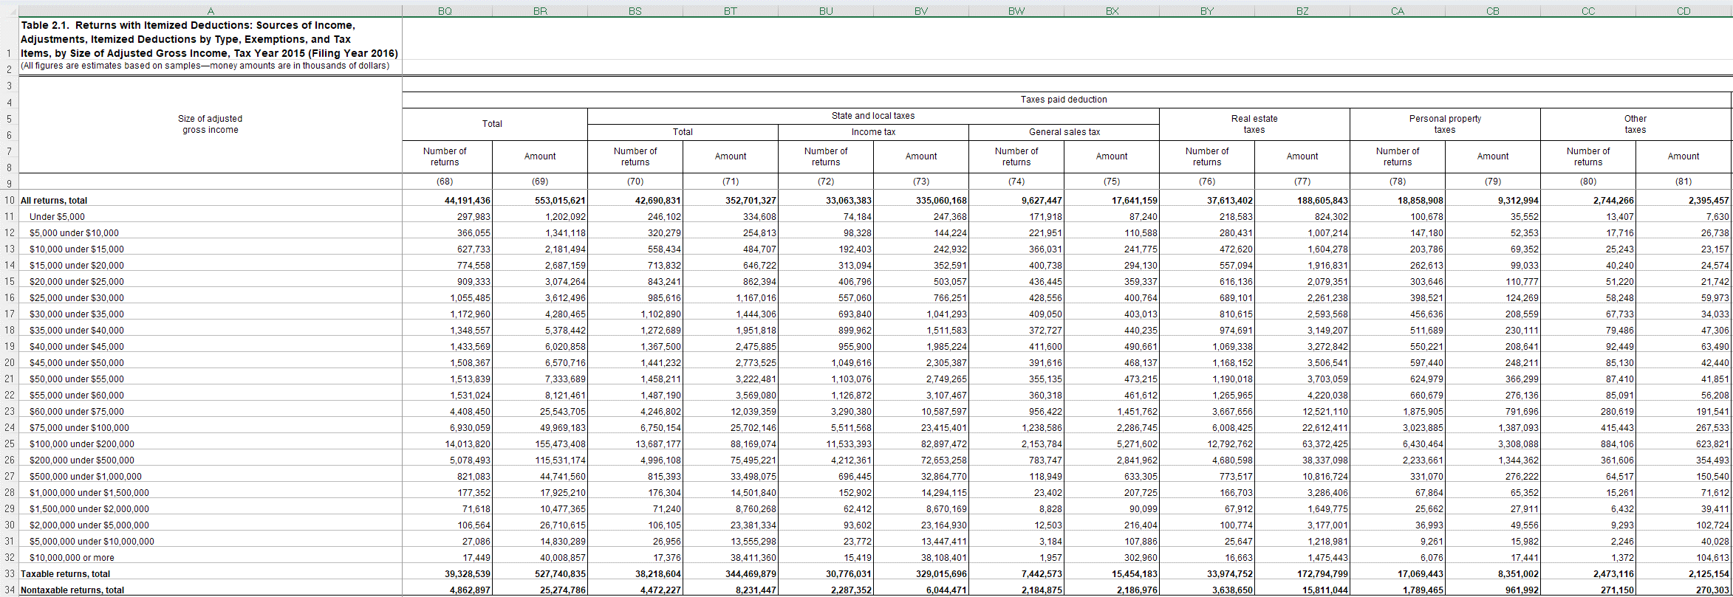
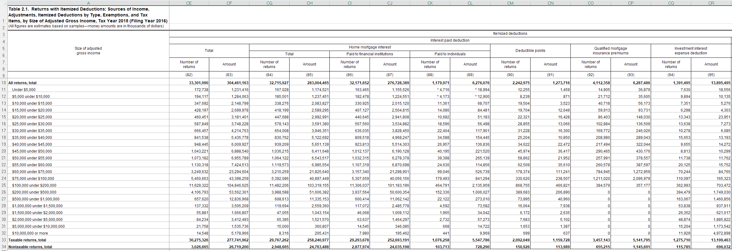
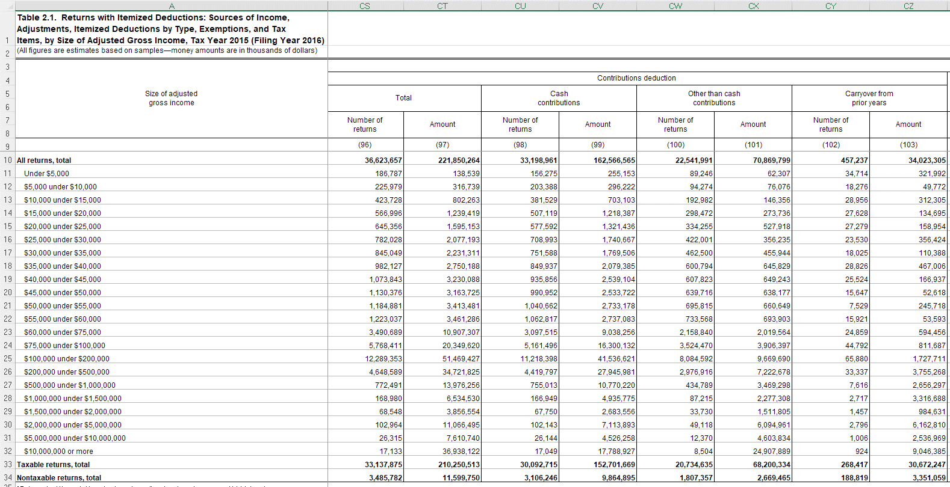
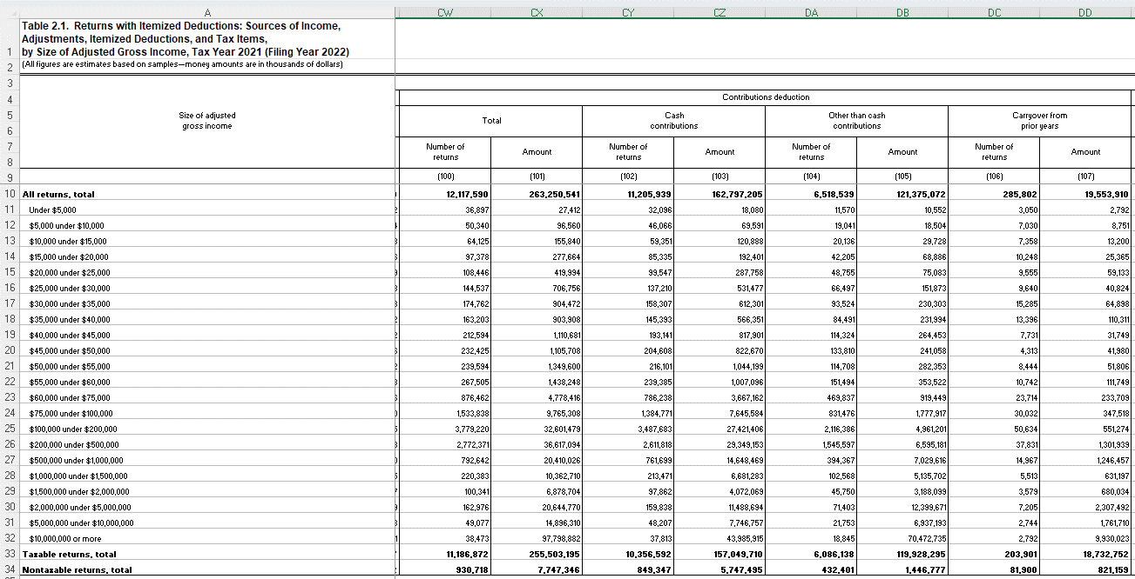
rowtype | rownum_2015 | rownum_2021 | rownum_2015_txbl | rownum_2021_txbl
startrow | 10 | 10 | 33 | 33
endrow | 32 | 32 | 33 | 33

vname | description | units | column_2015 | column_2021 | column_2015_txbl | column_2021_txbl | notes
incrange | Size of adjusted gross income, Table 21 definition | 1000 | A | A | A | A
nret_itemded | Number of returns with itemized deductions | 1 | B | B | B | B
nret_id_medical_capped | Number of returns with total medical expenses, capped | 1 | BK | BI | BK | BI
id_medical_capped | Total medical expenses, capped | 1000 | BL | BJ | BL | BJ
nret_id_medical_uncapped | Number of returns with total medical expenses, uncapped | 1 | BM | BK | BM | BK
id_medical_uncapped | Total medical expenses, uncapped | 1000 | BN | BL | BN | BL
nret_id_taxpaid | Number of returns with taxes paid deduction | 1 | BQ | BO | BQ | BO
id_taxpaid | Taxes paid deduction | 1000 | BR | BP | BR | BP
nret_id_salt | Number of returns with state and local taxes deduction | 1 | BS | BQ | BS | BQ
id_salt | State and local taxes deduction | 1000 | BT | BR | BT | BR
nret_id_pit | Number of returns with income tax deduction | 1 | BU | BU | BU | BU
id_pit | Income tax deduction | 1000 | BV | BV | BV | BV
nret_id_gst | Number of returns with general sales tax deduction | 1 | BW | BW | BW | BW
id_gst | General sales tax deduction | 1000 | BX | BX | BX | BX
nret_id_retax | Number of returns with real estate tax deduction | 1 | BY | BY | BY | BY
id_retax | Real estate tax deduction | 1000 | BZ | BZ | BZ | BZ
nret_id_intpaid | Number of returns with interest paid deduction | 1 | CE | CG | CE | CG
id_intpaid | Interest paid deduction | 1000 | CF | CH | CF | CH
nret_id_mortgage | Number of returns with mortgage interest paid (any recipient) | 1 | CG | CI | CG | CI
id_mortgage | Mortgage interest paid (any recipient) | 1000 | CH | CJ | CH | CJ
nret_id_contributions | Number of returns with contributions deduction | 1 | CS | CW | CS | CW
id_contributions | Contributions deduction | 1000 | CT | CX | CT | CX

scratch
From IRS Pub 1304
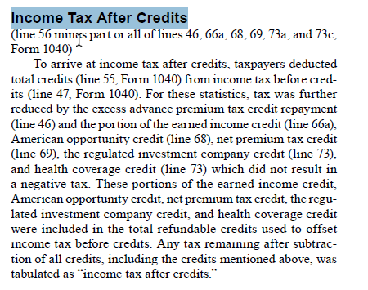

incrange | Size of adjusted gross income | 0 | A | 1
nret_all | Number of returns | 1 | B | 2
agi | Adjusted gross income less deficit | 1000 | C | 3
nret_wages | Number of returns with salaries and wages | 1 | F | 6
wages | Salaries and wages | 1000 | G | 7
nret_taxint | Number of returns with taxable interest | 1 | H | 8
taxint | Taxable interest | 1000 | I | 9
nret_exemptint | Number of returns with tax-exempt interest | 1 | J | 10
exemptint | Tax-exempt interest | 1000 | K | 11
nret_orddiv | Number of returns with ordinary dividends | 1 | L | 12
orddiv | Ordinary dividends | 1000 | M | 13
nret_qualdiv | Number of returns with qualified dividends | 1 | N | 14
qualdiv | Qualified dividends | 1000 | O | 15
nret_busprofnetinc | Number of returns with business or professional net income |  | T | 20
busprofnetinc | Business or professional net income |  | U | 21
nret_busprofnetloss | Number of returns with business or professional net loss |  | V | 22
busprofnetloss | Business or professional net loss |  | W | 23
nret_cgdist | Number of returns with capital gain distributions |  | X | 24
cgdist | Capital gains distributions |  | Y | 25
nret_cggross | Number of returns with capital gains gross taxable | 1 | Z | 26
cggross | Capital gains gross taxable | 1000 | AA | 27
nret_cgloss | Number of returns with capital loss taxable | 1 | AB | 28
cgloss | Capital loss taxable | 1000 | AC | 29
nret_iradist | Number of returns with IRA distributions | 1 | AH | 34
iradist | Individual Retirement Arrangements (IRA) distributions | 1000 | AI | 35
nret_pensions | Number of returns with total pensions and annuities (including nontaxable) | 1 | AJ | 36
pensions | Total pensions and annuities (including nontaxable) | 1000 | AK | 37
nret_pensions_taxable | Number of returns with taxable pensions and annuities | 1 | AL | 38
pensions_taxable | Taxable pensions and annuities | 1000 | AM | 39
nret_rentroyinc | Number of returns with total rental and royalty income |  | AZ | 52
rentroyinc | Total rental and royalty income |  | BA | 53
nret_rentroyloss | Number of returns with total rental and royalty loss |  | BB | 54
rentroyloss | Total rental and royalty income loss |  | BC | 55
nret_partnerscorpinc | Number of returns with partnership or S corporation net income | 1 | BD | 56
partnerscorpinc | Partnership or S corporation net income | 1000 | BE | 57
nret_partnerscorploss | Number of returns with partnership or S corporation net loss | 1 | BF | 58
partnerscorploss | Partnership or S corporation net loss | 1000 | BG | 59
nret_estateinc | Number of returns with estate and trust income |  | BH | 60
estateinc | Estate and trust income |  | BI | 61
nret_estateloss | Number of returns with estate and trust loss |  | BJ | 62
estateloss | Estate and trust loss |  | BK | 63
BP | BP |  | BP | 68
BQ | BQ |  | BQ | 69
nret_socsectot | Number of returns with total Social Security benefits | 1 | BR | 70
socsectot | Total Social Security benefits | 1000 | BS | 71
nret_socsectaxable | Number of returns with taxable Social Security benefits | 1 | BT | 72
socsectaxable | Taxable Social Security benefits | 1000 | BU | 73
nret_itemded | Number of returns with itemized deductions | 1 | DZ | 130
itemded | Total itemized deductions | 1000 | EA | 131
n_exemptions | Number of exemptions | 1 | EB | 132
exemption | Exemption amount | 1000 | EC | 133
nret_amt | Number of returns with alternative minimum tax | 1 | EH | 138
amt | Alternative minimum tax | 1000 | EI | 139
nret_taxbc | Number of returns with income tax before credits (IRS definition, not PUF definition) |  | EL | 142
taxbc | Income tax before credits (IRS definition, not PUF definition) |  | EM | 143

income_tax_liability_defs
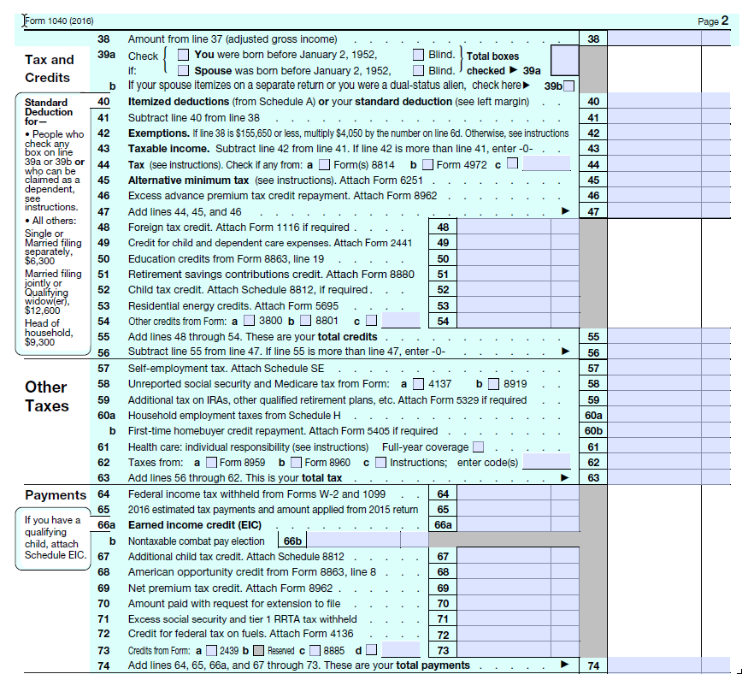
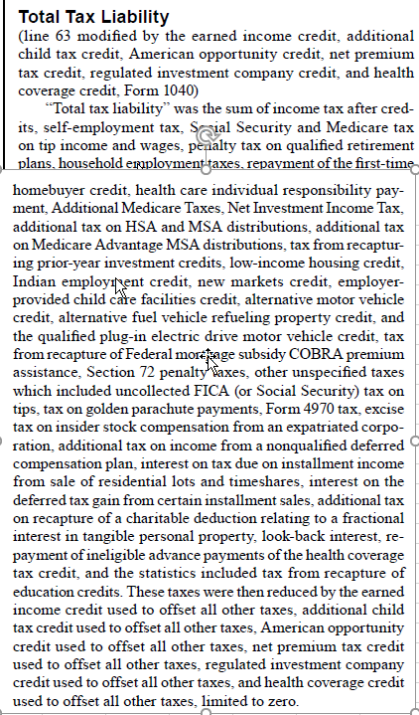
It looks to me like we have the following mappings:
next steps | IRS | my IRS varname | IRS notes | puf | puf notes
construct IRS variable when time permits | no IRS counterpart but can construct one |  | IRS Table 1.4 has income tax before credits (column EM), AMT (column EI), and APTC (column EK) so could construct IRS counterpart to puf taxbc by subtracting IRS AMT and APTC from IRS taxbc | taxbc | Regular tax on regular taxable income before credits
good once I name the IRS variable | Income tax before credits | taxbc | IRS Table 1.4 column EM | use c05800: A perfect definition would be {taxbc + c09600 (AMT) + advance premium tax credit repayment}. However, we don't have APTC and c05800 = taxbc + c09600 so we can just use c05800 | APTC is not in the puf
this is good to go - construct puf variable as noted | Income tax after credits | taxac | IRS Table 1.2 column L | taxacirs = max(0, c09200 - nit - refund) for now; after tax-calculator is patched, we'll use max(0, c09200 - refund) | Income tax liability (including other taxes) after non-refundable credits
IRS variable already pulled and named but we need definition for puf counterpart | Total income tax | taxtot | IRS Table 1.2 column N |  | not sure
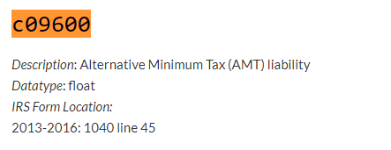
would need to parse an IRS file I am not currently reading, so put on back burner | Total tax liability | not currently reading the data | includes FICA taxes; IRS Table 3.3 by agi range; also in 1.3, 3.7, but not by range |  | ?? we only want the employee's share of FICA, so we need an alternative to max(combined, 0)

 | Income tax concepts: IRS Publication 1304 for 2017 on the left, tax-calculator documentation on the right
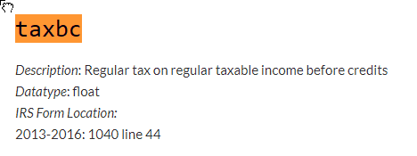

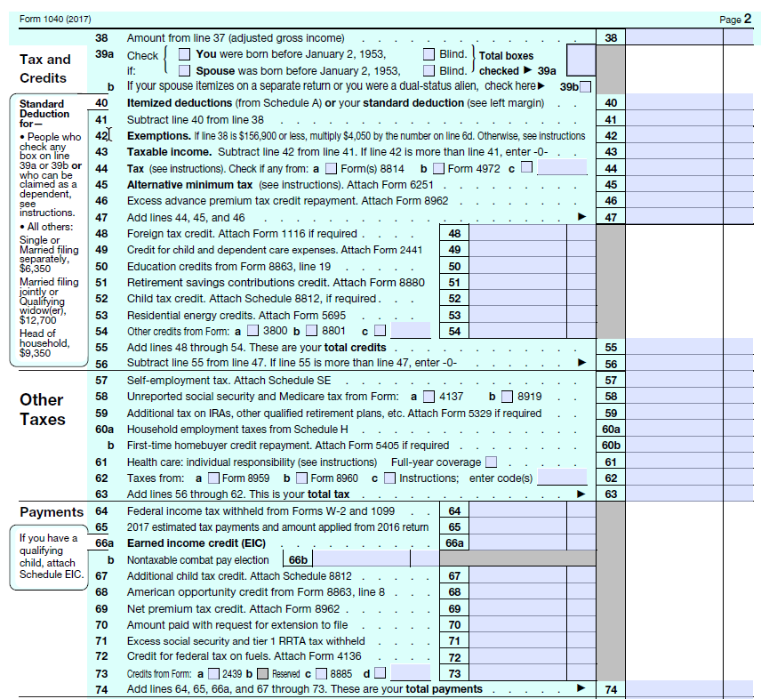

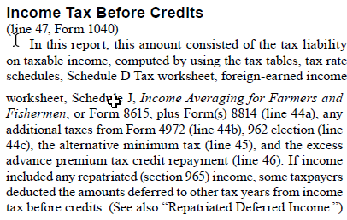

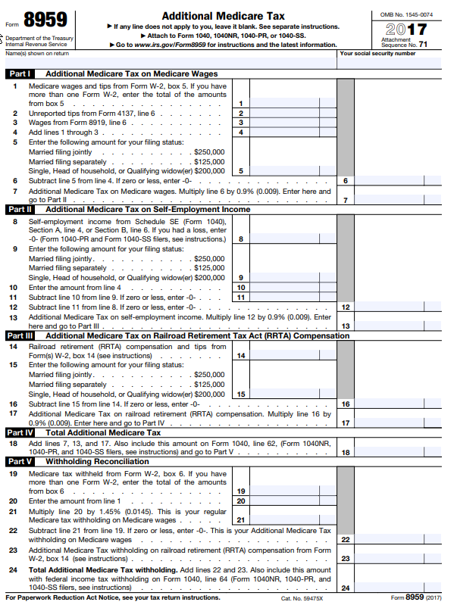

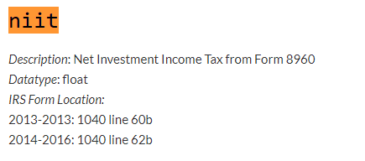

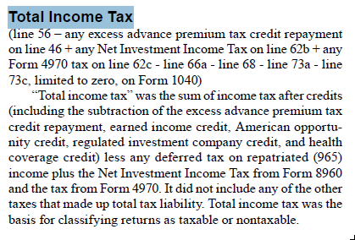
 |  |  | Total income tax

