Sheet1
截至去年3月17日，腾讯通过旗下黄河投资(Huang River Investment Limited)以17.78亿美元在公开市场收购了特斯拉816.75万股股票，占股5%，平均买入价约为217美元/股。

5%的持股也让腾讯成为了特斯拉当时的第五大股东，排在其前面的四大股东分别为：马斯克，持股大约21%；富达投资，持股14%；Baillie Gifford，持股8.2%；T. Rowe Price，持股7.3%。

资深华尔街投资人士杨庆宏分析称，腾讯一定是从2016年年底开始买入的，且非常谨慎地避免推高股价。

腾讯18亿美元收购特斯拉5%股权 成第五大股东】特斯拉联合腾讯提交的SEC文件显示，腾讯控股旗下Huang River Investment Limited目前持有特斯拉816.75万股股票普通股，占后者总股本的5%。
上述普通股包括腾讯在特斯拉2017年3月17日配售中收购的股票，以及腾讯在公开市场收购的股票，收购款总规模1,777,842,836美元（包括佣金）。
特斯拉前四大股东分别为：Elon Musk，持股大约21%；富达投资，持股14%；Baillie Gifford，持股8.2%；T. Rowe Price，持股7.3%。（投中网）
据特斯拉提交给美国证券交易委员会(SEC)的Schedule 13G文件显示，今年3月17日，腾讯通过旗下黄河投资(Huang River Investment Limited)以17.78亿美元在公开市场收购了特斯拉816.75万股股票，占股5%
特斯拉的证管文件显示，腾讯收购5%股份的价格约为17.78亿美元，约合每股217.67美元。腾讯以特斯拉3月17日定向增发和公开市场收购的方式获得这些股份，价格远低于特斯拉17日的最低市场价261.20美元，折价比达16.67%。
James Gordon Mitchell
负责为腾讯投资的CSO（首席战略官）詹姆斯·米切尔（James Mitchell），也是前高盛纽约分公司总经理。此人专长投资通讯、传媒、娱乐和互联网。他掌管腾讯旗下的黄河投资（Huang River Investment Limited），却在做与其华尔街时期相反的事情：为传媒+互联网公司收购科技公司股权。
讲投资： | http://www.sohu.com/a/224179692_264439

腾讯投资并购部总经理林海峰
李朝辉
February 12, 2018 - Tencent Holdings Ltd has filed an SC 13G/A form with the Securities and Exchange Commission (SEC) disclosing ownership of 8,347,094 shares
of Tesla Motors, Inc. (NASDAQ:TSLA). This represents 4.97 percent ownership of the company. In their previous filing dated March 28, 2017,
Tencent Holdings Ltd had reported owning 8,167,544 shares, indicating an increase of 2.20 percent.
 |  |  |  |  | 2017-03-17 | 收够总价款
 |  |  |  |  | 217.6 | 1777842836 | 8170233.6213 | A company’s outstanding shares can fluctuate for a number of reasons. The number will increase if the company issues additional shares. Companies typically issue shares when they raise capital through an equity financing, or upon exercising employee stock options (ESO) or other financial instruments. Outstanding shares will decrease if the company buys back its shares under a share repurchase program.
Schedule 13G |  | Schedule 13G/A |  |  |  |  |  | Employee Stock Options (ESOs)
SEC Schedule 13D

Form DEF 14A the proxy statement which lists directors and officers, and the number of shares they each own.

Form 3, the initial filing, tells the ownership amounts.
Form 3 when they first acquire shares. This form is also known as the Initial Statement of Beneficial Ownership of Securities |  |  |  |  |  |  |  |  | 8,347,094
 | . Form 3 helps the SEC track initial ownership along with whether there is any suspicious activity going on. |  |  |  |  |  |  |  | 8,167,544 | 179,550
Form 4 identifies the changes in ownership.
Form 4 is also referred to Statement of Changes in Beneficial Ownership. This form is used to report any changes of ownership of |  |  |  |  |  |  |  |  | 168,067,395 | 4,970,265
 | insiders who hold more than 10% of a company's stock. Part of the reporting includes the shareholder's relationship to the company. |  |  |  |  |  |  |  | 163,097,130 | 1.030474264
Form 5 is an annual summary of Form 4 and includes any information that should have been reported |  |  |  |  |  |  |  |  |  | \
Form 5 is an annual snapshot of holdings. Insider trading must be filed electronically through the EDGAR s
 | ystem within two days of the transaction, giving outside investors reasonably up-to-date ownership information.
Schedule 13D: This form is also known as the Beneficial Ownership Report. Anyone who owns more than 5% of a company's stock must file Form 13D with the
 | SEC within 10 days of a stock acquisition. The form must also include the reason behind the stock acquisition—whether it's a merger, company
 | acquisition, or takeover. Other information on this form includes the owner's identity and the source of the funds for the transactio |  |  |  |  |  |  |  | https://money.cnn.com/quote/shareholders/shareholders.html?symb=TSLA&subView=institutional
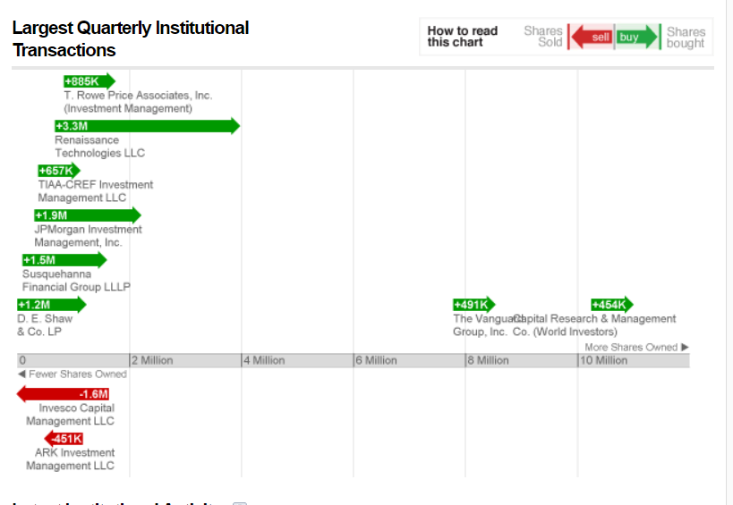
Schedule 13G: Just like Schedule 13D, this form lets the public know about anyone who owns more than 5% of a company's total stock. But it's much shorter
 | than the 13D because it requires much less information. Owners who acquire more than 20% of a company's share must automatically file a Form 13D.

Form 13F is filed quarterly by institutional investment managers who have a minimum of $100 million in assets under management (AUM) within 45 days of the
 | end of a quarter. |  | https://www.sec.gov/divisions/investment/13ffaq.htm

https://www.law.cornell.edu/cfr/text/17/240.13d-101 |  |  |  | 各种简写的解释说明

Are foreign institutional investment managers required to file Form 13F?
A: | Yes, if they: (1) use any means or instrumentality of United States interstate commerce in the course of their business; and (2) exercise investment discretion over $100 million or more in Section 13(f) securities. See Section 13(f)(1) of the Securities Exchange Act and SEC Release No. 34-14852 (June 15, 1978).

