변수 설명
Sheet1 A1~P1 대상자 기본 정보
변수명 | 값 | 변수설명
이름 | 대상자 영문 이니셜 | 이름(동일한 이니셜 일 때 등록번호 순으로 1,2 번호 부여)
나이 | 나이 | 만나이(방문일 기준)
성별 | 1=남 2=여 | 성별
drinking | 1=비음주자 2=적당음주자 3=과음자 | 음주 여부
drinking_note | 음주량 | 음주량
smoking | 1=비흡연자 2=과거흡연자 3=현재흡연자 | 흡연 여부
smoking_note | 흡연량 | 흡연량
underlying condition | 1=유 2=무 | 기저질환 유무
underlying condition_note | 기저질환 명 | 기저질환 명
drug | 1=예 2=아니오 | 약물 복용 여부
drug_note | 복용하는 약물 명 | 복용하는 약물 명

Sheet1 R1 ~ AP1 대상자 둘레 정보
변수명 | 값 | 변수설명
상완둘레 1 ~ 상완둘레 5 팔꿈치 둘레 하완둘레 1 ~ 하완둘레 5 | 상완 길이 / 6 의 간격의 둘레 팔꿈치 중앙의 둘레 하완 길이 / 6 의 간격의 둘레 | 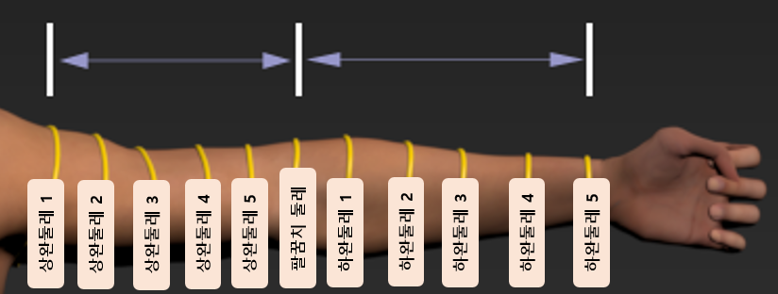
허벅지둘레 1 ~ 허벅지둘레 5 무릎둘레 종아리둘레 1 ~ 종아리둘레 5 | 허벅지 길이 / 6 의 간격의 둘레 무릎 중앙의 둘레 종아리 길이 / 6 의 간격의 둘레 | 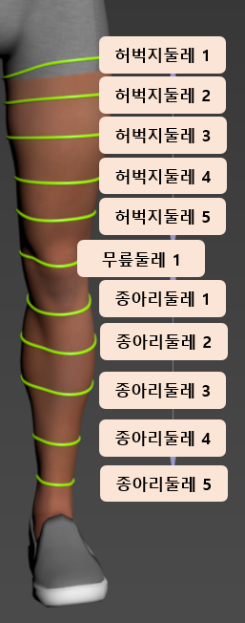
가슴둘레 허리둘레 골반둘레 | 가슴둘레 - 윗 가슴 둘레_어깨를 편 바른 자세에서 가장 올라와 있는 부분 허리둘레 - 토즈에서 요청한 부위 둘레_가슴과 허리 중간 둘레 (*토즈 데이터정의서 명칭상 복부 둘레) 골반둘레 - 골반뼈의 딱딱한 부분을 기준으로 한 둘레 (*토즈 데이터정의서 명칭 상 허리둘레) | 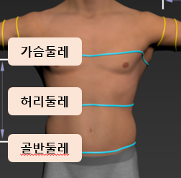

Sheet1 AQ1 ~ AX1 대상자 길이 정보
변수명 | 값 | 변수설명
어깨길이 | 양 어깨의 견봉을 기준으로 한 길이 (* ETRI 에서 요청한 어깨 길이)
상완길이 하완길이 | 어깨-팔꿈치 중앙 까지의 길이 팔꿈치 중앙 - 손목 까지의 길이 | 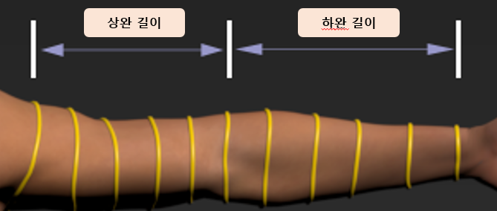
다리길이 허벅지길이 종아리길이 | 다리길이 - 골반뼈 - 복숭아 뼈 위 까지의 길이 허벅지길이 - 샅-무릎 중앙 까지의 길이 종아리길이 - 무릎 중앙- 복숭아 뼈 위까지의 길이 | 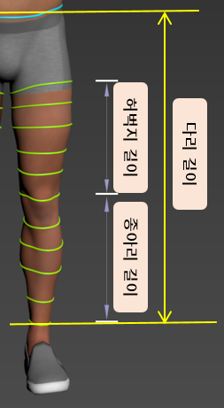
몸통길이 | 가슴 둘레 위치 - 골반 둘레 위치 까지의 길이 | 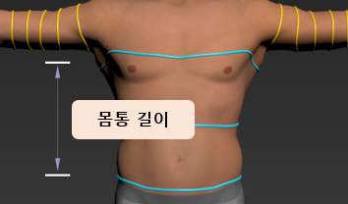
발사이즈 | 신발 사이즈 | 신발 사이즈

Sheet1 AY1 ~ BP1 대상자 관절가동범위 정보
변수명 | 값 | 변수설명
관절명_운동방향_좌/우 | 움직임의 각 ( 0° ~ ) | 시상면을 기준으로 한 움직임의 관절가동범위

Sheet1 BQ1 ~ BT1 대상자 하지근력 정보
변수명 | 값 | 변수설명
하지근력_방향_좌/우 | 단위 = kg | 운동방향에 따른 하지의 신전력 및 굴곡력

Sheet1 BU1 ~ BY1 대상자 신체기능 정보
변수명 | 값 | 변수설명
5회_앉았다_일어서기 | 초 (sec) | 최대한 빠른 속도로 5회 앉았다 일어서기
7m보행검사_1차 7m보행검사_2차 7m보행검사_평균 | 초 (sec) | 7m 구간 중 4m 측정 구간을 지나가는 시간
2분 제자리 걷기 검사 | 횟수 | 2분 제자리 걷기 중 걸음 수_한 발에 한번

