problem_3_picture
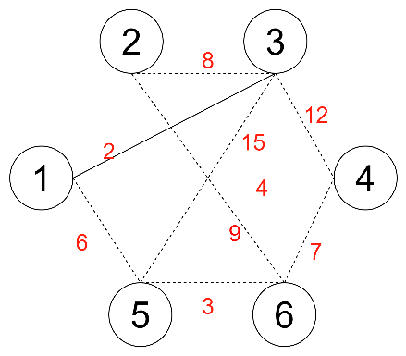

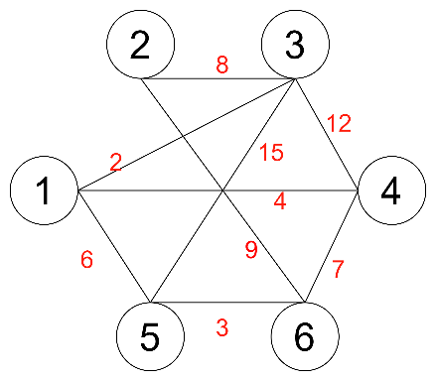
vertex[i] | 1 | 2 | 3 | 4 | 5 | 6
subsets[i].parent | 1 | 2 | 3 | 4 | 5 | 6

vertex[i] | 1 | 2 | 3 | 4 | 5 | 6
subsets[i].parent | 1 | 2 | 1 | 4 | 5 | 6

vertex[i] | 1 | 2 | 3 | 4 | 5 | 6
subsets[i].parent | 1 | 1 | 1 | 1 | 1 | 1

