Ocean Table Round 1
Starting stock: | 35 |  | n rounds: | 10
 |  |  | n groups: | 5

 | Stock | Fishes requested | Fishes given out
1 | 30
2 | 0
3 | 0
4 | 0
5 | 0
6 | 0
7 | 0
8 | 0
9 | 0
10 | 0
 |  | 👇👇👇 | 👇👇👇
Round | Stock | Fishes requested | Fishes given out | fishes after harvest | n fishes regenerated | new fish stock
1 | 30
2
3
4
5
6
7
8
9
10

 |  | Realised harvest: | 0
 |  | Max. harvest: | 250
 |  | Effektiveness: | 0
 |  | avg. Harvest per group: | 50
 |  | realised avg. Harvest per group: | 0

Ocean Table Round 2
Starting stock: | 40 |  | n rounds: | 10
 |  |  | n groups: | 5

 | Stock | Fishes requested | Fishes given out
1 | 40
2 | 0
3 | 0
4 | 0
5 | 0
6 | 0
7 | 0
8 | 0
9 | 0
10 | 0
 |  | 👇👇👇 | 👇👇👇
Round | Stock | Fishes requested | Fishes given out | fishes after harvest | n fishes regenerated | new fish stock
1 | 40
2
3
4
5
6
7
8
9
10

 |  | Realised harvest: | 0
 |  | Max. harvest: | 250
 |  | Effektiveness: | 0
 |  | avg. Harvest per group: | 50
 |  | realised avg. Harvest per group: | 0

LUT Regeneration
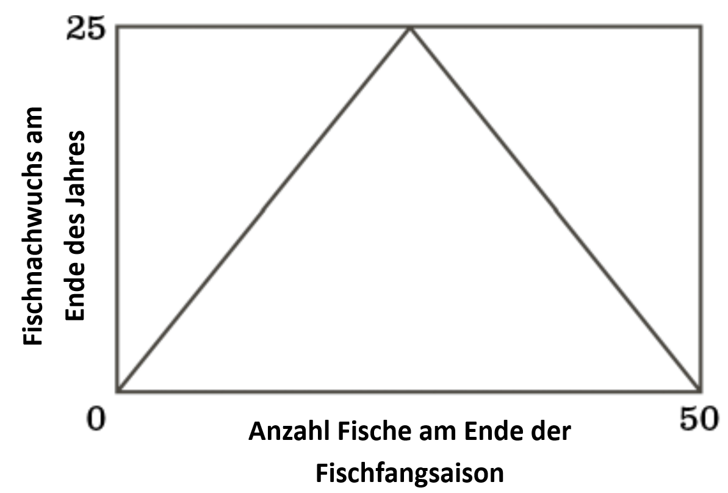
Stock | Regeneration | So geht’s das mit den Fischen
0 | 0
1 | 1
2 | 2
3 | 3
4 | 4
5 | 5
6 | 6
7 | 7
8 | 8
9 | 9
10 | 10
11 | 11
12 | 12
13 | 13
14 | 14
15 | 15
16 | 16
17 | 17
18 | 18 | (Quelle: Meadows et al., 2016:58)
19 | 19
20 | 20
21 | 21
22 | 22
23 | 23
24 | 24
25 | 25
26 | 24
27 | 23
28 | 22
29 | 21
30 | 20
31 | 19
32 | 18
33 | 17
34 | 16
35 | 15
36 | 14
37 | 13
38 | 12
39 | 11
40 | 10
41 | 9
42 | 8
43 | 7
44 | 6
45 | 5
46 | 4
47 | 3
48 | 2
49 | 1
50 | 0

