Caps&Floors
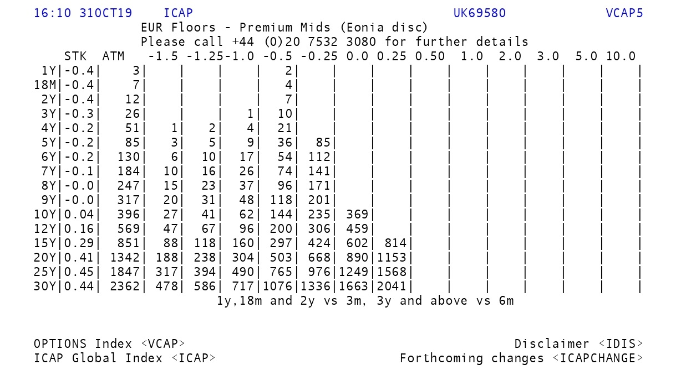
16:10:00 | 31-Oct-19 | ICAP | UK69580 | VCAP5
EUR | Floors | - | Premium | Mids | (Eonia | disc)
 | STK | ATM | -1.5 | -1.25 | -1.0 | -0.5 | -0.25 | 0 | 0.25 | 0.5 | 1 | 2 | 3 | 5 | 10
1Y | -0.4 | 3 |  |  |  | 2
18M | -0.4 | 7 |  |  |  | 4
2Y | -0.4 | 12 |  |  |  | 7
3Y | -0.3 | 26 |  |  | 1 | 10
4Y | -0.2 | 51 | 1 | 2 | 4 | 21
5Y | -0.2 | 85 | 3 | 5 | 9 | 36 | 85
6Y | -0.2 | 130 | 6 | 10 | 17 | 54 | 112
7Y | -0.1 | 184 | 10 | 16 | 26 | 74 | 141
8Y | 0 | 247 | 15 | 23 | 37 | 96 | 171
9Y | 0 | 317 | 20 | 31 | 48 | 118 | 201
10Y | 0.04 | 396 | 27 | 41 | 62 | 144 | 235 | 369
12Y | 0.16 | 569 | 47 | 67 | 96 | 200 | 306 | 459
15Y | 0.29 | 851 | 88 | 118 | 160 | 297 | 424 | 602 | 814
20Y | 0.41 | 1342 | 188 | 238 | 304 | 503 | 668 | 890 | 1153
25Y | 0.45 | 1847 | 317 | 394 | 490 | 765 | 976 | 1249 | 1568
30Y | 0.44 | 2362 | 478 | 586 | 717 | 1076 | 1336 | 1663 | 2041

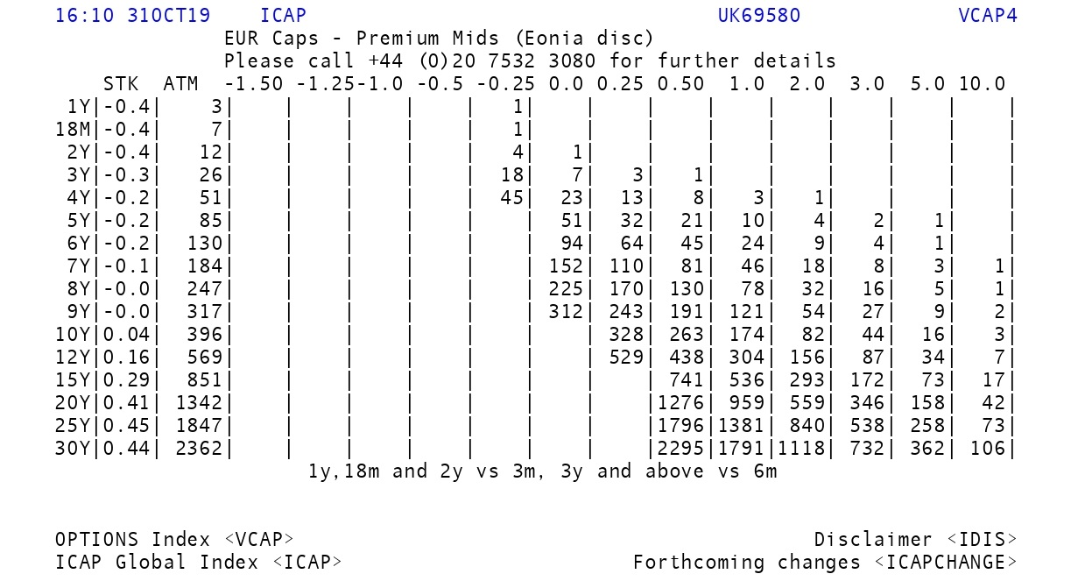
16:10:00 | 31-Oct-19 | ICAP | UK69580 | VCAP4
EUR | Caps | - | Premium | Mids | (Eonia | disc)
 | STK | ATM | -1.5 | -1.25 | -1.0 | -0.5 | -0.25 | 0 | 0.25 | 0.5 | 1 | 2 | 3 | 5 | 10
1Y | -0.4 | 3 |  |  |  |  | 1
18M | -0.4 | 7 |  |  |  |  | 1
2Y | -0.4 | 12 |  |  |  |  | 4 | 1
3Y | -0.3 | 26 |  |  |  |  | 18 | 7 | 3 | 1
4Y | -0.2 | 51 |  |  |  |  | 45 | 23 | 13 | 8 | 3 | 1
5Y | -0.2 | 85 |  |  |  |  |  | 51 | 32 | 21 | 10 | 4 | 2 | 1
6Y | -0.2 | 130 |  |  |  |  |  | 94 | 64 | 45 | 24 | 9 | 4 | 1
7Y | -0.1 | 184 |  |  |  |  |  | 152 | 110 | 81 | 46 | 18 | 8 | 3 | 1
8Y | 0 | 247 |  |  |  |  |  | 225 | 170 | 130 | 78 | 32 | 16 | 5 | 1
9Y | 0 | 317 |  |  |  |  |  | 312 | 243 | 191 | 121 | 54 | 27 | 9 | 2
10Y | 0.04 | 396 |  |  |  |  |  |  | 328 | 263 | 174 | 82 | 44 | 16 | 3
12Y | 0.16 | 569 |  |  |  |  |  |  | 529 | 438 | 304 | 156 | 87 | 34 | 7
15Y | 0.29 | 851 |  |  |  |  |  |  |  | 741 | 536 | 293 | 172 | 73 | 17
20Y | 0.41 | 1342 |  |  |  |  |  |  |  | 1276 | 959 | 559 | 346 | 158 | 42
25Y | 0.45 | 1847 |  |  |  |  |  |  |  | 1796 | 1381 | 840 | 538 | 258 | 73
30Y | 0.44 | 2362 |  |  |  |  |  |  |  | 2295 | 1791 | 1118 | 732 | 362 | 106

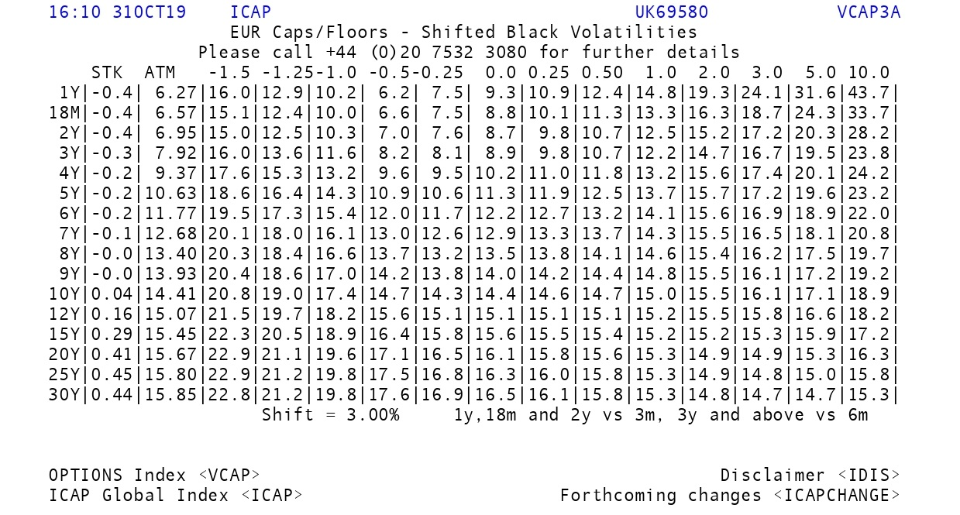
16:10:00 | 31-Oct-19 | ICAP | UK69580 | VCAP3A
EUR | Caps/Floors | - | Shifted | Black | Volatilities |  | Shift: 3%
 | STK | ATM | -1.5 | -1.25 | -1.0 | -0.5 | -0.25 | 0 | 0.25 | 0.5 | 1 | 2 | 3 | 5 | 10
1Y | -0.4 | 6.27 | 16 | 12.9 | 10.2 | 6.2 | 7.5 | 9.3 | 10.9 | 12.4 | 14.8 | 19.3 | 24.1 | 31.6 | 43.7
18M | -0.4 | 6.57 | 15.1 | 12.4 | 10 | 6.6 | 7.5 | 8.8 | 10.1 | 11.3 | 13.3 | 16.3 | 18.7 | 24.3 | 33.7
2Y | -0.4 | 6.95 | 15 | 12.5 | 10.3 | 7 | 7.6 | 8.7 | 9.8 | 10.7 | 12.5 | 15.2 | 17.2 | 20.3 | 28.2
3Y | -0.3 | 7.92 | 16 | 13.6 | 11.6 | 8.2 | 8.1 | 8.9 | 9.8 | 10.7 | 12.2 | 14.7 | 16.7 | 19.5 | 23.8
4Y | -0.2 | 9.37 | 17.6 | 15.3 | 13.2 | 9.6 | 9.5 | 10.2 | 11 | 11.8 | 13.2 | 15.6 | 17.4 | 20.1 | 24.2
5Y | -0.2 | 10.63 | 18.6 | 16.4 | 14.3 | 10.9 | 10.6 | 11.3 | 11.9 | 12.5 | 13.7 | 15.7 | 17.2 | 19.6 | 23.2
6Y | -0.2 | 11.77 | 19.5 | 17.3 | 15.4 | 12 | 11.7 | 12.2 | 12.7 | 13.2 | 14.1 | 15.6 | 16.9 | 18.9 | 22
7Y | -0.1 | 12.68 | 20.1 | 18 | 16.1 | 13 | 12.6 | 12.9 | 13.3 | 13.7 | 14.3 | 15.5 | 16.5 | 18.1 | 20.8
8Y | 0 | 13.4 | 20.3 | 18.4 | 16.6 | 13.7 | 13.2 | 13.5 | 13.8 | 14.1 | 14.6 | 15.4 | 16.2 | 17.5 | 19.7
9Y | 0 | 13.93 | 20.4 | 18.6 | 17 | 14.2 | 13.8 | 14 | 14.2 | 14.4 | 14.8 | 15.5 | 16.1 | 17.2 | 19.2
10Y | 0.04 | 14.41 | 20.8 | 19 | 17.4 | 14.7 | 14.3 | 14.4 | 14.6 | 14.7 | 15 | 15.5 | 16.1 | 17.1 | 18.9
12Y | 0.16 | 15.07 | 21.5 | 19.7 | 18.2 | 15.6 | 15.1 | 15.1 | 15.1 | 15.1 | 15.2 | 15.5 | 15.8 | 16.6 | 18.2
15Y | 0.29 | 15.45 | 22.3 | 20.5 | 18.9 | 16.4 | 15.8 | 15.6 | 15.5 | 15.4 | 15.2 | 15.2 | 15.3 | 15.9 | 17.2
20Y | 0.41 | 15.67 | 22.9 | 21.1 | 19.6 | 17.1 | 16.5 | 16.1 | 15.8 | 15.6 | 15.3 | 14.9 | 14.9 | 15.3 | 16.3
25Y | 0.45 | 15.8 | 22.9 | 21.2 | 19.8 | 17.5 | 16.8 | 16.3 | 16 | 15.8 | 15.3 | 14.9 | 14.8 | 15 | 15.8
30Y | 0.44 | 15.85 | 22.8 | 21.2 | 19.8 | 17.6 | 16.9 | 16.5 | 16.1 | 15.8 | 15.3 | 14.8 | 14.7 | 14.7 | 15.3

