Sheet1
Measurement | Value | Units
Wto: Total aircraft weight |  |  |  | lt
Wws: Weight of wing structure (both wings) | 2.16 | grams |  | Distance from tip wingtip of wing to tip of the tailplane wing |  | 0.87
b: Wing span (wing tip to wing tip) | 2.00 | m |  | 1/4 chord wing |  | 0.025
Co: Chord length at wing root | 0.10 | m |  | 1/4 chord tailpane |  | 0.00125
Ct: chord length at wing tip | 0.18 | m
cg: Centerline distance from the front tip of the aircraft to the center of gravity | 0.49 | m
wingDist: distance from the front tip of the aircraft to the leading edge of the wing (to the tip of Co) | 0.45 | m
Sht: tailplane area | 0.03 | m2 | (Both)
lt: tail moment arm | 0.84 | m
Sw: gross wing area | 0.35 | m2
lf: length of fuselage | 1.40 | m
Sprojf: projected side area of fuselage (approximate) | 0.15 | m2 |  | Svt
Svt: fin area | 0.01 | m2 |  | Chord tailpane |  |  | 0.05 | m
zv: Vertical distance between center of gravity and vertical tail aerodynamic center (approx.) | 0.01 | m |  | span of tailplane |  |  | 0.51 | m
lv: Horizontal distance between center of gravity and vertical tail aerodynamic center (approx.) | 0.85 | m
For kn: maximum height of fuselage (see image below) | 0.17 | m |  | lv
For kn: maximum width of fuselage (see image below) | 0.17 | m |  | Nose to beginning of the tailplane | 1.33
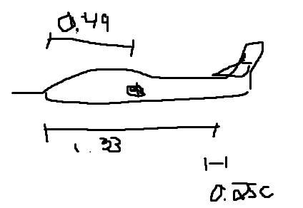
For kn: height of fuselage at 1/4 of its length (see image below) | 0.17 | m
For kn: height of fuselage at 3/4 of its length (see image below) | 0.06 | m

