Sheet1
Arc (A) | Tail | Head | Capacity (Lanes) | Type (pedestrian or vehicle) | Neighbor Zones | Length (km) | Speed Limit | t |  | Set of Level of Vehicle Speeds (L)
A1 | N2 | N1 | 1 | vehicle1 | J1,J2 | 0.3 | 50 | 0.006 |  | 1
A2 | N3 | N2 | 1 | vehicle1 | J1,J2 | 0.4 | 50 | 0.008 |  | 2
A3 | N1 | N3 | unlimited | pedestrian | J1 | 0.5 | 4.32 | 0.11574074074
A4 | N3 | N1 | unlimited | pedestrian | J1 | 0.5 | 4.32 | 0.11574074074 |  | BPR Function | Value
A5 | N3 | N4 | 1 | vehicle1 | J1,J2 | 0.4 | 50 | 0.008 |  | alpha | 0.15
A6 | N4 | N5 | 1 | vehicle1 | J2,J3 | 0.4 | 50 | 0.008 |  | beta | 4
A7 | N5 | N6 | 1 | vehicle1 | J3 | 0.4 | 50 | 0.008
A8 | N4 | N7 | 1 | vehicle1 | J2,J3 | 0.4 | 50 | 0.008 |  | Set of Origins | Super origine node (so) | Super destination node (se)
A9 | N6 | N7 | 1 | vehicle1 | J2,J3 | 0.4 | 50 | 0.008 |  | N1
A10 | N7 | N2 | 1 | vehicle1 | J2,J3 | 0.4 | 50 | 0.008 |  | N2
A11 | N2 | N3 | 1 | vehicle1 | J1,J2 | 0.4 | 50 | 0.008 |  | N3
A12 | N1 | N2 | 1 | vehicle1 | J1,J2 | 0.3 | 50 | 0.006 |  | N4
A13 | N7 | N6 | 1 | 0 | 0 | 0.4 | 50 | 0.008 |  | N5
A14 | N2 | N7 | 1 | vehicle1 | J2,J3 | 0.4 | 50 | 0.008 |  | N6
 |  |  |  |  |  |  |  |  |  | N7
Arc_ped (A_p) | Tail | Head | Capacity (cap) | Type (pedestrian or vehicle) | Neighbor Zones | Length (km) | Speed Limit | ta(p)
A3 | N1 | N3 | unlimited | pedestrian | J1 | 0.5 | 4.32 | 0.11574074074
A4 | N3 | N1 | unlimited | pedestrian | J1 | 0.5 | 4.32 | 0.11574074074

Arc_veh (A_v) | Tail | Head | Capacity (cav) | Type (pedestrian or vehicle) | Neighbor Zones | Length (km) | Speed Limit | ta(v)
A1 | N2 | N1 | 1 | vehicle1 | J1,J2 | 0.3 | 50 | 0.006
A2 | N3 | N2 | 1 | vehicle1 | J1,J2 | 0.4 | 50 | 0.008
A5 | N3 | N4 | 1 | vehicle1 | J1,J2 | 0.4 | 50 | 0.008
A6 | N4 | N5 | 1 | vehicle1 | J2,J3 | 0.4 | 50 | 0.008
A7 | N5 | N7 | 1 | vehicle1 | J3 | 0.4 | 50 | 0.008
A8 | N4 | N8 | 1 | vehicle1 | J2,J3 | 0.4 | 50 | 0.008
A9 | N7 | N8 | 1 | vehicle1 | J2,J3 | 0.4 | 50 | 0.008
A10 | N8 | N2 | 1 | vehicle1 | J2,J3 | 0.4 | 50 | 0.008
A11 | N2 | N3 | 1 | vehicle1 | J1,J2 | 0.4 | 50 | 0.008
A12 | N1 | N2 | 1 | vehicle1 | J1,J2 | 0.3 | 50 | 0.006
A13 | N7 | N6 | 1 | vehicle1 | J2,J3 | 0.4 | 50 | 0.008
A14 | N2 | N7 | 1 | vehicle1 | J2,J3 | 0.4 | 50 | 0.008

Set of Verticle Shelter (V) | Capacity (m^2) (Q(v)) (kişi sayısı)
N8 | 1000

Set of Exit Points (E)
N6
N5

Set Of Nodes | Type of Points | Outgoing arc | Incoming arc
N1 | intersection | A3, A12 | A1, A4, A15
N2 | intersection | A1, A11, A14 | A2, A10, A12, A16
N3 | intersection | A2, A4, A5 | A3, A11, A17, A19
N4 | intersection | A6, A8 | A5, A20, A24
N5 | exit points | A7 | A6, A25
N6 | exit points | A9 | A7, A13, A26
N7 | intersection | A10, A13 | A8, A9, A14, A21, A23
N8 | verticle shelter | - | A27, A28, A29, A30
J1 | zone | A15, A16, A17 | -
J2 | zone | A18, A19, A20, A21, A22 | -
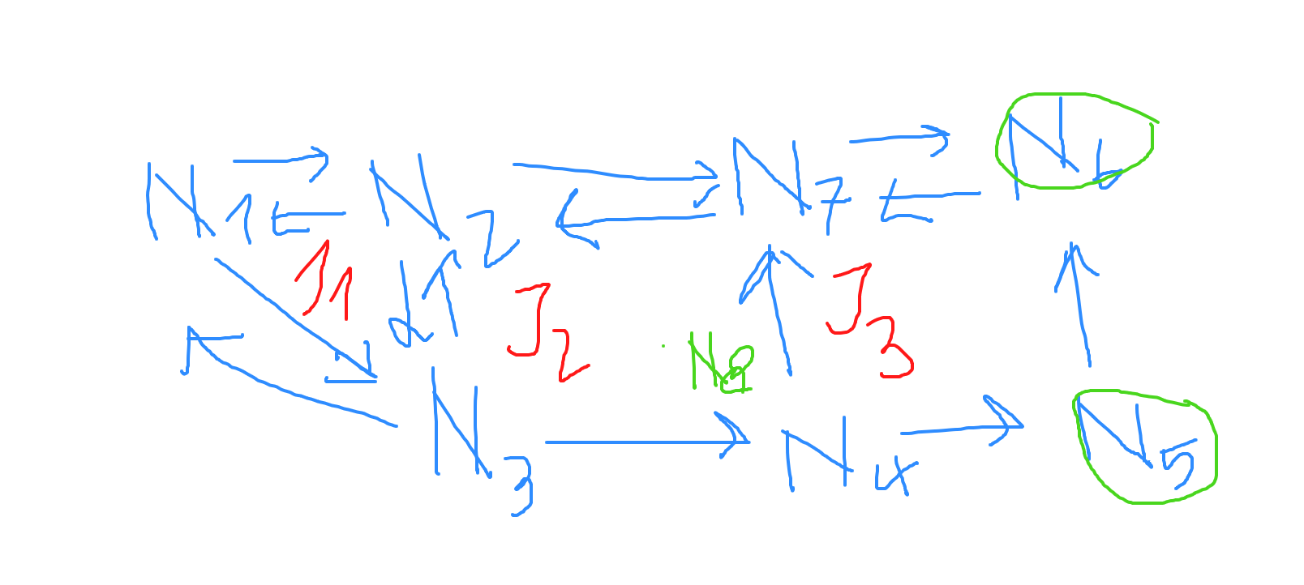
J3 | zone | A23, A24, A25, A26 | -

Arc (A) | Tail | Head | Capacity | Type (pedestrian or vehicle) | Neighbor Zones | Length (km) | Speed Limit | t | risk (ra)
A1 | N2 | N1 | 1 | vehicle1 | J1,J2 | 0.3 | 50 | 0.006 | 1
A2 | N3 | N2 | 1 | vehicle1 | J1,J2 | 0.4 | 50 | 0.008
A3 | N1 | N3 | unlimited | pedestrian | J1 | 0.5 | 4.32 | 0.11574074074
A4 | N3 | N1 | unlimited | pedestrian | J1 | 0.5 | 4.32 | 0.11574074074
A5 | N3 | N4 | 1 | vehicle1 | J1,J2 | 0.4 | 50 | 0.008
A6 | N4 | N5 | 1 | vehicle1 | J2,J3 | 0.4 | 50 | 0.008
A7 | N5 | N6 | 1 | vehicle1 | J3 | 0.4 | 50 | 0.008
A8 | N4 | N7 | 1 | vehicle1 | J2,J3 | 0.4 | 50 | 0.008
A9 | N6 | N7 | 1 | vehicle1 | J2,J3 | 0.4 | 50 | 0.008
A10 | N7 | N2 | 1 | vehicle1 | J2,J3 | 0.4 | 50 | 0.008
A11 | N2 | N3 | 1 | vehicle1 | J1,J2 | 0.4 | 50 | 0.008
A12 | N1 | N2 | 1 | vehicle1 | J1,J2 | 0.3 | 50 | 0.006
A13 | N7 | N6 | 1 | vehicle1 | J2,J3 | 0.4 | 50 | 0.008
A14 | N2 | N7 | 1 | vehicle1 | J2,J3 | 0.4 | 50 | 0.008
A15 | J1 | N1 | unlimited | both | J1 | 0.2
A16 | J1 | N2 | unlimited | both | J1 | 0.2
A17 | J1 | N3 | unlimited | both | J1 | 0.2
A18 | J2 | N2 | unlimited | both | J2 | 0.2
A19 | J2 | N3 | unlimited | both | J2 | 0.2
A20 | J2 | N4 | unlimited | both | J2 | 0.2
A21 | J2 | N7 | unlimited | both | J2 | 0.2
A22 | J2 | N8 | unlimited | both | J2 | 0.2
A23 | J3 | N7 | unlimited | both | J3 | 0.2
A24 | J3 | N4 | unlimited | both | J3 | 0.2
A25 | J3 | N5 | unlimited | both | J3 | 0.2
A26 | J3 | N6 | unlimited | both | J3 | 0.2
A27 | N7 | N8 | unlimited | both | J2 | 0.2
A28 | N4 | N8 | unlimited | both | J2 | 0.2
A29 | N3 | N8 | unlimited | both | J2 | 0.2
A30 | N2 | N8 | unlimited | both | J2 | 0.2

Demand
Subzone | Pedestrian Demand (do(v)) | Vehicular Demand (do(p))
J1 | 10 | 3
J2 | 20 | 5
J3 | 20 | 5

