Part
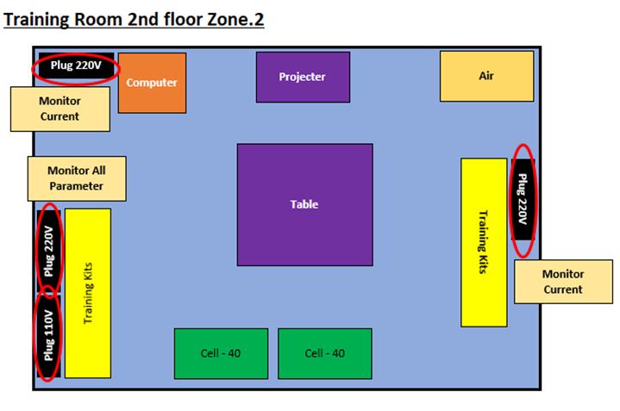
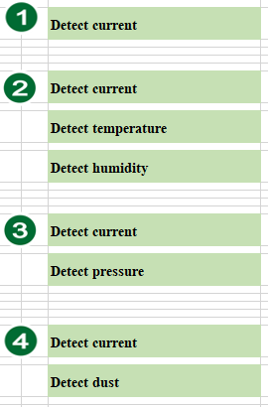

PART
Sensor | Number | Microcontroller | Number
Temperature and humidity sensor | 1 | ESPino | 3
Pressure sensor | 1 | ESP8266 | 1
Light sensor | 1
Current sensor | 4

Datacom
DATA COMMUNICATION OVERVIEW

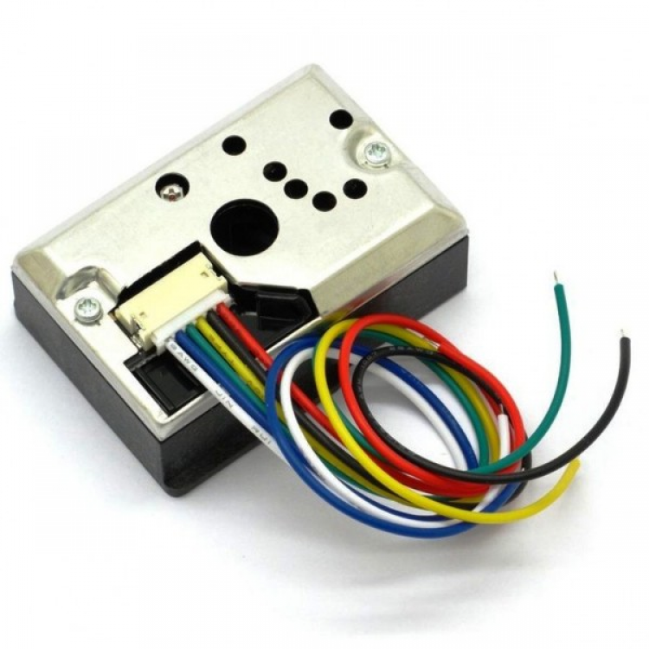
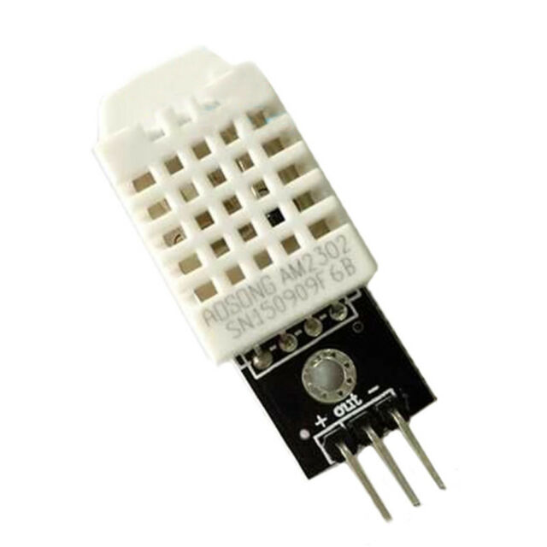

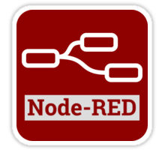
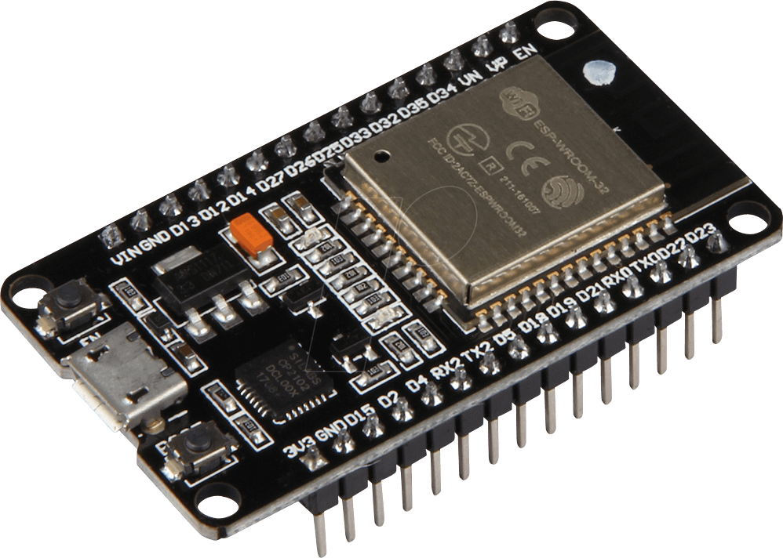





Gas sensor
Temperature and humidity sensor

ESPino

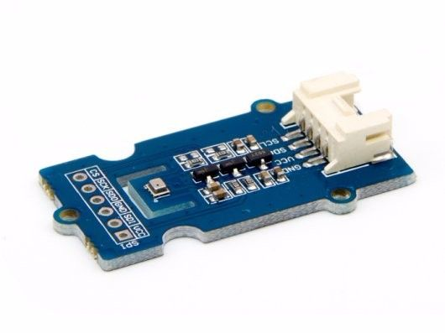
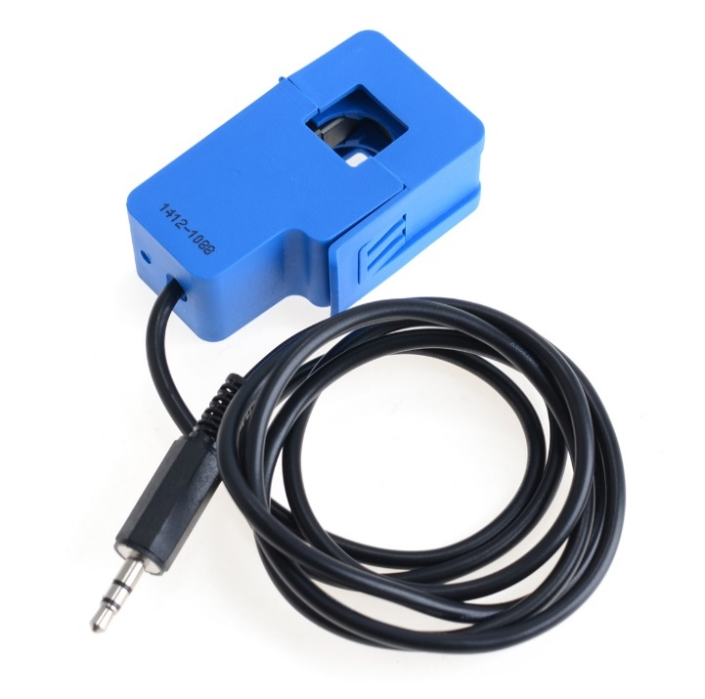

Grafana dashbroad

Pressure sensor
Current sensor

Circuit
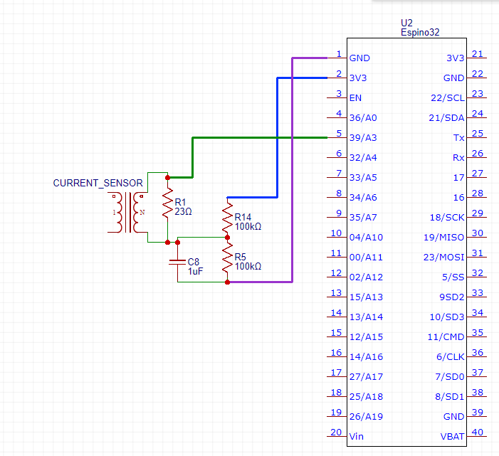
10kΩ
10kΩ

Detect current

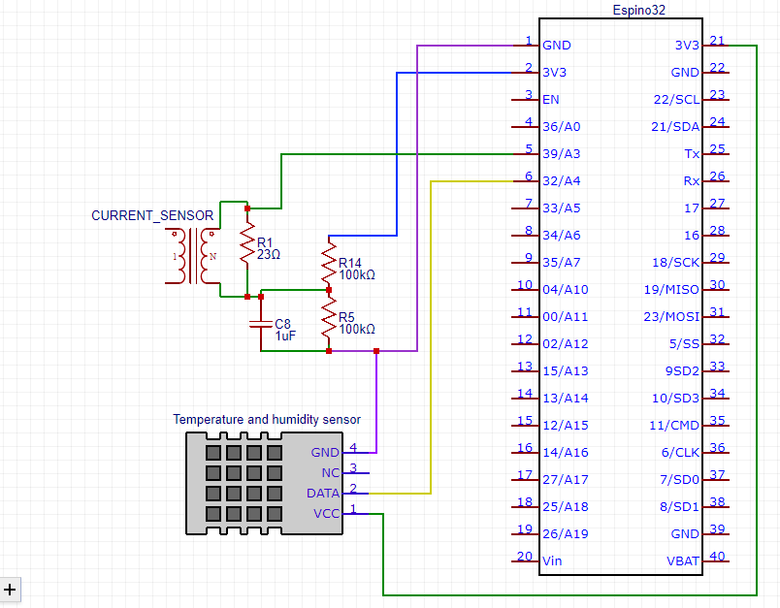
10kΩ
10kΩ
Detect current
Detect temperature
Detect humidity

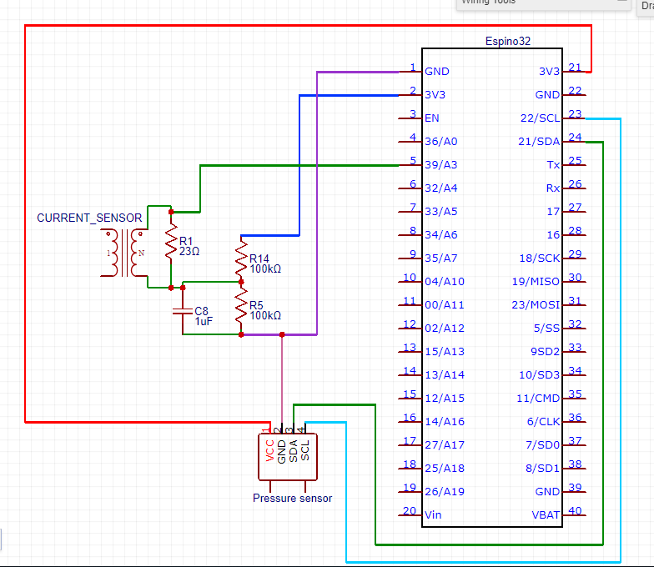
10kΩ
10kΩ
Detect current

Detect pressure

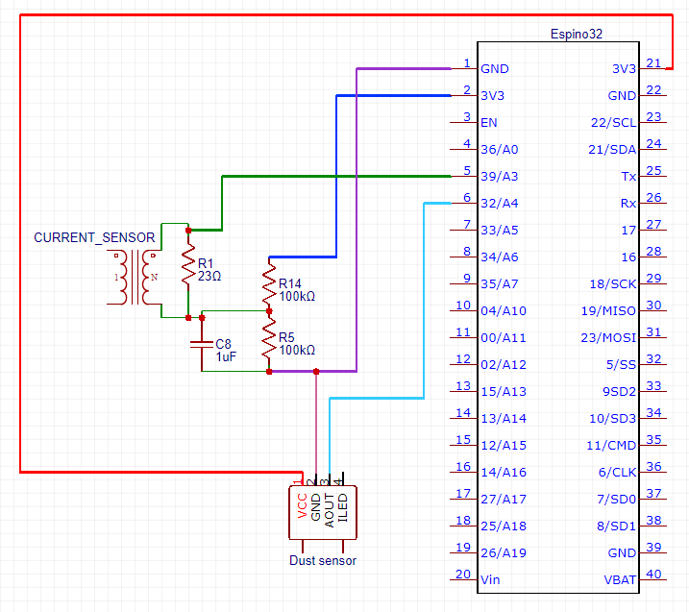
10kΩ
10kΩ

Detect current

Detect dust

Sheet7




Start
ESPino is set up.
ESPino receive data from sensors.
Internet connected?
Reconnect
Data from ESPino is transmitted to MQTT broker.
InfluxDB collects data from MQTT.
Grafana dashbroad query data from InfluxDB and monitor them.



ESPino 1
Start
Wifi setup
MQTT address setup
Internet connected?
Reconnect
Data from ESPino is transmitted to MQTT broker.
InfluxDB collects data from MQTT.
Grafana dashbroad query data from InfluxDB and monitor them.
Receive data from current sensor


ESPino 2
Start
Wifi setup
MQTT address setup
Internet connected?
Reconnect
Data from ESPino is transmitted to MQTT broker.
InfluxDB collects data from MQTT.
Grafana dashbroad query data from InfluxDB and monitor them.
Receive data from current, temperature, humidity sensor





ESPino 3
Start
Wifi setup
MQTT address setup
Internet connected?
Reconnect
Data from ESPino is transmitted to MQTT broker.
InfluxDB collects data from MQTT.
Grafana dashbroad query data from InfluxDB and monitor them.
Receive data from current, pressure sensor


ESPino 4
Start
Wifi setup
MQTT address setup
Reconnect
Data from ESPino is transmitted to MQTT broker.
InfluxDB collects data from MQTT.
Grafana dashbroad query data from InfluxDB and monitor them.
Receive data from current, dust sensor

Internet connected?

*

Backup
 |  |  | DATA COMMUNICATION OVERVIEW



Dust sensor | Temperature and Humidity sensor

 |  |  |  |  |  |  | ESPino

 |  |  |  |  |  |  |  | Output

Current sensor |  | Pressure sensor

 |  |  |  | Circuit

Detect current

Detect current

Detect temperature

Detect humidity

Detect current

Detect pressure

Detect current

Detect light intensity

Detect current

Detect current
Detect temperature
Detect humidity

Detect current

Detect pressure

Detect current

Detect dust

 |  |  | Flowchart

Start

ESPino is set up.

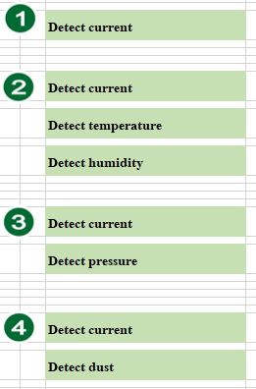

ESPino receive data from sensors.

Internet connected?

Data from ESPino is transmitted to MQTT broker.

Reconnect

InfluxDB collects data from MQTT.

Grafana dashbroad query data from InfluxDB and monitor them.

ESPino 2
Start
Wifi setup
MQTT address setup
Internet connected?
Reconnect
Data from ESPino is transmitted to MQTT broker.
InfluxDB collects data from MQTT.
Grafana dashbroad query data from InfluxDB and monitor them.
Receive data from current, temperature, humidity sensor

ESPino 1
Start
Wifi setup
MQTT address setup
Internet connected?
Reconnect
Data from ESPino is transmitted to MQTT broker.
InfluxDB collects data from MQTT.
Grafana dashbroad query data from InfluxDB and monitor them.
Receive data from current sensor

ESPino 3
Start
Wifi setup
MQTT address setup
Internet connected?
Reconnect
Data from ESPino is transmitted to MQTT broker.
InfluxDB collects data from MQTT.
Grafana dashbroad query data from InfluxDB and monitor them.
Receive data from current, pressure sensor

ESPino 4
Start
Wifi setup
MQTT address setup
Internet connected?
Reconnect
Data from ESPino is transmitted to MQTT broker.
InfluxDB collects data from MQTT.
Grafana dashbroad query data from InfluxDB and monitor them.
Receive data from current, dust sensor

 |  |  |  |  | topic | mewasure

