Sheet1
Configuration (hidden layer , learning rate) | Activation func(hidden layer) | Loss Curve | Accuracy Curve | Test Acc(%) | Confusion Matrix | Execution time(sec)
(160, 100) , Learning rate:0.01 | ReLU | 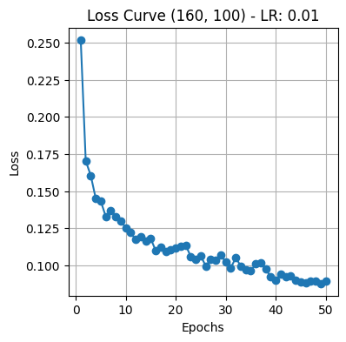 | 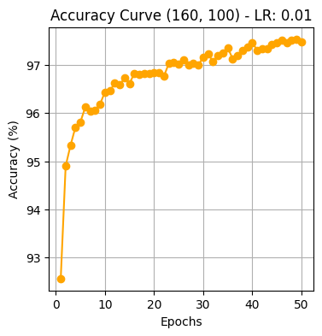 | 96.02 | 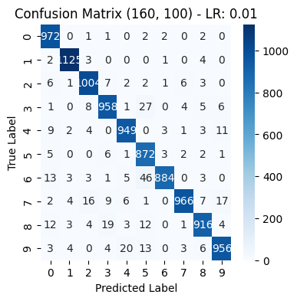 | 463.15
(160,100) , Learning rate:0.1 | ReLU | 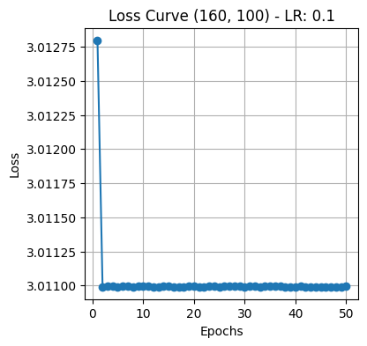 | 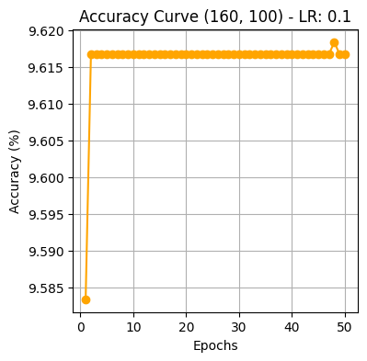 | 10.32 | 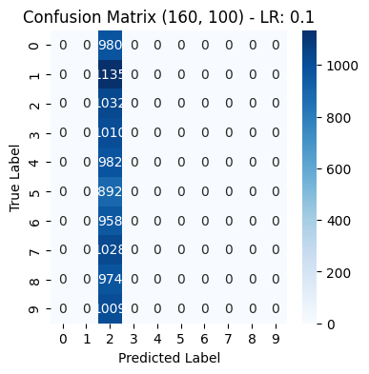 | 434.31
(160,100) , Learning rate:1 | ReLU | 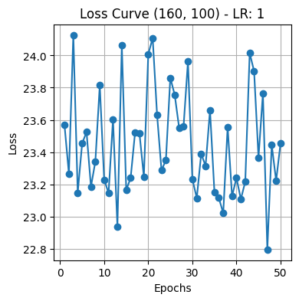 | 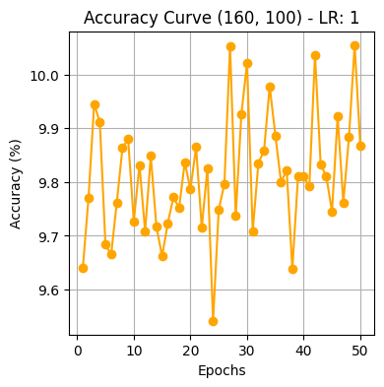 | 9.74 | 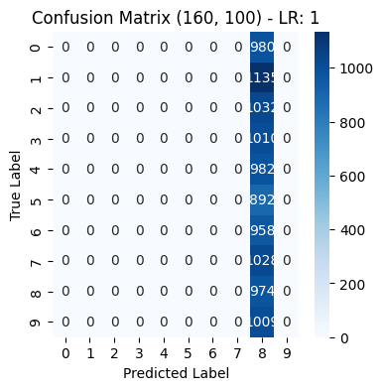 | 431.91
(100,100) , Learning rate:0.01 | ReLU | 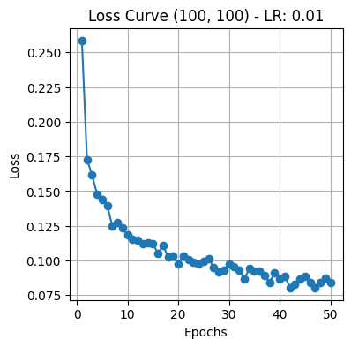 |  | 96.05 |  | 430.09
(100,100) , Learning rate:0.1 | ReLU | 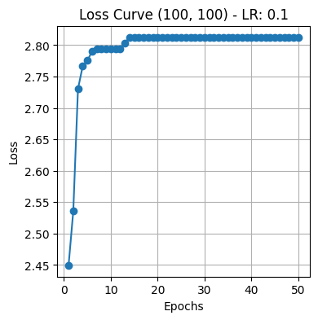 | 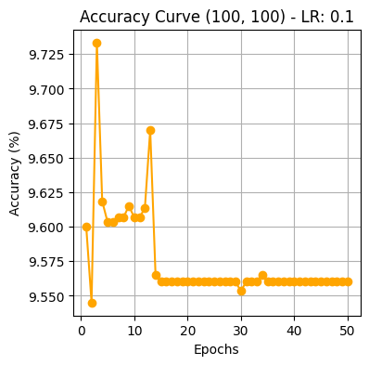 | 11.35 | 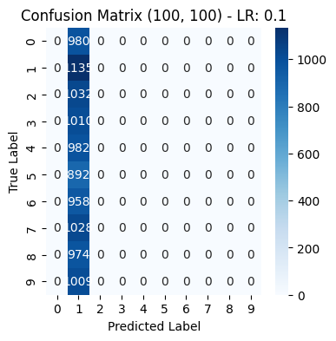 | 437.37
(100,100) , Learning rate: 1 | ReLU | 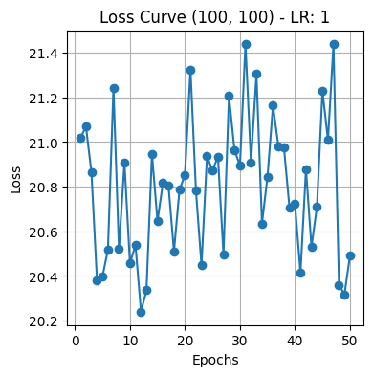 | 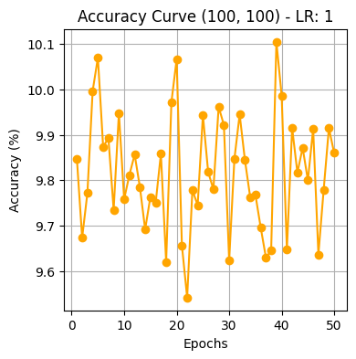 | 9.74 |  | 429.29
(100,160) , Learning rate:0.01 | ReLU | 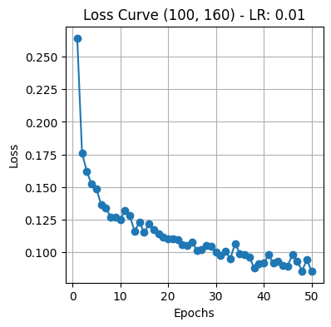 | 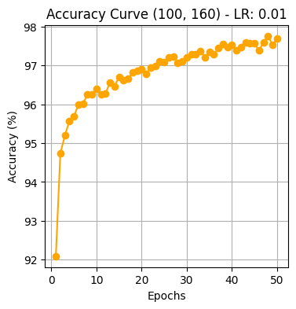 | 96.76 | 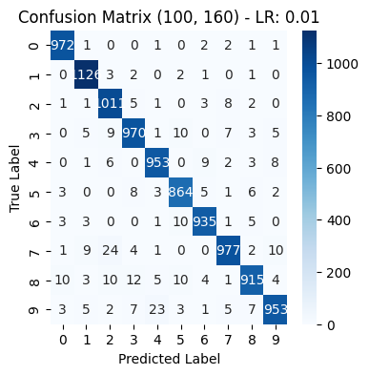 | 430.87
(100,160) , Learning rate:0.1 | ReLU | 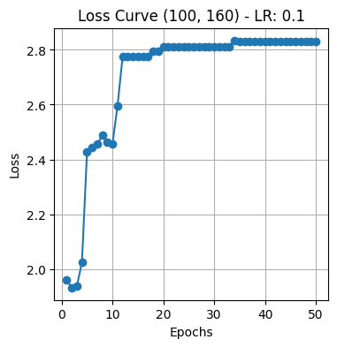 | 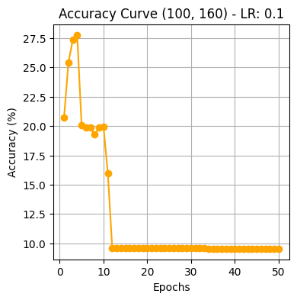 | 11.35 |  | 431.17
(100,160) , Learning rate: 1 | ReLU | 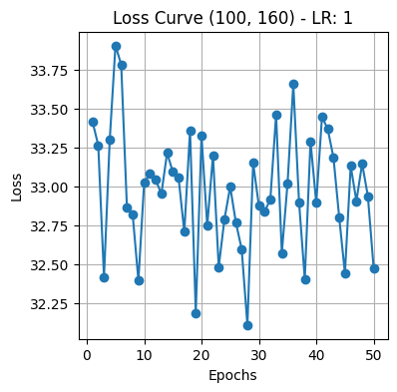 | 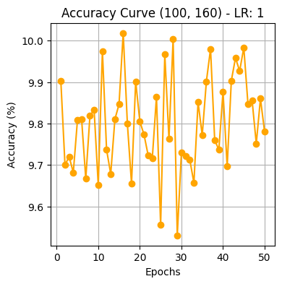 | 9.58 | 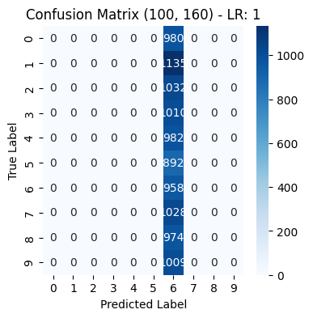 | 431.74
(60,60) , Learning rate:0.01 | ReLU | 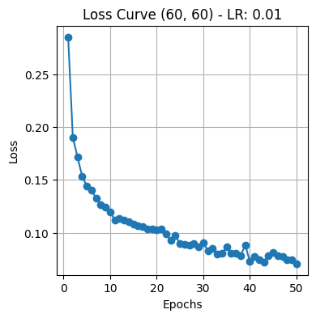 | 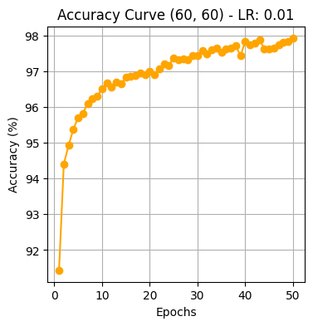 | 96.43 |  | 432.83
(60,60) , Learning rate:0.1 | ReLU | 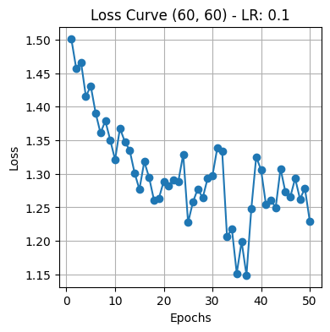 | 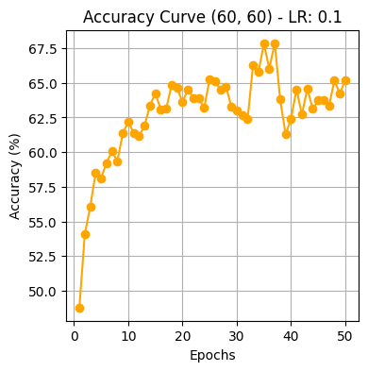 | 73.02 | 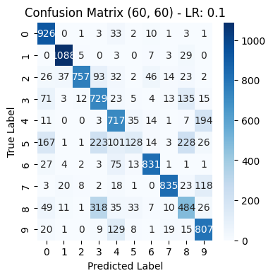 | 429.31
(60,60) , Learning rate: 1 | ReLU | 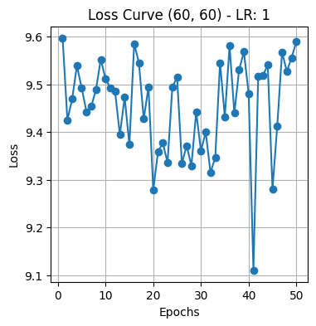 | 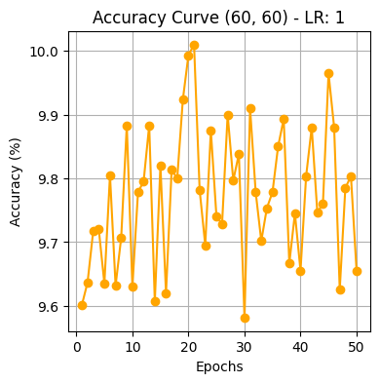 | 9.8 | 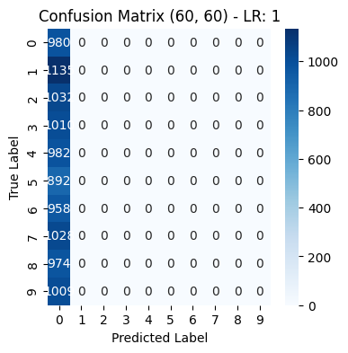 | 426.68
(100,60) , Learning rate:0.01 | ReLU | 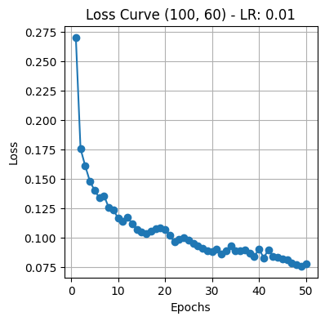 |  | 96.5 | 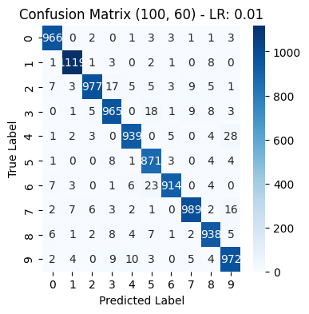 | 430.32
(100,60) , Learning rate:0.1 | ReLU | 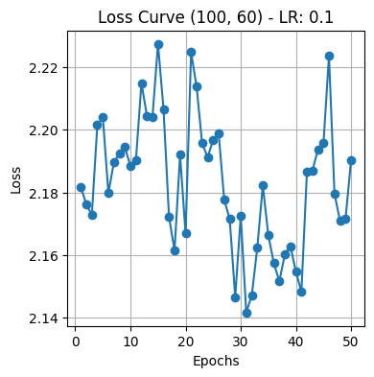 | 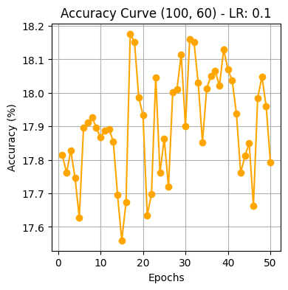 | 18.89 | 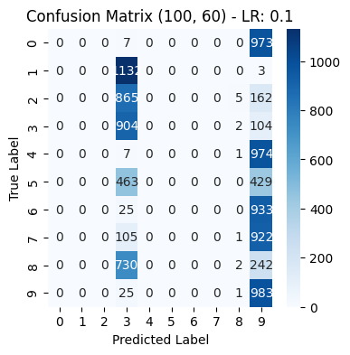 | 432.78
(100,60) , Learning rate:1 | ReLU | 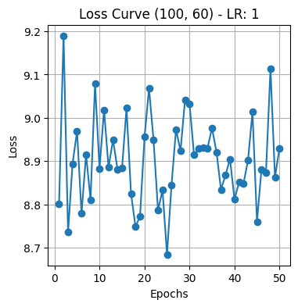 | 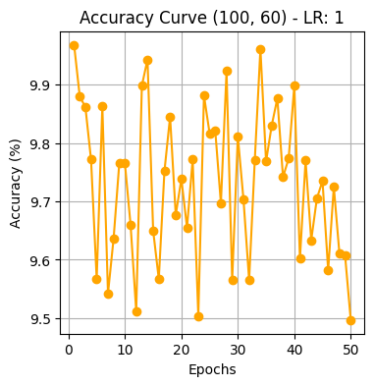 | 9.58 |  | 437.72

