Sheet2
Can we predict sales based on money spent for advertising?

Advertising | 2000 | 3000 | 4000 | 2500 | 5000
Sales | 5000 | 10000 | 15000 | 8000 | 25000

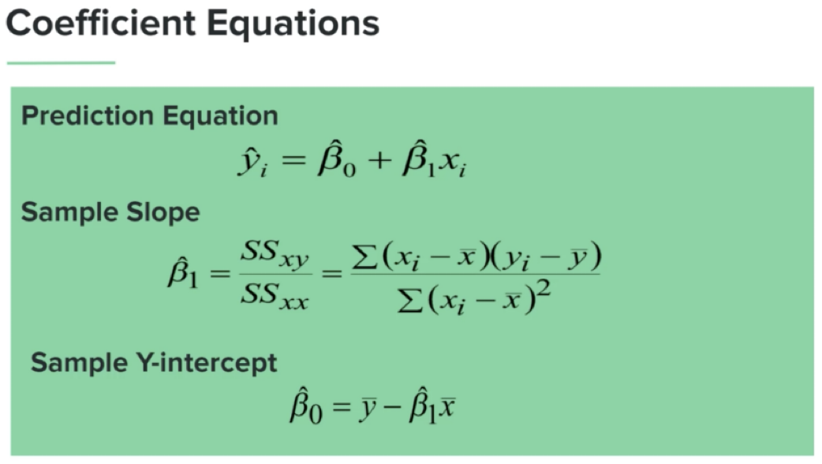

 | Money Spent (X) | Mean(X) - X | (Mean(X)-X)^2 | Sales(Y) | Mean(Y)-Y | (Mean(X)-X) * (Mean(Y)-Y))
 | 2000 | 1300 | 1690000 | 5000 | 7600 | 9880000
 | 3000 | 300 | 90000 | 10000 | 2600 | 780000
 | 4000 | -700 | 490000 | 15000 | -2400 | 1680000
 | 2500 | 800 | 640000 | 8000 | 4600 | 3680000
 | 5000 | -1700 | 2890000 | 25000 | -12400 | 21080000
 |  | Sum | 5,800,000.00 |  | Sum | 37,100,000.00
Mean(X) | 3300
Mean(Y) | 12600

SLOPE = SUM(XY) / SUM(XX) | 6.3965517241
Y-Intercept = Avg(Y) - (slope*AVG(X)) | -8508.6206897

Advertising : 3,500 | 4000

Sales? | 17,078 | -

