step 6 (final step)
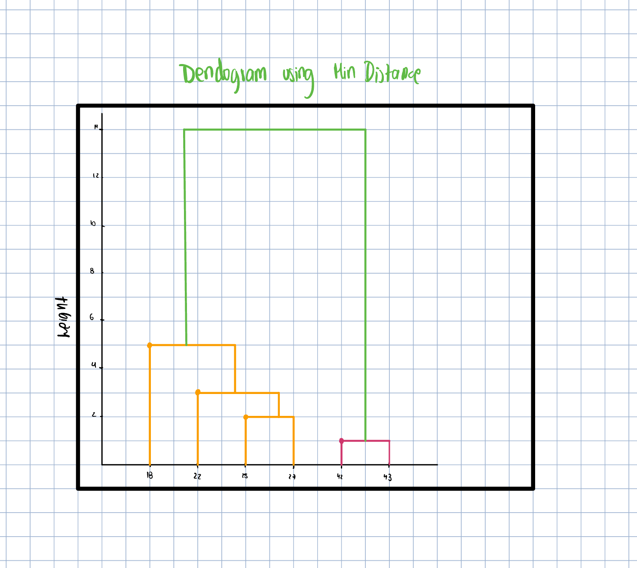
 | Distance Matrix

 |  | {1,2,3,4,5,6}
 | points: | (18,22,25,27,42,43) | Min Point
{1,2,3,4,5,6} | (18,22,25,27,42,43) | 0

 |  |  | Point x=18 | Cluster 27 | Cluster =42 | Cluster =43 | Cluster 25 | Cluster 22
 |  |  | 18 | 9 | 24 | 25 | 7 | 4
 |  |  |  |  |  |  |  | d=4

