Other important values
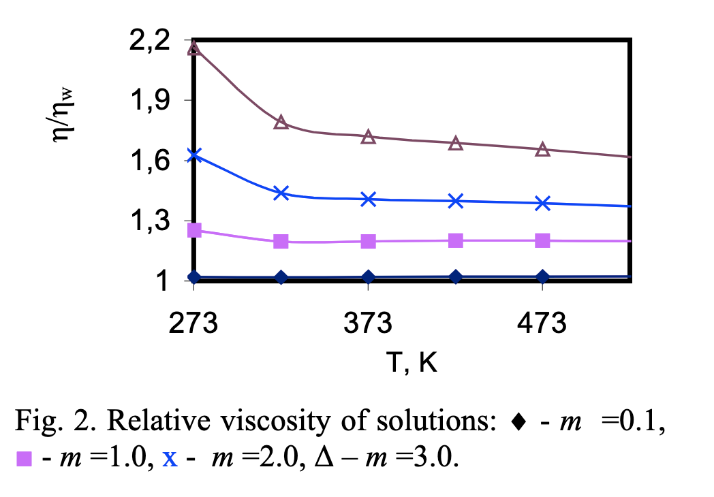
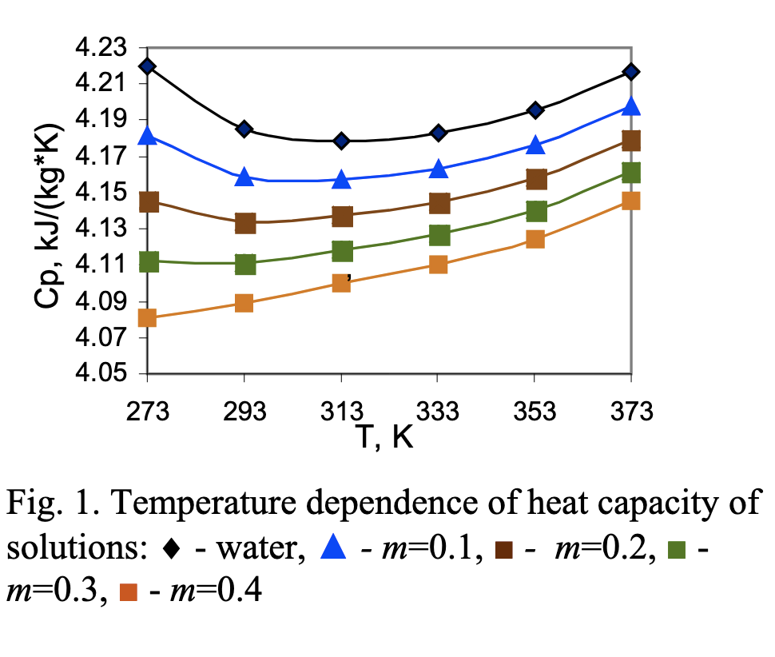
cp_naoh | 3600 | J/kgK | ungefähr
my_naoh | 0.079 | Pa s | ungefähr

