System
ID | Description | Traceability to Customer requirement | ObjectType | ObjectStatus | Review Comment | Domain | Implementation status | Verification status
SYSH_25 | 1. System definition |  | Heading
SYSH_1 | The system uses three ultrasonic sensors HC-SR04+ for measuring the front and lateral distances. | H9 | Non-Functional | Accepted |  | HW
SYSH_2 | A infrared emitter (which is positioned in the back of the robot) is used to send "VEONEER" message when the hidding spot is found. | H11 H12 | Non-Functional | Accepted |  | HW
SYSH_3 | 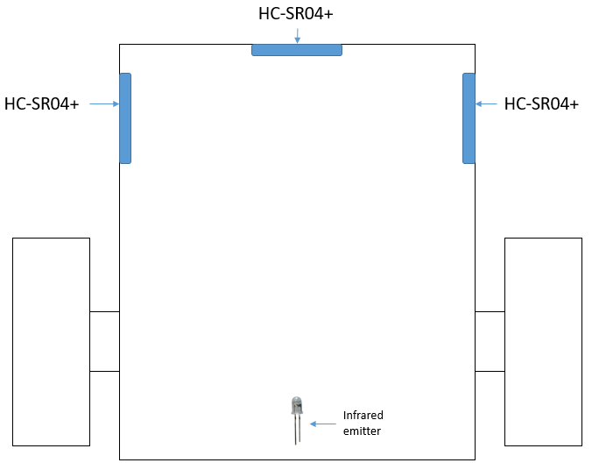 | H10 H11 | Information | Reviewed |  | MECH
SYSH_4 | Robot movement shall be done using two motors with gearbox. |  | Non-Functional | Accepted |  | HW
SYSH_5 | The control of the motors shall be done using a L298 v2 shield. |  | Non-Functional | Accepted |  | HW
SYSH_6 | An Arduino Arduino Mega2560 is used for: - sensor data processing - inputs data to L298 v2 shield - infrared message inssuing/decripting - led management |  | Non-Functional | Accepted |  | HW
SYSH_7 | 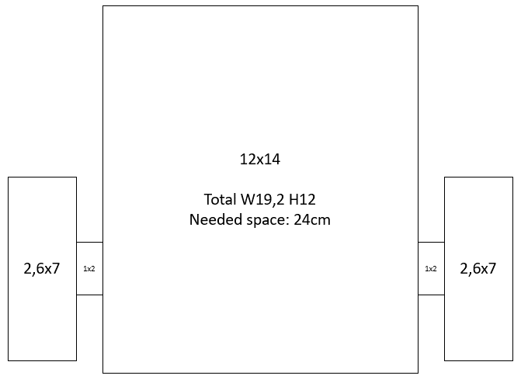 Robot dimensions: | H1 H2 | Information | Reviewed |  | MECH
SYSH_8 | An RGB led shall indicate the state of the robot : finding a hiding spot or hided. | H14 H15 | Non-Functional | Accepted |  | HW
SYSH_9 | An IR sensor shall issue a message when hiding spot found. | H12 | Non-Functional | Accepted |  | HW
SYSH_21 | The robot does not have an ON/OFF switch. |  | Non-Functional | Accepted | done | SW
SYSH_10 | 2. Follow a path |  | Heading
SYSH_11 | Using the optimal maze solving algorithm, the robot shall be able to navigate within the labyrinth and seeking a hiding spot. | H3 H5 | Functional | Accepted | done | SW
SYSH_12 | The recommended maze solving algorithms are: Left Hand Rule and Right Hand Rule. |  | Information | Reviewed | done | SW
SYSH_17 | The robot shall be able to found a hiding place in less than 2 minutes but not sooner than 30sec. | H8 | Functional | Accepted | done | SW
SYSH_33 | If the robot finds a hiding spot (see ID SYSH_18) in less than 30 seconds, then the robot shall leave the current hiding spot and proceed to find another one. |  | Functional | Accepted | done | SW
SYSH_34 | To leave a hiding spot, the robot shall go in reverse until at least the delta lateral value between current and previous value is greater than 5 cm. |  | Functional | Accepted | done | SW
SYSH_35 | After going in reverse, if the robot finds itself in a situation when both delta lateral values are greater than 5cm, then the robot shall choose the direction based on the algorithm used (for Left Hand Rule go to left, for Right Hand Rule go to right). |  | Functional | Accepted | done | SW
SYSH_22 | The robot shall start with a 5 sec delay after it is powered on. |  | Functional | Accepted | done | SW
SYSH_18 | A hiding spot is defined in the Requirements_Labyrinth/SYSL_4 | H6 | Information | Reviewed | done | SW
SYSH_14 | When going forward, the robot shall not have a lateral distance Lt_dist / Rt_dist greater than 8 cm (excluded when it has to make a turn). | H4 | Functional | Accepted | done | SW
SYSH_13 | A junction in labyrinth is determined when distance to a wall is smaller than 8 cm and the other two distances are greater than 12 cm. | H4 | Functional | Accepted | done | SW
SYSH_15 | When turning right into the labyrinth (no junction), the distances to the wall shall be as follow: - left wall : between 6 cm and 8 cm; - right wall : greater than 12 cm; - front wall : between 7.5 cm and 10 cm. | H4 | Functional | Accepted | done | SW
SYSH_16 | When turning left into the labyrinth (no junction), the distances to the wall shall be as follow: - left wall : greater than 12 cm; - right wall : between 6 cm and 8 cm; - front wall : between 7.5 cm and 10 cm. | H4 | Functional | Accepted | done | SW
SYSH_19 | When the hiding spot is found, the robot shall go forward until the distance to the front wall is less than 2 cm. |  | Functional | Accepted | done | SW
SYSH_20 | When the hiding spot is found, the robot shall start emitting the a message via IR emitter. The message should be "VEONEER". |  | Functional | Accepted | done | SW
SYSH_26 | When the robot is searching for a hiding spot, the RGB led shall blink continuously. |  | Functional | Accepted | done | SW
SYSH_27 | When the hiding spot is found, the RGB led shall stay ON until is found. |  | Functional | Accepted | done | SW
SYSH_28 | 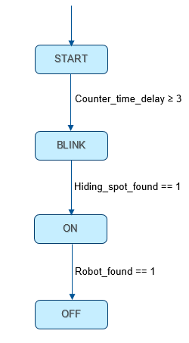 |  | Functional | Reviewed | done | SW
SYSH_29 | 2.1. Left Hand Rule |  | Heading
SYSH_23 | The robot shall make a left/right turn until the distance to the left wall is 8cm. |  | Functional | Rejected |  | SW
SYSH_24 | 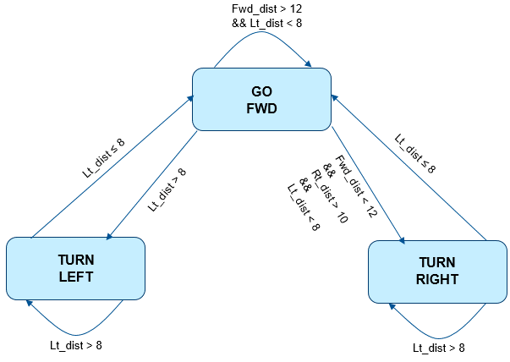 |  | Functional | Rejected |  | SW
SYSH_30 | 2.2. Right Hand Rule |  | Heading
SYSH_31 | The robot shall make a left/right turn until the distance to the right wall is 8cm. |  | Functional | Accepted | done | SW
SYSH_32 | 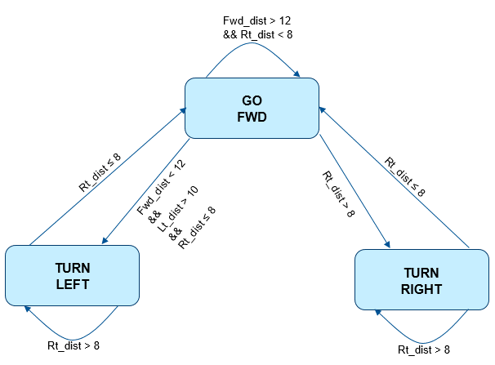 |  | Functional | Accepted | done | SW

Labyrinth
Absolute number | ID | Description | ObjectType | ObjectStatus
1 | SYSL_1 | The Labyrinth has the following dimensions : - Length : 250 cm - Width : 250 cm | Requirement | Accepted
2 | SYSL_2 | The walls of the labyrinth have the following height : 10 cm | Requirement | Accepted
3 | SYSL_3 | The labyrinth has six (6) hiding spots which are positioned in different positions in the maze. | Requirement | Accepted
4 | SYSL_4 |  A hiding spot is considered to be a place bounded by three (3) walls positioned at 90°. | Requirement | Accepted
5 | SYSL_5 | The distances to the two (2) lateral walls which bound the hiding spot shall be equal or approx. equal between them and shall not be greater than 8 cm. | Requirement | Accepted
6 | SYSL_6 | The distance to the front wall which bound the hiding spot shall be small than 2 cm. | Requirement | Accepted
7 | SYSL_7 |  A test labyrinth will be provided. | Requirement | Accepted
8 | SYSL_8 | The test labyrinth has the following dimensions: - Length : 126 cm - Width : 96 cm | Requirement | Accepted
9 | SYSL_9 | The test labyrinth has only one hiding spot. | Requirement | Accepted
10 | SYSL_10 | The hiding spot has the same specifications as those from requirements SYSL_4 – SYSL_6. | Requirement | Accepted

