CM
Topic |  | Key formulae | Reading | Easy probs | Tricky probs | Lec notes | Lec recs
1. Vectors
 | 1.1 Unit vector notation | 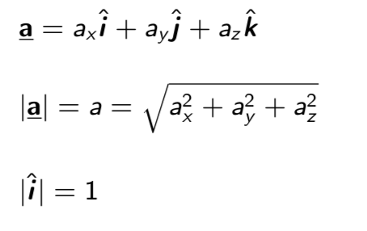 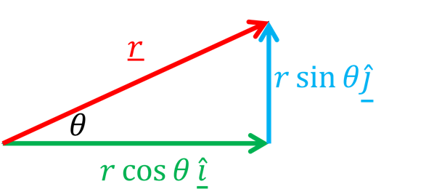 | 3.1, 3.2 | 2,7,11 | 24,26 | L1 | R1
 | 1.2 Components | 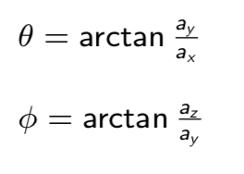 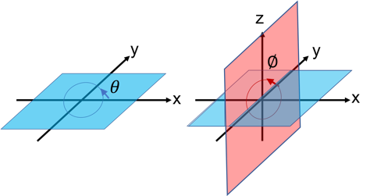
 | 1.3 Addition / subtraction
 | 1.4 The dot product |  | 3.3 | 35 | 39,44 | L2 | R2
 | 1.5 The cross product
2.Kinematics
 | 1. Constant acceleration |  | 2.4, 2.5 |  |  | L3 | R3
 | 2. Position and displacment |  | 4.1
 | 3. Average v and a |  | 4.2, 4.3
 | 4. Instantaneous v and a
 | 5. Derivation of suvat 1 | 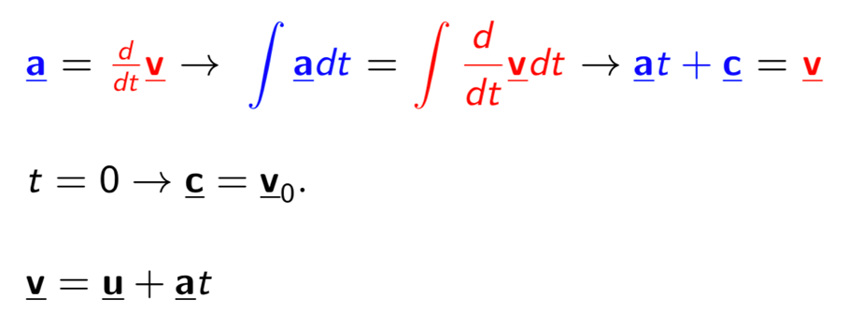 | N/A
 | 6. Derivation of suvat 2 | 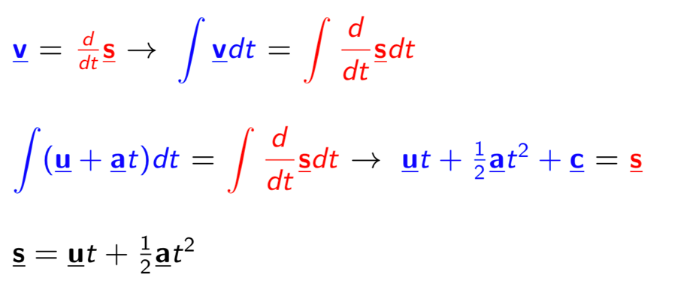 | N/A
3. Newton's laws
 | 1. Newton's first law |  | 5.1 |  |  | L4 | R4
 | 2. Newton's second law
 | 3. Newton's third law |  | 5.3
4. Forces and work
 | 1. Work |  | 7.2
 | 2. Gravity |  | 5.2, 7.3
 | 3. Friction |  | 6.1
 | 4. Drag |  | 6.2
 | 5. Springs |  | 7.4
5. Frames of reference
 | 1. Relative Motion |  | 4.6, 4.7
 | 2. Centre of mass |  | 9.1
6. Energy
 | 1. Kinetic energy
 | 2. Potential energy
 | 3. Energy & Work, Power
 | 4. Conservation of energy
7. Momentum
 | 1. Conservation of momentum | 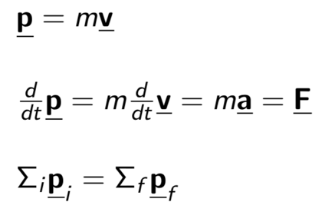
 | 2. Collisions
 | 3. Impulse
8. Projectiles
 | 1. Polar coordinates | 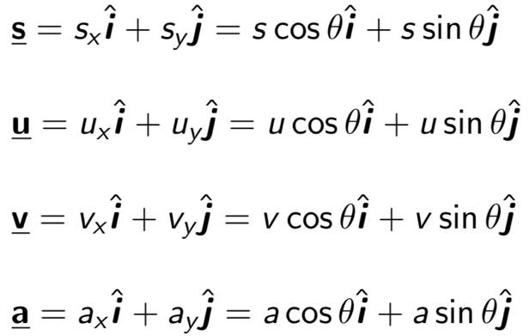 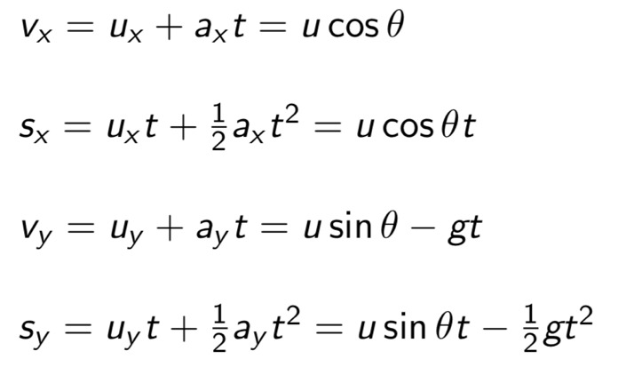
 | 2. Horizontal range | 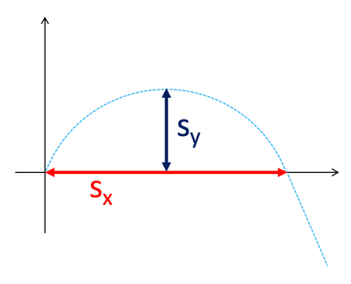 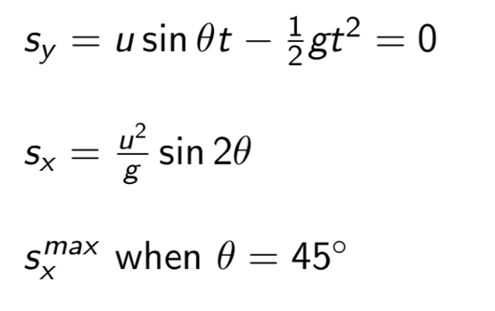
 | 3. Vertical range
9. Uniform circular motion
 | 1. Circles | 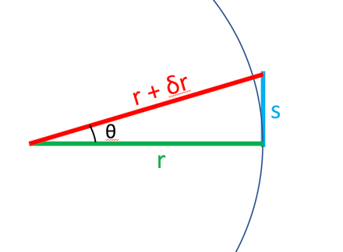 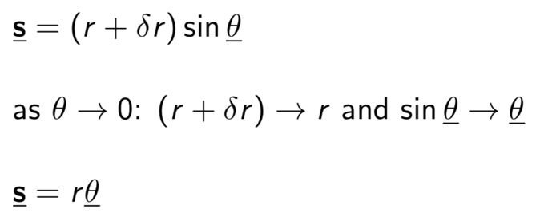
 | 2. Angular velocity and acceleration
 | 2. Centripetal acceleration | 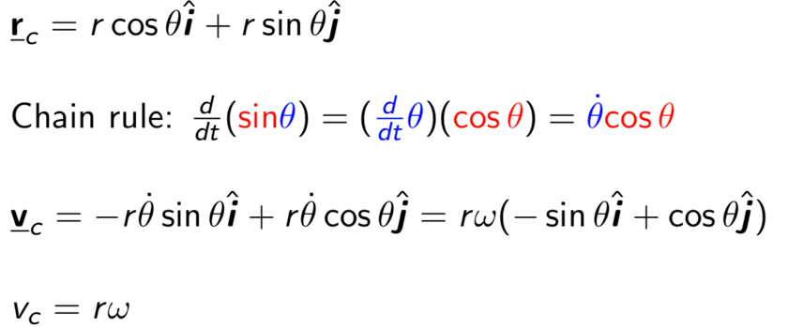 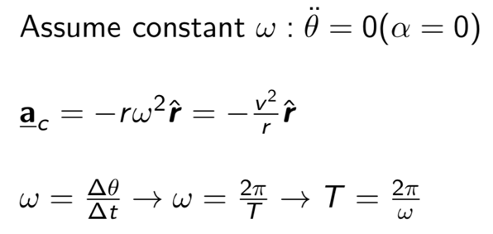 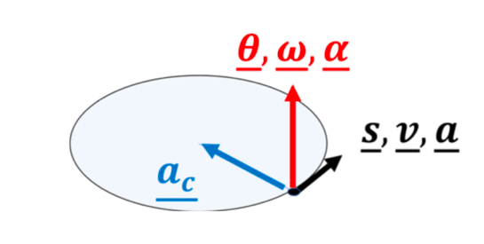
 | 3. Centripetal force
10. Rotation
 | 1. Torque
 | 2. Angular Momentum
 | 3. Moment of inertia | 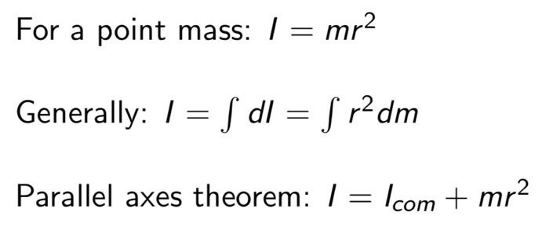
 | 4. Rotational variables
 | 11. Equilibrium
 | 1. Static equilibrium
 | 12. Elasticity
 | 1. Types of elasticity
 | 13. Fluids
 | 1. Pressure at depth | 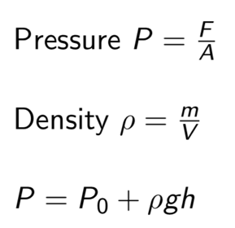
 | 2. Buoyancy | 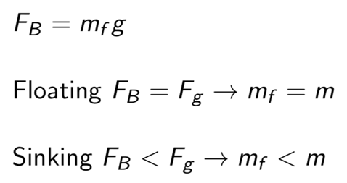
 | 3. Hydraulics
 | 4. Ideal fluids & continuity equation
 | 5. Bernoulli's equation
 | 14. Gravitation
 | 1. Newton's gravitation
 | 2. Principle of superposition
 | 3. Shell theorem | 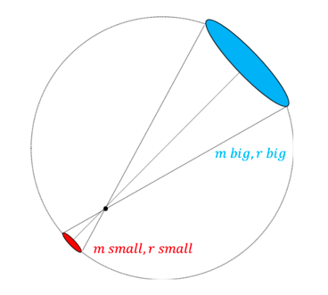
 | 4. Near Earth's surface
 | 5. Gravitational energy | 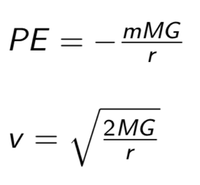
 | 6. Kepler's laws
 | 7. Reduced mass

