CM
Topic |  | Key formulae | Reading
1. Vectors
 | 1.1 Unit vector notation | 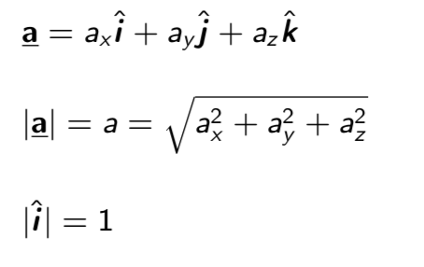 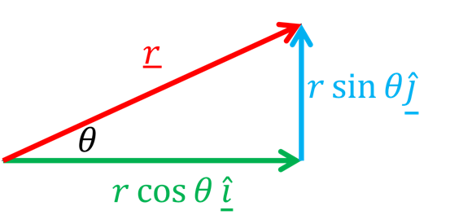 | 3.1, 3.2
 | 1.2 Components | 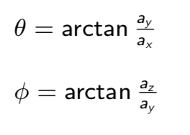 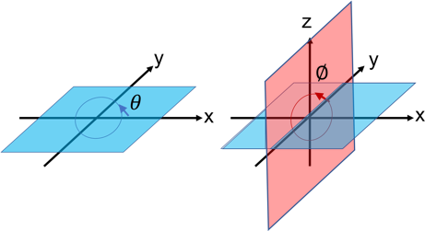
 | 1.3 Addition / subtraction
 | 1.4 The dot product |  | 3.3
 | 1.5 The cross product
2.Kinematics
 | 1. Constant acceleration |  | 2.4, 2.5
 | 2. Position and displacment |  | 4.1
 | 3. Average v and a |  | 4.2, 4.3
 | 4. Instantaneous v and a
 | 5. Derivation of suvat 1 | 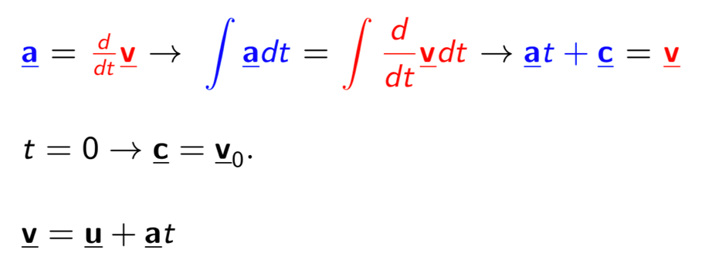 | N/A
 | 6. Derivation of suvat 2 | 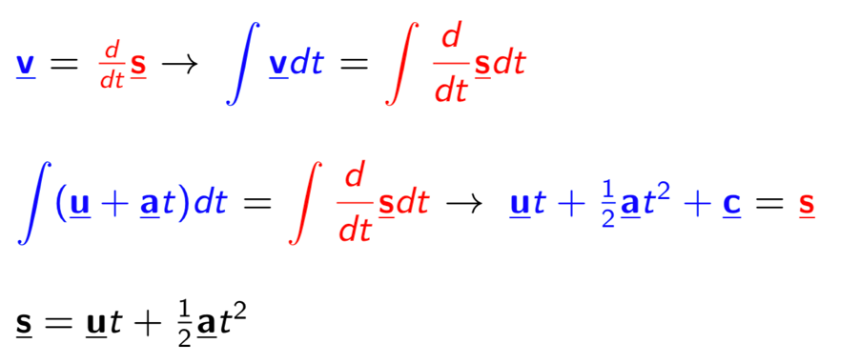 | N/A
3. Newton's laws
 | 1. Newton's first law |  | 5.1
 | 2. Newton's second law
 | 3. Newton's third law |  | 5.3
4. Forces and work
 | 1. Work |  | 7.2
 | 2. Gravity |  | 5.2, 7.3
 | 3. Friction |  | 6.1
 | 4. Drag |  | 6.2
 | 5. Springs |  | 7.4
5. Frames of reference
 | 1. Relative Motion |  | 4.6, 4.7
 | 2. Centre of mass |  | 9.1
6. Energy
 | 1. Kinetic energy |  | 7.1
 | 2. Potential energy |  | 8.1
 | 3. Energy & Work, Power |  | 7.2
 | 4. Conservation of energy |  | 8.5
7. Momentum
 | 1. Conservation of momentum | 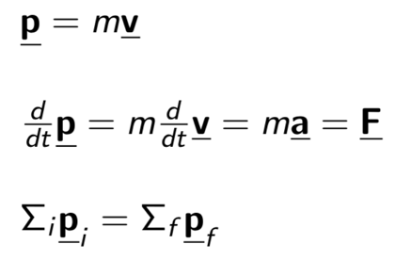 | 9.5
 | 2. Collisions |  | 9.4
 | 3. Impulse |  | 9.4
8. Projectiles
 | 1. Polar coordinates | 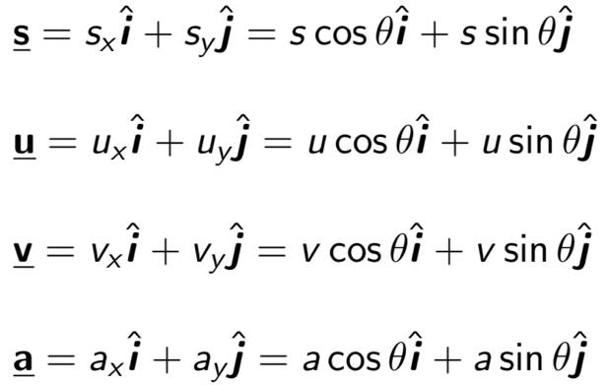 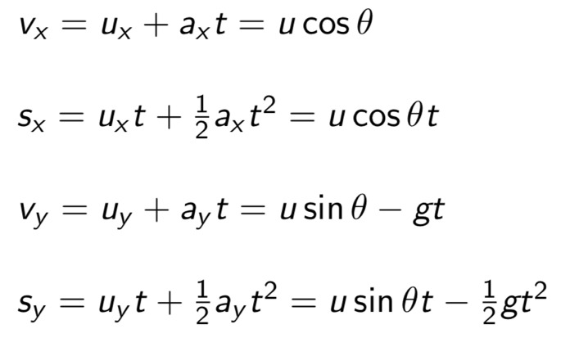 | N/A
 | 2. Horizontal range | 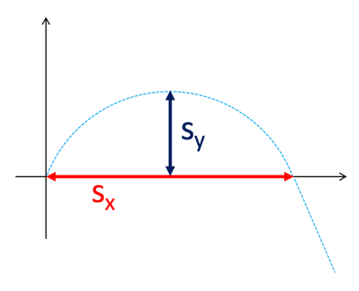 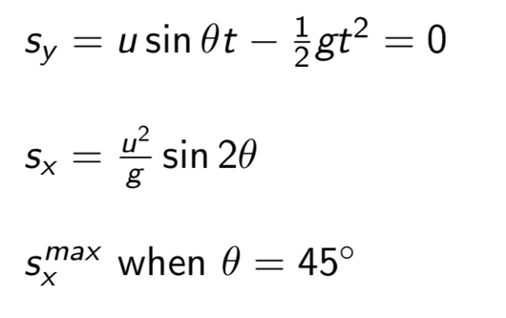 | 4.4
 | 3. Vertical range |  | 4.4
9. Uniform circular motion
 | 1. Circles | 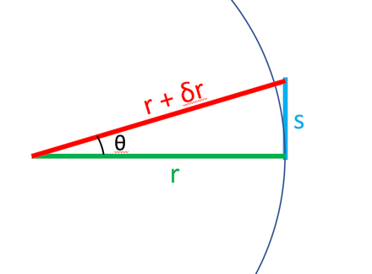 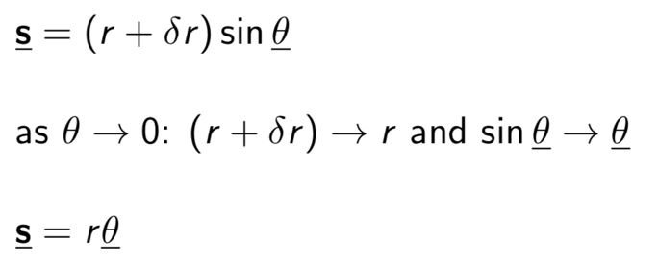 | 4.5
 | 2. Angular velocity and acceleration |  | 4.5
 | 2. Centripetal acceleration | 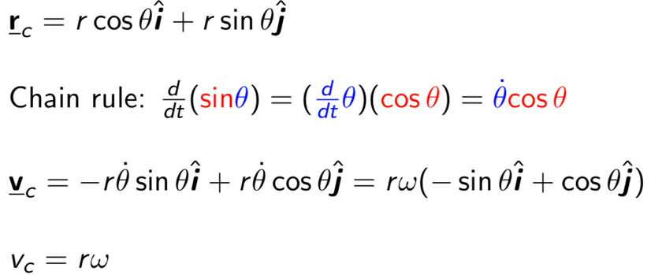 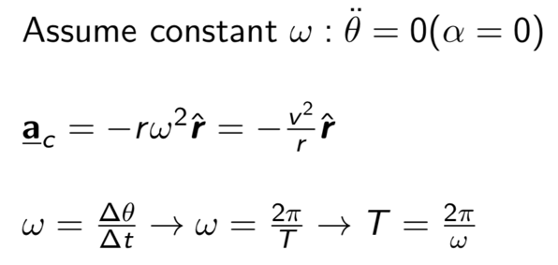 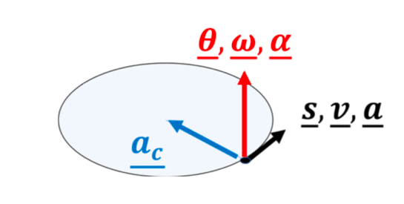 | 4.5
 | 3. Centripetal force
10. Rotation
 | 1. Torque |  | 10.6, 11.4
 | 2. Angular Momentum |  | 11.7,11.8
 | 3. Moment of inertia | 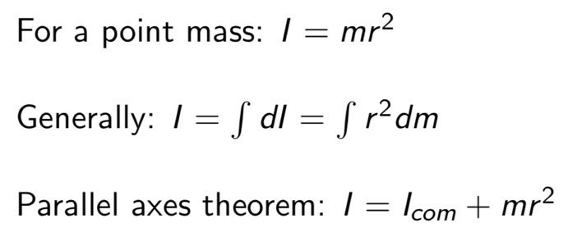 | 10.5
 | 4. Rotational variables |  | 10.1
 | 11. Equilibrium
 | 1. Static equilibrium |  | 12.1,12.2
 | 12. Elasticity
 | 1. Types of elasticity |  | 12.3
 | 13. Fluids
 | 1. Pressure at depth | 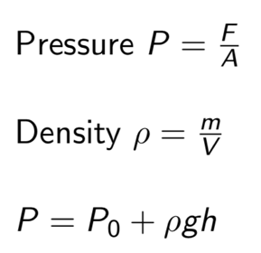 | 14.1-3
 | 2. Buoyancy | 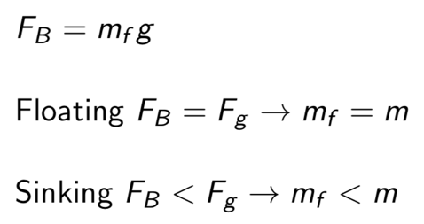 | 14.5
 | 3. Hydraulics |  | 14.4
 | 4. Ideal fluids & continuity equation |  | 14.6
 | 5. Bernoulli's equation |  | 14.7
 | 14. Gravitation
 | 1. Newton's gravitation |  | 13.1
 | 2. Principle of superposition |  | 13.2
 | 3. Shell theorem | 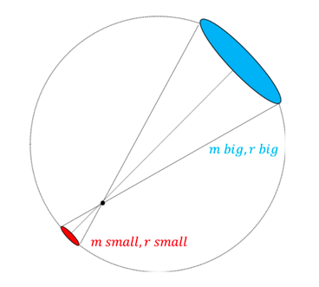 | 13.4
 | 4. Near Earth's surface |  | 13.3
 | 5. Gravitational energy | 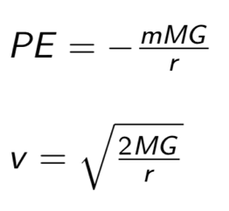 | 13.5
 | 6. Kepler's laws |  | 13.6
 | 7. Reduced mass |  | 13.7

