Code Window
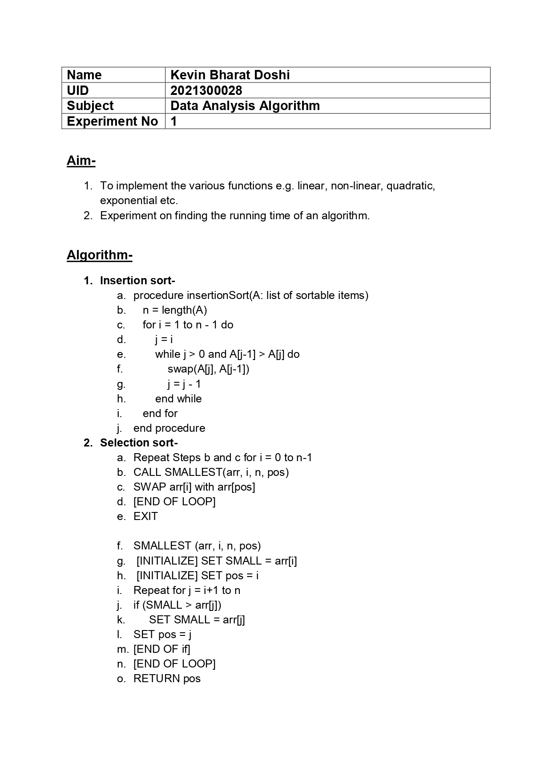

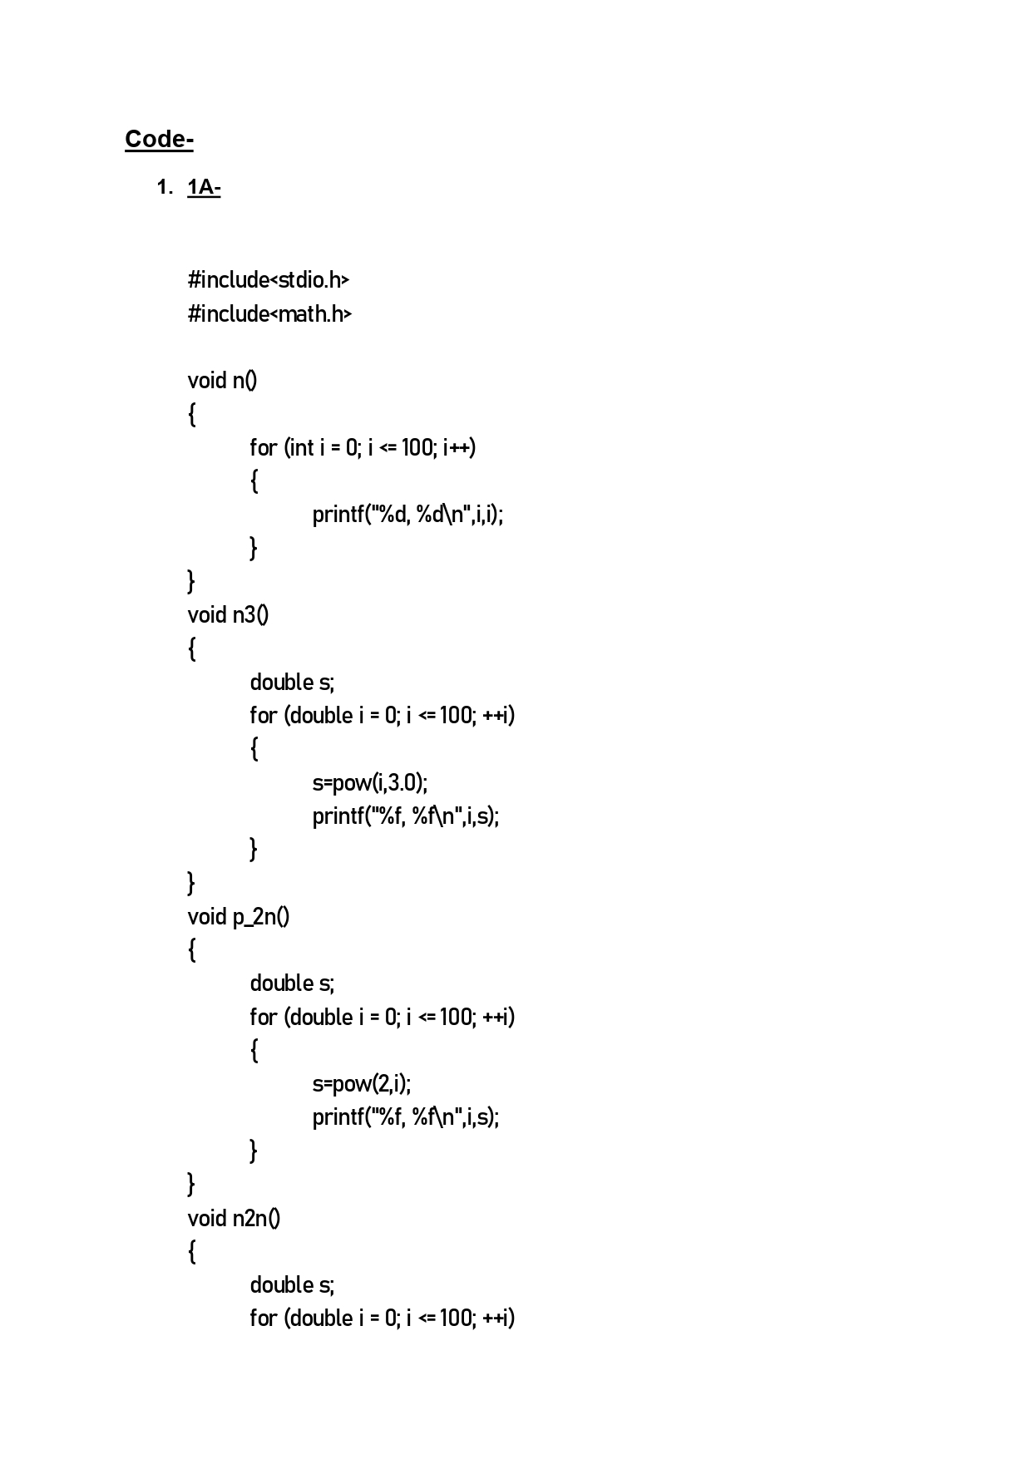

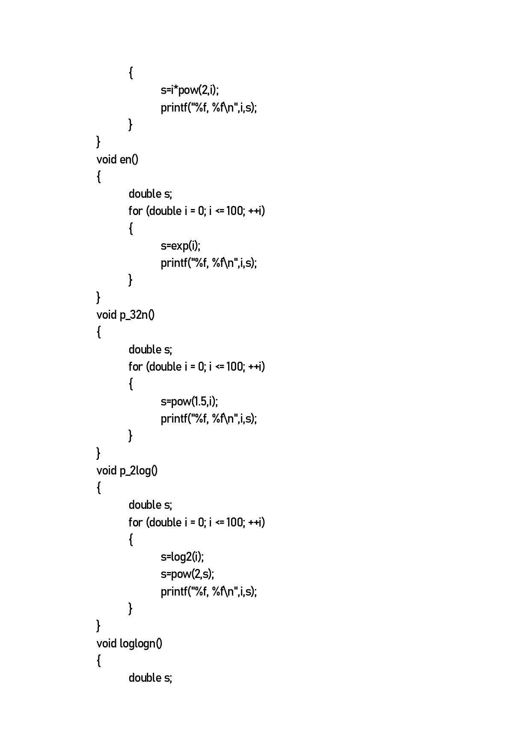

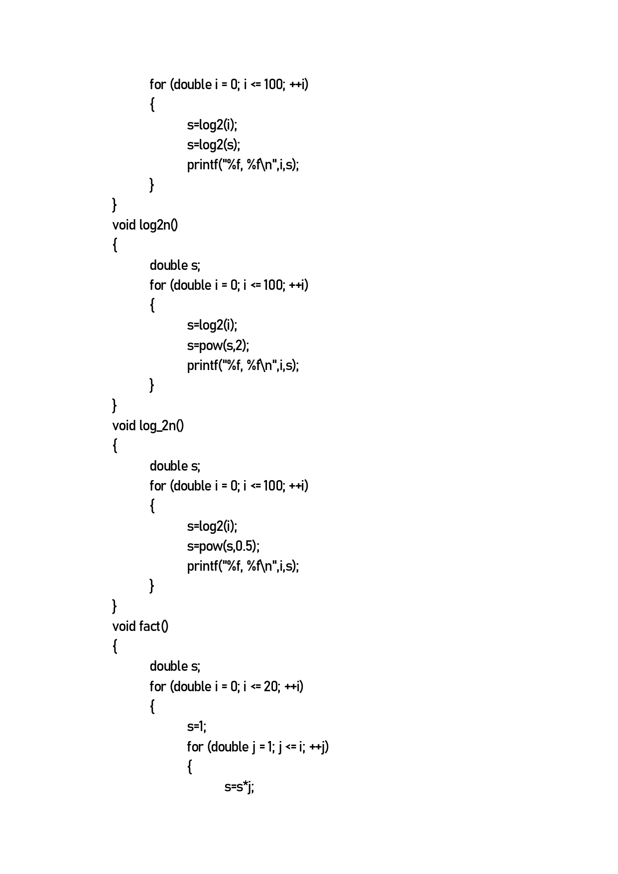

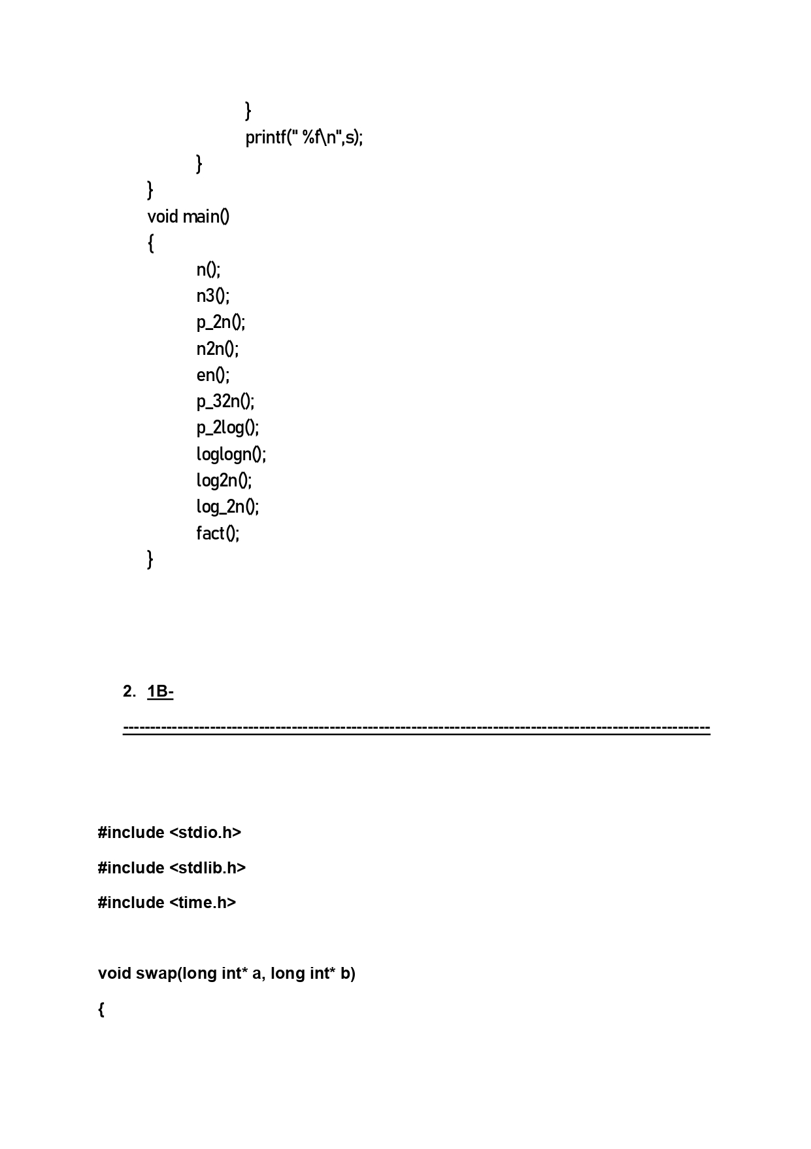

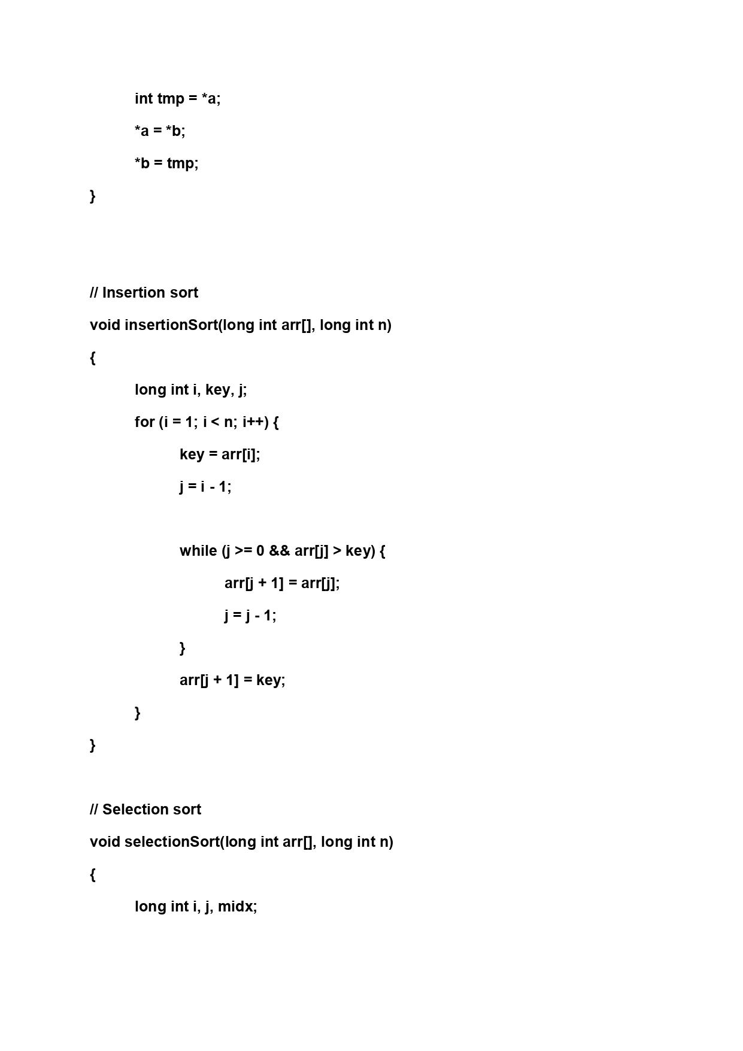

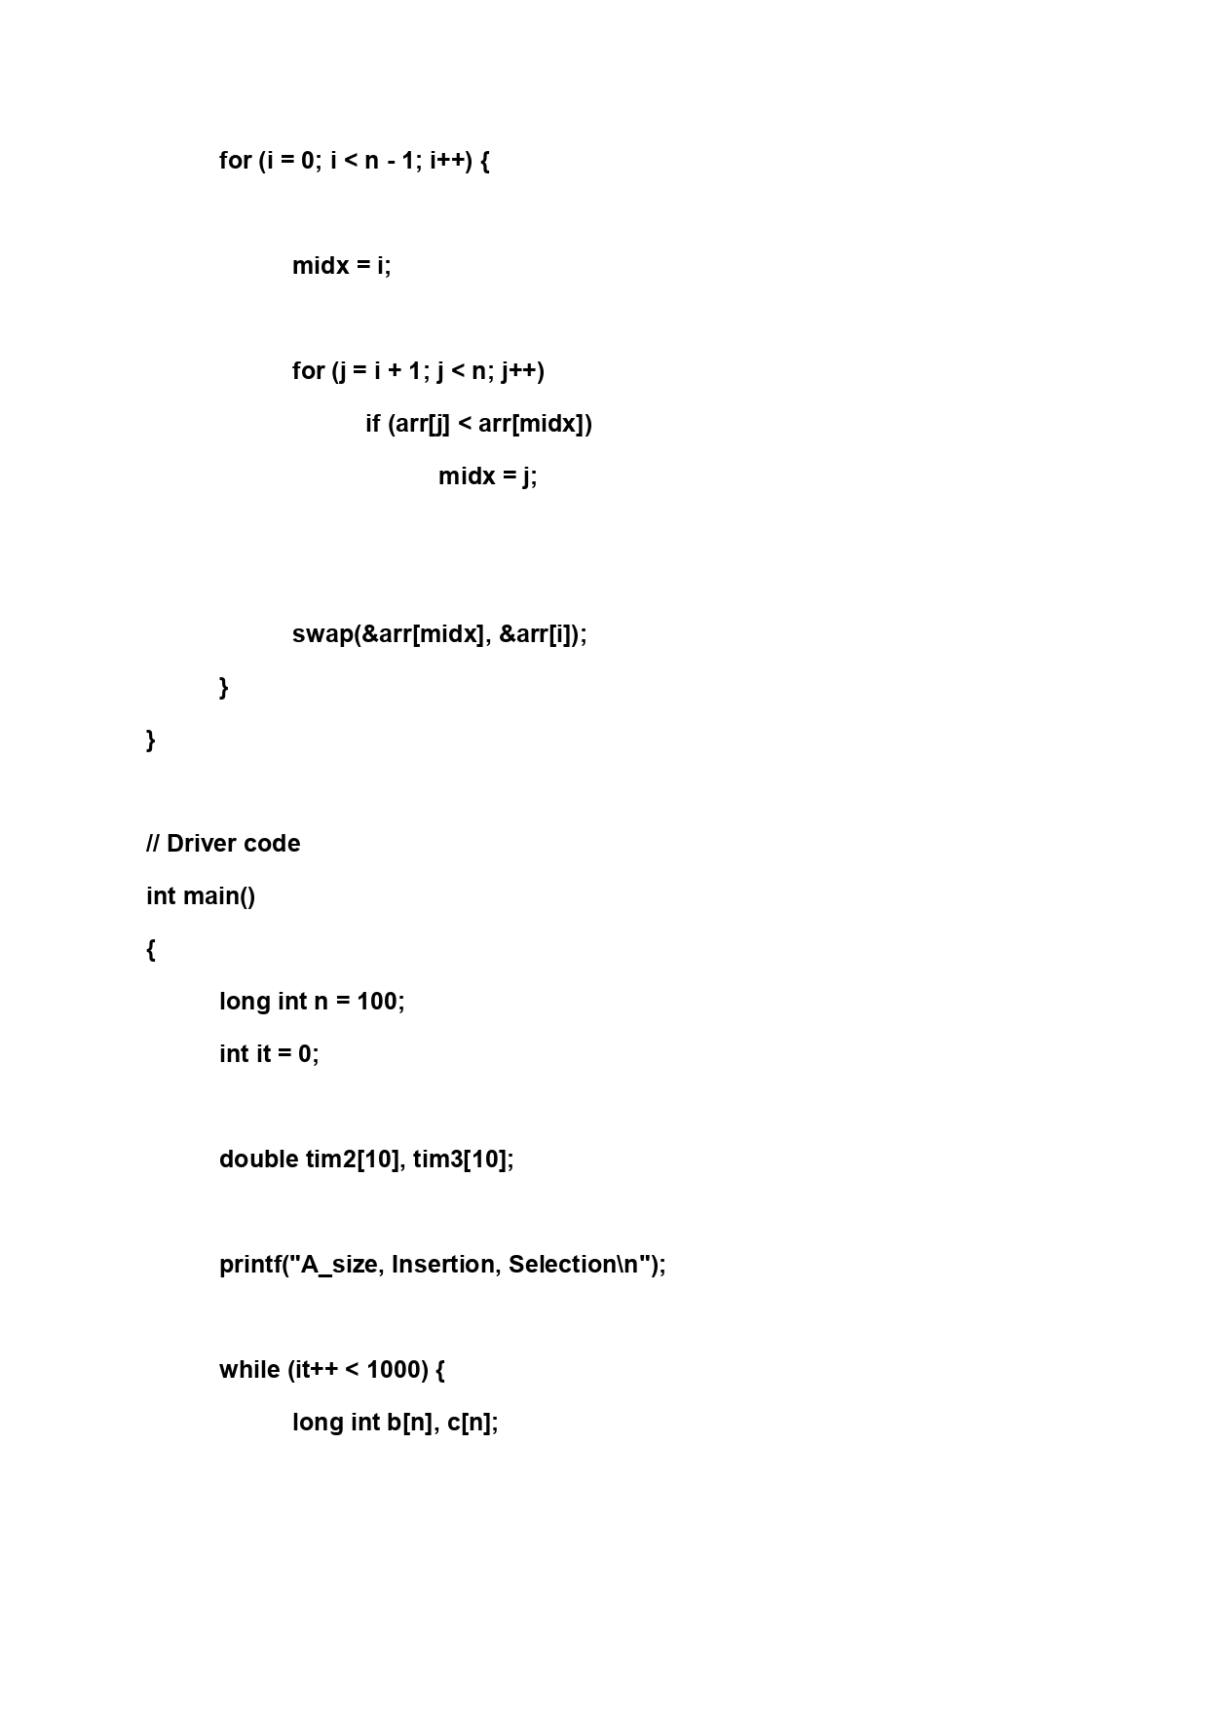

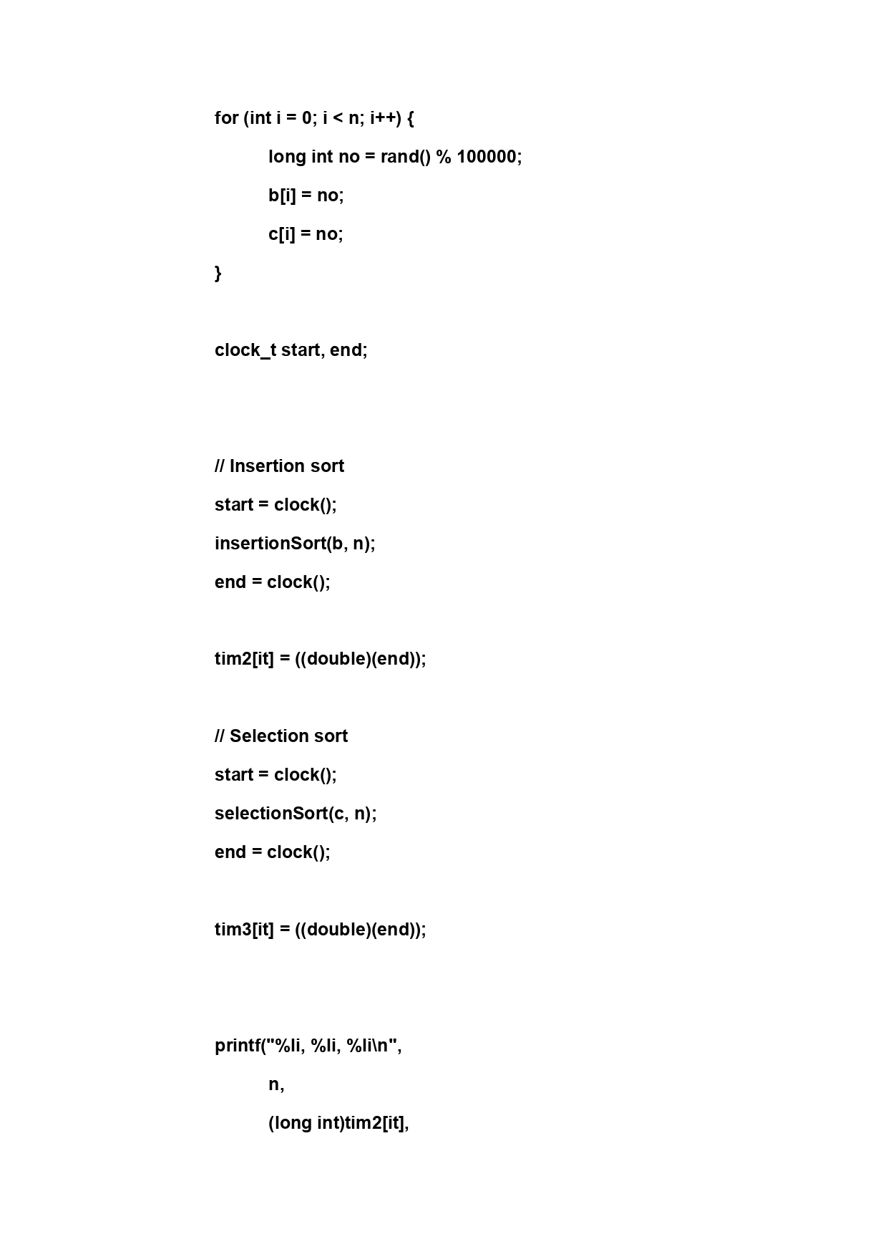

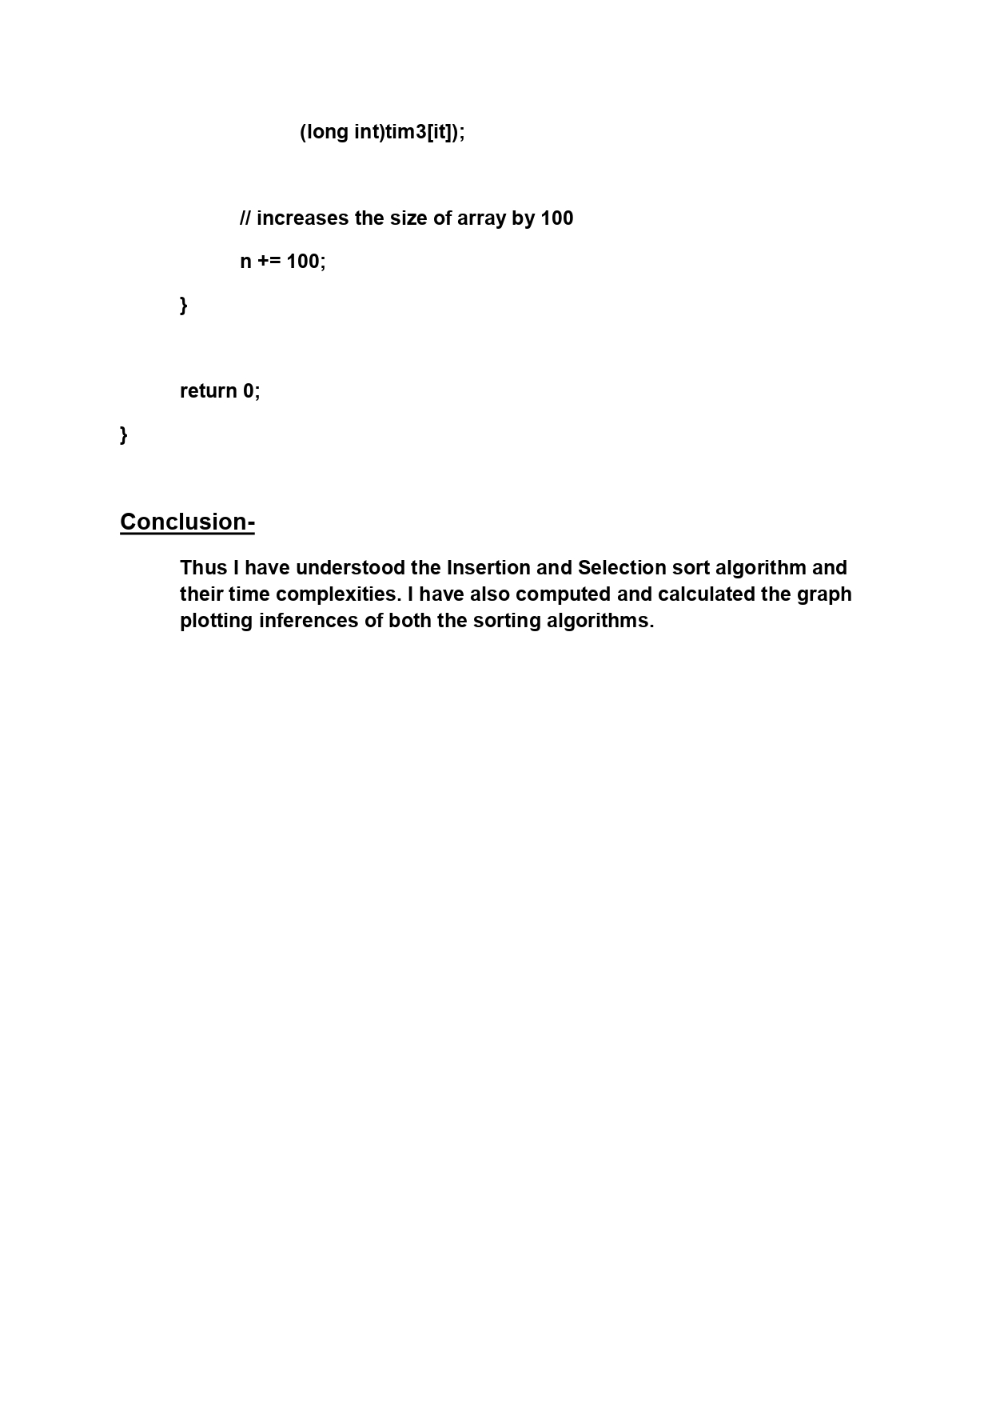

Exp1A
n | n | N^3 | 2^n | n*2^n | e^n | (3/2)^n | 2^logn | log(logn) | log^2(n) | (logn)^0.5 | n!
0 | 0 | 0 | 1 | 0 | 1 | 1 | 0 | nan | inf | inf | 1
1 | 1 | 1 | 2 | 2 | 2.718282 | 1.5 | 1 | -inf | 0 | 0 | 1
2 | 2 | 8 | 4 | 8 | 7.389056 | 2.25 | 2 | 0 | 1 | 1 | 2
3 | 3 | 27 | 8 | 24 | 20.085537 | 3.375 | 3 | 0.664449 | 2.512106 | 1.258953 | 6
4 | 4 | 64 | 16 | 64 | 54.59815 | 5.0625 | 4 | 1 | 4 | 1.414214 | 24
5 | 5 | 125 | 32 | 160 | 148.413159 | 7.59375 | 5 | 1.215323 | 5.39135 | 1.523787 | 120
6 | 6 | 216 | 64 | 384 | 403.428793 | 11.390625 | 6 | 1.370143 | 6.682031 | 1.607782 | 720
7 | 7 | 343 | 128 | 896 | 1096.633158 | 17.085938 | 7 | 1.489211 | 7.881242 | 1.675516 | 5040
8 | 8 | 512 | 256 | 2048 | 2980.957987 | 25.628906 | 8 | 1.584963 | 9 | 1.732051 | 40320
9 | 9 | 729 | 512 | 4608 | 8103.083928 | 38.443359 | 9 | 1.664449 | 10.048425 | 1.780428 | 362880
10 | 10 | 1000 | 1024 | 10240 | 22026.465795 | 57.665039 | 10 | 1.732021 | 11.035206 | 1.822616 | 3628800
11 | 11 | 1331 | 2048 | 22528 | 59874.141715 | 86.497559 | 11 | 1.790535 | 11.967667 | 1.859955 | 39916800
12 | 12 | 1728 | 4096 | 49152 | 162754.79142 | 129.746338 | 12 | 1.841958 | 12.851956 | 1.8934 | 479001600
13 | 13 | 2197 | 8192 | 106496 | 442413.39201 | 194.619507 | 13 | 1.887697 | 13.693254 | 1.923653 | 6227020800
14 | 14 | 2744 | 16384 | 229376 | 1202604.2842 | 291.92926 | 14 | 1.928789 | 14.495952 | 1.951244 | 87178291200
15 | 15 | 3375 | 32768 | 491520 | 3269017.3725 | 437.89389 | 15 | 1.966021 | 15.263794 | 1.976586 | 1307674368000
16 | 16 | 4096 | 65536 | 1048576 | 8886110.5205 | 656.840836 | 16 | 2 | 16 | 2 | 20922789888000
17 | 17 | 4913 | 131072 | 2228224 | 24154952.754 | 985.261253 | 17 | 2.031206 | 16.707352 | 2.021747 | 355687428096000
18 | 18 | 5832 | 262144 | 4718592 | 65659969.137 | 1477.89188 | 18 | 2.060021 | 17.388275 | 2.042039 | 6.4023737057E+15
19 | 19 | 6859 | 524288 | 9961472 | 178482300.96 | 2216.83782 | 19 | 2.086759 | 18.044888 | 2.06105 | 1.2164510041E+17
20 | 20 | 8000 | 1048576 | 20971520 | 485165195.41 | 3325.25673 | 20 | 2.111675 | 18.679062 | 2.078925 | 2.4329020082E+18
21 | 21 | 9261 | 2097152 | 44040192 | 1318815734.5 | 4987.885095 | 21 | 2.134982 | 19.292452 | 2.095786
22 | 22 | 10648 | 4194304 | 92274688 | 3584912846.1 | 7481.827643 | 22 | 2.15686 | 19.88653 | 2.111737
23 | 23 | 12167 | 8388608 | 192937984 | 9744803446.2 | 11222.741464 | 23 | 2.177459 | 20.462613 | 2.126867
24 | 24 | 13824 | 16777216 | 402653184 | 26489122130 | 16834.112196 | 24 | 2.19691 | 21.021881 | 2.141253
25 | 25 | 15625 | 33554432 | 838860800 | 72004899337 | 25251.168294 | 25 | 2.215323 | 21.5654 | 2.154961
26 | 26 | 17576 | 67108864 | 1744830464 | 1.9572960943E+11 | 37876.752441 | 26 | 2.232796 | 22.094134 | 2.16805
27 | 27 | 19683 | 134217728 | 3623878656 | 5.320482406E+11 | 56815.128662 | 27 | 2.249411 | 22.608955 | 2.18057
28 | 28 | 21952 | 268435456 | 7516192768 | 1.4462570643E+12 | 85222.692992 | 28 | 2.265243 | 23.110661 | 2.192568
29 | 29 | 24389 | 536870912 | 15569256448 | 3.9313342971E+12 | 127834.03949 | 29 | 2.280357 | 23.599979 | 2.204083
30 | 30 | 27000 | 1073741824 | 32212254720 | 1.0686474582E+13 | 191751.05923 | 30 | 2.294809 | 24.077575 | 2.21515
31 | 31 | 29791 | 2147483648 | 66571993088 | 2.9048849665E+13 | 287626.58885 | 31 | 2.308651 | 24.544061 | 2.225802
32 | 32 | 32768 | 4294967296 | 137438953472 | 7.8962960183E+13 | 431439.88327 | 32 | 2.321928 | 25 | 2.236068
33 | 33 | 35937 | 8589934592 | 283467841536 | 214643579785916 | 647159.82491 | 33 | 2.334681 | 25.445912 | 2.245973
34 | 34 | 39304 | 17179869184 | 584115552256 | 583461742527455 | 970739.73737 | 34 | 2.346946 | 25.882278 | 2.25554
35 | 35 | 42875 | 34359738368 | 1202590842880 | 1.5860134523E+15 | 1456109.6061 | 35 | 2.358757 | 26.309544 | 2.264792
36 | 36 | 46656 | 68719476736 | 2473901162496 | 4.3112315471E+15 | 2184164.4091 | 36 | 2.370143 | 26.728125 | 2.273747
37 | 37 | 50653 | 137438953472 | 5085241278464 | 1.1719142373E+16 | 3276246.6136 | 37 | 2.381132 | 27.138404 | 2.282423
38 | 38 | 54872 | 274877906944 | 10445360463872 | 3.1855931757E+16 | 4914369.9204 | 38 | 2.391748 | 27.540743 | 2.290836
39 | 39 | 59319 | 549755813888 | 21440476741632 | 8.6593400424E+16 | 7371554.8806 | 39 | 2.402013 | 27.935477 | 2.299
40 | 40 | 64000 | 1099511627776 | 43980465111040 | 2.3538526684E+17 | 11057332.321 | 40 | 2.411949 | 28.322919 | 2.30693
41 | 41 | 68921 | 2199023255552 | 90159953477632 | 6.3984349353E+17 | 16585998.481 | 41 | 2.421574 | 28.703363 | 2.314639
42 | 42 | 74088 | 4398046511104 | 184717953466368 | 1.7392749415E+18 | 24878997.722 | 42 | 2.430905 | 29.077087 | 2.322136
43 | 43 | 79507 | 8796093022208 | 378231999954944 | 4.7278394682E+18 | 37318496.583 | 43 | 2.439959 | 29.444349 | 2.329434
44 | 44 | 85184 | 17592186044416 | 774056185954304 | 1.2851600114E+19 | 55977744.875 | 44 | 2.448751 | 29.805394 | 2.336543
45 | 45 | 91125 | 35184372088832 | 1.583296744E+15 | 3.4934271057E+19 | 83966617.312 | 45 | 2.457293 | 30.16045 | 2.34347
46 | 46 | 97336 | 70368744177664 | 3.2369622322E+15 | 9.4961194206E+19 | 125949925.97 | 46 | 2.465599 | 30.509737 | 2.350226
47 | 47 | 103823 | 140737488355328 | 6.6146619527E+15 | 2.5813128862E+20 | 188924888.95 | 47 | 2.47368 | 30.853457 | 2.356818
48 | 48 | 110592 | 281474976710656 | 1.3510798882E+16 | 7.0167359121E+20 | 283387333.43 | 48 | 2.481548 | 31.191806 | 2.363253
49 | 49 | 117649 | 562949953421312 | 2.7584547718E+16 | 1.9073465725E+21 | 425081000.14 | 49 | 2.489211 | 31.524967 | 2.369538
50 | 50 | 125000 | 1.1258999068E+15 | 5.6294995342E+16 | 5.1847055286E+21 | 637621500.21 | 50 | 2.496681 | 31.853113 | 2.37568
51 | 51 | 132651 | 2.2517998137E+15 | 1.148417905E+17 | 1.4093490824E+22 | 956432250.32 | 51 | 2.503966 | 32.176409 | 2.381685
52 | 52 | 140608 | 4.5035996274E+15 | 2.3418718062E+17 | 3.8310080007E+22 | 1434648375.5 | 52 | 2.511073 | 32.495013 | 2.387559
53 | 53 | 148877 | 9.0071992547E+15 | 4.773815605E+17 | 1.0413759433E+23 | 2151972563.2 | 53 | 2.518011 | 32.809073 | 2.393307
54 | 54 | 157464 | 1.8014398509E+16 | 9.7277751951E+17 | 2.8307533033E+23 | 3227958844.8 | 54 | 2.524788 | 33.11873 | 2.398935
55 | 55 | 166375 | 3.6028797019E+16 | 1.981583836E+18 | 7.6947852651E+23 | 4841938267.3 | 55 | 2.531409 | 33.42412 | 2.404446
56 | 56 | 175616 | 7.2057594038E+16 | 4.0352252661E+18 | 2.091659496E+24 | 7262907400.9 | 56 | 2.537881 | 33.725371 | 2.409845
57 | 57 | 185193 | 1.4411518808E+17 | 8.2145657203E+18 | 5.6857199993E+24 | 10894361101 | 57 | 2.544211 | 34.022606 | 2.415138
58 | 58 | 195112 | 2.8823037615E+17 | 1.6717361817E+19 | 1.5455389356E+25 | 16341541652 | 58 | 2.550404 | 34.315941 | 2.420327
59 | 59 | 205379 | 5.764607523E+17 | 3.4011184386E+19 | 4.2012104038E+25 | 24512312478 | 59 | 2.556464 | 34.605489 | 2.425416
60 | 60 | 216000 | 1.1529215046E+18 | 6.9175290276E+19 | 1.1420073898E+26 | 36768468717 | 60 | 2.562399 | 34.891357 | 2.43041
61 | 61 | 226981 | 2.3058430092E+18 | 1.4065642356E+20 | 3.1042979357E+26 | 55152703075 | 61 | 2.568211 | 35.173645 | 2.435311
62 | 62 | 238328 | 4.6116860184E+18 | 2.8592453314E+20 | 8.4383566687E+26 | 82729054613 | 62 | 2.573907 | 35.452454 | 2.440122
63 | 63 | 250047 | 9.2233720369E+18 | 5.8107243832E+20 | 2.2937831595E+27 | 1.2409358192E+11 | 63 | 2.579489 | 35.727875 | 2.444848
64 | 64 | 262144 | 1.8446744074E+19 | 1.1805916207E+21 | 6.2351490808E+27 | 1.8614037288E+11 | 64 | 2.584963 | 36 | 2.44949
65 | 65 | 274625 | 3.6893488147E+19 | 2.3980767296E+21 | 1.6948892444E+28 | 2.7921055932E+11 | 65 | 2.590331 | 36.268914 | 2.454051
66 | 66 | 287496 | 7.3786976295E+19 | 4.8699404355E+21 | 4.6071866343E+28 | 4.1881583898E+11 | 66 | 2.595598 | 36.5347 | 2.458535
67 | 67 | 300763 | 1.4757395259E+20 | 9.8874548235E+21 | 1.2523631708E+29 | 6.2822375847E+11 | 67 | 2.600767 | 36.797438 | 2.462943
68 | 68 | 314432 | 2.9514790518E+20 | 2.0070057552E+22 | 3.4042760499E+29 | 9.423356377E+11 | 68 | 2.605841 | 37.057204 | 2.467278
69 | 69 | 328509 | 5.9029581036E+20 | 4.0730410915E+22 | 9.2537817256E+29 | 1.4135034566E+12 | 69 | 2.610824 | 37.314071 | 2.471543
70 | 70 | 343000 | 1.1805916207E+21 | 8.264141345E+22 | 2.5154386709E+30 | 2.1202551848E+12 | 70 | 2.615718 | 37.56811 | 2.475739
71 | 71 | 357911 | 2.3611832414E+21 | 1.6764401014E+23 | 6.8376712298E+30 | 3.1803827772E+12 | 71 | 2.620527 | 37.81939 | 2.479868
72 | 72 | 373248 | 4.7223664829E+21 | 3.4001038677E+23 | 1.8586717453E+31 | 4.7705741659E+12 | 72 | 2.625253 | 38.067975 | 2.483933
73 | 73 | 389017 | 9.4447329657E+21 | 6.894655065E+23 | 5.0523936303E+31 | 7.1558612488E+12 | 73 | 2.629899 | 38.313928 | 2.487936
74 | 74 | 405224 | 1.8889465931E+22 | 1.3978204789E+24 | 1.3733829795E+32 | 1.0733791873E+13 | 74 | 2.634466 | 38.557311 | 2.491877
75 | 75 | 421875 | 3.7778931863E+22 | 2.8334198897E+24 | 3.7332419968E+32 | 1.610068781E+13 | 75 | 2.638959 | 38.798182 | 2.49576
76 | 76 | 438976 | 7.5557863726E+22 | 5.7423976432E+24 | 1.0148003881E+33 | 2.4151031715E+13 | 76 | 2.643378 | 39.036598 | 2.499585
77 | 77 | 456533 | 1.5111572745E+23 | 1.1635911014E+25 | 2.7585134545E+33 | 3.6226547572E+13 | 77 | 2.647726 | 39.272614 | 2.503355
78 | 78 | 474552 | 3.022314549E+23 | 2.3574053482E+25 | 7.498416997E+33 | 54339821358091 | 78 | 2.652005 | 39.506281 | 2.50707
79 | 79 | 493039 | 6.0446290981E+23 | 4.7752569875E+25 | 2.0382810665E+34 | 8.1509732037E+13 | 79 | 2.656217 | 39.737652 | 2.510733
80 | 80 | 512000 | 1.2089258196E+24 | 9.6714065569E+25 | 5.5406223844E+34 | 122264598055705 | 80 | 2.660365 | 39.966775 | 2.514344
81 | 81 | 531441 | 2.4178516392E+24 | 1.9584598278E+26 | 1.5060973146E+35 | 183396897083557 | 81 | 2.664449 | 40.193698 | 2.517906
82 | 82 | 551368 | 4.8357032785E+24 | 3.9652766883E+26 | 4.0939969621E+35 | 275095345625335 | 82 | 2.668471 | 40.418467 | 2.521419
83 | 83 | 571787 | 9.6714065569E+24 | 8.0272674422E+26 | 1.1128637548E+36 | 412643018438003 | 83 | 2.672434 | 40.641128 | 2.524884
84 | 84 | 592704 | 1.9342813114E+25 | 1.6247963016E+27 | 3.0250773222E+36 | 618964527657005 | 84 | 2.676339 | 40.861722 | 2.528303
85 | 85 | 614125 | 3.8685626228E+25 | 3.2882782294E+27 | 8.2230127146E+36 | 928446791485507 | 85 | 2.680187 | 41.080292 | 2.531677
86 | 86 | 636056 | 7.7371252455E+25 | 6.6539277112E+27 | 2.2352466037E+37 | 1.3926701872E+15 | 86 | 2.68398 | 41.296879 | 2.535008
87 | 87 | 658503 | 1.5474250491E+26 | 1.3462597927E+28 | 6.0760302251E+37 | 2.0890052808E+15 | 87 | 2.68772 | 41.511521 | 2.538295
88 | 88 | 681472 | 3.0948500982E+26 | 2.7234680864E+28 | 1.651636255E+38 | 3.1335079213E+15 | 88 | 2.691407 | 41.724257 | 2.541541
89 | 89 | 704969 | 6.1897001964E+26 | 5.5088331748E+28 | 4.4896128192E+38 | 4.7002618819E+15 | 89 | 2.695044 | 41.935123 | 2.544746
90 | 90 | 729000 | 1.2379400393E+27 | 1.1141460354E+29 | 1.2204032943E+39 | 7.0503928228E+15 | 90 | 2.69863 | 42.144157 | 2.547912
91 | 91 | 753571 | 2.4758800786E+27 | 2.2530508715E+29 | 3.3174000983E+39 | 1.0575589234E+16 | 91 | 2.702169 | 42.351391 | 2.551038
92 | 92 | 778688 | 4.9517601571E+27 | 4.5556193446E+29 | 9.017628405E+39 | 1.5863383851E+16 | 92 | 2.70566 | 42.556861 | 2.554126
93 | 93 | 804357 | 9.9035203143E+27 | 9.2102738923E+29 | 2.4512455429E+40 | 2.3795075777E+16 | 93 | 2.709105 | 42.760598 | 2.557178
94 | 94 | 830584 | 1.9807040629E+28 | 1.8618618191E+30 | 6.6631762164E+40 | 3.5692613666E+16 | 94 | 2.712505 | 42.962635 | 2.560193
95 | 95 | 857375 | 3.9614081257E+28 | 3.7633377194E+30 | 1.8112390829E+41 | 5.3538920498E+16 | 95 | 2.715862 | 43.163003 | 2.563173
96 | 96 | 884736 | 7.9228162514E+28 | 7.6059036014E+30 | 4.923458286E+41 | 8.0308380748E+16 | 96 | 2.719175 | 43.361731 | 2.566118
97 | 97 | 912673 | 1.5845632503E+29 | 1.5370263528E+31 | 1.3383347192E+42 | 1.2046257112E+17 | 97 | 2.722447 | 43.55885 | 2.56903
98 | 98 | 941192 | 3.1691265006E+29 | 3.1057439706E+31 | 3.6379709476E+42 | 1.8069385668E+17 | 98 | 2.725678 | 43.754386 | 2.571908
99 | 99 | 970299 | 6.3382530011E+29 | 6.2748704711E+31 | 9.8890303193E+42 | 2.7104078502E+17 | 99 | 2.728869 | 43.948369 | 2.574754
100 | 100 | 1000000 | 1.2676506002E+30 | 1.2676506002E+32 | 2.6881171418E+43 | 4.0656117754E+17 | 100 | 2.732021 | 44.140825 | 2.577568

N | Linear graph with slope 1 and passing through origin.
N^3 | Cubic graph passing through origin with co-efficient of cubic variable as 1 and other constants 0.
2^N | Exponential function with a=2; gradient increases as value of n increases.
N*(2^N) | mutliplication of Exponential function with a=2 with n; gradient increases as value of n increases.
e^N | Natural exponential function.
(3/2)^N | Exponential function with a=1.5; gradient increases as value of n increases.
2^logN | Solving the equation gives back n as (a^logan = n); Linear graph with slope 1 and passing through origin.
log(logN) | logarithm of logarithm of n; Gradient decreases as n increases.
(logN)^2 | Square of logarithm of logarithm of n; Gradient decreases as n increases.
(logN)^0.5 | Square root of logarithm of logarithm of n; Gradient decreases as n increases.
N! | Follows the function N!=n x (n-1) x (n-2) x ...... x 2 x 1; value of the function increases rapidly.
Final | The gradients of all Logarithmic functions decreases as n increases, the gradients of all Exponential functions increases as n increases and the remaining functions are linear.

 | n | N^3 | 2^n | n*2^n | e^n | (3/2)^n | 2^logn | log(logn) | log^2(n) | (logn)^0.5 | n!
0 | 0 | 0 | 1 | 0 | 1 | 1 | 0 | 0 | 0 | 0 | 1
1 | 1 | 1 | 2 | 2 | 2.718282 | 1.5 | 1 | 0 | 0 | 0 | 1
2 | 2 | 8 | 4 | 8 | 7.389056 | 2.25 | 2 | 0 | 1 | 1 | 2
3 | 3 | 27 | 8 | 24 | 20.085537 | 3.375 | 3 | 0.664449 | 2.512106 | 1.258953 | 6
4 | 4 | 64 | 16 | 64 | 54.59815 | 5.0625 | 4 | 1 | 4 | 1.414214 | 24
5 | 5 | 125 | 32 | 160 | 148.413159 | 7.59375 | 5 | 1.215323 | 5.39135 | 1.523787 | 120
6 | 6 | 216 | 64 | 384 | 403.428793 | 11.390625 | 6 | 1.370143 | 6.682031 | 1.607782 | 720
7 | 7 | 343 | 128 | 896 | 1096.633158 | 17.085938 | 7 | 1.489211 | 7.881242 | 1.675516 | 5040
8 | 8 | 512 | 256 | 2048 | 2980.957987 | 25.628906 | 8 | 1.584963 | 9 | 1.732051 | 40320
9 | 9 | 729 | 512 | 4608 | 8103.083928 | 38.443359 | 9 | 1.664449 | 10.048425 | 1.780428 | 362880
10 | 10 | 1000 | 1024 | 10240 | 22026.465795 | 57.665039 | 10 | 1.732021 | 11.035206 | 1.822616 | 3628800
11 | 11 | 1331 | 2048 | 22528 | 59874.141715 | 86.497559 | 11 | 1.790535 | 11.967667 | 1.859955 | 39916800
12 | 12 | 1728 | 4096 | 49152 | 162754.79142 | 129.746338 | 12 | 1.841958 | 12.851956 | 1.8934 | 479001600
13 | 13 | 2197 | 8192 | 106496 | 442413.39201 | 194.619507 | 13 | 1.887697 | 13.693254 | 1.923653 | 6227020800
14 | 14 | 2744 | 16384 | 229376 | 1202604.2842 | 291.92926 | 14 | 1.928789 | 14.495952 | 1.951244 | 87178291200
15 | 15 | 3375 | 32768 | 491520 | 3269017.3725 | 437.89389 | 15 | 1.966021 | 15.263794 | 1.976586 | 1307674368000
16 | 16 | 4096 | 65536 | 1048576 | 8886110.5205 | 656.840836 | 16 | 2 | 16 | 2 | 20922789888000
17 | 17 | 4913 | 131072 | 2228224 | 24154952.754 | 985.261253 | 17 | 2.031206 | 16.707352 | 2.021747 | 355687428096000
18 | 18 | 5832 | 262144 | 4718592 | 65659969.137 | 1477.89188 | 18 | 2.060021 | 17.388275 | 2.042039 | 6.4023737057E+15
19 | 19 | 6859 | 524288 | 9961472 | 178482300.96 | 2216.83782 | 19 | 2.086759 | 18.044888 | 2.06105 | 1.2164510041E+17
20 | 20 | 8000 | 1048576 | 20971520 | 485165195.41 | 3325.25673 | 20 | 2.111675 | 18.679062 | 2.078925 | 2.4329020082E+18
21 | 21 | 9261 | 2097152 | 44040192 | 1318815734.5 | 4987.885095 | 21 | 2.134982 | 19.292452 | 2.095786
22 | 22 | 10648 | 4194304 | 92274688 | 3584912846.1 | 7481.827643 | 22 | 2.15686 | 19.88653 | 2.111737
23 | 23 | 12167 | 8388608 | 192937984 | 9744803446.2 | 11222.741464 | 23 | 2.177459 | 20.462613 | 2.126867
24 | 24 | 13824 | 16777216 | 402653184 | 26489122130 | 16834.112196 | 24 | 2.19691 | 21.021881 | 2.141253
25 | 25 | 15625 | 33554432 | 838860800 | 72004899337 | 25251.168294 | 25 | 2.215323 | 21.5654 | 2.154961
26 | 26 | 17576 | 67108864 | 1744830464 | 1.9572960943E+11 | 37876.752441 | 26 | 2.232796 | 22.094134 | 2.16805
27 | 27 | 19683 | 134217728 | 3623878656 | 5.320482406E+11 | 56815.128662 | 27 | 2.249411 | 22.608955 | 2.18057
28 | 28 | 21952 | 268435456 | 7516192768 | 1.4462570643E+12 | 85222.692992 | 28 | 2.265243 | 23.110661 | 2.192568
29 | 29 | 24389 | 536870912 | 15569256448 | 3.9313342971E+12 | 127834.03949 | 29 | 2.280357 | 23.599979 | 2.204083
30 | 30 | 27000 | 1073741824 | 32212254720 | 1.0686474582E+13 | 191751.05923 | 30 | 2.294809 | 24.077575 | 2.21515
31 | 31 | 29791 | 2147483648 | 66571993088 | 2.9048849665E+13 | 287626.58885 | 31 | 2.308651 | 24.544061 | 2.225802
32 | 32 | 32768 | 4294967296 | 137438953472 | 7.8962960183E+13 | 431439.88327 | 32 | 2.321928 | 25 | 2.236068
33 | 33 | 35937 | 8589934592 | 283467841536 | 214643579785916 | 647159.82491 | 33 | 2.334681 | 25.445912 | 2.245973
34 | 34 | 39304 | 17179869184 | 584115552256 | 583461742527455 | 970739.73737 | 34 | 2.346946 | 25.882278 | 2.25554
35 | 35 | 42875 | 34359738368 | 1202590842880 | 1.5860134523E+15 | 1456109.6061 | 35 | 2.358757 | 26.309544 | 2.264792
36 | 36 | 46656 | 68719476736 | 2473901162496 | 4.3112315471E+15 | 2184164.4091 | 36 | 2.370143 | 26.728125 | 2.273747
37 | 37 | 50653 | 137438953472 | 5085241278464 | 1.1719142373E+16 | 3276246.6136 | 37 | 2.381132 | 27.138404 | 2.282423
38 | 38 | 54872 | 274877906944 | 10445360463872 | 3.1855931757E+16 | 4914369.9204 | 38 | 2.391748 | 27.540743 | 2.290836
39 | 39 | 59319 | 549755813888 | 21440476741632 | 8.6593400424E+16 | 7371554.8806 | 39 | 2.402013 | 27.935477 | 2.299
40 | 40 | 64000 | 1099511627776 | 43980465111040 | 2.3538526684E+17 | 11057332.321 | 40 | 2.411949 | 28.322919 | 2.30693
41 | 41 | 68921 | 2199023255552 | 90159953477632 | 6.3984349353E+17 | 16585998.481 | 41 | 2.421574 | 28.703363 | 2.314639
42 | 42 | 74088 | 4398046511104 | 184717953466368 | 1.7392749415E+18 | 24878997.722 | 42 | 2.430905 | 29.077087 | 2.322136
43 | 43 | 79507 | 8796093022208 | 378231999954944 | 4.7278394682E+18 | 37318496.583 | 43 | 2.439959 | 29.444349 | 2.329434
44 | 44 | 85184 | 17592186044416 | 774056185954304 | 1.2851600114E+19 | 55977744.875 | 44 | 2.448751 | 29.805394 | 2.336543
45 | 45 | 91125 | 35184372088832 | 1.583296744E+15 | 3.4934271057E+19 | 83966617.312 | 45 | 2.457293 | 30.16045 | 2.34347
46 | 46 | 97336 | 70368744177664 | 3.2369622322E+15 | 9.4961194206E+19 | 125949925.97 | 46 | 2.465599 | 30.509737 | 2.350226
47 | 47 | 103823 | 140737488355328 | 6.6146619527E+15 | 2.5813128862E+20 | 188924888.95 | 47 | 2.47368 | 30.853457 | 2.356818
48 | 48 | 110592 | 281474976710656 | 1.3510798882E+16 | 7.0167359121E+20 | 283387333.43 | 48 | 2.481548 | 31.191806 | 2.363253
49 | 49 | 117649 | 562949953421312 | 2.7584547718E+16 | 1.9073465725E+21 | 425081000.14 | 49 | 2.489211 | 31.524967 | 2.369538
...

Exp1B
 |  |  | Time Complexity of Insertion and Selection Sorts
Insertion sort | Insertion sort has time complexity for best, average and worst as O(n), O(n^2) and O(n^2); While the time taken increases with increase in number of elements it is less than Selection sort. Thus we also conclude that insertion sort is best suited for lesser values.
Selection sort | Selection sort has time complexity for best, average and worst as O(n^2) for all cases; While the time taken increases with increase in number of elements it is less than Insertion sort. We can infer that selection sort can be better suited than insertion sort for larger number of elements.

Time(s) per 100 elements(n)
 | 0 | 0
 | 0 | 0
 | 0 | 0
 | 0.002 | 0
 | 0 | 0
 | 0 | 0
 | 0 | 0
 | 0.001 | 0
 | 0.001 | 0
 | 0.001 | 0
 | 0 | 0.001
 | 0.001 | 0.001
 | 0.001 | 0.001
 | 0.001 | 0.001
 | 0.001 | 0.001
 | 0.001 | 0.003
 | 0.001 | 0.002
 | 0.001 | 0.002
 | 0.002 | 0.002
 | 0.002 | 0.003
 | 0.002 | 0.003
 | 0.003 | 0.003
 | 0.002 | 0.003
 | 0.003 | 0.004
 | 0.003 | 0.004
 | 0.002 | 0.005
 | 0.004 | 0.005
 | 0.004 | 0.005
 | 0.004 | 0.006
 | 0.002 | 0.006
 | 0.005 | 0.006
 | 0.004 | 0.007
 | 0.006 | 0.007
 | 0.006 | 0.008
 | 0.005 | 0.009
 | 0.006 | 0.011
 | 0.005 | 0.009
 | 0.006 | 0.012
 | 0.005 | 0.011
 | 0.008 | 0.012
 | 0.007 | 0.012
 | 0.008 | 0.014
 | 0.008 | 0.014
 | 0.008 | 0.015
 | 0.01 | 0.014
 | 0.01 | 0.015
 | 0.009 | 0.016
 | 0.009 | 0.016
 | 0.009 | 0.017
 | 0.01 | 0.017
...
No of Elements | Insertion Sort | Selection Sort
100 |  | 0
200 | 0 | 0
300 | 0 | 0
400 | 0 | 0
500 | 0.002 | 0
600 | 0 | 0
700 | 0 | 0
800 | 0 | 0
900 | 0.001 | 0
1000 | 0.001 | 0.001
1100 | 0.001 | 0.001
1200 | 0 | 0.001
1300 | 0.001 | 0.001
1400 | 0.001 | 0.001
1500 | 0.001 | 0.003
1600 | 0.001 | 0.002
1700 | 0.001 | 0.002
1800 | 0.001 | 0.002
1900 | 0.001 | 0.003
2000 | 0.002 | 0.003
2100 | 0.002 | 0.003
2200 | 0.002 | 0.003
2300 | 0.003 | 0.004
2400 | 0.002 | 0.004
2500 | 0.003 | 0.005
2600 | 0.003 | 0.005
2700 | 0.002 | 0.005
2800 | 0.004 | 0.006
2900 | 0.004 | 0.006
3000 | 0.004 | 0.006
3100 | 0.002 | 0.007
3200 | 0.005 | 0.007
3300 | 0.004 | 0.008
3400 | 0.006 | 0.009
3500 | 0.006 | 0.011
3600 | 0.005 | 0.009
3700 | 0.006 | 0.012
3800 | 0.005 | 0.011
3900 | 0.006 | 0.012
4000 | 0.005 | 0.012
4100 | 0.008 | 0.014
4200 | 0.007 | 0.014
4300 | 0.008 | 0.015
4400 | 0.008 | 0.014
4500 | 0.008 | 0.015
4600 | 0.01 | 0.016
4700 | 0.01 | 0.016
4800 | 0.009 | 0.017
4900 | 0.009 | 0.017
5000 | 0.009 | 0.017
5100 | 0.01 | 0.021
5200 | 0.01 | 0.02
5300 | 0.011 | 0.021
5400 | 0.011 | 0.023
5500 | 0.011 | 0.024
5600 | 0.014 | 0.026
5700 | 0.014 | 0.025
5800 | 0.014 | 0.026
5900 | 0.015 | 0.025
6000 | 0.014 | 0.026
6100 | 0.015 | 0.028
6200 | 0.02 | 0.03
6300 | 0.015 | 0.032
6400 | 0.018 | 0.032
6500 | 0.019 | 0.032
6600 | 0.019 | 0.032
6700 | 0.019 | 0.034
6800 | 0.02 | 0.034
6900 | 0.02 | 0.036
7000 | 0.021 | 0.037
7100 | 0.022 | 0.038
7200 | 0.022 | 0.04
7300 | 0.023 | 0.041
7400 | 0.023 | 0.044
7500 | 0.024 | 0.045
7600 | 0.024 | 0.042
7700 | 0.027 | 0.045
7800 | 0.025 | 0.031
7900 | 0.03 | 0.046
8000 | 0.042 | 0.046
8100 | 0.028 | 0.048
8200 | 0.029 | 0.05
8300 | 0.029 | 0.052
8400 | 0.029 | 0.053
8500 | 0.032 | 0.054
8600 | 0.032 | 0.056
8700 | 0.031 | 0.058
8800 | 0.032 | 0.061
8900 | 0.034 | 0.059
9000 | 0.035 | 0.06
9100 | 0.038 | 0.054
9200 | 0.034 | 0.064
9300 | 0.046 | 0.065
9400 | 0.036 | 0.066
9500 | 0.038 | 0.067
9600 | 0.038 | 0.068
9700 | 0.04 | 0.07
9800 | 0.039 | 0.073
9900 | 0.042 | 0.076
10000 | 0.045 | 0.074
10100 | 0.043 | 0.077
10200 | 0.044 | 0.077
10300 | 0.045 | 0.079
10400 | 0.045 | 0.081
10500 | 0.045 | 0.082
10600 | 0.046 | 0.084
10700 | 0.047 | 0.09
10800 | 0.051 | 0.087
10900 | 0.05 | 0.088
11000 | 0.051 | 0.09
11100 | 0.052 | 0.091
11200 | 0.052 | 0.094
11300 | 0.053 | 0.097
11400 | 0.054 | 0.102
11500 | 0.055 | 0.097
11600 | 0.056 | 0.1
11700 | 0.059 | 0.102
11800 | 0.06 | 0.105
11900 | 0.066 | 0.106
12000 | 0.06 | 0.111
12100 | 0.061 | 0.11
12200 | 0.066 | 0.098
12300 | 0.065 | 0.112
12400 | 0.076 | 0.113
12500 | 0.066 | 0.117
12600 | 0.066 | 0.124
12700 | 0.07 | 0.123
12800 | 0.069 | 0.122
12900 | 0.069 | 0.124
13000 | 0.07 | 0.126
13100 | 0.073 | 0.13
13200 | 0.076 | 0.139
13300 | 0.081 | 0.136
13400 | 0.08 | 0.134
13500 | 0.077 | 0.135
13600 | 0.078 | 0.137
13700 | 0.082 | 0.141
13800 | 0.085 | 0.141
13900 | 0.082 | 0.143
14000 | 0.08 | 0.15
14100 | 0.082 | 0.154
14200 | 0.084 | 0.15
14300 | 0.087 | 0.153
14400 | 0.088 | 0.158
14500 | 0.088 | 0.158
14600 | 0.087 | 0.159
14700 | 0.093 | 0.162
14800 | 0.09 | 0.165
14900 | 0.093 | 0.165
15000 | 0.094 | 0.169
15100 | 0.098 | 0.174
15200 | 0.097 | 0.18
15300 | 0.098 | 0.182
15400 | 0.1 | 0.177
15500 | 0.102 | 0.18
15600 | 0.101 | 0.18
15700 | 0.107 | 0.188
15800 | 0.105 | 0.186
15900 | 0.106 | 0.193
16000 | 0.106 | 0.193
16100 | 0.108 | 0.193
16200 | 0.112 | 0.195
16300 | 0.11 | 0.197
16400 | 0.116 | 0.203
16500 | 0.113 | 0.202
16600 | 0.114 | 0.204
16700 | 0.119 | 0.21
16800 | 0.118 | 0.209
16900 | 0.119 | 0.213
17000 | 0.125 | 0.233
17100 | 0.122 | 0.216
17200 | 0.128 | 0.22
17300 | 0.128 | 0.223
17400 | 0.128 | 0.226
17500 | 0.128 | 0.231
17600 | 0.13 | 0.232
17700 | 0.13 | 0.24
17800 | 0.13 | 0.235
17900 | 0.134 | 0.241
18000 | 0.134 | 0.246
18100 | 0.138 | 0.243
18200 | 0.14 | 0.25
18300 | 0.14 | 0.251
18400 | 0.145 | 0.25
18500 | 0.143 | 0.259
18600 | 0.15 | 0.258
18700 | 0.145 | 0.264
18800 | 0.148 | 0.265
18900 | 0.152 | 0.266
19000 | 0.152 | 0.274
19100 | 0.159 | 0.274
19200 | 0.157 | 0.283
19300 | 0.156 | 0.279
19400 | 0.16 | 0.281
19500 | 0.159 | 0.285
19600 | 0.164 | 0.303
19700 | 0.161 | 0.295
19800 | 0.169 | 0.291
19900 | 0.166 | 0.301
20000 | 0.17 | 0.297
20100 | 0.17 | 0.307
20200 | 0.17 | 0.305
20300 | 0.175 | 0.312
20400 | 0.176 | 0.308
20500 | 0.178 | 0.317
20600 | 0.178 | 0.317
20700 | 0.183 | 0.322
20800 | 0.181 | 0.325
20900 | 0.186 | 0.327
21000 | 0.187 | 0.331
21100 | 0.191 | 0.339
21200 | 0.189 | 0.342
21300 | 0.189 | 0.339
21400 | 0.195 | 0.342
21500 | 0.2 | 0.345
21600 | 0.193 | 0.348
21700 | 0.201 | 0.354
21800 | 0.221 | 0.354
21900 | 0.207 | 0.36
22000 | 0.207 | 0.363
22100 | 0.207 | 0.367
22200 | 0.209 | 0.373
22300 | 0.208 | 0.376
22400 | 0.209 | 0.375
22500 | 0.214 | 0.376
22600 | 0.215 | 0.381
22700 | 0.218 | 0.389
22800 | 0.222 | 0.39
22900 | 0.222 | 0.394
23000 | 0.219 | 0.396
23100 | 0.225 | 0.396
23200 | 0.228 | 0.403
23300 | 0.232 | 0.405
23400 | 0.229 | 0.418
23500 | 0.246 | 0.418
23600 | 0.232 | 0.413
23700 | 0.235 | 0.418
23800 | 0.246 | 0.426
23900 | 0.242 | 0.424
24000 | 0.241 | 0.426
24100 | 0.25 | 0.438
24200 | 0.245 | 0.434
24300 | 0.247 | 0.439
24400 | 0.254 | 0.446
24500 | 0.253 | 0.446
24600 | 0.256 | 0.451
24700 | 0.264 | 0.46
24800 | 0.259 | 0.461
24900 | 0.259 | 0.479
25000 | 0.268 | 0.47
25100 | 0.272 | 0.474
25200 | 0.265 | 0.471
25300 | 0.275 | 0.481
25400 | 0.274 | 0.492
25500 | 0.274 | 0.486
25600 | 0.277 | 0.489
25700 | 0.279 | 0.495
25800 | 0.285 | 0.498
25900 | 0.284 | 0.504
26000 | 0.286 | 0.508
26100 | 0.295 | 0.51
26200 | 0.289 | 0.53
26300 | 0.294 | 0.524
26400 | 0.298 | 0.523
26500 | 0.301 | 0.529
26600 | 0.299 | 0.527
26700 | 0.301 | 0.532
26800 | 0.307 | 0.535
26900 | 0.309 | 0.543
27000 | 0.313 | 0.547
27100 | 0.31 | 0.551
27200 | 0.309 | 0.554
27300 | 0.313 | 0.554
27400 | 0.313 | 0.566
27500 | 0.326 | 0.566
27600 | 0.343 | 0.575
27700 | 0.324 | 0.575
27800 | 0.327 | 0.58
27900 | 0.327 | 0.583
28000 | 0.328 | 0.582
28100 | 0.339 | 0.591
28200 | 0.341 | 0.598
28300 | 0.34 | 0.597
28400 | 0.346 | 0.603
28500 | 0.348 | 0.606
28600 | 0.347 | 0.616
28700 | 0.369 | 0.616
28800 | 0.354 | 0.619
28900 | 0.352 | 0.634
29000 | 0.357 | 0.625
29100 | 0.359 | 0.629
29200 | 0.365 | 0.637
29300 | 0.37 | 0.641
29400 | 0.378 | 0.647
29500 | 0.378 | 0.649
29600 | 0.372 | 0.674
29700 | 0.383 | 0.656
29800 | 0.381 | 0.662
29900 | 0.381 | 0.668
30000 | 0.383 | 0.669
30100 | 0.395 | 0.672
30200 | 0.391 | 0.681
30300 | 0.386 | 0.704
30400 | 0.409 | 0.692
30500 | 0.396 | 0.711
30600 | 0.4 | 0.704
30700 | 0.432 | 0.707
30800 | 0.404 | 0.714
30900 | 0.426 | 0.717
31000 | 0.409 | 0.717
31100 | 0.406 | 0.73
31200 | 0.412 | 0.728
31300 | 0.413 | 0.743
31400 | 0.414 | 0.743
31500 | 0.419 | 0.749
31600 | 0.443 | 0.742
31700 | 0.44 | 0.747
31800 | 0.426 | 0.761
31900 | 0.437 | 0.764
32000 | 0.433 | 0.767
32100 | 0.437 | 0.772
32200 | 0.434 | 0.778
32300 | 0.44 | 0.804
32400 | 0.446 | 0.786
32500 | 0.449 | 0.8
32600 | 0.445 | 0.793
32700 | 0.453 | 0.804
32800 | 0.457 | 0.811
32900 | 0.458 | 0.812
33000 | 0.463 | 0.812
33100 | 0.468 | 0.825
33200 | 0.466 | 0.826
33300 | 0.488 | 0.829
33400 | 0.477 | 0.841
33500 | 0.478 | 0.844
33600 | 0.474 | 0.846
33700 | 0.48 | 0.846
33800 | 0.485 | 0.858
33900 | 0.49 | 0.881
34000 | 0.486 | 0.865
34100 | 0.499 | 0.871
34200 | 0.494 | 0.879
34300 | 0.492 | 0.881
34400 | 0.501 | 0.89
34500 | 0.508 | 0.901
34600 | 0.505 | 0.898
34700 | 0.512 | 0.908
34800 | 0.53 | 0.912
34900 | 0.518 | 0.918
35000 | 0.517 | 0.919
35100 | 0.526 | 0.923
35200 | 0.528 | 0.935
35300 | 0.53 | 0.931
35400 | 0.542 | 0.955
35500 | 0.54 | 0.943
35600 | 0.547 | 0.948
35700 | 0.535 | 0.953
35800 | 0.55 | 0.961
35900 | 0.542 | 0.967
36000 | 0.549 | 0.977
36100 | 0.554 | 0.983
36200 | 0.574 | 0.98
36300 | 0.557 | 0.984
36400 | 0.559 | 0.998
36500 | 0.565 | 1
36600 | 0.574 | 1.009
36700 | 0.573 | 1.023
36800 | 0.577 | 1.018
36900 | 0.581 | 1.02
37000 | 0.578 | 1.023
37100 | 0.587 | 1.03
37200 | 0.591 | 1.036
37300 | 0.598 | 1.04
37400 | 0.595 | 1.053
37500 | 0.611 | 1.058
37600 | 0.601 | 1.06
37700 | 0.604 | 1.069
37800 | 0.608 | 1.072
37900 | 0.609 | 1.077
38000 | 0.617 | 1.104
38100 | 0.617 | 1.088
38200 | 0.622 | 1.094
38300 | 0.625 | 1.109
38400 | 0.622 | 1.106
38500 | 0.641 | 1.107
38600 | 0.631 | 1.142
38700 | 0.631 | 1.128
38800 | 0.64 | 1.124
38900 | 0.65 | 1.134
39000 | 0.641 | 1.14
39100 | 0.652 | 1.142
39200 | 0.656 | 1.155
39300 | 0.681 | 1.16
39400 | 0.66 | 1.159
39500 | 0.665 | 1.172
39600 | 0.664 | 1.176
39700 | 0.666 | 1.199
39800 | 0.671 | 1.193
39900 | 0.68 | 1.203
40000 | 0.684 | 1.21
40100 | 0.685 | 1.212
40200 | 0.7 | 1.219
40300 | 0.684 | 1.223
40400 | 0.716 | 1.223
40500 | 0.699 | 1.228
40600 | 0.699 | 1.237
40700 | 0.705 | 1.245
40800 | 0.709 | 1.269
40900 | 0.711 | 1.25
41000 | 0.711 | 1.261
41100 | 0.723 | 1.262
41200 | 0.718 | 1.274
41300 | 0.721 | 1.301
41400 | 0.73 | 1.288
41500 | 0.735 | 1.299
41600 | 0.734 | 1.305
41700 | 0.743 | 1.308
41800 | 0.747 | 1.336
41900 | 0.75 | 1.322
42000 | 0.755 | 1.323
42100 | 0.748 | 1.326
42200 | 0.756 | 1.333
42300 | 0.767 | 1.374
42400 | 0.762 | 1.354
42500 | 0.769 | 1.355
42600 | 0.769 | 1.363
42700 | 0.771 | 1.366
42800 | 0.776 | 1.406
42900 | 0.778 | 1.381
43000 | 0.786 | 1.399
43100 | 0.78 | 1.396
43200 | 0.797 | 1.4
43300 | 0.797 | 1.425
43400 | 0.815 | 1.411
43500 | 0.799 | 1.421
43600 | 0.812 | 1.424
43700 | 0.814 | 1.439
43800 | 0.811 | 1.445
43900 | 0.832 | 1.447
44000 | 0.823 | 1.453
44100 | 0.83 | 1.461
44200 | 0.826 | 1.483
44300 | 0.829 | 1.472
44400 | 0.851 | 1.496
44500 | 0.833 | 1.482
44600 | 0.857 | 1.508
44700 | 0.848 | 1.5
44800 | 0.858 | 1.499
44900 | 0.86 | 1.911
45000 | 0.993 | 1.682
45100 | 0.946 | 1.636
45200 | 0.951 | 1.619
45300 | 0.953 | 1.624
45400 | 0.918 | 1.631
45500 | 0.941 | 1.626
45600 | 0.98 | 1.638
45700 | 0.939 | 1.663
45800 | 0.939 | 1.668
45900 | 0.941 | 1.694
46000 | 0.95 | 1.69
46100 | 0.954 | 1.684
46200 | 0.96 | 1.697
46300 | 0.951 | 1.668
46400 | 0.966 | 1.663
46500 | 0.949 | 1.672
46600 | 0.945 | 1.678
46700 | 0.946 | 1.676
46800 | 0.961 | 1.707
46900 | 0.956 | 1.676
47000 | 0.952 | 1.693
47100 | 0.955 | 1.678
47200 | 0.953 | 1.684
47300 | 0.961 | 1.703
47400 | 0.972 | 1.787
47500 | 0.971 | 1.775
47600 | 1.002 | 1.779
47700 | 1.009 | 1.808
47800 | 1.015 | 1.817
47900 | 1.028 | 1.763
48000 | 1.033 | 1.778
48100 | 1.001 | 1.756
48200 | 1.007 | 1.782
48300 | 1.031 | 1.812
48400 | 1.024 | 1.81
48500 | 1.026 | 1.831
48600 | 1.022 | 1.824
48700 | 1.046 | 1.821
48800 | 1.028 | 1.843
48900 | 1.067 | 1.868
49000 | 1.047 | 1.853
49100 | 1.059 | 1.844
49200 | 1.069 | 1.844
49300 | 1.051 | 1.849
49400 | 1.074 | 1.864
49500 | 1.065 | 1.858
49600 | 1.06 | 1.922
49700 | 1.076 | 1.912
49800 | 1.09 | 1.898
49900 | 1.091 | 1.903
50000 | 1.08 | 1.908
50100 | 1.1 | 1.925
50200 | 1.095 | 1.911
50300 | 1.092 | 1.94
50400 | 1.103 | 1.926
50500 | 1.103 | 1.934
50600 | 1.097 | 1.975
50700 | 1.104 | 1.986
50800 | 1.136 | 1.984
50900 | 1.141 | 1.983
51000 | 1.126 | 1.99
51100 | 1.178 | 2.014
51200 | 1.157 | 2.013
51300 | 1.156 | 2.015
51400 | 1.132 | 2.006
51500 | 1.144 | 2.026
51600 | 1.125 | 2.038
51700 | 1.16 | 2.064
51800 | 1.174 | 2.063
51900 | 1.175 | 2.082
52000 | 1.193 | 2.067
52100 | 1.176 | 2.066
52200 | 1.186 | 2.089
52300 | 1.19 | 2.084
52400 | 1.215 | 2.095
52500 | 1.187 | 2.093
52600 | 1.194 | 2.123
52700 | 1.191 | 2.136
52800 | 1.205 | 2.138
52900 | 1.24 | 2.149
53000 | 1.214 | 2.143
53100 | 1.219 | 2.155
53200 | 1.233 | 2.168
53300 | 1.22 | 2.165
53400 | 1.233 | 2.162
53500 | 1.234 | 2.2
53600 | 1.235 | 2.267
53700 | 1.261 | 2.262
53800 | 1.283 | 2.262
53900 | 1.3 | 2.224
54000 | 1.26 | 2.238
54100 | 1.273 | 2.277
54200 | 1.279 | 2.218
54300 | 1.292 | 2.215
54400 | 1.272 | 2.263
54500 | 1.279 | 2.259
54600 | 1.281 | 2.329
54700 | 1.294 | 2.328
54800 | 1.317 | 2.282
54900 | 1.319 | 2.305
55000 | 1.316 | 2.344
55100 | 1.326 | 2.286
55200 | 1.324 | 2.306
55300 | 1.321 | 2.339
55400 | 1.34 | 2.353
55500 | 1.329 | 2.38
55600 | 1.348 | 2.399
55700 | 1.371 | 2.389
55800 | 1.367 | 2.429
55900 | 1.372 | 2.412
56000 | 1.375 | 2.401
56100 | 1.377 | 2.426
56200 | 1.371 | 2.402
56300 | 1.363 | 2.423
56400 | 1.369 | 2.428
56500 | 1.393 | 2.438
56600 | 1.384 | 2.429
56700 | 1.404 | 2.457
56800 | 1.414 | 2.505
56900 | 1.416 | 2.512
57000 | 1.426 | 2.517
57100 | 1.417 | 2.512
57200 | 1.436 | 2.522
57300 | 1.451 | 2.502
57400 | 1.417 | 2.516
57500 | 1.408 | 2.504
57600 | 1.426 | 2.545
57700 | 1.434 | 2.606
57800 | 1.446 | 2.586
57900 | 1.493 | 2.578
58000 | 1.46 | 2.578
58100 | 1.499 | 2.597
58200 | 1.482 | 2.607
58300 | 1.474 | 2.578
58400 | 1.463 | 2.595
58500 | 1.472 | 2.637
58600 | 1.495 | 2.659
58700 | 1.528 | 2.693
58800 | 1.511 | 2.649
58900 | 1.528 | 2.67
59000 | 1.532 | 2.657
59100 | 1.548 | 2.645
59200 | 1.508 | 2.685
59300 | 1.513 | 2.668
59400 | 1.521 | 2.737
59500 | 1.564 | 2.725
59600 | 1.594 | 2.727
59700 | 1.559 | 2.79
59800 | 1.568 | 2.747
59900 | 1.58 | 2.743
60000 | 1.563 | 2.741
60100 | 1.556 | 2.749
60200 | 1.559 | 2.797
60300 | 1.58 | 2.796
60400 | 1.591 | 2.819
60500 | 1.595 | 2.829
60600 | 1.639 | 2.829
60700 | 1.622 | 2.826
60800 | 1.612 | 2.82
60900 | 1.602 | 2.849
61000 | 1.621 | 2.85
61100 | 1.616 | 2.86
61200 | 1.645 | 2.907
61300 | 1.655 | 2.849
61400 | 1.669 | 2.87
61500 | 1.607 | 2.839
61600 | 1.627 | 2.857
61700 | 1.624 | 2.843
61800 | 1.628 | 2.869
61900 | 1.631 | 2.87
62000 | 1.642 | 2.881
62100 | 1.644 | 2.887
62200 | 1.667 | 2.92
62300 | 1.644 | 2.932
62400 | 1.669 | 2.916
62500 | 1.663 | 2.958
62600 | 1.658 | 2.936
62700 | 1.679 | 2.949
62800 | 1.678 | 2.954
62900 | 1.701 | 2.954
63000 | 1.686 | 2.969
63100 | 1.723 | 2.972
63200 | 1.703 | 3.011
63300 | 1.713 | 2.997
63400 | 1.713 | 3.037
63500 | 1.721 | 3.025
63600 | 1.717 | 3.045
63700 | 1.737 | 3.046
63800 | 1.719 | 3.066
63900 | 1.744 | 3.062
64000 | 1.751 | 3.066
64100 | 1.741 | 3.083
64200 | 1.772 | 3.079
64300 | 1.763 | 3.096
64400 | 1.783 | 3.11
64500 | 1.76 | 3.156
64600 | 1.779 | 3.126
64700 | 1.781 | 3.152
64800 | 1.768 | 3.148
64900 | 1.792 | 3.176
65000 | 1.809 | 3.174
65100 | 1.812 | 3.186
65200 | 1.814 | 3.18
65300 | 1.832 | 3.226
65400 | 1.826 | 3.204
65500 | 1.821 | 3.237
65600 | 1.827 | 3.228
65700 | 1.835 | 3.249
65800 | 1.839 | 3.243
65900 | 1.848 | 3.28
66000 | 1.852 | 3.27
66100 | 1.861 | 3.29
66200 | 1.875 | 3.3
66300 | 1.875 | 3.328
66400 | 1.882 | 3.317
66500 | 1.879 | 3.344
66600 | 1.89 | 3.325
66700 | 1.891 | 3.355
66800 | 1.9 | 3.358
66900 | 1.901 | 3.385
67000 | 1.911 | 3.362
67100 | 1.921 | 3.399
67200 | 1.92 | 3.41
67300 | 1.932 | 3.43
67400 | 1.93 | 3.401
67500 | 1.946 | 3.427
67600 | 1.953 | 3.432
67700 | 1.946 | 3.458
67800 | 1.967 | 3.459
67900 | 1.969 | 3.479
68000 | 1.962 | 3.465
68100 | 1.983 | 3.479
68200 | 2.002 | 3.485
68300 | 1.987 | 3.506
68400 | 2.02 | 3.505
68500 | 2.004 | 3.519
68600 | 2.017 | 3.539
68700 | 2.018 | 3.542
68800 | 2.017 | 3.568
68900 | 2.015 | 3.566
69000 | 2.031 | 3.587
69100 | 2.027 | 3.578
69200 | 2.037 | 3.617
69300 | 2.041 | 3.596
69400 | 2.045 | 3.611
69500 | 2.084 | 3.616
69600 | 2.063 | 3.631
69700 | 2.09 | 3.667
69800 | 2.075 | 3.648
69900 | 2.089 | 3.689
70000 | 2.08 | 3.669
70100 | 2.092 | 3.713
70200 | 2.107 | 3.7
70300 | 2.111 | 3.72
70400 | 2.121 | 3.706
70500 | 2.121 | 3.737
70600 | 2.152 | 3.854
70700 | 2.202 | 3.88
70800 | 2.225 | 3.91
70900 | 2.196 | 3.879
71000 | 2.246 | 3.907
71100 | 2.241 | 3.918
71200 | 2.249 | 3.947
71300 | 2.256 | 3.927
71400 | 2.236 | 3.945
71500 | 2.236 | 3.903
71600 | 2.258 | 3.905
71700 | 2.23 | 3.962
71800 | 2.236 | 4.018
71900 | 2.295 | 4.014
72000 | 2.251 | 3.975
72100 | 2.267 | 3.95
72200 | 2.26 | 3.971
72300 | 2.264 | 4.087
72400 | 2.259 | 4.078
72500 | 2.295 | 4.069
72600 | 2.324 | 4.09
72700 | 2.302 | 4.096
72800 | 2.348 | 4.123
72900 | 2.339 | 4.125
73000 | 2.327 | 4.062
73100 | 2.345 | 4.079
73200 | 2.305 | 4.089
73300 | 2.326 | 4.128
73400 | 2.382 | 4.16
73500 | 2.366 | 4.157
73600 | 2.384 | 4.12
73700 | 2.331 | 4.108
73800 | 2.343 | 4.19
73900 | 2.385 | 4.241
74000 | 2.373 | 4.212
74100 | 2.392 | 4.209
74200 | 2.454 | 4.211
74300 | 2.376 | 4.252
74400 | 2.37 | 4.316
74500 | 2.429 | 4.37
74600 | 2.489 | 4.179
74700 | 2.414 | 4.215
74800 | 2.375 | 4.203
74900 | 2.381 | 4.201
75000 | 2.407 | 4.239
75100 | 2.407 | 4.222
75200 | 2.392 | 4.239
75300 | 2.432 | 4.265
75400 | 2.425 | 4.264
75500 | 2.431 | 4.273
75600 | 2.461 | 4.303
75700 | 2.423 | 4.296
75800 | 2.426 | 4.311
75900 | 2.465 | 4.354
76000 | 2.471 | 4.347
76100 | 2.468 | 4.366
76200 | 2.48 | 4.4
76300 | 2.485 | 4.37
76400 | 2.479 | 4.395
76500 | 2.471 | 4.41
76600 | 2.492 | 4.398
76700 | 2.506 | 4.452
76800 | 2.508 | 4.447
76900 | 2.524 | 4.445
77000 | 2.538 | 4.456
77100 | 2.527 | 4.498
77200 | 2.534 | 4.471
77300 | 2.564 | 4.486
77400 | 2.576 | 4.521
77500 | 2.565 | 4.504
77600 | 2.557 | 4.523
77700 | 2.589 | 4.561
77800 | 2.565 | 4.543
77900 | 2.583 | 4.574
78000 | 2.624 | 4.599
78100 | 2.597 | 4.593
78200 | 2.619 | 4.601
78300 | 2.635 | 4.621
78400 | 2.631 | 4.643
78500 | 2.634 | 4.637
78600 | 2.624 | 4.626
78700 | 2.668 | 4.682
78800 | 2.65 | 4.686
78900 | 2.644 | 4.685
79000 | 2.682 | 4.711
79100 | 2.662 | 4.722
79200 | 2.685 | 4.704
79300 | 2.686 | 4.713
79400 | 2.701 | 4.765
79500 | 2.696 | 4.746
79600 | 2.696 | 4.778
79700 | 2.72 | 4.797
79800 | 2.725 | 4.811
79900 | 2.717 | 4.801
80000 | 2.746 | 4.798
80100 | 2.752 | 4.838
80200 | 2.737 | 4.877
80300 | 2.768 | 4.851
80400 | 2.776 | 4.856
80500 | 2.784 | 4.896
80600 | 2.792 | 4.89
80700 | 2.765 | 4.902
80800 | 2.801 | 4.913
80900 | 2.82 | 4.947
81000 | 2.792 | 4.932
81100 | 2.823 | 4.942
81200 | 2.848 | 4.958
81300 | 2.827 | 4.982
81400 | 2.821 | 4.983
81500 | 2.83 | 4.981
81600 | 2.844 | 4.993
81700 | 2.876 | 5.055
81800 | 2.853 | 5.044
81900 | 2.866 | 5.028
82000 | 2.863 | 5.062
82100 | 2.914 | 5.208
82200 | 2.968 | 5.239
82300 | 2.956 | 5.242
82400 | 2.984 | 5.227
82500 | 2.987 | 5.233
82600 | 2.989 | 5.209
82700 | 2.981 | 5.252
82800 | 2.952 | 5.32
82900 | 3.034 | 5.272
83000 | 3.023 | 5.276
83100 | 3.044 | 5.279
83200 | 2.982 | 5.399
83300 | 3.031 | 5.407
83400 | 3.09 | 5.469
83500 | 3.112 | 5.506
83600 | 3.126 | 5.511
83700 | 3.085 | 5.523
83800 | 3.112 | 5.527
83900 | 3.123 | 5.536
84000 | 3.131 | 5.561
84100 | 3.16 | 5.504
84200 | 3.161 | 5.538
84300 | 3.143 | 5.559
84400 | 3.163 | 5.564
84500 | 3.164 | 5.479
84600 | 3.117 | 5.543
84700 | 3.156 | 5.582
84800 | 3.217 | 5.655
84900 | 3.209 | 5.558
85000 | 3.192 | 5.536
85100 | 3.165 | 5.622
85200 | 3.176 | 5.615
85300 | 3.185 | 5.565
85400 | 3.28 | 5.599
85500 | 3.194 | 5.702
85600 | 3.345 | 5.813
85700 | 3.265 | 5.867
85800 | 3.316 | 5.697
85900 | 3.175 | 5.886
86000 | 3.353 | 5.905
86100 | 3.354 | 5.749
86200 | 3.375 | 5.715
86300 | 3.252 | 5.818
86400 | 3.32 | 5.824
86500 | 3.273 | 5.877
86600 | 3.297 | 5.843
86700 | 3.338 | 5.81
86800 | 3.326 | 5.846
86900 | 3.264 | 5.813
87000 | 3.275 | 5.869
87100 | 3.36 | 5.969
87200 | 3.358 | 5.889
87300 | 3.297 | 5.828
87400 | 3.349 | 5.892
87500 | 3.374 | 5.859
87600 | 3.337 | 5.96
87700 | 3.395 | 5.953
87800 | 3.408 | 5.967
87900 | 3.395 | 5.955
88000 | 3.413 | 5.991
88100 | 3.374 | 6.009
88200 | 3.412 | 5.992
88300 | 3.399 | 6.012
88400 | 3.447 | 6.039
88500 | 3.435 | 6.044
88600 | 3.444 | 6.057
88700 | 3.47 | 6.087
88800 | 3.434 | 6.112
88900 | 3.464 | 6.132
89000 | 3.497 | 6.226
89100 | 3.505 | 6.226
89200 | 3.523 | 6.219
89300 | 3.538 | 6.324
89400 | 3.605 | 6.181
89500 | 3.498 | 6.198
89600 | 3.511 | 6.234
89700 | 3.57 | 6.194
89800 | 3.523 | 6.246
89900 | 3.572 | 6.265
90000 | 3.586 | 6.245
90100 | 3.573 | 6.256
90200 | 3.528 | 6.285
90300 | 3.589 | 6.375
90400 | 3.58 | 6.344
90500 | 3.643 | 6.39
90600 | 3.624 | 6.389
90700 | 3.643 | 6.38
90800 | 3.606 | 6.349
90900 | 3.566 | 6.355
91000 | 3.608 | 6.464
91100 | 3.668 | 6.425
91200 | 3.66 | 6.484
91300 | 3.648 | 6.439
91400 | 3.676 | 6.458
91500 | 3.653 | 6.523
91600 | 3.691 | 6.45
91700 | 3.682 | 6.396
91800 | 3.658 | 6.464
91900 | 3.665 | 6.496
92000 | 3.693 | 6.547
92100 | 3.772 | 6.547
92200 | 3.722 | 6.752
92300 | 3.726 | 6.575
92400 | 3.707 | 6.505
92500 | 3.748 | 6.581
92600 | 3.7 | 6.626
92700 | 3.71 | 6.698
92800 | 3.808 | 6.668
92900 | 3.795 | 6.625
93000 | 3.807 | 6.613
93100 | 3.763 | 6.603
93200 | 3.75 | 6.722
93300 | 3.834 | 6.772
93400 | 3.808 | 6.729
93500 | 3.844 | 6.772
93600 | 3.845 | 6.73
93700 | 3.78 | 6.72
93800 | 3.814 | 6.821
93900 | 3.865 | 6.855
94000 | 3.884 | 6.863
94100 | 3.902 | 6.872
94200 | 3.92 | 6.844
94300 | 3.897 | 6.862
94400 | 3.884 | 6.874
94500 | 3.877 | 6.877
94600 | 3.918 | 6.93
94700 | 3.902 | 6.933
94800 | 3.944 | 6.956
94900 | 3.976 | 6.945
95000 | 3.979 | 6.896
95100 | 4.03 | 6.85
95200 | 3.909 | 6.83
95300 | 3.888 | 6.859
95400 | 3.88 | 6.913
95500 | 4.015 | 6.873
95600 | 3.881 | 6.868
95700 | 3.892 | 6.881
95800 | 3.91 | 6.905
95900 | 3.931 | 6.923
96000 | 3.903 | 6.946
96100 | 3.953 | 6.921
96200 | 3.975 | 6.937
96300 | 3.947 | 6.946
96400 | 3.975 | 6.964
96500 | 3.988 | 6.972
96600 | 3.988 | 7.022
96700 | 3.992 | 7.012
96800 | 3.997 | 7.031
96900 | 4.011 | 7.2
97000 | 3.999 | 7.066
97100 | 4.008 | 7.095
97200 | 4.021 | 7.123
97300 | 4.018 | 7.11
97400 | 4.032 | 7.133
97500 | 4.069 | 7.13
97600 | 4.069 | 7.129
97700 | 4.084 | 7.147
97800 | 4.099 | 7.184
97900 | 4.083 | 7.211
98000 | 4.115 | 7.229
98100 | 4.097 | 7.252
98200 | 4.081 | 7.292
98300 | 4.098 | 7.265
98400 | 4.126 | 7.273
98500 | 4.13 | 7.262
98600 | 4.145 | 7.31
98700 | 4.163 | 7.319
98800 | 4.208 | 7.345
98900 | 4.187 | 7.369
99000 | 4.174 | 7.368
99100 | 4.193 | 7.718
99200 | 4.296 | 7.875
99300 | 4.341 | 7.888
99400 | 4.413 | 7.699
99500 | 4.507 | 7.75
99600 | 4.444 | 7.617
99700 | 4.237 | 7.755
99800 | 4.277 | 7.53
99900 | 4.345 | 7.572
100000 | 4.317 | 7.609
 | 4.323

