Ledmapper_16x16 _Smile
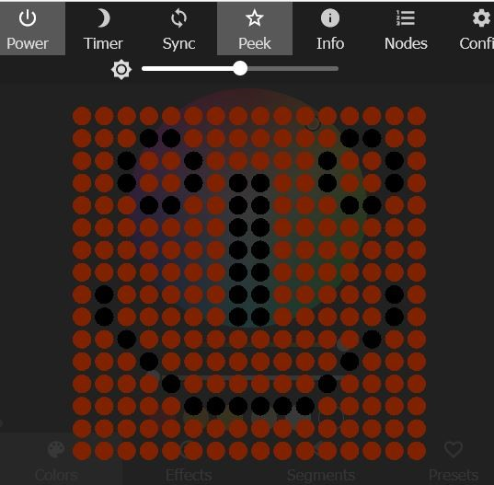
 |  |  |  |  |  |  |  |  |  |  |  | {"n":" |  | ","map":[ |  |  | Map name | 16X16 smile

16X16 ( 16 cm flixable matrix ) |  |  |  |  |  |  |  |  |  |  |  |  |  |  |  |  |  | {"n":" 16X16 smile","map":[
 | 0 | 1 | 2 | 3 | 4 | 5 | 6 | 7 | 8 | 9 | 10 | 11 | 12 | 13 | 14 | 15 |  | 0,1,2,3,4,5,6,7,8,9,10,11,12,13,14,15,
 | 16 | 17 | 18 | -1 | -1 | 21 | 22 | 23 | 24 | 25 | 26 | 27 | -1 | -1 | 30 | 31 |  | 16,17,18,-1,-1,21,22,23,24,25,26,27,-1,-1,30,31,
 | 32 | 33 | -1 | 35 | 36 | -1 | 38 | 39 | 40 | 41 | 42 | -1 | 44 | 45 | -1 | 47 |  | 32,33,-1,35,36,-1,38,39,40,41,42,-1,44,45,-1,47,
 | 48 | 49 | -1 | 51 | 52 | -1 | 54 | -1 | -1 | 57 | 58 | -1 | 60 | 61 | -1 | 63 |  | 48,49,-1,51,52,-1,54,-1,-1,57,58,-1,60,61,-1,63,
 | 64 | 65 | 66 | -1 | -1 | 69 | 70 | -1 | -1 | 73 | 74 | 75 | -1 | -1 | 78 | 79 |  | 64,65,66,-1,-1,69,70,-1,-1,73,74,75,-1,-1,78,79,
 | 80 | 81 | 82 | 83 | 84 | 85 | 86 | -1 | -1 | 89 | 90 | 91 | 92 | 93 | 94 | 95 |  | 80,81,82,83,84,85,86,-1,-1,89,90,91,92,93,94,95,
 | 96 | 97 | 98 | 99 | 100 | 101 | 102 | -1 | -1 | 105 | 106 | 107 | 108 | 109 | 110 | 111 |  | 96,97,98,99,100,101,102,-1,-1,105,106,107,108,109,110,111,
 | 112 | 113 | 114 | 115 | 116 | 117 | 118 | -1 | -1 | 121 | 122 | 123 | 124 | 125 | 126 | 127 |  | 112,113,114,115,116,117,118,-1,-1,121,122,123,124,125,126,127,
 | 128 | -1 | 130 | 131 | 132 | 133 | 134 | -1 | -1 | 137 | 138 | 139 | 140 | 141 | -1 | 143 |  | 128,-1,130,131,132,133,134,-1,-1,137,138,139,140,141,-1,143,
 | 144 | -1 | 146 | 147 | 148 | 149 | 150 | -1 | -1 | 153 | 154 | 155 | 156 | 157 | -1 | 159 |  | 144,-1,146,147,148,149,150,-1,-1,153,154,155,156,157,-1,159,
 | 160 | 161 | -1 | 163 | 164 | 165 | 166 | 167 | 168 | 169 | 170 | 171 | 172 | -1 | 174 | 175 |  | 160,161,-1,163,164,165,166,167,168,169,170,171,172,-1,174,175,
 | 176 | 177 | 178 | -1 | 180 | 181 | 182 | 183 | 184 | 185 | 186 | 187 | -1 | 189 | 190 | 191 |  | 176,177,178,-1,180,181,182,183,184,185,186,187,-1,189,190,191,
 | 192 | 193 | 194 | 195 | -1 | 197 | 198 | 199 | 200 | 201 | 202 | -1 | 204 | 205 | 206 | 207 |  | 192,193,194,195,-1,197,198,199,200,201,202,-1,204,205,206,207,
 | 208 | 209 | 210 | 211 | 212 | -1 | -1 | -1 | -1 | -1 | -1 | 219 | 220 | 221 | 222 | 223 |  | 208,209,210,211,212,-1,-1,-1,-1,-1,-1,219,220,221,222,223,
 | 224 | 225 | 226 | 227 | 228 | 229 | 230 | 231 | 232 | 233 | 234 | 235 | 236 | 237 | 238 | 239 |  | 224,225,226,227,228,229,230,231,232,233,234,235,236,237,238,239,
 | 240 | 241 | 242 | 243 | 244 | 245 | 246 | 247 | 248 | 249 | 250 | 251 | 252 | 253 | 254 | 255 |  | 240,241,242,243,244,245,246,247,248,249,250,251,252,253,254,255
 |  |  |  |  |  |  |  |  |  |  |  |  |  |  |  |  |  | }

Ledmapper_19X6_ALDIY
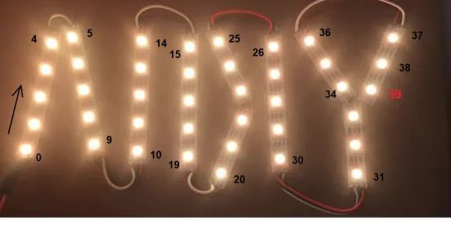
 |  |  |  |  |  |  |  |  |  |  |  | {"n":" |  | ","map":[ |  |  |  |  |  | Map name | ALDIY SIGN

19X6 (CUSTOM ) |  |  |  |  |  |  |  |  |  |  |  |  |  |  |  |  |  |  |  |  | {"n":"ALDIY SIGN ","map":[
 | -1 | -1 | -1 | 4 | 5 | -1 | -1 | -1 | 14 | 15 | 25 | -1 | -1 | 26 | 36 | -1 | -1 | -1 | 37 |  | -1,-1,-1,4,5,-1,-1,-1,14,15,25,-1,-1,26,36,-1,
 | -1 | -1 | 3 | -1 | -1 | 6 | -1 | -1 | 13 | 16 | -1 | 24 | -1 | 27 | -1 | 35 | -1 | 38 | -1 |  | -1,-1,3,-1,-1,6,-1,-1,13,16,-1,24,-1,27,-1,35,
 | -1 | 2 | -1 | -1 | -1 | -1 | 7 | -1 | 12 | 17 | -1 | -1 | 23 | 28 | -1 | 34 | -1 | 39 | -1 |  | -1,2,-1,-1,-1,-1,7,-1,12,17,-1,-1,23,28,-1,34,
 | -1 | 1 | -1 | -1 | -1 | -1 | 8 | -1 | 11 | 18 | -1 | -1 | 22 | 29 | -1 | -1 | 33 | -1 | -1 |  | -1,1,-1,-1,-1,-1,8,-1,11,18,-1,-1,22,29,-1,-1,
 | 0 | -1 | -1 | -1 | -1 | -1 | -1 | 9 | 10 | 19 | -1 | 21 | -1 | 30 | -1 | -1 | 32 | -1 | -1 |  | 0,-1,-1,-1,-1,-1,-1,9,10,19,-1,21,-1,30,-1,-1,
 | -1 | -1 | -1 | -1 | -1 | -1 | -1 | -1 | -1 | -1 | 20 | -1 | -1 | -1 | -1 | -1 | 31 | -1 | -1 |  | -1,-1,-1,-1,-1,-1,-1,-1,-1,-1,20,-1,-1,-1,-1,-1,
 |  |  |  |  |  |  |  |  |  |  |  |  |  |  |  |  |  |  |  |  | }

Ledmapper_25X5_WLED_Sign
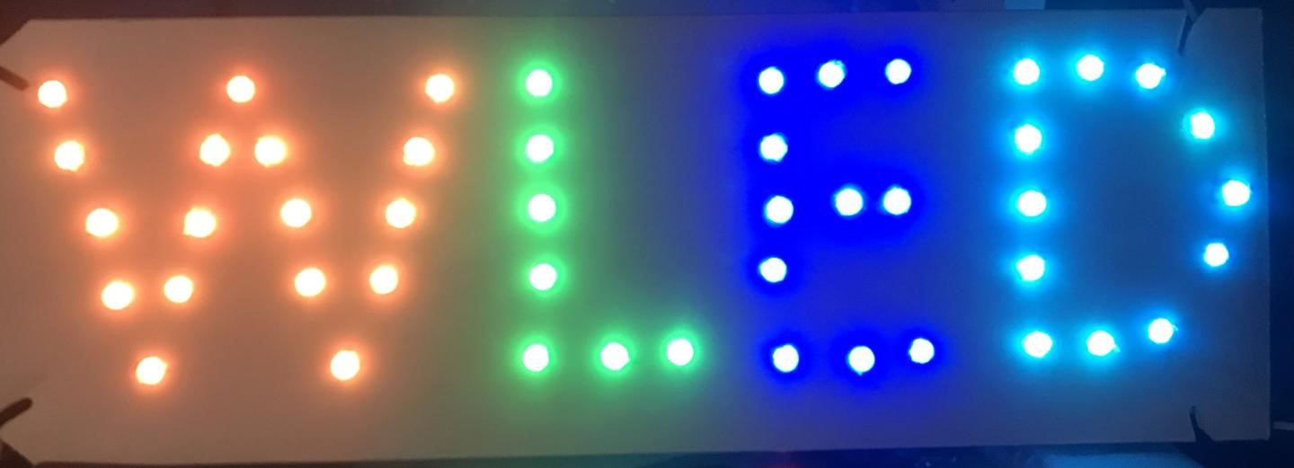
 |  |  |  |  |  |  |  |  |  |  |  |  |  |  |  |  |  |  | {"n":" |  | ","map":[ |  |  |  |  | Map name | WLED SIGN

25x5( custom ) |  |  |  |  |  |  |  |  |  |  |  |  |  |  |  |  |  |  |  |  |  |  |  |  |  |  | {"n":"WLED SIGN ","map":[
 | 0 | -1 | -1 | -1 | -1 | 8 | -1 | -1 | -1 | -1 | 16 | -1 | 17 | -1 | -1 | -1 | 32 | 33 | 34 | -1 | 35 | 46 | 45 | -1 | -1 |  | 0,-1,-1,-1,-1,8,-1,-1,-1,-1,16,-1,17,-1,-1,-1,32,33,34,-1,35,46,45,-1,-1,
 | 1 | -1 | -1 | -1 | 7 | -1 | 9 | -1 | -1 | -1 | 15 | -1 | 18 | -1 | -1 | -1 | 31 | -1 | -1 | -1 | 36 | -1 | -1 | 44 | -1 |  | 1,-1,-1,-1,7,-1,9,-1,-1,-1,15,-1,18,-1,-1,-1,31,-1,-1,-1,36,-1,-1,44,-1,
 | 2 | -1 | -1 | 6 | -1 | -1 | -1 | 10 | -1 | -1 | 14 | -1 | 19 | -1 | -1 | -1 | 30 | 29 | 28 | -1 | 37 | -1 | -1 | -1 | 43 |  | 2,-1,-1,6,-1,-1,-1,10,-1,-1,14,-1,19,-1,-1,-1,30,29,28,-1,37,-1,-1,-1,43,
 | 3 | -1 | 5 | -1 | -1 | -1 | -1 | -1 | 11 | -1 | 13 | -1 | 20 | -1 | -1 | -1 | 27 | -1 | -1 | -1 | 38 | -1 | -1 | 42 | -1 |  | 3,-1,5,-1,-1,-1,-1,-1,11,-1,13,-1,20,-1,-1,-1,27,-1,-1,-1,38,-1,-1,42,-1,
 | -1 | 4 | -1 | -1 | -1 | -1 | -1 | -1 | -1 | 12 | -1 | -1 | 21 | 22 | 23 | -1 | 24 | 25 | 26 | -1 | 39 | 40 | 41 | -1 | -1 |  | -1,4,-1,-1,-1,-1,-1,-1,-1,12,-1,-1,21,22,23,-1,24,25,26,-1,39,40,41,-1,-1
 |  |  |  |  |  |  |  |  |  |  |  |  |  |  |  |  |  |  |  |  |  |  |  |  |  |  | }

