Summary
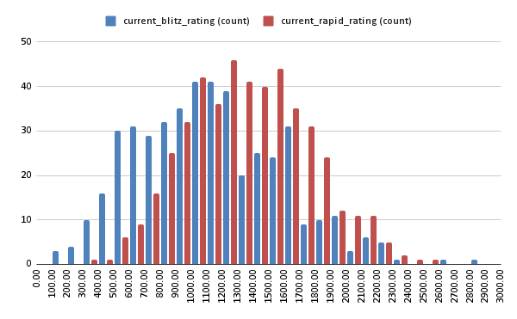
Métricas do clube: Torneios - Curso GM Krikor
Dados obtidos em: 23/04/2025
Periodo da análies: Janeiro 2024 a Março 2025

Total increment - Rapid | 70627
Total increment - Blitz | 36475
Total members | 476
Total games played | 847180
Average Blitz rating | 1122
Average Rapid rating | 1361
Std Deviation Blitz rating | 462
Std Devitation Rapid rating | 395

