Sheet4
Total Households |  | Total Population | MI Median Home Value
4,010,000 |  | 10,060,000 | $201,100.00

Homeowner Rate Over Time 74% (10% Higher than US)
 | US Homeowner Rate | MI Homeowner Rate
 | 0.6550 | 0.7280
 | 0.6490 | 0.7210
 | 0.6440 | 0.7150
 | 0.6390 | 0.7100
 | 0.6360 | 0.7080
 | 0.6380 | 0.7100
 | 0.6380 | 0.7100
 | 0.6400 | 0.7120
 | 0.6440 | 0.7170
 | 0.6460 | 0.7220
 | 0.6480 | 0.7250
Unemployment 5% - On par w/ US
 | US Unemployment | MI Unemployment
2012 | 8.60% | 9.70%
2013 | 8.30% | 9.80%
2014 | 6.90% | 8.40%
2015 | 5.90% | 6.60%
2016 | 5.10% | 5.30%
2017 | 5.00% | 5.50%
2018 | 4.40% | 5.10%
2019 | 4.30% | 4.80%
2020 | 3.90% | 4.20%
2021 | 6.70% | 7.10%
2022 | 4.30% | 5.00%
MI Household Employment88% of Households
 | MI Household Employment
2012 | 91.39%
2013 | 90.52%
2014 | 88.86%
2015 | 87.07%
2016 | 85.59%
2017 | 84.57%
2018 | 84.45%
2019 | 83.83%
2020 | 84.14%
2021 | 90.87%
2022 | 88.13%
 |  |  |  | Housing The median home price in Michigan is around $207,800, and the median monthly rent for a two-bedroom apartment is $757. Food The cost of living index score for groceries in Michigan is 93.4. (7% lower than the national average) Healthcare The average employee contribution for single coverage healthcare at private companies in Michigan is $1,385. ($30 less than the national average. ) Utilities The average monthly utility bill in Michigan is $94.52, which is 17% lower than the US average. Sales tax Michigan has a base sales tax rate of 6%, with no county or local sales taxes added on. Inflation The dollar had an average inflation rate of 2.44% per year between 2000 and 2022, producing a cumulative price increase of 69.95%. This means that prices in 2022 are 1.70 times as high as average prices since 2000, according to the Bureau of Labor Statistics consumer price index. In comparison, the inflation rate in 2000 was 3.36%.

Median Home Value US & MI
 | US Home Value Income | MI Home Value Income
2012 | $181,400 | $128,600
2013 | $176,700 | $121,700
2014 | $175,700 | $120,200
2015 | $178,600 | $122,400
2016 | $184,700 | $127,800
2017 | $193,500 | $136,400
2018 | $204,900 | $146,200
2019 | $217,500 | $154,900
2020 | $229,800 | $162,600
2021 | $244,900 | $172,100
2022 | $281,900 | $201,100
Vacant & Available Homes1.9%
 | US Vacant & Available | MI Vacant & Available
2012 | 3.90% | 4.00%
2013 | 3.70% | 3.60%
2014 | 3.50% | 3.30%
2015 | 3.30% | 3.00%
2016 | 3.20% | 2.70%
2017 | 3.10% | 2.60%
2018 | 3.00% | 2.40%
2019 | 3.00% | 2.30%
2020 | 2.80% | 2.10%
2021 | 2.70% | 1.90%
2022 | 2.50% | 1.90%
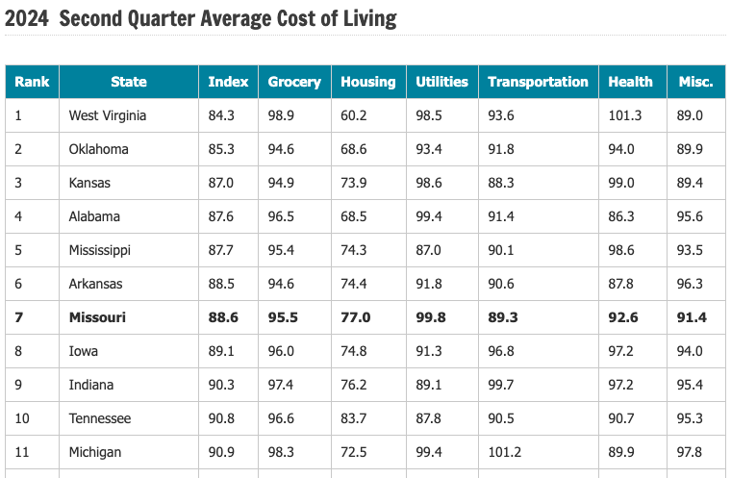

 | Currently not occupied and are for rent or for sale.

