Summary
Summary of Findings
US Programmatic Display Ad Spending, by Addressability
 | Base | Endpoints | Positive | Negative
Digital Display |  | 81.4
Programmatic |  | 63.3
Facebook | 31.86 |  |  | 31.43
Google | 24.07 |  |  | 7.79
Amazon | 20.63 |  |  | 3.44
Twitter | 18.9422 |  |  | 1.6878
Everybody else | 0 | 18.9
Ecosystem Costs across the Programmatic Adtech Value Chain
 | Base | Endpoints | Positive | Negative
Addressable Supply |  | 18.9422
Buying Tools | 16.1 |  |  | 2.8
Data Costs | 12.3 |  |  | 3.8
Selling Tools | 8.5 |  |  | 3.8
Other Costs | 7.6 |  |  | 0.9
Publishers | 0.0 | 7.57688
 | Adtech Spending by Addressability |  |  | 2020
 | US Digital Ad Spend |  |  | 151.3
 | Digital Display Ad Spend |  |  | 81.4
 | Programmatic Display Ad Spend |  |  | 63.3
 | Non-Addressable Supply or Buys
 |  |  | Facebook Prog. Display | 31.4
 |  |  | Google Prog. Display | 7.8
 |  |  | Twitter Prog. Display | 1.7
Could be higher.
 |  |  | Amazon Prog. Display | 3.4
 |  |  | Total unaddressable | 44.3
 | Addressable Supply or Buying |  |  | 18.9

Most are here.
 | Addressable Market: Adtech Value Chain |  |  | 2020
 |  |  | Buying tools (DSPs) @ 15% - Max. revenue | 2.8
 |  |  | Selling tools (SSPs) @ 20% - Max. revenue | 3.8
 |  |  | Data @ 20% - Max. revenue | 3.8
 |  |  | Other ecosystem costs @ 5% - Max. revenue | 0.9
 |  | Total Supply Chain Costs - Maximum |  | 11.4
 |  | Publisher Economics - Minimum |  | 7.6

 | Caveats:
 |  | - Based on publicly-available eMarketer charts
 |  | - Given data constraints, timings of estimates do not line up perfectly. For example, some estimates of 2020 activity may have been projected in early 2019 while other data may have been released in mid-2020.

 | Mobile Carrier Questions -- Illustrative
 |  | Value of Carrier Data on an absolute and ARPU Basis
 |  |  | Mobile Programmatic Ad Spend | 47.70
 |  |  | Unaddressable Mobile Supply | 34.55
 |  |  | Addressable Mobile Programmatic Supply | 13.15
 |  |  | Share of postpaid smartphones in market x | 35%

 |  | Carrier Data
 |  |  | Addressable Spend on served smartphones | 4.60
 |  |  | Data fees on spend @ 20% | 0.92
 |  |  | Portion of data addressable by mobile carrier data | 25%
 |  |  | Portion of addressable data that's sold successfully | 25%
 |  |  | Data fees on carrier data, $ MM | 0.06

 |  |  | Number of mobile handsets, MM | 100
 |  |  | Incremental Data Revenue / Handset, $ | $0.58 | Annual ARPU Contribution of Carrier Data
 |  |  | Incremental Data Revenue / Handset, ¢ | 58

 |  |  | Commentary: This would need to be verified against a bottom-up build of potential data products and their selling potentials.

Graphing ->
 |  |  | Competing on the open web in mobile programmatic
 |  |  | Label | Value | Label | Base | Endpoints | Positive | Negative
 |  |  | Digital Display | 81.4 | Digital Display |  | 81.4
 |  |  | Programmatic | 63.3 | Programmatic |  | 63.3
 |  |  | Facebook | 31.4 | Facebook | 31.9 |  |  | 31.4
 |  |  | Google | 7.8 | Google | 24.1 |  |  | 7.8
 |  |  | Amazon | 3.4 | Amazon | 20.6 |  |  | 3.4
 |  |  | Twitter | 1.7 | Twitter | 18.9 |  |  | 1.7
 |  |  | Everybody else | 18.9 | Everybody else | 0 | 18.9

 |  |  | Adtech value chain
 |  |  | Label | Value | Label | Base | Endpoints | Positive | Negative
 |  |  | Addressable Supply | 18.9 | Addressable Supply |  | 18.9
 |  |  | Buying Tools | 2.8 | Buying Tools | 16.1 |  |  | 2.8
 |  |  | Data Costs | 3.8 | Data Costs | 12.3 |  |  | 3.8
 |  |  | Selling Tools | 3.8 | Selling Tools | 8.5 |  |  | 3.8
 |  |  | Other Costs | 0.9 | Other Costs | 7.6 |  |  | 0.9
 |  |  | Publishers | 7.6 | Publishers | 0 | 7.6

Raw Sources
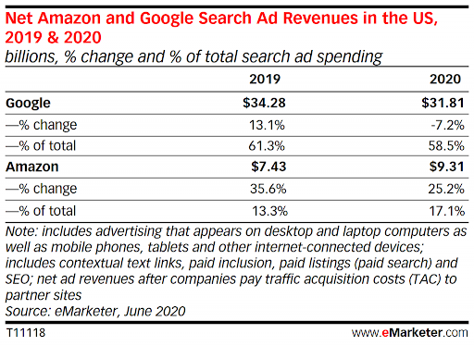
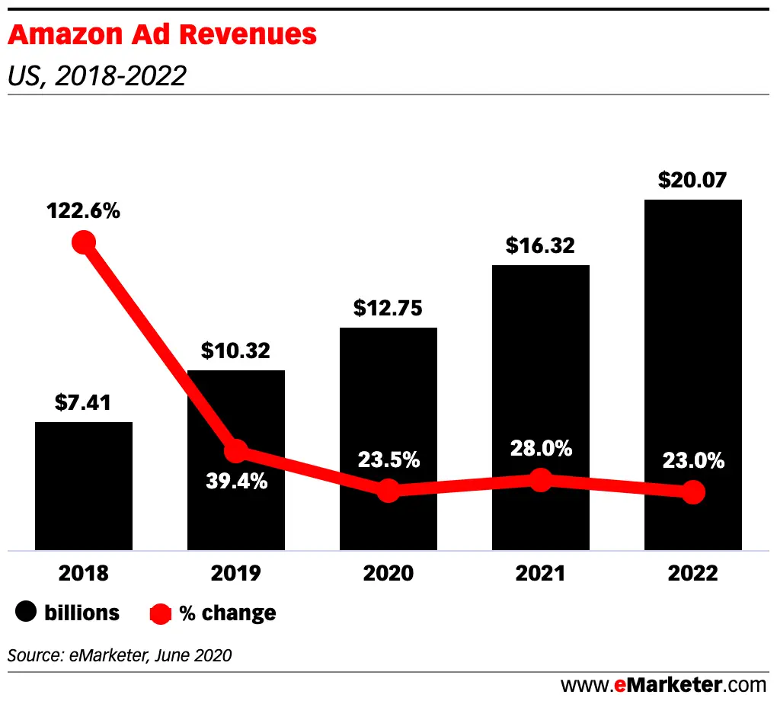
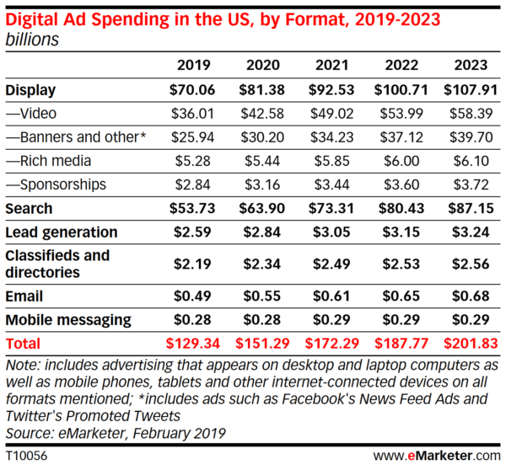
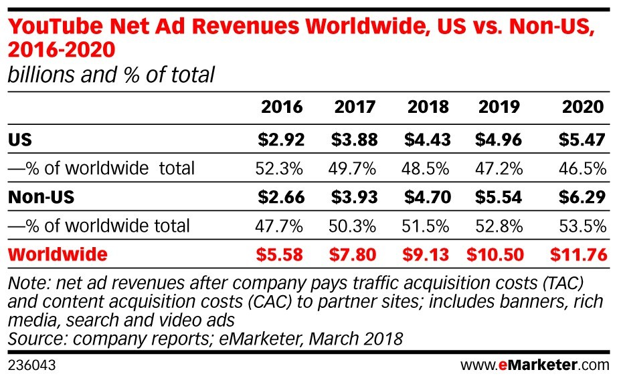
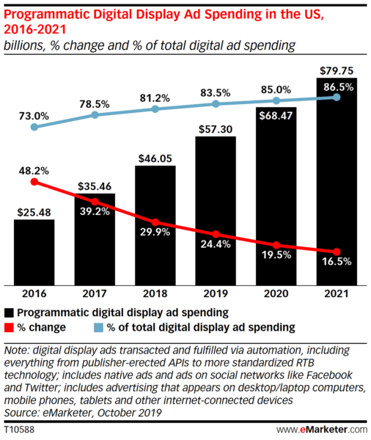
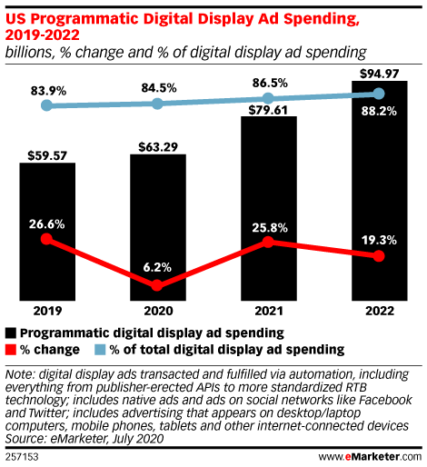

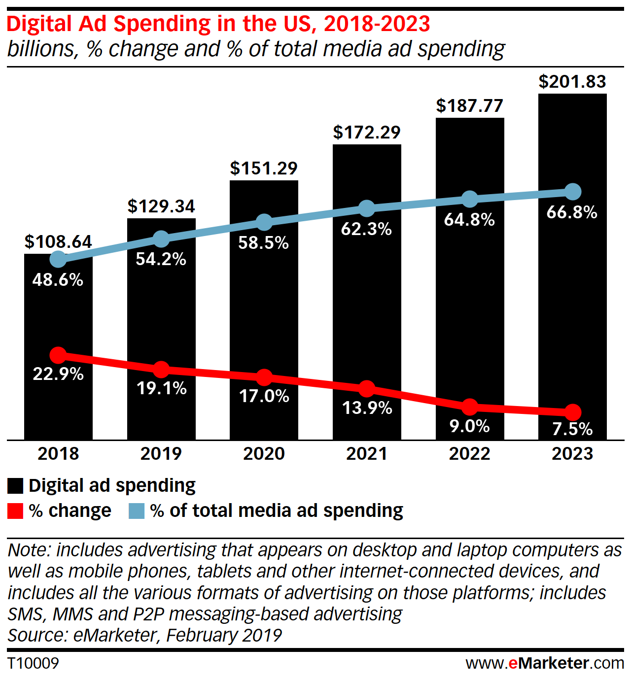

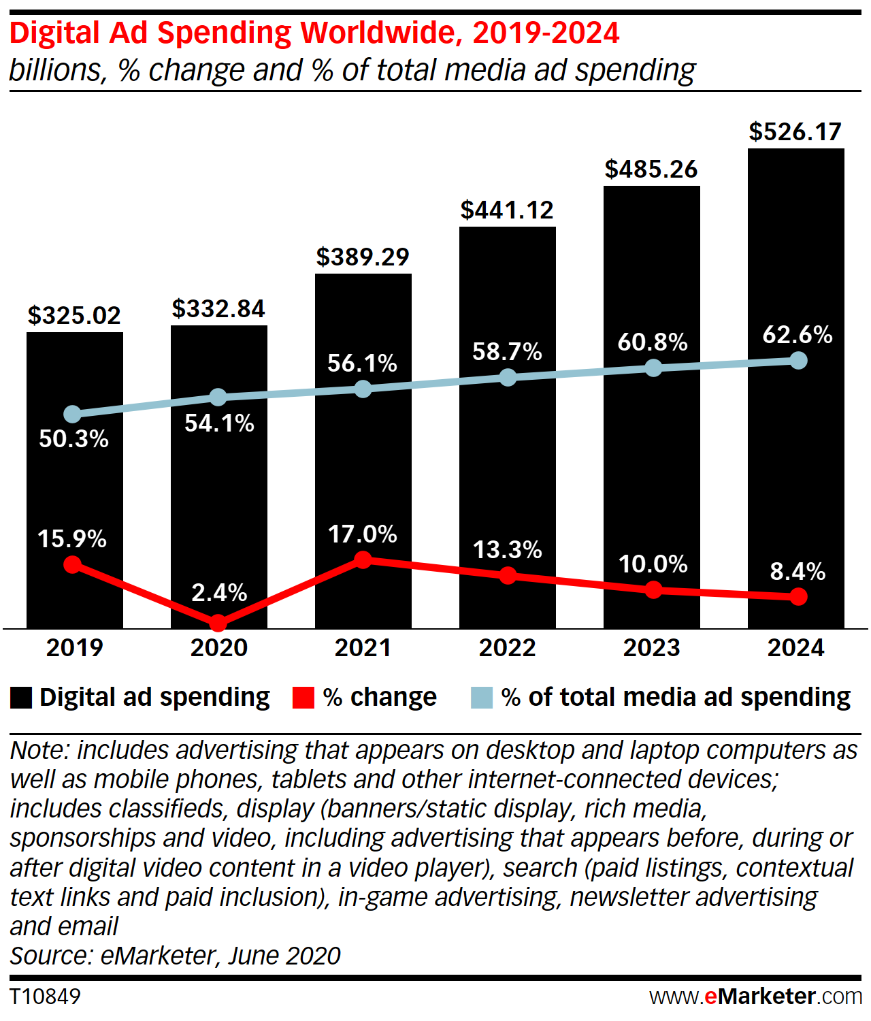

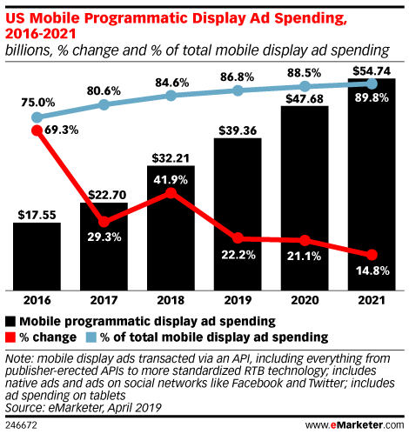

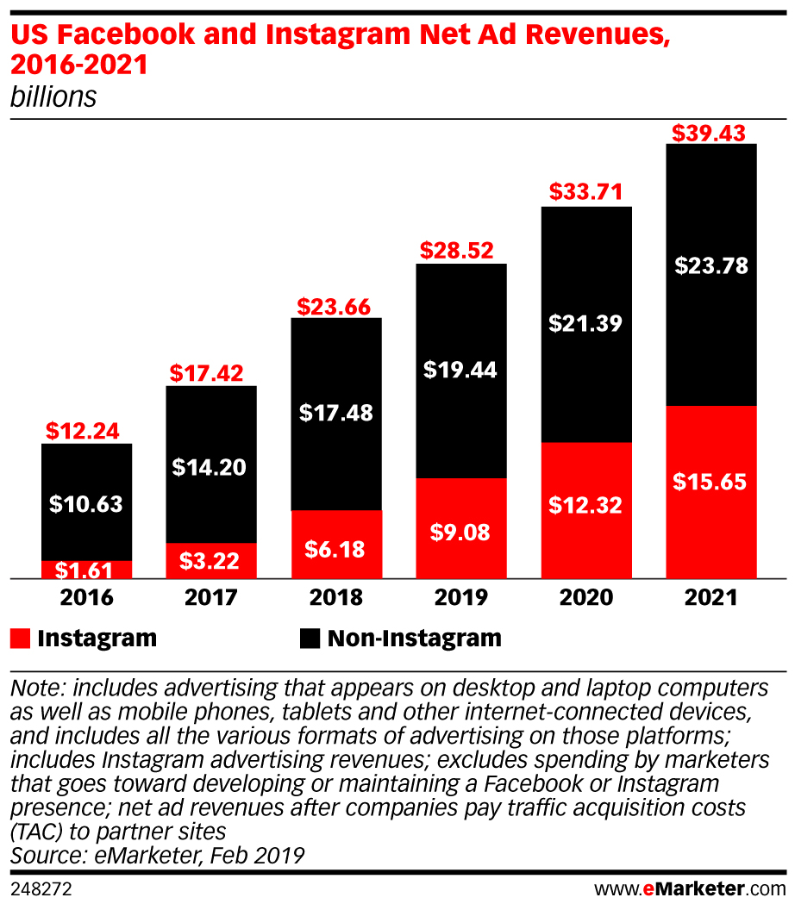

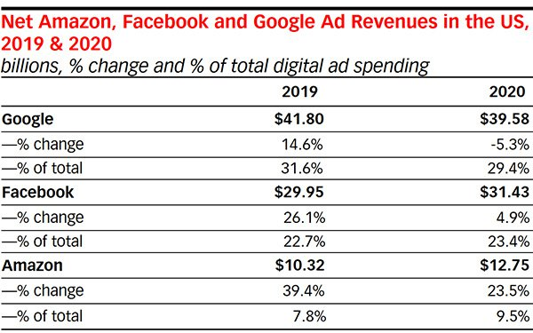

2020-06-01

