Question
Monthly payment (EMI)

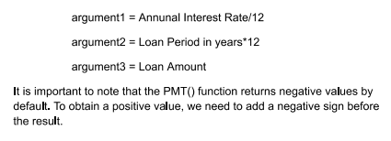

Total cost of loan

Total interest of loan

After calculating the 'Total Interest Amount' and 'Total cost of loan' for different 'Annual Interest Rate' and 'Loan period in years', please provide a brief summary of your findings and recommend the most suitable bank for the person to consider. His monthly budget for loan repayment is 25000.

