Sheet1
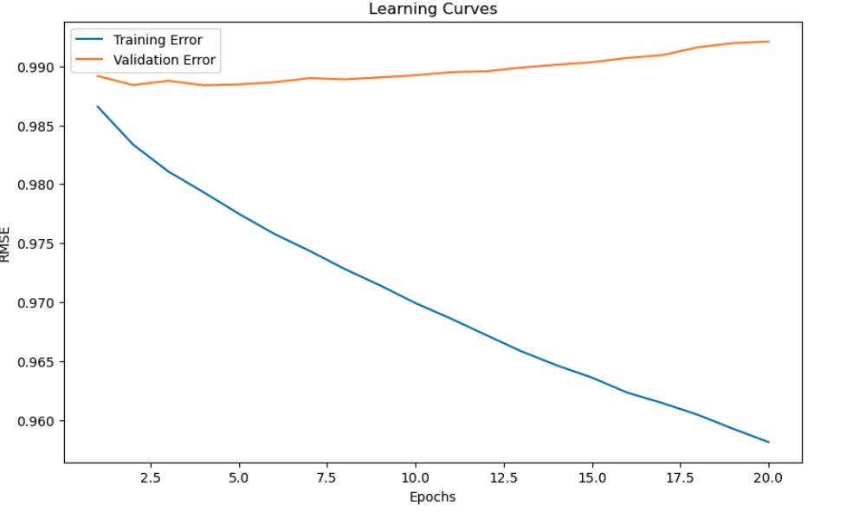
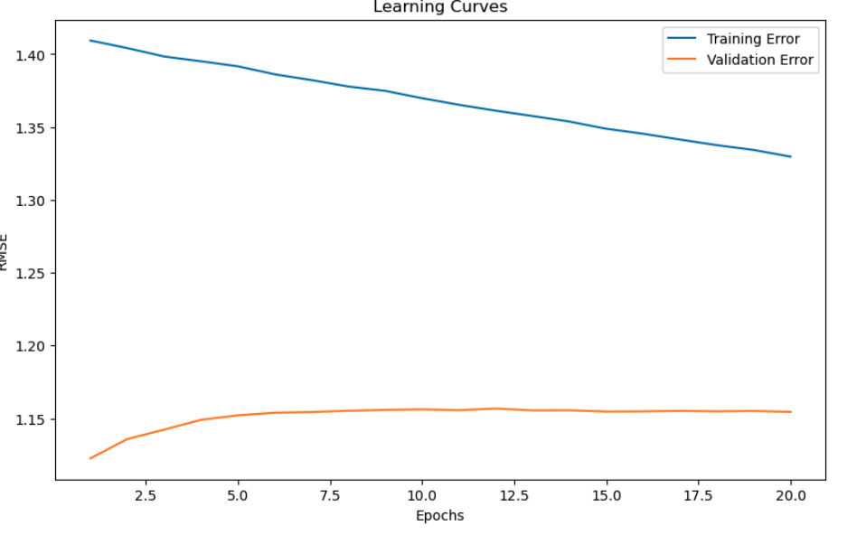
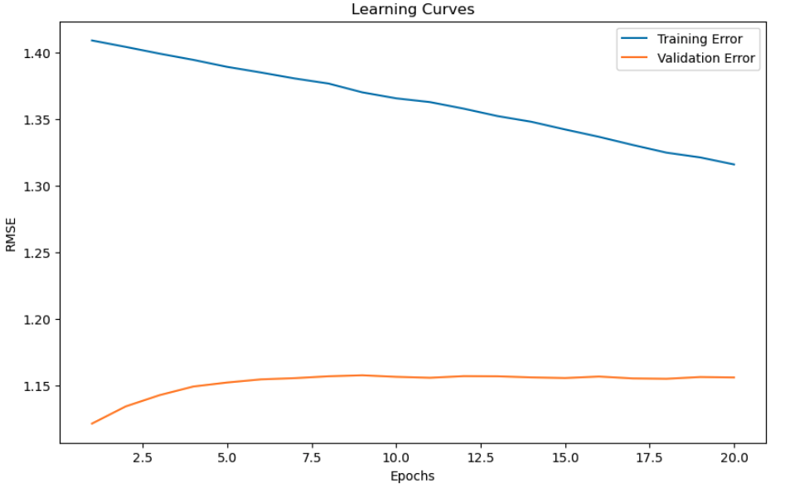
 | original number of records | SMOTE | Random Undersampling
train | 90000 | 153635 | 10260

val | 10000 | 10000 | 10000

test | 10000 | 10000 | 10000

RMSE (train vs Validation) - SVD | 1.0390258909 | 1.2047196467 | 1.2055224061
Grid Search. - DO NOT USE. Always find the best performing combination in the grid, but computationally expensive
RMSE (train vs Validation) - Best SVD (random search) - less computationally expensive, finds where our model best performs, can lead to good solutions but not guaranteed | 0.99151629845 | 1.1536682825 | 1.1543605198
best paramters | {'n_factors': 100, 'n_epochs': 20, 'lr_all': 0.002, 'reg_all': 0.2} | {'n_factors': 100, 'n_epochs': 30, 'lr_all': 0.002, 'reg_all': 0.2} | {'n_factors': 20, 'n_epochs': 40, 'lr_all': 0.002, 'reg_all': 0.2}

#### Checking for Overfitting or Underfitting (Best SVD lr_all=0.005, reg_all=0.02)
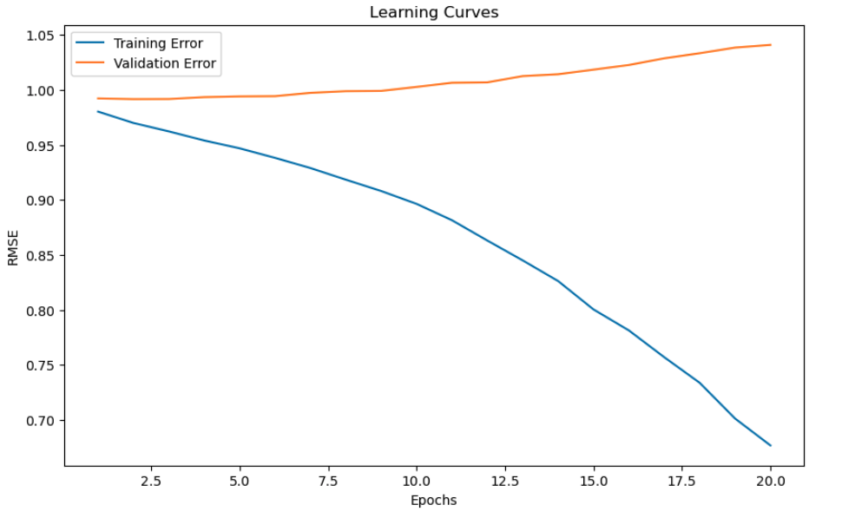
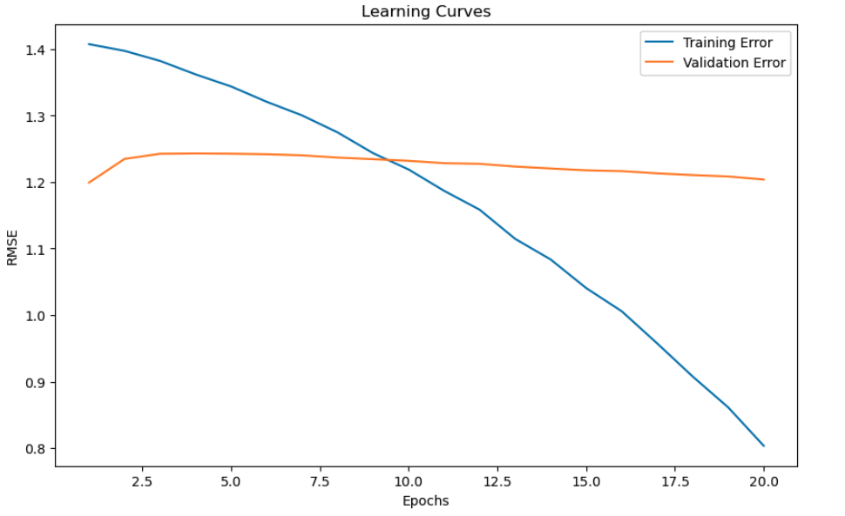
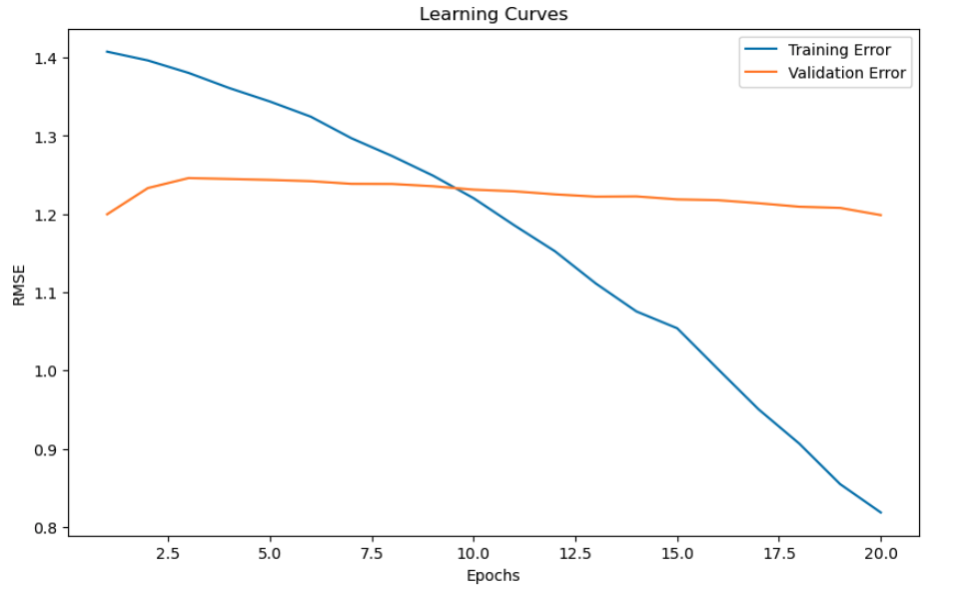

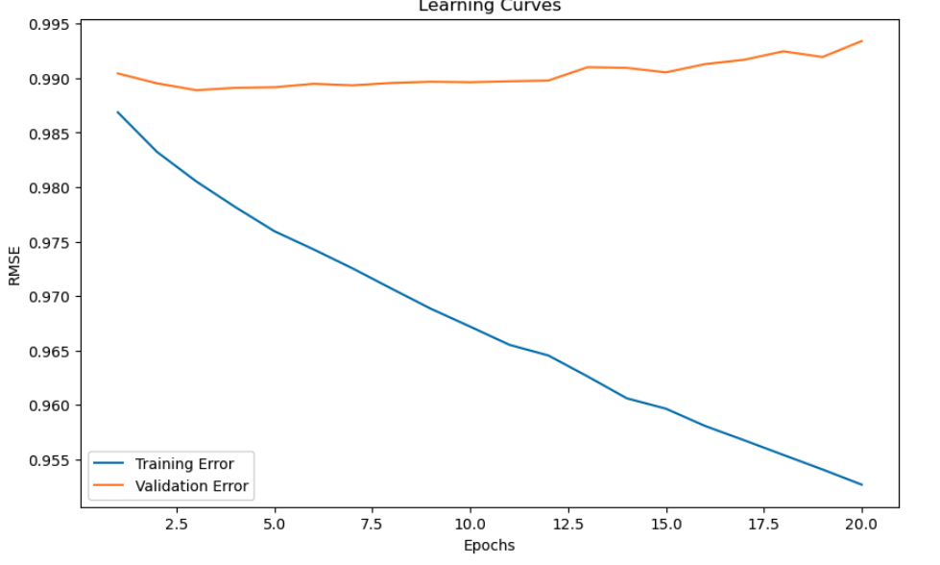
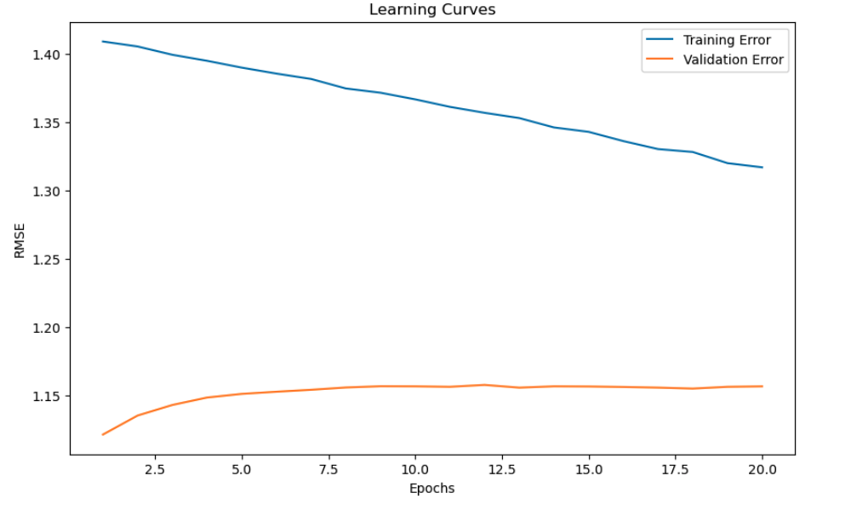
#### Checking for Overfitting or Underfitting (Best SVD lr_all=0.002, reg_all=0.05)
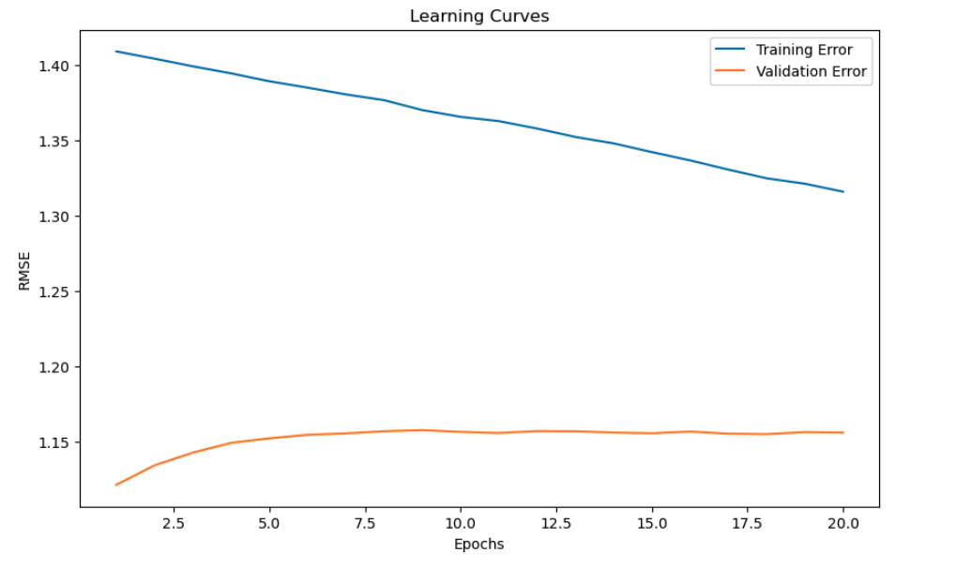

#### Checking for Overfitting or Underfitting (Best SVD lr_all=0.002, reg_all=0.1)

