Q7 Dashboard Q
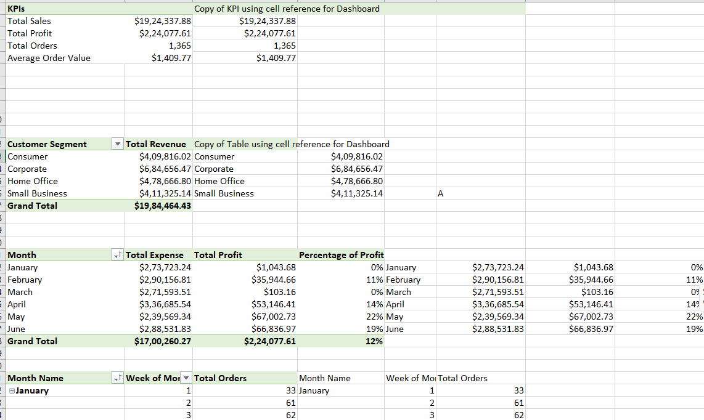
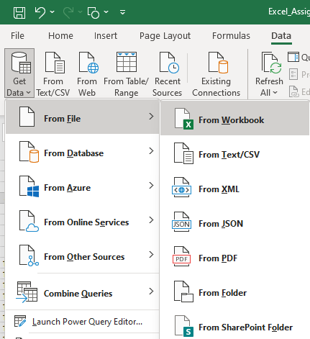
Steps performed:
1. Orders Sheet Transformation:
- Removed the last two empty columns.
- Fixed 'Critical ' (with a space) in Order priority to match 'Critical'.
- Converted Discount and Product Base Margin to percentage data type.
- Re-ordered columns logically.
- Added a Delivery Time column (Ship Date - Order Date) and set it to days.
2. Returns Data:
- Loaded the Returns data sheet.
3. Users Data:
- Loaded the Users data sheet, setting the first row as headers.
4. Calendar Data Query:
- Duplicated Orders data.
- Kept only the Order Date column and removed duplicates.
- Added columns for day of the week, week of the month, month name, year, etc.
5. Data Model:
- Established connections between the tables in this workbook in the data model window.
 | Dashboard LINK
 | Import file ' Sales Data set ' with use of Power Query.
 | Assignment 5 Dataset' contains 3 sheets, use Power Pivot to establish relationship, Query to Clean and upload the data into Data Model.
 | Create different Reports, Use maximum features offered in power pivot. Use conditional formatting and Different types of appropriate Graphs/Charts
 | Use Slicers, Timeline, Formatting techniques to create a Dashboard.
 | Analyze the Dataset and Create a Dashboard.

 | Sample Reports:
 | Most Used Shipment Mode
 | Top 5 Profitable States
 | Top 3 least Profitable Product Sub- Categories
 | Top 10 most Profitable Cities

 | And any new insights you can gain out of the data

NOTE: | You can choose chart as per your preference, Below screenshot is added just for your reference


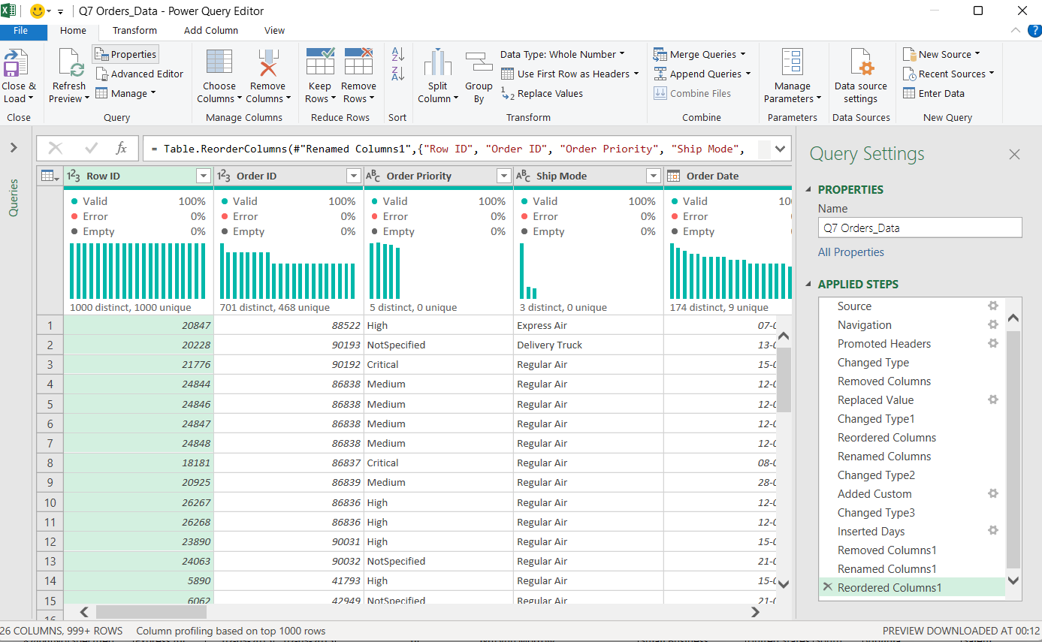
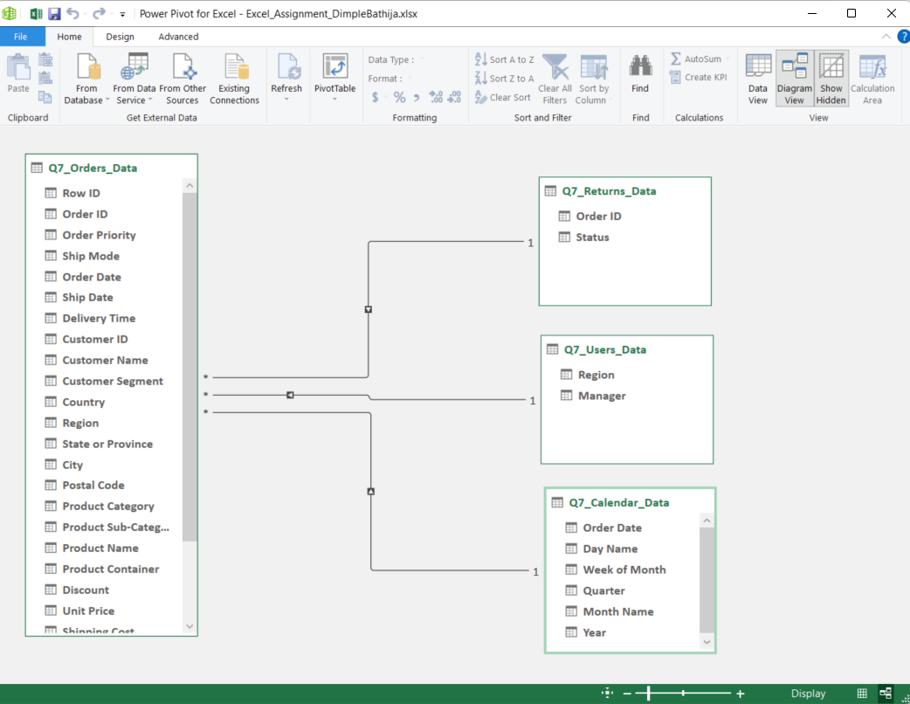

Performing analyis: Once the data connections are established, we proceeded to develop relvevant pivot tables and charts to insert in our dashboard
Analysis Sheet

Home_Page
Welcome to the Sales Dashboard

Sales Data

This dashboard provides an at-a-glance overview of key metrics and performance indicators for the sales dataset. It is designed to help you quickly understand our sales trends, profitability, and overall performance.
Use the tabs on the left or the icons below to navigate through various sections of the dashboard, each designed to provide you with detailed insights and key metrics.

Performance Insights
Marketing Products
Regional Performance

Overview of overall business metrics, profitability, and trends.
Analysis of product performance, marketing campaigns, and customer preferences.
Geographical breakdown of sales, profitability, and market share across American states.

Performance
TOTAL SALES
TOTAL PROFIT
PROFIT %
TOTAL ORDERS
$1.9M
$224.1K
12%
Sales Data
1,365

REVENUE ACROSS CUSTOMER SEGMENTS
REVENUE, COST AND PROFIT PERCENTAGE
CHRIS
Performance Insights
 | Consumer | Corporate | Home Office | Small Business
 | $409,816.02 | $684,656.47 | $478,666.80 | $411,325.14
 | Total Cost | Profit | Profit Percentage
January | $273,723.24 | $1,043.68 | 0%
February | $290,156.81 | $35,944.66 | 11%
March | $271,593.51 | $103.16 | 0%
April | $336,685.54 | $53,146.41 | 14%
May | $239,569.34 | $67,002.73 | 22%
June | $288,531.83 | $66,836.97 | 19%

23%

ERIN

31%


SAM
WEEKLY ORDERS
DAY-WISE SALES

 | Total Orders
1 | 33
2 | 61
3 | 62
4 | 48
5 | 45
1 | 64
2 | 60
3 | 46
4 | 55
1 | 45
2 | 46
3 | 59
4 | 64
5 | 23
1 | 29
2 | 69
3 | 38
4 | 47
5 | 37
1 | 14
2 | 49
3 | 44
4 | 61
5 | 51
1 | 48
2 | 54
3 | 51
4 | 38
5 | 24
 | Total Sales
Sunday | $219,191.55
Monday | $251,227.65
Tuesday | $233,603.06
Wednesday | $223,024.10
Thursday | $240,694.20
Friday | $299,751.29
Saturday | $456,846.03

19%

WILLIAM



27%

Product_Market
 | Average of Product Base Margin | Product Category | Product Sub-Category
Bookcases | 70.13% | 0 | 0
Chairs & Chairmats | 66.79% |  | 0
Office Furnishings | 53.87% |  | 0
Tables | 68.25% |  | 0
Appliances | 53.63% | 0 | 0
Binders and Binder Accessories | 37.29% | 0 | 0
Envelopes | 38.83% | 0 | 0
Labels | 38.33% | 0 | 0
Paper | 37.48% | 0 | 0
Pens & Art Supplies | 54.16% | 0 | 0
Rubber Bands | 44.70% | 0 | 0
Scissors, Rulers and Trimmers | 57.00% | 0 | 0
Storage & Organization | 67.96% | 0 | 0
Computer Peripherals | 57.29% | 0 | 0
Copiers and Fax | 48.50% |  | 0
Office Machines | 42.62% |  | 0
Telephones and Communication | 58.34% |  | 0
QUANTITY OF PRODUCTS SOLD
AVERAGE DISCOUNT
PRODUCT BASE MARGIN DISTRIBUTION

Sales Data
5,328
4.98%

TOP 3 PROFITABLE PRODUCTS
BOTTOM 3 PRODUCTS

COPIERS AND FAX
41%
APPLIANCES
-8%

-2%
ENVELOPES
52%
BOOKCASES

Product Analysis
LABELS
54%
RUBBER BANDS
-210%

REVENUE PARETO ANALYSIS
AVERAGE DELIVERY TIME
RETURN RATE
Binders and Binder Accessories | $89,409.63 | 22%
Telephones and Communication | $59,393.26 | 36%
Tables | $46,020.75 | 47%
Storage & Organization | $44,215.95 | 58%
Chairs & Chairmats | $31,784.34 | 66%
Bookcases | $29,973.82 | 73%
Office Machines | $27,187.76 | 80%
Computer Peripherals | $24,267.52 | 86%
Appliances | $15,941.34 | 90%
Copiers and Fax | $12,099.57 | 92%
Office Furnishings | $12,064.46 | 95%
Paper | $8,561.51 | 97%
Pens & Art Supplies | $4,810.34 | 99%
Envelopes | $2,565.53 | 99%
Labels | $1,601.93 | 100%
Scissors, Rulers and Trimmers | $928.00 | 100%
Rubber Bands | $499.43 | 100%
1.96 days
1.52%

DELIVERY TIME ANALYSIS BY ORDER PRIORITY AND SHIP MODE

 | Average of Delivery Time
Critical | 1.36
High | 1.42
Low | 3.39
Medium | 1.38
NotSpecified | 1.00
Critical | 1.30
High | 2.00
Low | 2.89
Medium | 1.00
NotSpecified | 1.31
Critical | 1.33
High | 1.37
Low | 3.87
Medium | 1.52
NotSpecified | 1.42

DISTRIBUTION OF THE RETURNED
PACKAGING INSIGHTS
 | Returns Count
Furniture | 2
Office Supplies | 8
Technology | 2

Regional
SALES BY STATE
NO OF ORDERS
TOTAL PROFIT

Sales Data
5,328
$2,24,078

 | Total Revenue | Percentage of Profit
Central | $460,549 | 17%
East | $602,533 | 14%
South | $369,173 | -4%
West | $552,211 | 14%

TOP 5 PROFITABLE CITIES
BOTTOM 5 CITIES

Regional Performance
ASHEVILLE
10%
BELLE GLADE
-10%

SALES DISTRIBUTION
DUNWOODY
8%
KISSIMMEE
TOTAL REVENUE
-18%
 | Total Sales
Central | $448,285
East | $592,171
South | $357,105
West | $526,777
$19,84,464

PENSACOLA
33%
OWENSBORO
-11%

AVERAGE ORDER VALUE
ROME
8%
POMONA
-17%
$1,410

TAMARAC
6%
SUNRISE
-12%

