Sheet1
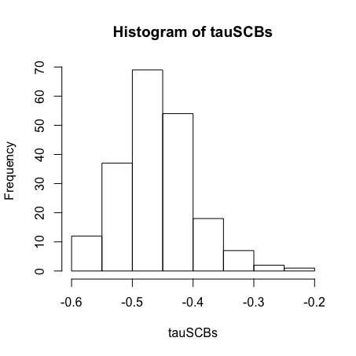
Dataset | I | J | S | C | A | tau(C vs S) | tau(A vs C) | tau(A vs S)
FED | 5 | 4 | 0.267 | 2.980 | 0.847 | -0.537 | -0.253 | 0.232 | -0.565 | -0.333
FZR | 2 | 4 | 0.133 | 3.025 | 0.881 | -0.571 | 0.429 | -0.429
TONY | 2 | 5 | 0.286 | 1.435 | 0.808 | -0.556 | 0.200 | 0.244
VD | 2 | 5 | 0.161 | 3.764 | 0.915 | -0.200 | 0.467 | 0.244
JT | 2 | 9 | 0.155 | 3.052 | 0.878 | -0.464 | 0.203 | -0.033
FR | 2 | 4 | 0.064 | 3.963 | 0.860 | -0.571 | -0.071 | 0.214
MAG | 2 | 4 | 0.047 | 5.739 | 0.695 | -0.214 | -0.286 | 0.500
OPT | 5 | 7 | 0.308 | 2.887 | 0.846 | -0.513 | -0.045 | 0.345
RUS | 3 | 8 | 0.178 | 2.381 | 0.783 | -0.623 | 0.051 | -0.022
PEN | 5 | 5 | 0.082 | 3.591 | 0.826 | -0.460 | 0.040 | 0.153
VT1 | 4 | 5 | 0.074 | 2.451 | 0.700 | -0.611 | -0.032 | 0.189
VT2 | 4 | 5 | 0.096 | 4.070 | 0.669 | -0.305 | 0.432 | -0.137

