Tabelle1
Coarse positioning |  |  | Fine positioning |  |  |  |  |  |  |  |  | Positioned stage
DoF | Actuator | Range (mm) | DoF | Actuator | Support Structure in non-actuated DoF | Trans. Range (mm,pk-pk) | Rot. Range (mrad, pk-pk) | Trans. Precision (best actauted DoF) (µm, rms) | Rot. Precision (best actauted DoF) (arcsec, rms) | CL Bandwidth (-3dB) (Hz) | Sensor system | Mass (kg) | Size (x,y,z; mm) | Application | Reference | Notes
x | LM | 500 | x | MR | Linear Roller Bearing | 0.05 | n.a. | <<100nm |  | 400 |  |  |  | Machining, Cutting | \cite{Tong2006} | Positioning of table with workpiece on
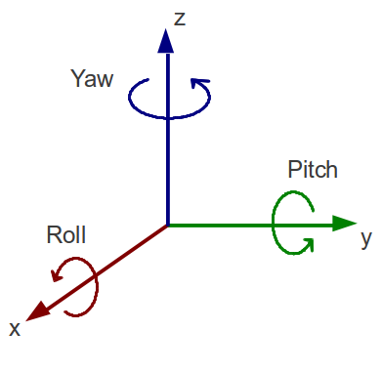
x,y,z,ζ,θ,φ | Ind. Robot | 1000 | x,y,z,ζ,θ,φ | LA | 6-DoF actuation | 0.35 | 6 | ?? | ?? | 600 | Cap. | 0.89 | 120x120x40 | Surface Inspection | \cite{Wertjanz2022}
x,y | LM | 300 | x,y,z,ζ,θ,φ | LA | 6-DoF actuation | 1x1x1 | n.s. | 0.0031 | 0.07 | 300/30 | Laser-IFM, Cap. | 9.75 |  | n.s. | \cite{Choi2011} | Gravitational force compensation via permanent magnets (HLAMB actuator); They mention PWM-amplifier!!
 |  |  |  |  | Flexure |  |  |  |  |  |  |  |  | Hard-Disk drives | \cite{Horowitz2007}

 |  |  |  |  |  |  |  |  |  |  |  |  |  |  |  |  | Roll | ζ
 |  |  |  |  |  |  |  |  |  |  |  |  |  |  |  |  | Pitch | θ
 |  |  |  |  |  |  |  |  |  |  |  |  |  |  |  |  | Yaw | φ

Not clearly stated but estimated e.g. from pictures of the paper

