IOU-s Commercial Space
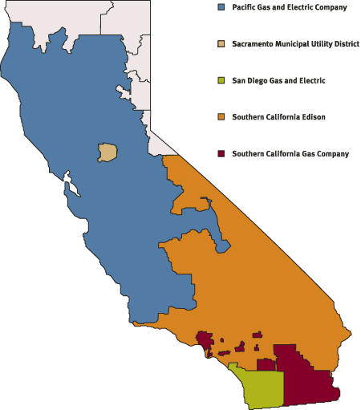
Investor Owned Utilities | Commercial Floor Space (Kft2)
 | Small Offices (< 30 kft2) | Large Offices (>= 30 kft2) | Total Floor Space (ft2)
PG&E | 125,802 | 300,528 | 426,330,000
SDG&E | 59,429 | 89,827 | 149,256,000
SMUD | 18,469 | 42,848 | 61,317,000
SCE | 157,884 | 227,225 | 385,109,000

Reference: California Commercial End-Use Survey

California Service Territory Map

