Locations
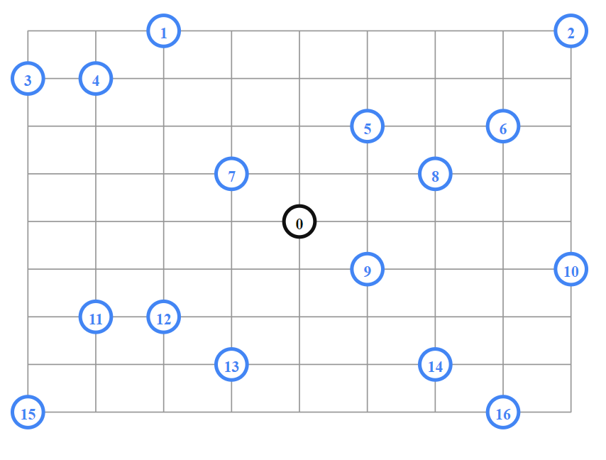
 | X Axis | Y Axis
0 | 456 | 320
1 | 228 | 0
2 | 912 | 0
3 | 0 | 80
4 | 114 | 80
5 | 570 | 160
6 | 798 | 160
7 | 342 | 240
8 | 684 | 240
9 | 570 | 400
10 | 912 | 400
11 | 114 | 480
12 | 228 | 480
13 | 342 | 560
14 | 684 | 560
15 | 0 | 640
16 | 798 | 640

