Band Template
Battle of the Bands — Band Setup, Song & Lighting Sheet

Band name: |  |  |  |  | Set date:
Contact name: |  |  |  |  | Set time / length:
Phone / email: |  |  |  |  | No. of songs:

GUITAR & BASS RIGS — venue supplies 2 house guitar amps. For each player: house amp, own amp, or DI?
Position | Player name |  | Amp (pick one) |  | What goes to FOH? (blank = only option) |  | Notes (amp model, wireless, stage-volume-only, etc.)
Guitar 1 (left)
Guitar 2 (centre)
Guitar 3 (right)
Bass
Not sure? 'DI' just means plugging straight into the PA instead of micing an amp. A modeller or amp-sim pedal (Helix / HX Stomp, Boss Katana or GT, Kemper, Quad Cortex, Spark, etc.) counts as DI — pick 'DI (no amp)'. If in doubt, write what gear you own in Notes and we'll sort it out with you.

VOCALS — who is on each mic. Mics are numbered left → right as the AUDIENCE sees the stage (matches the layout below). Singers move to mics during the set; mics and patch don't move.
Mic position |  | Singer name |  | Role | Changes during set? (e.g. 'Sam takes lead on song 3', 'guest singer on Vox 4 for song 5')
Vox 1 (left)
Vox 2
Vox 3
Vox 4 (right)
Vox 5 (Drummer)

STAGE LAYOUT (fixed for all bands) — backline stays put; you plug in and play
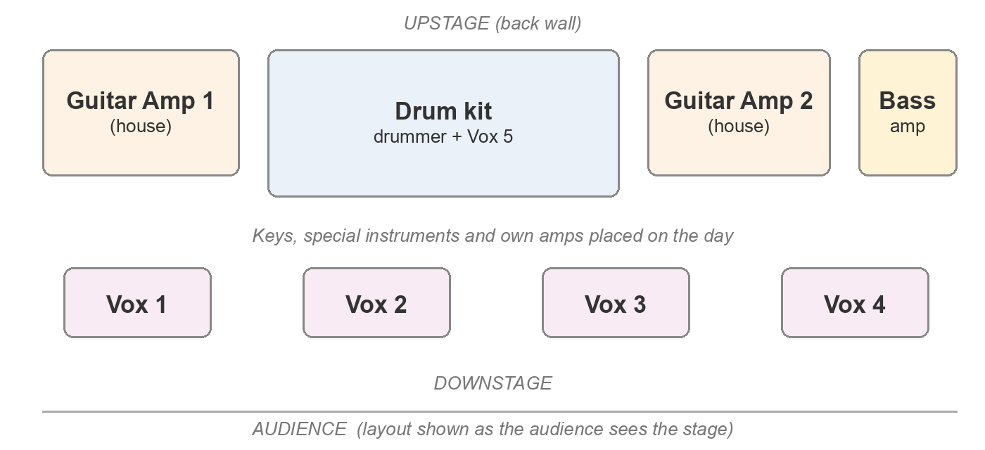

WHAT'S IN EACH SONG — tick everything you use in each song
Ch | Instrument / input | Song 1 | Song 2 | Song 3 | Song 4 | Song 5 | Song 6 | Notes (player names, wireless, special instrument details)
1–10 | Drums (full kit)
11–12 | Bass (DI + amp — see rig section)
13 | Guitar 1 (left)
14 | Guitar 2 (centre)
15 | Guitar 3 (right)
16 | Acoustic Guitar (DI)
17–18 | Keys (stereo)
19 | Vox 1 (left)
20 | Vox 2
21 | Vox 3
22 | Vox 4 (right)
23 | Vox 5 (Drummer)
24 | Special instrument 1 (name it in Notes)
25 | Special instrument 2 (name it in Notes)
26–27 | Playback / click (stereo)
House channels (not for band use): 28 & 30 spares, 29 MC/host mic, 31–32 crowd mics. Full 32-channel patch is on the 'Patch' sheet.

SET LIST & LIGHTING — one row per song, in running order
# | Song title |  | Length | Lighting direction (mood, colour, effects — e.g. strobes, blackout) |  | Other notes (cues, guest performers, talking between songs)
1
2
3
4
5
6

ANYTHING ELSE? — extra inputs, extra amps beyond the 2 backline, monitor requests, stage moves

