current standings nat. p.1+2
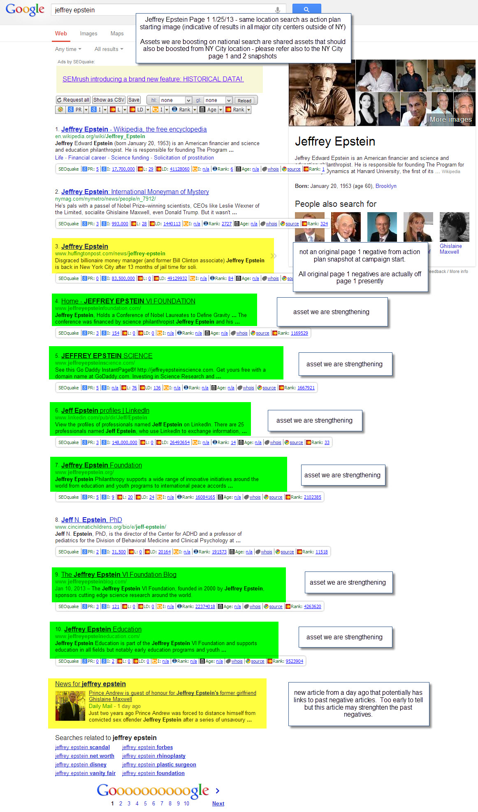
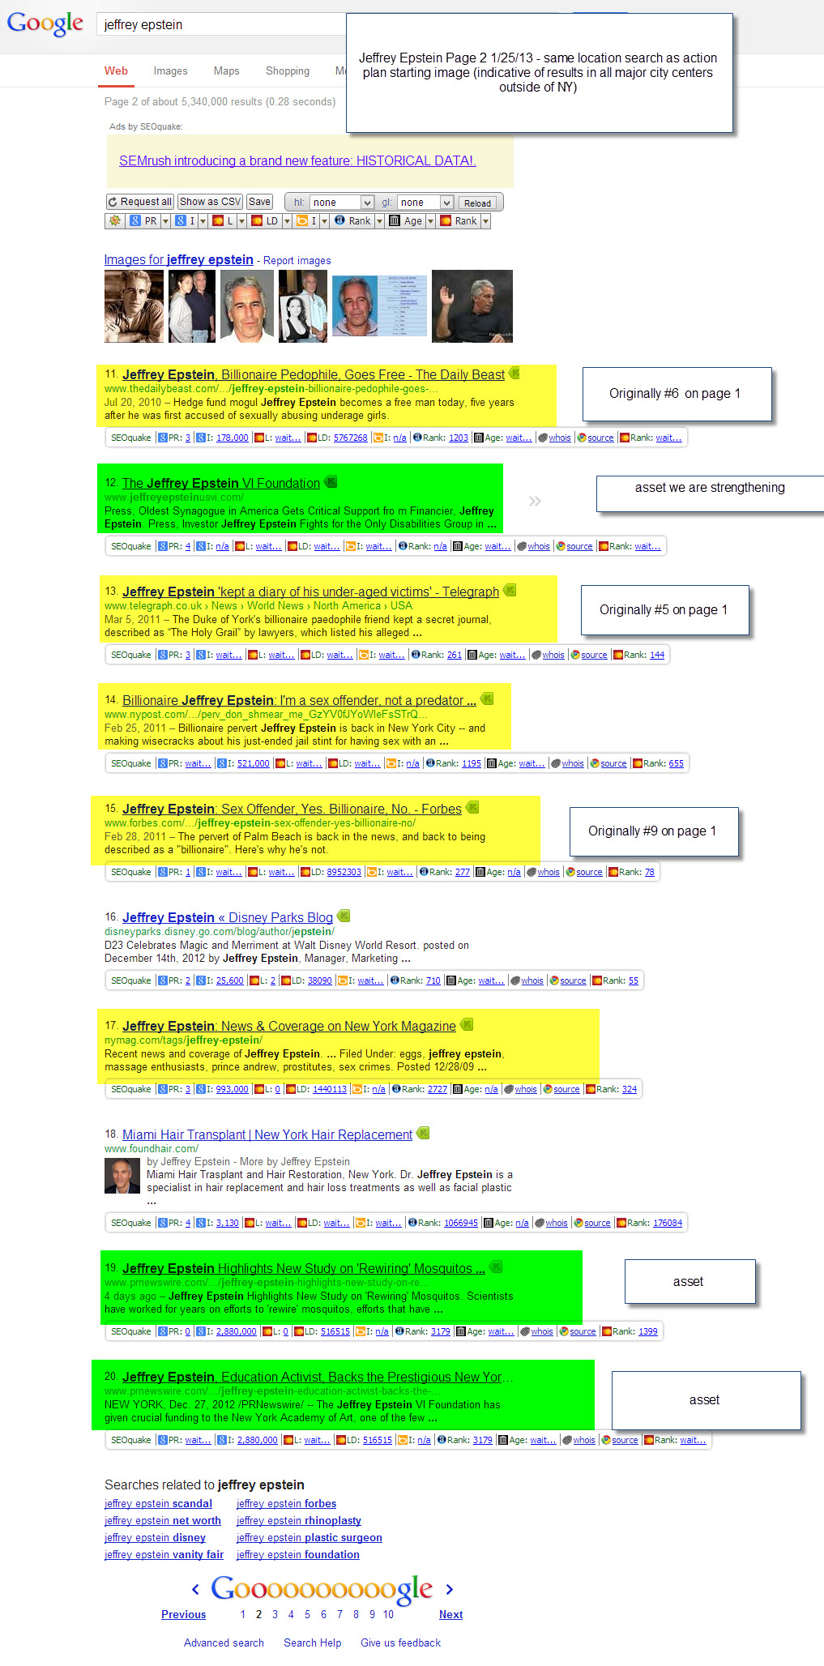
Current Standings from National perspective page 1 and 2 - notes included on images

curent standings loc. p.1+2
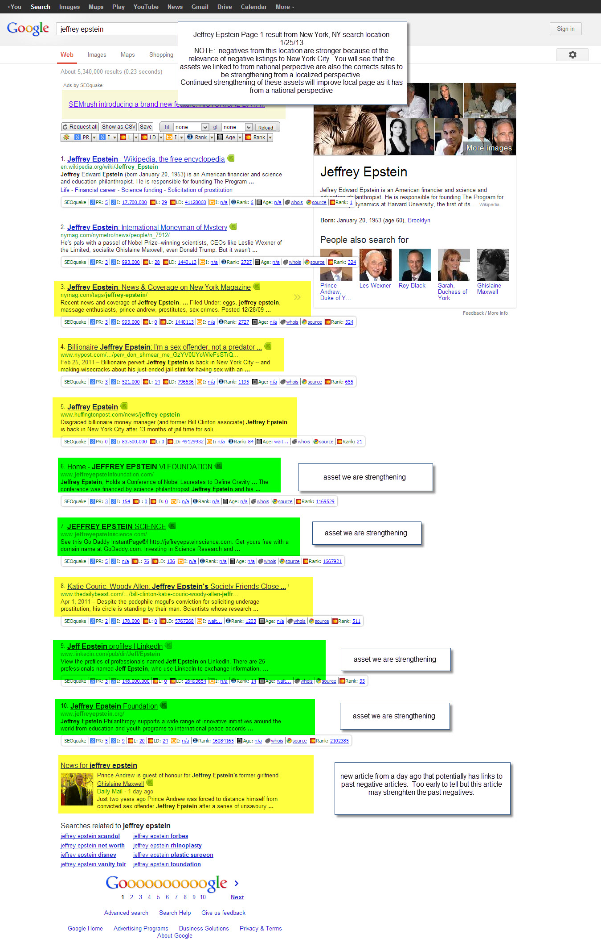
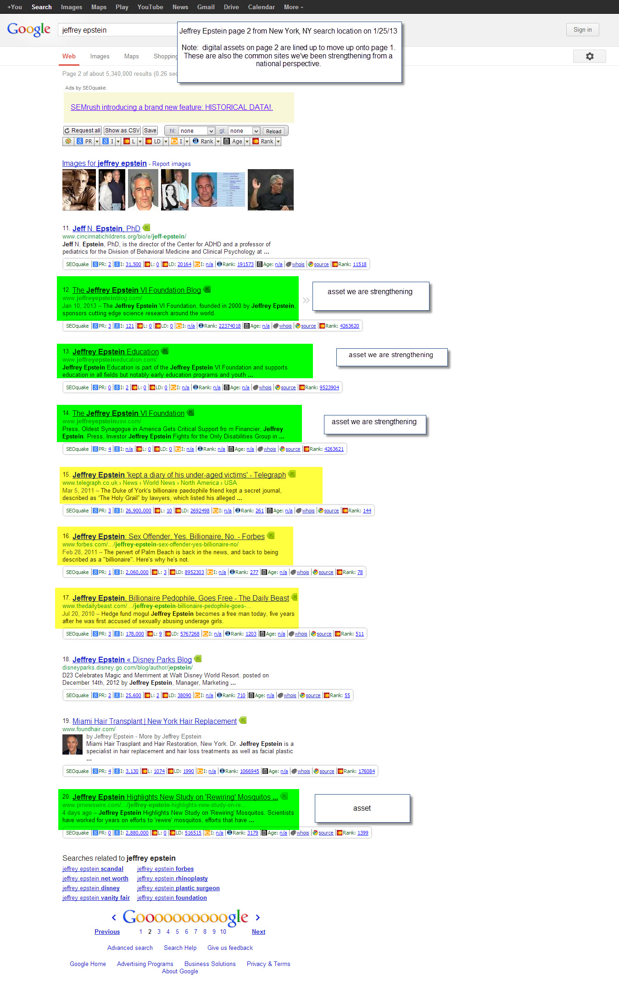
Current Standings from New York, NY perspective page 1 and 2 - notes included on images

