Comb_GO biological proces
Enrichment FDR | nGenes | Pathway Genes | Fold Enrichment | Pathways (click for details)
2.90E-03 | 2 | 3 | 526.2 | Benzoate metabolic process
4.80E-03 | 2 | 5 | 315.7 | Para-aminobenzoic acid metabolic process
1.60E-02 | 2 | 15 | 105.2 | Positive regulation of cell cycle phase transition
1.60E-02 | 2 | 15 | 105.2 | Positive regulation of mitotic cell cycle phase transition
1.60E-02 | 2 | 17 | 92.9 | Positive regulation of mitotic cell cycle
1.70E-02 | 2 | 24 | 65.8 | Pyridine-containing compound biosynthetic process
2.20E-02 | 2 | 28 | 56.4 | Production of miRNAs involved in gene silencing by miRNA
2.20E-02 | 2 | 30 | 52.6 | Pyridine-containing compound metabolic process
2.20E-02 | 2 | 33 | 47.8 | Positive regulation of cell cycle process
2.90E-02 | 2 | 41 | 38.5 | Response to zinc ion
2.90E-02 | 2 | 41 | 38.5 | Gene silencing by miRNA
3.60E-02 | 2 | 49 | 32.2 | Positive regulation of cell cycle
1.60E-02 | 3 | 78 | 30.4 | Benzene-containing compound metabolic process
1.60E-02 | 3 | 84 | 28.2 | Aromatic amino acid family metabolic process
1.60E-02 | 3 | 88 | 26.9 | Post-transcriptional gene silencing by RNA
1.70E-02 | 3 | 99 | 23.9 | Posttranscriptional gene silencing
2.20E-02 | 3 | 145 | 16.3 | Gene silencing by RNA
3.50E-02 | 3 | 183 | 12.9 | Gene silencing
1.70E-02 | 5 | 468 | 8.4 | Cellular amino acid metabolic process
3.30E-02 | 4 | 389 | 8.1 | Organic hydroxy compound metabolic process
1.70E-02 | 6 | 770 | 6.2 | Response to radiation
1.70E-02 | 6 | 772 | 6.1 | Cellular macromolecule catabolic process
2.20E-02 | 6 | 850 | 5.6 | Organonitrogen compound catabolic process
1.70E-02 | 7 | 1055 | 5.2 | Carboxylic acid metabolic process
2.90E-02 | 6 | 965 | 4.9 | Macromolecule catabolic process
2.20E-02 | 7 | 1184 | 4.7 | Oxoacid metabolic process
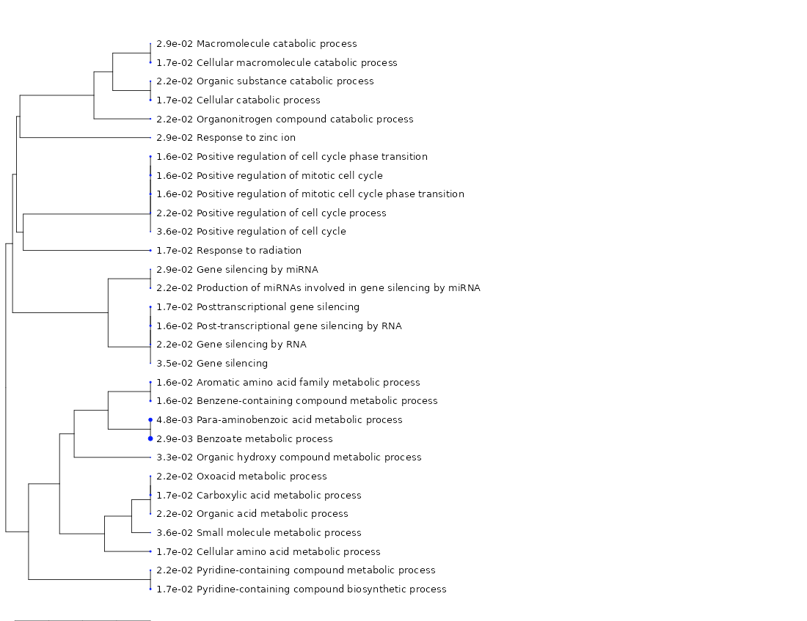
2.20E-02 | 7 | 1228 | 4.5 | Organic acid metabolic process
1.70E-02 | 8 | 1422 | 4.4 | Cellular catabolic process
2.20E-02 | 8 | 1627 | 3.9 | Organic substance catabolic process
3.60E-02 | 8 | 1834 | 3.4 | Small molecule metabolic process

Comb_GO molecular function
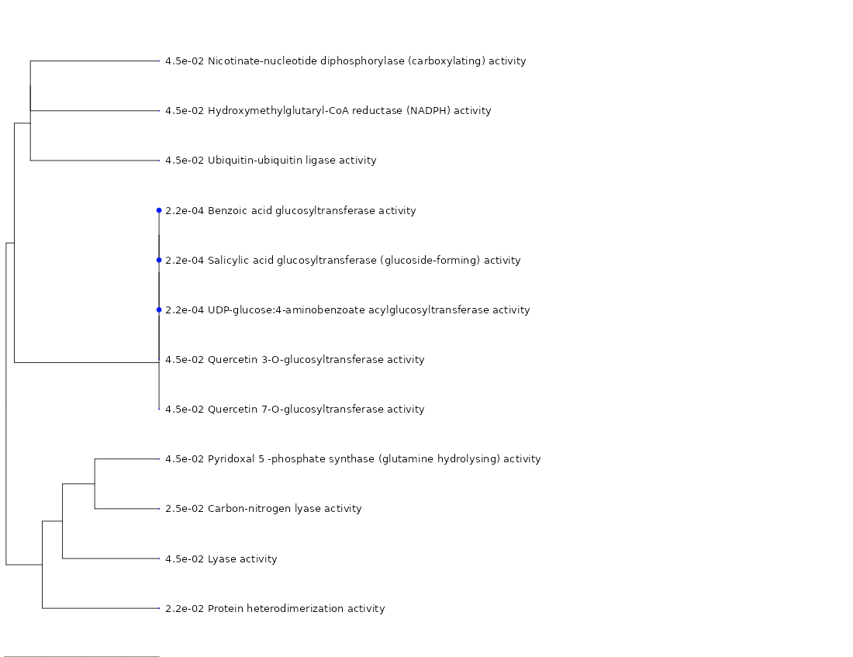
Enrichment FDR | nGenes | Pathway Genes | Fold Enrichment | Pathways (click for details)
2.20E-04 | 2 | 2 | 789.4 | Benzoic acid glucosyltransferase activity
2.20E-04 | 2 | 3 | 526.2 | Salicylic acid glucosyltransferase (glucoside-forming) activity
2.20E-04 | 2 | 3 | 526.2 | UDP-glucose:4-aminobenzoate acylglucosyltransferase activity
4.50E-02 | 1 | 2 | 394.7 | Hydroxymethylglutaryl-CoA reductase (NADPH) activity
4.50E-02 | 1 | 3 | 263.1 | Nicotinate-nucleotide diphosphorylase (carboxylating) activity
4.50E-02 | 1 | 3 | 263.1 | Ubiquitin-ubiquitin ligase activity
4.50E-02 | 1 | 3 | 263.1 | Pyridoxal 5 -phosphate synthase (glutamine hydrolysing) activity
2.50E-02 | 2 | 35 | 45.1 | Carbon-nitrogen lyase activity
4.50E-02 | 2 | 55 | 28.7 | Quercetin 7-O-glucosyltransferase activity
4.50E-02 | 2 | 64 | 24.7 | Quercetin 3-O-glucosyltransferase activity
2.20E-02 | 3 | 131 | 18.1 | Protein heterodimerization activity
4.50E-02 | 4 | 470 | 6.7 | Lyase activity

Comb_ARA CYC
Enrichment FDR | nGenes | Pathway Genes | Fold Enrichment | Pathways (click for details)
2.70E-02 | 1 | 5 | 157.9 | NAD biosynthesis I
2.70E-02 | 1 | 5 | 157.9 | Pyridoxal 5'-phosphate biosynthesis II
2.70E-02 | 1 | 6 | 131.6 | Phenylpropanoid biosynthesis initial reactions
2.10E-03 | 2 | 14 | 112.8 | Benzoate biosynthesis II
2.70E-02 | 1 | 10 | 78.9 | Benzoate biosynthesis III
2.70E-02 | 1 | 10 | 78.9 | Fatty acid alpha-oxidation I
2.70E-02 | 1 | 12 | 65.8 | Mevalonate pathway I
2.70E-02 | 1 | 12 | 65.8 | Trans-cinnamoyl-CoA biosynthesis
2.70E-02 | 1 | 13 | 60.7 | Alkane oxidation
3.60E-02 | 1 | 19 | 41.5 | L-cysteine biosynthesis I
3.90E-02 | 1 | 23 | 34.3 | Ethanol degradation II
4.40E-02 | 1 | 28 | 28.2 | L-citrulline biosynthesis

Reactome

Enrichment FDR | nGenes | Pathway Genes | Fold Enrichment | Pathways (click for details)
1.10E-02 | 1 | 4 | 197.3 | R-ATH-1119261.1 Salicylate biosynthesis
1.10E-02 | 1 | 5 | 157.9 | R-ATH-1119582.1 Phenylpropanoid biosynthesis, initial reactions
1.10E-02 | 1 | 9 | 87.7 | R-ATH-1119331.1 Cysteine biosynthesis I
1.10E-02 | 1 | 9 | 87.7 | R-ATH-1119418.1 Suberin biosynthesis
1.10E-02 | 1 | 9 | 87.7 | R-ATH-1119615.1 Mevalonate pathway
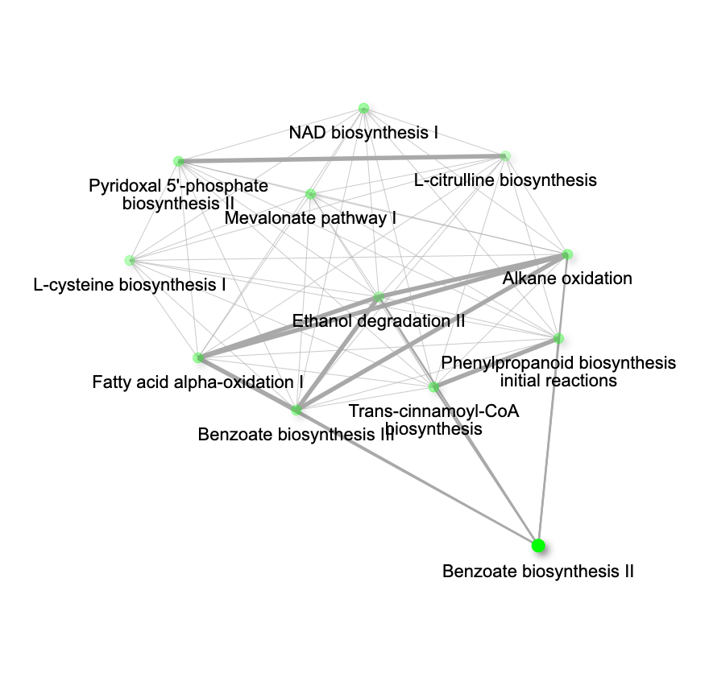

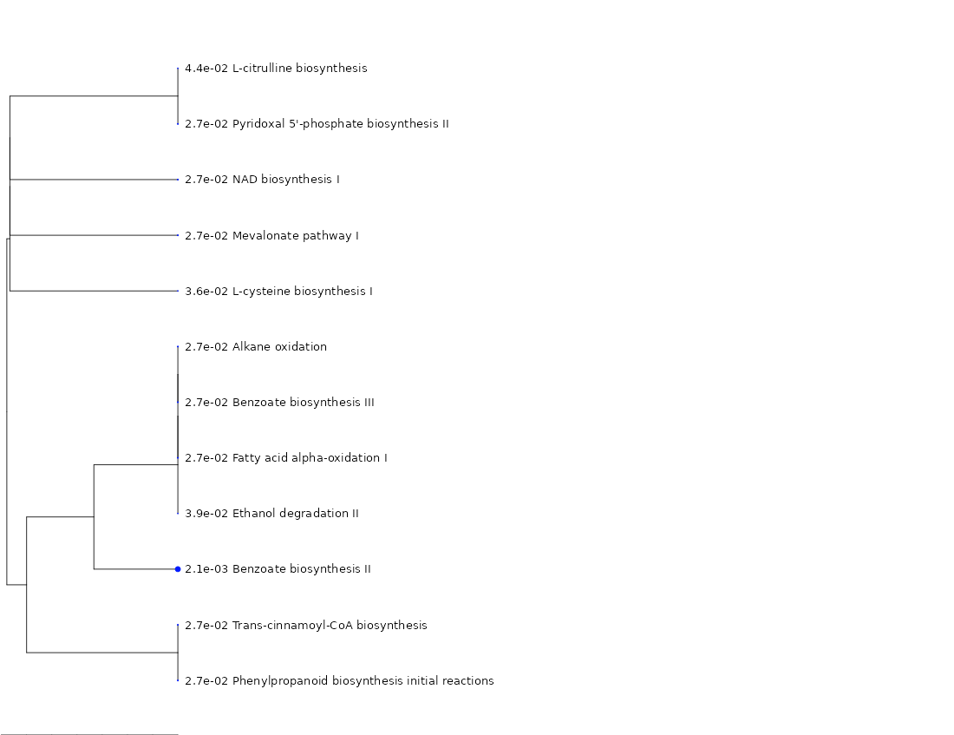
Enrichment FDR | nGenes | Pathway Genes | Fold Enrichment | Pathways (click for details)
1.50E-02 | 1 | 1 | 789.4 | HORMONE METABOLISM.SALICYLIC ACID.SYNTHESIS-DEGRADATION.SYNTHESIS.SA GLUCOSYLTRANSFERASE ETHER BOND MAKING SAG Mapman gene sets
1.50E-02 | 1 | 1 | 789.4 | HORMONE METABOLISM.SALICYLIC ACID.SYNTHESIS-DEGRADATION.SYNTHESIS.SA GLUCOSYLTRANSFERASE ESTER AND ETHER BOND MAKING SGE, SAG Mapman gene sets
3.30E-04 | 2 | 3 | 526.2 | HORMONE METABOLISM.SALICYLIC ACID.SYNTHESIS-DEGRADATION.SYNTHESIS Mapman gene sets
2.00E-02 | 1 | 2 | 394.7 | SECONDARY METABOLISM.ISOPRENOIDS.MEVALONATE PATHWAY.HMG-COA REDUCTASE Mapman gene sets
2.20E-02 | 1 | 3 | 263.1 | SECONDARY METABOLISM.N MISC.BETAINE.BETAINE-ALDEHYDE DEHYDROGENASE Mapman gene sets
2.20E-02 | 1 | 3 | 263.1 | SECONDARY METABOLISM.N MISC.BETAINE Mapman gene sets
2.20E-02 | 1 | 3 | 263.1 | RNA.PROCESSING.3 END PROCESSING.SYMPLEKIN Mapman gene sets
2.60E-02 | 1 | 4 | 197.3 | SECONDARY METABOLISM.PHENYLPROPANOIDS.LIGNIN BIOSYNTHESIS.PAL Mapman gene sets
3.60E-02 | 1 | 6 | 131.6 | TCA / ORG TRANSFORMATION.OTHER ORGANIC ACID TRANSFORMATONS.MALIC Mapman gene sets
4.70E-03 | 2 | 16 | 98.7 | DNA.SYNTHESIS/CHROMATIN STRUCTURE.HISTONE.CORE.H2A Mapman gene sets
4.70E-03 | 2 | 19 | 83.1 | HORMONE METABOLISM.SALICYLIC ACID.SYNTHESIS-DEGRADATION Mapman gene sets
4.70E-03 | 2 | 19 | 83.1 | HORMONE METABOLISM.SALICYLIC ACID Mapman gene sets
1.60E-02 | 2 | 47 | 33.6 | DNA.SYNTHESIS/CHROMATIN STRUCTURE.HISTONE.CORE Mapman gene sets
2.00E-02 | 2 | 57 | 27.7 | DNA.SYNTHESIS/CHROMATIN STRUCTURE.HISTONE Mapman gene sets
2.60E-02 | 2 | 81 | 19.5 | CO-FACTOR AND VITAMINE METABOLISM Mapman gene sets

Enrichment FDR | nGenes | Pathway Genes | Fold Enrichment | Pathways (click for details)
3.80E-03 | 1 | 1 | 789.4 | ALDEHYDE DEHYDROGENASE SUPERFAMILY FAMILY 22: NOVEL PLANT ALDH FAMILY Other gene family based gene sets
5.10E-03 | 1 | 2 | 394.7 | INORGANIC SOLUTE COTRANSPORTERS PUTATIVE ZINC TRANSPORTER ZIP2 - LIKE FAMILY Other gene family based gene sets
7.60E-03 | 1 | 4 | 197.3 | MONOLIGNOL BIOSYNTHESIS PAL (PHENYLALANINE AMMONIA LYASE) Other gene family based gene sets
1.60E-02 | 1 | 11 | 71.8 | SINGLE GENE-ENCODED CBPS Other gene family based gene sets
1.60E-02 | 1 | 13 | 60.7 | MISCELLANEOUS MEMBRANE PROTEIN FAMILIES PUTATIVE GLUCOSYLTRANSFERASE FAMILY Other gene family based gene sets
3.80E-03 | 2 | 32 | 49.3 | GRAS GENE FAMILY Other gene family based gene sets

Comb_cellular component
Enrichment FDR | nGenes | Pathway Genes | Fold Enrichment | Pathways (click for details)
3.60E-02 | 1 | 2 | 394.7 | DNA-dependent protein kinase-DNA ligase 4 complex
3.60E-02 | 1 | 2 | 394.7 | Nonhomologous end joining complex
3.60E-02 | 1 | 3 | 263.1 | Nuclear cap binding complex
3.60E-02 | 1 | 3 | 263.1 | Cortical actin cytoskeleton
3.60E-02 | 1 | 3 | 263.1 | DNA ligase IV complex
4.90E-02 | 1 | 7 | 112.8 | THO complex part of transcription export complex
4.90E-02 | 1 | 7 | 112.8 | Heterotrimeric G-protein complex
4.90E-02 | 1 | 7 | 112.8 | MRNA cap binding complex
4.90E-02 | 1 | 7 | 112.8 | MRNA cleavage and polyadenylation specificity factor complex
4.90E-02 | 1 | 7 | 112.8 | GTPase complex
3.60E-02 | 2 | 32 | 49.3 | Clathrin-coated vesicle membrane
3.60E-02 | 2 | 63 | 25.1 | Nucleosome
3.60E-02 | 2 | 64 | 24.7 | Actin cytoskeleton
3.60E-02 | 2 | 67 | 23.6 | Clathrin-coated vesicle
3.60E-02 | 2 | 68 | 23.2 | DNA packaging complex
3.60E-02 | 2 | 71 | 22.2 | Membrane coat
3.60E-02 | 2 | 71 | 22.2 | Coated membrane
4.10E-02 | 2 | 81 | 19.5 | Coated vesicle membrane
4.90E-02 | 2 | 110 | 14.4 | Protein-DNA complex
4.10E-02 | 3 | 277 | 8.5 | Ubiquitin ligase complex
1.50E-02 | 6 | 692 | 6.8 | Intracellular protein-containing complex
4.90E-02 | 4 | 635 | 5 | Membrane protein complex
4.10E-02 | 5 | 893 | 4.4 | Nuclear protein-containing complex
3.60E-02 | 7 | 1419 | 3.9 | Bounding membrane of organelle
2.20E-03 | 14 | 3177 | 3.5 | Protein-containing complex
4.90E-02 | 9 | 2878 | 2.5 | Organelle membrane
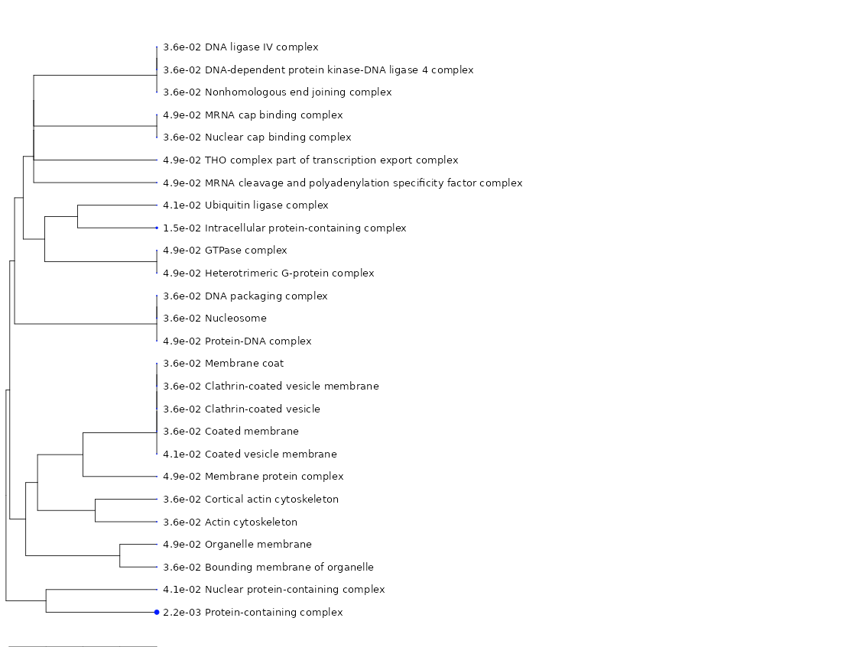
Download table with gene IDs

