190308
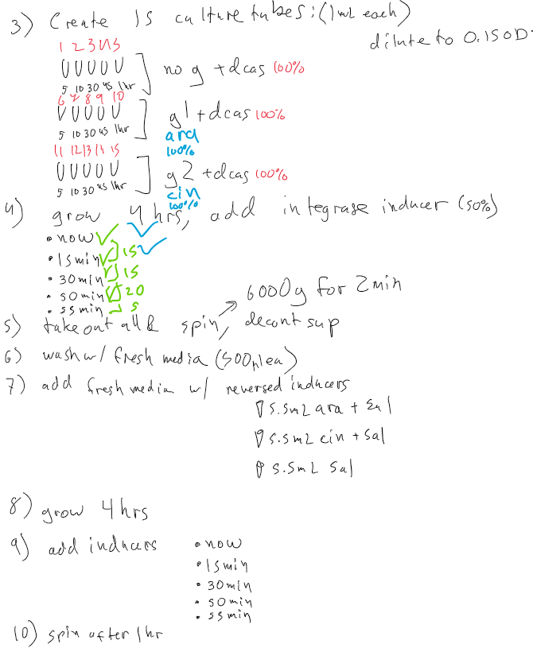
sal
 | time |  |  | inducers
 | 4 | 1 |  | sal | sal,atc
 | 4.25 | 0.75 |  | ara,sal | ara,sal,atc
 | 4.5 | 0.5 |  | cin,sal | cin,sal,atc
 | 4.83 | 0.17 |  | sal | sal,atc
 | 4.92 | 0.08 |  | cin,sal | cin,sal,atc
atc
 |  |  |  | ara,sal | ara,sal,atc

npbc1 | 4,[sal] | 1,[sal,atc] | 4,[sal] | 1,[sal,atc] | 15,[]
npbc2 | 4.25,[sal] | 0.75,[sal,atc] | 4.25,[sal] | 0.75,[sal,atc] | 15,[]
npbc3 | 4.5,[sal] | 0.5,[sal,atc] | 4.5,[sal] | 0.5,[sal,atc] | 15,[]
npbc4 | 4.83,[sal] | 0.17,[sal,atc] | 4.83,[sal] | 0.17,[sal,atc] | 15,[]
npbc5 | 4.92,[sal] | 0.08,[sal,atc] | 4.92,[sal] | 0.08,[sal,atc] | 15,[]
npbc6 | 4,[ara,sal] | 1,[ara,sal,atc] | 4,[cin,sal] | 1,[cin,sal,atc] | 15,[]
npbc7 | 4.25,[ara,sal] | 0.75,[ara,sal,atc] | 4.25,[cin,sal] | 0.75,[cin,sal,atc] | 15,[]
npbc8 | 4.5,[ara,sal] | 0.5,[ara,sal,atc] | 4.5,[cin,sal] | 0.5,[cin,sal,atc] | 15,[]
npbc9 | 4.83,[ara,sal] | 0.17,[ara,sal,atc] | 4.83,[cin,sal] | 0.17,[cin,sal,atc] | 15,[]
npbc10 | 4.92,[ara,sal] | 0.08,[ara,sal,atc] | 4.92,[cin,sal] | 0.08,[cin,sal,atc] | 15,[]
npbc11 | 4,[cin,sal] | 1,[cin,sal,atc] | 4,[ara,sal] | 1,[ara,sal,atc] | 15,[]
npbc12 | 4.25,[cin,sal] | 0.75,[cin,sal,atc] | 4.25,[ara,sal] | 0.75,[ara,sal,atc] | 15,[]
npbc13 | 4.5,[cin,sal] | 0.5,[cin,sal,atc] | 4.5,[ara,sal] | 0.5,[ara,sal,atc] | 15,[]
npbc14 | 4.83,[cin,sal] | 0.17,[cin,sal,atc] | 4.83,[ara,sal] | 0.17,[ara,sal,atc] | 15,[]
npbc15 | 4.92,[cin,sal] | 0.08,[cin,sal,atc] | 4.92,[ara,sal] | 0.08,[ara,sal,atc] | 15,[]

190228
6:30
7:40
14:00
15:27
5:00
12:30
39 hrs
-------------->

1 2 3 dil
4 5 6 dil

 |  |  |  |  |  |  |  |  |  | inducers
 | preind | postind |  |  |  |  |  |  | n | atc1 | atc1,sal
hrs | 5 | 2.36 |  |  |  |  |  |  | g1 | atc1,ara | atc1,ara,sal
 | 6.5 | 0.86 |  |  |  |  |  |  | g2 | atc1,cin | atc1,cin,sal
 | 7.2 | 0.16 |  |  |  |  |  |  | n | sal1 | sal1,atc
 | 7.36 |  |  |  |  |  |  |  | g1 | sal1,ara | sal1,ara,atc
 | rec38 |  |  | rec39 |  |  |  |  | g2 | sal1,cin | sal1,cin,atc
 | n | g1 | g2 | n | g1 | g2 |  |  | n | atc1 | atc1,sal
inducers | atc1 | atc1,ara | atc1,cin | sal1 | sal1,ara | sal1,cin |  |  | g2 | atc1,cin | atc1,cin,sal
 | atc1,sal | atc1,ara,sal | atc1,cin,sal | sal1,atc | sal1,ara,atc | sal1,cin,atc | sal | atc | g1 | atc1,ara | atc1,ara,sal
 |  |  |  |  |  |  |  |  | n | sal1 | sal1,atc
 |  |  |  |  |  |  |  |  | g2 | sal1,cin | sal1,cin,atc
 |  |  |  |  |  |  |  |  | g1 | sal1,ara | sal1,ara,atc

pcr1 | r38 | 7.2,[atc1] | 0.16,[atc1,sal] | 7.2,[atc1] | 0.16,[atc1,sal] | 39,[]
pcr2 | r38 | 7.2,[atc1,ara] | 0.16,[atc1,ara,sal] | 7.2,[atc1,cin] | 0.16,[atc1,cin,sal] | 39,[]
pcr3 | r38 | 7.2,[atc1,cin] | 0.16,[atc1,cin,sal] | 7.2,[atc1,ara] | 0.16,[atc1,ara,sal] | 39,[]
pcr4 | r38 | 6.5,[atc1] | 0.86,[atc1,sal] | 6.5,[atc1] | 0.86,[atc1,sal] | 39,[]
pcr5 | r38 | 6.5,[atc1,ara] | 0.86,[atc1,ara,sal] | 6.5,[atc1,cin] | 0.86,[atc1,cin,sal] | 39,[]
pcr6 | r38 | 6.5,[atc1,cin] | 0.86,[atc1,cin,sal] | 6.5,[atc1,ara] | 0.86,[atc1,ara,sal] | 39,[]
pcr7 | r39 | 7.2,[sal1] | 0.16,[sal1,atc] | 7.2,[sal1] | 0.16,[sal1,atc] | 39,[]
pcr8 | r39 | 7.2,[sal1,ara] | 0.16,[sal1,ara,atc] | 7.2,[sal1,cin] | 0.16,[sal1,cin,atc] | 39,[]
pcr9 | r39 | 7.2,[sal1,cin] | 0.16,[sal1,cin,atc] | 7.2,[sal1,ara] | 0.16,[sal1,ara,atc] | 39,[]
pcr10 | r39 | 6.5,[sal1] | 0.86,[sal1,atc] | 6.5,[sal1] | 0.86,[sal1,atc] | 39,[]
pcr11 | r39 | 6.5,[sal1,ara] | 0.86,[sal1,ara,atc] | 6.5,[sal1,cin] | 0.86,[sal1,cin,atc] | 39,[]
pcr12 | r39 | 6.5,[sal1,cin] | 0.86,[sal1,cin,atc] | 6.5,[sal1,ara] | 0.86,[sal1,ara,atc] | 39,[]
pcr13 | r38 | 5,[atc1] | 2.36,[atc1,sal] | 5,[atc1] | 2.36,[atc1,sal] | 39,[]
pcr14 | r38 | 5,[atc1,ara] | 2.36,[atc1,ara,sal] | 5,[atc1,cin] | 2.36,[atc1,cin,sal] | 39,[]
pcr15 | r38 | 5,[atc1,cin] | 2.36,[atc1,cin,sal] | 5,[atc1,ara] | 2.36,[atc1,ara,sal] | 39,[]

