Datos
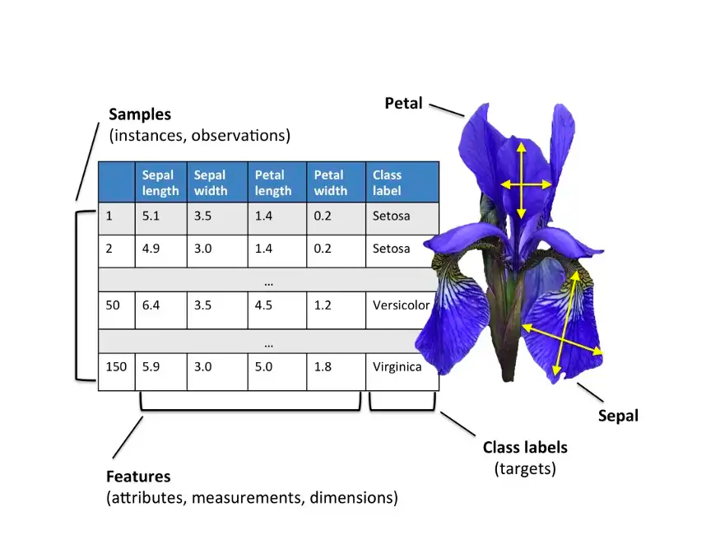
indice | sepal.length | sepal.width | petal.length | petal.width | variety
2 | 6.7 | 3.1 | 4.7 | 1.5 | Versicolor
2 | 6.6 | 3 | 4.4 | 1.4 | Versicolor
3 | 6.9 | 3.1 | 5.4 | 2.1 | Virginica
4 | 6.4 | 2.8 | 5.6 | 2.1 | Virginica
4 | 5.4 | 3.7 | 1.5 | 0.2 | Setosa
5 | 5.2 | 4.1 | 1.5 | 0.1 | Setosa
5 | 6.3 | 3.3 | 6 | 2.5 | Virginica
5 | 6.7 | 3.1 | 4.4 | 1.4 | Versicolor
5 | 5.8 | 2.7 | 3.9 | 1.2 | Versicolor
7 | 4.7 | 3.2 | 1.6 | 0.2 | Setosa
8 | 6.7 | 3.3 | 5.7 | 2.5 | Virginica
8 | 6.8 | 3 | 5.5 | 2.1 | Virginica
9 | 6.9 | 3.1 | 4.9 | 1.5 | Versicolor
9 | 7.9 | 3.8 | 6.4 | 2 | Virginica
10 | 6 | 2.9 | 4.5 | 1.5 | Versicolor
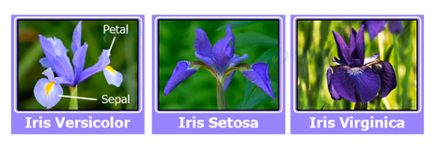
10 | 7.7 | 2.8 | 6.7 | 2 | Virginica
11 | 6.8 | 3.2 | 5.9 | 2.3 | Virginica
12 | 6.1 | 3 | 4.9 | 1.8 | Virginica
13 | 5.2 | 3.5 | 1.5 | 0.2 | Setosa
14 | 5.1 | 2.5 | 3 | 1.1 | Versicolor
15 | 4.8 | 3 | 1.4 | 0.3 | Setosa
16 | 5 | 2.3 | 3.3 | 1 | Versicolor
17 | 6.4 | 3.1 | 5.5 | 1.8 | Virginica
19 | 7.4 | 2.8 | 6.1 | 1.9 | Virginica
20 | 5.5 | 2.3 | 4 | 1.3 | Versicolor
20 | 6 | 2.7 | 5.1 | 1.6 | Versicolor
21 | 6.7 | 3.3 | 5.7 | 2.1 | Virginica
21 | 6.4 | 3.2 | 4.5 | 1.5 | Versicolor
22 | 4.8 | 3.1 | 1.6 | 0.2 | Setosa
22 | 6.3 | 2.3 | 4.4 | 1.3 | Versicolor
23 | 7.2 | 3.6 | 6.1 | 2.5 | Virginica
23 | 5 | 3.6 | 1.4 | 0.2 | Setosa
24 | 4.4 | 3 | 1.3 | 0.2 | Setosa
24 | 6.3 | 3.3 | 4.7 | 1.6 | Versicolor
24 | 6.7 | 2.5 | 5.8 | 1.8 | Virginica
25 | 5.7 | 2.5 | 5 | 2 | Virginica
26 | 5.7 | 4.4 | 1.5 | 0.4 | Setosa
26 | 5.9 | 3 | 5.1 | 1.8 | Virginica
26 | 5.6 | 3 | 4.1 | 1.3 | Versicolor
32 | 6.7 | 3 | 5 | 1.7 | Versicolor
35 | 5.8 | 2.8 | 5.1 | 2.4 | Virginica
35 | 6.4 | 2.8 | 5.6 | 2.2 | Virginica
36 | 5.5 | 2.6 | 4.4 | 1.2 | Versicolor
37 | 7.2 | 3 | 5.8 | 1.6 | Virginica
37 | 4.6 | 3.6 | 1 | 0.2 | Setosa
38 | 6.3 | 2.9 | 5.6 | 1.8 | Virginica
38 | 5.4 | 3.4 | 1.5 | 0.4 | Setosa
40 | 5.8 | 2.7 | 4.1 | 1 | Versicolor
42 | 5.8 | 2.7 | 5.1 | 1.9 | Virginica
43 | 5.1 | 3.5 | 1.4 | 0.3 | Setosa
43 | 5.1 | 3.5 | 1.4 | 0.2 | Setosa
47 | 7.3 | 2.9 | 6.3 | 1.8 | Virginica
47 | 7 | 3.2 | 4.7 | 1.4 | Versicolor
48 | 5 | 3.2 | 1.2 | 0.2 | Setosa
48 | 6.3 | 2.5 | 5 | 1.9 | Virginica
49 | 6.3 | 2.8 | 5.1 | 1.5 | Virginica
52 | 5.4 | 3.9 | 1.7 | 0.4 | Setosa
54 | 6.9 | 3.1 | 5.1 | 2.3 | Virginica
54 | 6.4 | 2.9 | 4.3 | 1.3 | Versicolor
54 | 6.5 | 3 | 5.2 | 2 | Virginica
54 | 4.9 | 3.1 | 1.5 | 0.2 | Setosa
55 | 5.1 | 3.8 | 1.9 | 0.4 | Setosa
56 | 5.5 | 2.4 | 3.8 | 1.1 | Versicolor
56 | 5 | 3.5 | 1.3 | 0.3 | Setosa
58 | 5.7 | 2.8 | 4.5 | 1.3 | Versicolor
61 | 5 | 3.3 | 1.4 | 0.2 | Setosa
62 | 6.1 | 2.8 | 4 | 1.3 | Versicolor
63 | 5.1 | 3.4 | 1.5 | 0.2 | Setosa
64 | 5.9 | 3.2 | 4.8 | 1.8 | Versicolor
66 | 4.8 | 3.4 | 1.9 | 0.2 | Setosa
67 | 4.9 | 2.4 | 3.3 | 1 | Versicolor
67 | 6 | 3 | 4.8 | 1.8 | Virginica
68 | 4.9 | 2.5 | 4.5 | 1.7 | Virginica
69 | 5.6 | 2.7 | 4.2 | 1.3 | Versicolor
70 | 6 | 2.2 | 5 | 1.5 | Virginica
74 | 5.6 | 2.5 | 3.9 | 1.1 | Versicolor
75 | 4.9 | 3 | 1.4 | 0.2 | Setosa
75 | 6.9 | 3.2 | 5.7 | 2.3 | Virginica
77 | 4.6 | 3.2 | 1.4 | 0.2 | Setosa
77 | 4.8 | 3 | 1.4 | 0.1 | Setosa
78 | 5 | 3 | 1.6 | 0.2 | Setosa
79 | 5 | 3.4 | 1.5 | 0.2 | Setosa
80 | 5.1 | 3.3 | 1.7 | 0.5 | Setosa
84 | 6.7 | 3.1 | 5.6 | 2.4 | Virginica
88 | 4.9 | 3.6 | 1.4 | 0.1 | Setosa
88 | 6 | 3.4 | 4.5 | 1.6 | Versicolor
88 | 6.2 | 2.9 | 4.3 | 1.3 | Versicolor
89 | 6.2 | 2.8 | 4.8 | 1.8 | Virginica
89 | 5.5 | 2.5 | 4 | 1.3 | Versicolor
90 | 7.6 | 3 | 6.6 | 2.1 | Virginica
90 | 5.5 | 2.4 | 3.7 | 1 | Versicolor
91 | 6 | 2.2 | 4 | 1 | Versicolor
94 | 5.3 | 3.7 | 1.5 | 0.2 | Setosa
95 | 5.6 | 2.9 | 3.6 | 1.3 | Versicolor
95 | 6.1 | 3 | 4.6 | 1.4 | Versicolor
96 | 6.2 | 2.2 | 4.5 | 1.5 | Versicolor
96 | 5.8 | 2.7 | 5.1 | 1.9 | Virginica
96 | 5.4 | 3 | 4.5 | 1.5 | Versicolor
96 | 6.5 | 2.8 | 4.6 | 1.5 | Versicolor
96 | 6.4 | 2.7 | 5.3 | 1.9 | Virginica
97 | 6.3 | 2.5 | 4.9 | 1.5 | Versicolor
98 | 5.1 | 3.8 | 1.6 | 0.2 | Setosa
98 | 5.6 | 3 | 4.5 | 1.5 | Versicolor
101 | 7.1 | 3 | 5.9 | 2.1 | Virginica
101 | 4.5 | 2.3 | 1.3 | 0.3 | Setosa
102 | 7.2 | 3.2 | 6 | 1.8 | Virginica
104 | 5.8 | 4 | 1.2 | 0.2 | Setosa
105 | 5.2 | 3.4 | 1.4 | 0.2 | Setosa
105 | 5.7 | 2.9 | 4.2 | 1.3 | Versicolor
106 | 5 | 2 | 3.5 | 1 | Versicolor
107 | 6.8 | 2.8 | 4.8 | 1.4 | Versicolor
107 | 6.1 | 2.8 | 4.7 | 1.2 | Versicolor
108 | 5.2 | 2.7 | 3.9 | 1.4 | Versicolor
108 | 5.5 | 3.5 | 1.3 | 0.2 | Setosa
109 | 4.7 | 3.2 | 1.3 | 0.2 | Setosa
112 | 6.1 | 2.6 | 5.6 | 1.4 | Virginica
113 | 5.8 | 2.6 | 4 | 1.2 | Versicolor
113 | 6.5 | 3 | 5.8 | 2.2 | Virginica
113 | 5.7 | 2.6 | 3.5 | 1 | Versicolor
114 | 7.7 | 2.6 | 6.9 | 2.3 | Virginica
115 | 5.1 | 3.7 | 1.5 | 0.4 | Setosa
116 | 5.9 | 3 | 4.2 | 1.5 | Versicolor
118 | 6.2 | 3.4 | 5.4 | 2.3 | Virginica
119 | 6.5 | 3.2 | 5.1 | 2 | Virginica
120 | 5.6 | 2.8 | 4.9 | 2 | Virginica
121 | 6.4 | 3.2 | 5.3 | 2.3 | Virginica
121 | 4.8 | 3.4 | 1.6 | 0.2 | Setosa
122 | 6.6 | 2.9 | 4.6 | 1.3 | Versicolor
122 | 6.1 | 2.9 | 4.7 | 1.4 | Versicolor
123 | 4.9 | 3.1 | 1.5 | 0.1 | Setosa
123 | 4.3 | 3 | 1.1 | 0.1 | Setosa
126 | 5.4 | 3.4 | 1.7 | 0.2 | Setosa
126 | 6.7 | 3 | 5.2 | 2.3 | Virginica
127 | 4.4 | 3.2 | 1.3 | 0.2 | Setosa
128 | 6.5 | 3 | 5.5 | 1.8 | Virginica
130 | 4.6 | 3.4 | 1.4 | 0.3 | Setosa
131 | 5.7 | 3 | 4.2 | 1.2 | Versicolor
133 | 6.3 | 3.4 | 5.6 | 2.4 | Virginica
134 | 6.3 | 2.7 | 4.9 | 1.8 | Virginica
134 | 5.4 | 3.9 | 1.3 | 0.4 | Setosa
134 | 7.7 | 3.8 | 6.7 | 2.2 | Virginica
134 | 5.7 | 2.8 | 4.1 | 1.3 | Versicolor
135 | 4.4 | 2.9 | 1.4 | 0.2 | Setosa
137 | 5.7 | 3.8 | 1.7 | 0.3 | Setosa
138 | 5.5 | 4.2 | 1.4 | 0.2 | Setosa
139 | 7.7 | 3 | 6.1 | 2.3 | Virginica
140 | 5 | 3.4 | 1.6 | 0.4 | Setosa
146 | 5 | 3.5 | 1.6 | 0.6 | Setosa
146 | 4.6 | 3.1 | 1.5 | 0.2 | Setosa
149 | 5.1 | 3.8 | 1.5 | 0.3 | Setosa

