Inicio
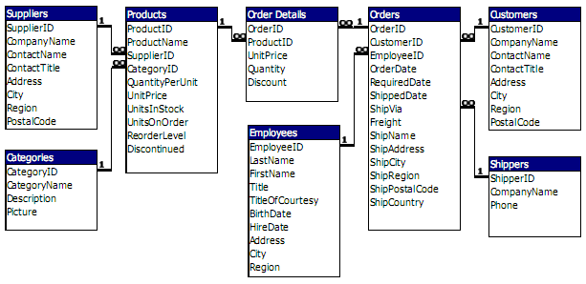

Reporte1 - Orders
Etiquetas de fila | Cuenta de shipCountry
Argentina | 16
Austria | 40
Belgium | 7
Canada | 30
Denmark | 18
Finland | 22
France | 19
Germany | 122
Ireland | 19
Italy | 28
Mexico | 28
Norway | 6
Poland | 7
Portugal | 13
Sweden | 37
Switzerland | 18
UK | 56
USA | 122
Venezuela | 46
Total general | 654

Reporte2 - Orders
orderDate | (Todas)

Etiquetas de fila | Cuenta de employeeID
1 | 14
2 | 9
3 | 22
4 | 16
5 | 4
6 | 11
7 | 4
8 | 9
9 | 7
Total general | 96

Reporte3 - Emp. Trim. 1997
 | 1997

employeeID | T1 | T2 | T3 | T4
1 | 10 | 8 | 16 | 14
2 | 6 | 8 | 9 | 9
3 | 16 | 14 | 9 | 22
4 | 13 | 15 | 13 | 16
Aportación trimestral por vendor (1997)
5 | 2 | 4 | 4 | 4
6 | 4 | 7 | 4 | 11
7 | 4 | 9 | 10 | 4
8 | 15 | 9 | 13 | 9
9 | 1 | 5 | 4 | 7

Evolución trimestral por vendedor (1997)

