Hoja2
orderID | customerID | employeeID | orderDate | requiredDate | shippedDate | shipVia | freight | shipName | shipAddress | shipCity | shipRegion | shipPostalCode | shipCountry |  | shipCountry | shipCountry | shipCountry
10248 | VINET | 5 | 1996-07-04 00:00:00 | 1996-08-01 00:00:00 | 1996-07-16 00:00:00 | 3 | 32.38 | Vins et alcools Chevalier | 59 rue de l'Abbaye | Reims | NULL | 51100 | France |  | France | France | France
10249 | TOMSP | 6 | 1996-07-05 00:00:00 | 1996-08-16 00:00:00 | 1996-07-10 00:00:00 | 1 | 11.61 | Toms Spezialitäten | Luisenstr. 48 | Münster | NULL | 44087 | Germany |  | Germany | Germany | Germany
10250 | HANAR | 4 | 1996-07-08 00:00:00 | 1996-08-05 00:00:00 | 1996-07-12 00:00:00 | 2 | 65.83 | Hanari Carnes | Rua do Paço | 67 | Rio de Janeiro | RJ | 05454-876 | Brazil | Brazil | Brazil | Brazil
10251 | VICTE | 3 | 1996-07-08 00:00:00 | 1996-08-05 00:00:00 | 1996-07-15 00:00:00 | 1 | 41.34 | Victuailles en stock | 2 | rue du Commerce | Lyon | NULL | 69004 | France | France | France | France
10252 | SUPRD | 4 | 1996-07-09 00:00:00 | 1996-08-06 00:00:00 | 1996-07-11 00:00:00 | 2 | 51.3 | Suprêmes délices | Boulevard Tirou | 255 | Charleroi | NULL | B-6000 | Belgium | Belgium | Belgium | Belgium
10253 | HANAR | 3 | 1996-07-10 00:00:00 | 1996-07-24 00:00:00 | 1996-07-16 00:00:00 | 2 | 58.17 | Hanari Carnes | Rua do Paço | 67 | Rio de Janeiro | RJ | 05454-876 | Brazil | Brazil | Brazil | Brazil
10254 | CHOPS | 5 | 1996-07-11 00:00:00 | 1996-08-08 00:00:00 | 1996-07-23 00:00:00 | 2 | 22.98 | Chop-suey Chinese | Hauptstr. 31 | Bern | NULL | 3012 | Switzerland |  | Switzerland | Switzerland | Switzerland
10255 | RICSU | 9 | 1996-07-12 00:00:00 | 1996-08-09 00:00:00 | 1996-07-15 00:00:00 | 3 | 148.33 | Richter Supermarkt | Starenweg 5 | Genève | NULL | 1204 | Switzerland |  | Switzerland | Switzerland | Switzerland
10256 | WELLI | 3 | 1996-07-15 00:00:00 | 1996-08-12 00:00:00 | 1996-07-17 00:00:00 | 2 | 13.97 | Wellington Importadora | Rua do Mercado | 12 | Resende | SP | 08737-363 | Brazil | Brazil | Brazil | Brazil
10257 | HILAA | 4 | 1996-07-16 00:00:00 | 1996-08-13 00:00:00 | 1996-07-22 00:00:00 | 3 | 81.91 | HILARION-Abastos | Carrera 22 con Ave. Carlos Soublette #8-35 | San Cristóbal | Táchira | 5022 | Venezuela |  | Venezuela | Venezuela | Venezuela
10258 | ERNSH | 1 | 1996-07-17 00:00:00 | 1996-08-14 00:00:00 | 1996-07-23 00:00:00 | 1 | 140.51 | Ernst Handel | Kirchgasse 6 | Graz | NULL | 8010 | Austria |  | Austria | Austria | Austria
10259 | CENTC | 4 | 1996-07-18 00:00:00 | 1996-08-15 00:00:00 | 1996-07-25 00:00:00 | 3 | 3.25 | Centro comercial Moctezuma | Sierras de Granada 9993 | México D.F. | NULL | 5022 | Mexico |  | Mexico | Mexico | Mexico
10260 | OTTIK | 4 | 1996-07-19 00:00:00 | 1996-08-16 00:00:00 | 1996-07-29 00:00:00 | 1 | 55.09 | Ottilies Käseladen | Mehrheimerstr. 369 | Köln | NULL | 50739 | Germany |  | Germany | Germany | Germany
10261 | QUEDE | 4 | 1996-07-19 00:00:00 | 1996-08-16 00:00:00 | 1996-07-30 00:00:00 | 2 | 3.05 | Que Delícia | Rua da Panificadora | 12 | Rio de Janeiro | RJ | 02389-673 | Brazil | Brazil | Brazil | Brazil
10262 | RATTC | 8 | 1996-07-22 00:00:00 | 1996-08-19 00:00:00 | 1996-07-25 00:00:00 | 3 | 48.29 | Rattlesnake Canyon Grocery | 2817 Milton Dr. | Albuquerque | NM | 87110 | USA |  | USA | USA | USA
10263 | ERNSH | 9 | 1996-07-23 00:00:00 | 1996-08-20 00:00:00 | 1996-07-31 00:00:00 | 3 | 146.06 | Ernst Handel | Kirchgasse 6 | Graz | NULL | 8010 | Austria |  | Austria | Austria | Austria
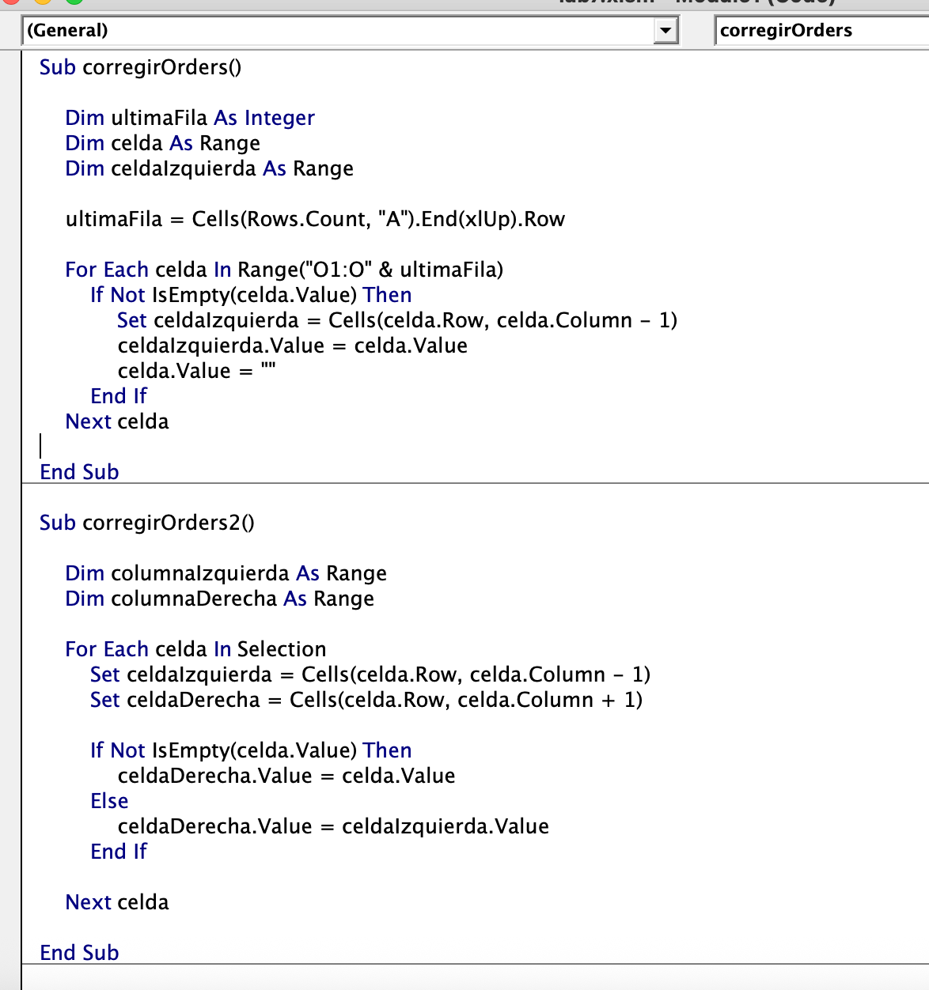
10264 | FOLKO | 6 | 1996-07-24 00:00:00 | 1996-08-21 00:00:00 | 1996-08-23 00:00:00 | 3 | 3.67 | Folk och fä HB | Åkergatan 24 | Bräcke | NULL | S-844 67 | Sweden |  | Sweden | Sweden | Sweden
10265 | BLONP | 2 | 1996-07-25 00:00:00 | 1996-08-22 00:00:00 | 1996-08-12 00:00:00 | 1 | 55.28 | Blondel père et fils | 24 | place Kléber | Strasbourg | NULL | 67000 | France | France | France | France
10266 | WARTH | 3 | 1996-07-26 00:00:00 | 1996-09-06 00:00:00 | 1996-07-31 00:00:00 | 3 | 25.73 | Wartian Herkku | Torikatu 38 | Oulu | NULL | 90110 | Finland |  | Finland | Finland | Finland
10267 | FRANK | 4 | 1996-07-29 00:00:00 | 1996-08-26 00:00:00 | 1996-08-06 00:00:00 | 1 | 208.58 | Frankenversand | Berliner Platz 43 | München | NULL | 80805 | Germany |  | Germany | Germany | Germany
10268 | GROSR | 8 | 1996-07-30 00:00:00 | 1996-08-27 00:00:00 | 1996-08-02 00:00:00 | 3 | 66.29 | GROSELLA-Restaurante | 5ª Ave. Los Palos Grandes | Caracas | DF | 1081 | Venezuela |  | Venezuela | Venezuela | Venezuela
10269 | WHITC | 5 | 1996-07-31 00:00:00 | 1996-08-14 00:00:00 | 1996-08-09 00:00:00 | 1 | 4.56 | White Clover Markets | 1029 - 12th Ave. S. | Seattle | WA | 98124 | USA |  | USA | USA | USA
10270 | WARTH | 1 | 1996-08-01 00:00:00 | 1996-08-29 00:00:00 | 1996-08-02 00:00:00 | 1 | 136.54 | Wartian Herkku | Torikatu 38 | Oulu | NULL | 90110 | Finland |  | Finland | Finland | Finland
10271 | SPLIR | 6 | 1996-08-01 00:00:00 | 1996-08-29 00:00:00 | 1996-08-30 00:00:00 | 2 | 4.54 | Split Rail Beer & Ale | P.O. Box 555 | Lander | WY | 82520 | USA |  | USA | USA | USA
10272 | RATTC | 6 | 1996-08-02 00:00:00 | 1996-08-30 00:00:00 | 1996-08-06 00:00:00 | 2 | 98.03 | Rattlesnake Canyon Grocery | 2817 Milton Dr. | Albuquerque | NM | 87110 | USA |  | USA | USA | USA
10273 | QUICK | 3 | 1996-08-05 00:00:00 | 1996-09-02 00:00:00 | 1996-08-12 00:00:00 | 3 | 76.07 | QUICK-Stop | Taucherstraße 10 | Cunewalde | NULL | 1307 | Germany |  | Germany | Germany | Germany
10274 | VINET | 6 | 1996-08-06 00:00:00 | 1996-09-03 00:00:00 | 1996-08-16 00:00:00 | 1 | 6.01 | Vins et alcools Chevalier | 59 rue de l'Abbaye | Reims | NULL | 51100 | France |  | France | France | France
10275 | MAGAA | 1 | 1996-08-07 00:00:00 | 1996-09-04 00:00:00 | 1996-08-09 00:00:00 | 1 | 26.93 | Magazzini Alimentari Riuniti | Via Ludovico il Moro 22 | Bergamo | NULL | 24100 | Italy |  | Italy | Italy | Italy
10276 | TORTU | 8 | 1996-08-08 00:00:00 | 1996-08-22 00:00:00 | 1996-08-14 00:00:00 | 3 | 13.84 | Tortuga Restaurante | Avda. Azteca 123 | México D.F. | NULL | 5033 | Mexico |  | Mexico | Mexico | Mexico
10277 | MORGK | 2 | 1996-08-09 00:00:00 | 1996-09-06 00:00:00 | 1996-08-13 00:00:00 | 3 | 125.77 | Morgenstern Gesundkost | Heerstr. 22 | Leipzig | NULL | 4179 | Germany |  | Germany | Germany | Germany
10278 | BERGS | 8 | 1996-08-12 00:00:00 | 1996-09-09 00:00:00 | 1996-08-16 00:00:00 | 2 | 92.69 | Berglunds snabbköp | Berguvsvägen 8 | Luleå | NULL | S-958 22 | Sweden |  | Sweden | Sweden | Sweden
10279 | LEHMS | 8 | 1996-08-13 00:00:00 | 1996-09-10 00:00:00 | 1996-08-16 00:00:00 | 2 | 25.83 | Lehmanns Marktstand | Magazinweg 7 | Frankfurt a.M. | NULL | 60528 | Germany |  | Germany | Germany | Germany
10280 | BERGS | 2 | 1996-08-14 00:00:00 | 1996-09-11 00:00:00 | 1996-09-12 00:00:00 | 1 | 8.98 | Berglunds snabbköp | Berguvsvägen 8 | Luleå | NULL | S-958 22 | Sweden |  | Sweden | Sweden | Sweden
10281 | ROMEY | 4 | 1996-08-14 00:00:00 | 1996-08-28 00:00:00 | 1996-08-21 00:00:00 | 1 | 2.94 | Romero y tomillo | Gran Vía | 1 | Madrid | NULL | 28001 | Spain | Spain | Spain | Spain
10282 | ROMEY | 4 | 1996-08-15 00:00:00 | 1996-09-12 00:00:00 | 1996-08-21 00:00:00 | 1 | 12.69 | Romero y tomillo | Gran Vía | 1 | Madrid | NULL | 28001 | Spain | Spain | Spain | Spain
10283 | LILAS | 3 | 1996-08-16 00:00:00 | 1996-09-13 00:00:00 | 1996-08-23 00:00:00 | 3 | 84.81 | LILA-Supermercado | Carrera 52 con Ave. Bolívar #65-98 Llano Largo | Barquisimeto | Lara | 3508 | Venezuela |  | Venezuela | Venezuela | Venezuela
10284 | LEHMS | 4 | 1996-08-19 00:00:00 | 1996-09-16 00:00:00 | 1996-08-27 00:00:00 | 1 | 76.56 | Lehmanns Marktstand | Magazinweg 7 | Frankfurt a.M. | NULL | 60528 | Germany |  | Germany | Germany | Germany
10285 | QUICK | 1 | 1996-08-20 00:00:00 | 1996-09-17 00:00:00 | 1996-08-26 00:00:00 | 2 | 76.83 | QUICK-Stop | Taucherstraße 10 | Cunewalde | NULL | 1307 | Germany |  | Germany | Germany | Germany
10286 | QUICK | 8 | 1996-08-21 00:00:00 | 1996-09-18 00:00:00 | 1996-08-30 00:00:00 | 3 | 229.24 | QUICK-Stop | Taucherstraße 10 | Cunewalde | NULL | 1307 | Germany |  | Germany | Germany | Germany
10287 | RICAR | 8 | 1996-08-22 00:00:00 | 1996-09-19 00:00:00 | 1996-08-28 00:00:00 | 3 | 12.76 | Ricardo Adocicados | Av. Copacabana | 267 | Rio de Janeiro | RJ | 02389-890 | Brazil | Brazil | Brazil | Brazil
10288 | REGGC | 4 | 1996-08-23 00:00:00 | 1996-09-20 00:00:00 | 1996-09-03 00:00:00 | 1 | 7.45 | Reggiani Caseifici | Strada Provinciale 124 | Reggio Emilia | NULL | 42100 | Italy |  | Italy | Italy | Italy
10289 | BSBEV | 7 | 1996-08-26 00:00:00 | 1996-09-23 00:00:00 | 1996-08-28 00:00:00 | 3 | 22.77 | B's Beverages | Fauntleroy Circus | London | NULL | EC2 5NT | UK |  | UK | UK | UK
10290 | COMMI | 8 | 1996-08-27 00:00:00 | 1996-09-24 00:00:00 | 1996-09-03 00:00:00 | 1 | 79.7 | Comércio Mineiro | Av. dos Lusíadas | 23 | Sao Paulo | SP | 05432-043 | Brazil | Brazil | Brazil | Brazil
10291 | QUEDE | 6 | 1996-08-27 00:00:00 | 1996-09-24 00:00:00 | 1996-09-04 00:00:00 | 2 | 6.4 | Que Delícia | Rua da Panificadora | 12 | Rio de Janeiro | RJ | 02389-673 | Brazil | Brazil | Brazil | Brazil
10292 | TRADH | 1 | 1996-08-28 00:00:00 | 1996-09-25 00:00:00 | 1996-09-02 00:00:00 | 2 | 1.35 | Tradiçao Hipermercados | Av. Inês de Castro | 414 | Sao Paulo | SP | 05634-030 | Brazil | Brazil | Brazil | Brazil
10293 | TORTU | 1 | 1996-08-29 00:00:00 | 1996-09-26 00:00:00 | 1996-09-11 00:00:00 | 3 | 21.18 | Tortuga Restaurante | Avda. Azteca 123 | México D.F. | NULL | 5033 | Mexico |  | Mexico | Mexico | Mexico
10294 | RATTC | 4 | 1996-08-30 00:00:00 | 1996-09-27 00:00:00 | 1996-09-05 00:00:00 | 2 | 147.26 | Rattlesnake Canyon Grocery | 2817 Milton Dr. | Albuquerque | NM | 87110 | USA |  | USA | USA | USA
10295 | VINET | 2 | 1996-09-02 00:00:00 | 1996-09-30 00:00:00 | 1996-09-10 00:00:00 | 2 | 1.15 | Vins et alcools Chevalier | 59 rue de l'Abbaye | Reims | NULL | 51100 | France |  | France | France | France
10296 | LILAS | 6 | 1996-09-03 00:00:00 | 1996-10-01 00:00:00 | 1996-09-11 00:00:00 | 1 | 0.12 | LILA-Supermercado | Carrera 52 con Ave. Bolívar #65-98 Llano Largo | Barquisimeto | Lara | 3508 | Venezuela |  | Venezuela | Venezuela | Venezuela
10297 | BLONP | 5 | 1996-09-04 00:00:00 | 1996-10-16 00:00:00 | 1996-09-10 00:00:00 | 2 | 5.74 | Blondel père et fils | 24 | place Kléber | Strasbourg | NULL | 67000 | France | France | France | France
10298 | HUNGO | 6 | 1996-09-05 00:00:00 | 1996-10-03 00:00:00 | 1996-09-11 00:00:00 | 2 | 168.22 | Hungry Owl All-Night Grocers | 8 Johnstown Road | Cork | Co. Cork | NULL | Ireland |  | Ireland | Ireland | Ireland
10299 | RICAR | 4 | 1996-09-06 00:00:00 | 1996-10-04 00:00:00 | 1996-09-13 00:00:00 | 2 | 29.76 | Ricardo Adocicados | Av. Copacabana | 267 | Rio de Janeiro | RJ | 02389-890 | Brazil | Brazil | Brazil | Brazil
10300 | MAGAA | 2 | 1996-09-09 00:00:00 | 1996-10-07 00:00:00 | 1996-09-18 00:00:00 | 2 | 17.68 | Magazzini Alimentari Riuniti | Via Ludovico il Moro 22 | Bergamo | NULL | 24100 | Italy |  | Italy | Italy | Italy
10301 | WANDK | 8 | 1996-09-09 00:00:00 | 1996-10-07 00:00:00 | 1996-09-17 00:00:00 | 2 | 45.08 | Die Wandernde Kuh | Adenauerallee 900 | Stuttgart | NULL | 70563 | Germany |  | Germany | Germany | Germany
10302 | SUPRD | 4 | 1996-09-10 00:00:00 | 1996-10-08 00:00:00 | 1996-10-09 00:00:00 | 2 | 6.27 | Suprêmes délices | Boulevard Tirou | 255 | Charleroi | NULL | B-6000 | Belgium | Belgium | Belgium | Belgium
10303 | GODOS | 7 | 1996-09-11 00:00:00 | 1996-10-09 00:00:00 | 1996-09-18 00:00:00 | 2 | 107.83 | Godos Cocina Típica | C/ Romero | 33 | Sevilla | NULL | 41101 | Spain | Spain | Spain | Spain
10304 | TORTU | 1 | 1996-09-12 00:00:00 | 1996-10-10 00:00:00 | 1996-09-17 00:00:00 | 2 | 63.79 | Tortuga Restaurante | Avda. Azteca 123 | México D.F. | NULL | 5033 | Mexico |  | Mexico | Mexico | Mexico
10305 | OLDWO | 8 | 1996-09-13 00:00:00 | 1996-10-11 00:00:00 | 1996-10-09 00:00:00 | 3 | 257.62 | Old World Delicatessen | 2743 Bering St. | Anchorage | AK | 99508 | USA |  | USA | USA | USA
10306 | ROMEY | 1 | 1996-09-16 00:00:00 | 1996-10-14 00:00:00 | 1996-09-23 00:00:00 | 3 | 7.56 | Romero y tomillo | Gran Vía | 1 | Madrid | NULL | 28001 | Spain | Spain | Spain | Spain
10307 | LONEP | 2 | 1996-09-17 00:00:00 | 1996-10-15 00:00:00 | 1996-09-25 00:00:00 | 2 | 0.56 | Lonesome Pine Restaurant | 89 Chiaroscuro Rd. | Portland | OR | 97219 | USA |  | USA | USA | USA
10308 | ANATR | 7 | 1996-09-18 00:00:00 | 1996-10-16 00:00:00 | 1996-09-24 00:00:00 | 3 | 1.61 | Ana Trujillo Emparedados y helados | Avda. de la Constitución 2222 | México D.F. | NULL | 5021 | Mexico |  | Mexico | Mexico | Mexico
10309 | HUNGO | 3 | 1996-09-19 00:00:00 | 1996-10-17 00:00:00 | 1996-10-23 00:00:00 | 1 | 47.3 | Hungry Owl All-Night Grocers | 8 Johnstown Road | Cork | Co. Cork | NULL | Ireland |  | Ireland | Ireland | Ireland
10310 | THEBI | 8 | 1996-09-20 00:00:00 | 1996-10-18 00:00:00 | 1996-09-27 00:00:00 | 2 | 17.52 | The Big Cheese | 89 Jefferson Way Suite 2 | Portland | OR | 97201 | USA |  | USA | USA | USA
10311 | DUMON | 1 | 1996-09-20 00:00:00 | 1996-10-04 00:00:00 | 1996-09-26 00:00:00 | 3 | 24.69 | Du monde entier | 67 | rue des Cinquante Otages | Nantes | NULL | 44000 | France | France | France | France
10312 | WANDK | 2 | 1996-09-23 00:00:00 | 1996-10-21 00:00:00 | 1996-10-03 00:00:00 | 2 | 40.26 | Die Wandernde Kuh | Adenauerallee 900 | Stuttgart | NULL | 70563 | Germany |  | Germany | Germany | Germany
10313 | QUICK | 2 | 1996-09-24 00:00:00 | 1996-10-22 00:00:00 | 1996-10-04 00:00:00 | 2 | 1.96 | QUICK-Stop | Taucherstraße 10 | Cunewalde | NULL | 1307 | Germany |  | Germany | Germany | Germany
10314 | RATTC | 1 | 1996-09-25 00:00:00 | 1996-10-23 00:00:00 | 1996-10-04 00:00:00 | 2 | 74.16 | Rattlesnake Canyon Grocery | 2817 Milton Dr. | Albuquerque | NM | 87110 | USA |  | USA | USA | USA
10315 | ISLAT | 4 | 1996-09-26 00:00:00 | 1996-10-24 00:00:00 | 1996-10-03 00:00:00 | 2 | 41.76 | Island Trading | Garden House Crowther Way | Cowes | Isle of Wight | PO31 7PJ | UK |  | UK | UK | UK
10316 | RATTC | 1 | 1996-09-27 00:00:00 | 1996-10-25 00:00:00 | 1996-10-08 00:00:00 | 3 | 150.15 | Rattlesnake Canyon Grocery | 2817 Milton Dr. | Albuquerque | NM | 87110 | USA |  | USA | USA | USA
10317 | LONEP | 6 | 1996-09-30 00:00:00 | 1996-10-28 00:00:00 | 1996-10-10 00:00:00 | 1 | 12.69 | Lonesome Pine Restaurant | 89 Chiaroscuro Rd. | Portland | OR | 97219 | USA |  | USA | USA | USA
10318 | ISLAT | 8 | 1996-10-01 00:00:00 | 1996-10-29 00:00:00 | 1996-10-04 00:00:00 | 2 | 4.73 | Island Trading | Garden House Crowther Way | Cowes | Isle of Wight | PO31 7PJ | UK |  | UK | UK | UK
10319 | TORTU | 7 | 1996-10-02 00:00:00 | 1996-10-30 00:00:00 | 1996-10-11 00:00:00 | 3 | 64.5 | Tortuga Restaurante | Avda. Azteca 123 | México D.F. | NULL | 5033 | Mexico |  | Mexico | Mexico | Mexico
10320 | WARTH | 5 | 1996-10-03 00:00:00 | 1996-10-17 00:00:00 | 1996-10-18 00:00:00 | 3 | 34.57 | Wartian Herkku | Torikatu 38 | Oulu | NULL | 90110 | Finland |  | Finland | Finland | Finland
10321 | ISLAT | 3 | 1996-10-03 00:00:00 | 1996-10-31 00:00:00 | 1996-10-11 00:00:00 | 2 | 3.43 | Island Trading | Garden House Crowther Way | Cowes | Isle of Wight | PO31 7PJ | UK |  | UK | UK | UK
...

