problem cfg
@Transactional public Shipment processRestock(Long productId, Long supplierId, int quantity) { if (quantity <= 0) { throw new IllegalArgumentException("Cannot order a zero or negative quantity."); } Product product = productRepo.findById(productId) .orElseThrow(() -> new IllegalArgumentException("Product not found")); Supplier supplier = supplierRepo.findById(supplierId) .orElseThrow(() -> new IllegalArgumentException("Supplier not found")); if (product.getStockLevel() + quantity > product.getMaxCapacity()) { throw new IllegalStateException("Restock quantity exceeds maximum warehouse capacity for this product."); } product.setStockLevel(product.getStockLevel() + quantity); productRepo.save(product); Shipment shipment = new Shipment(); shipment.setProduct(product); shipment.setSupplier(supplier); shipment.setQuantity(quantity); shipment.setShipmentDate(LocalDate.now()); return shipmentRepo.save(shipment); }
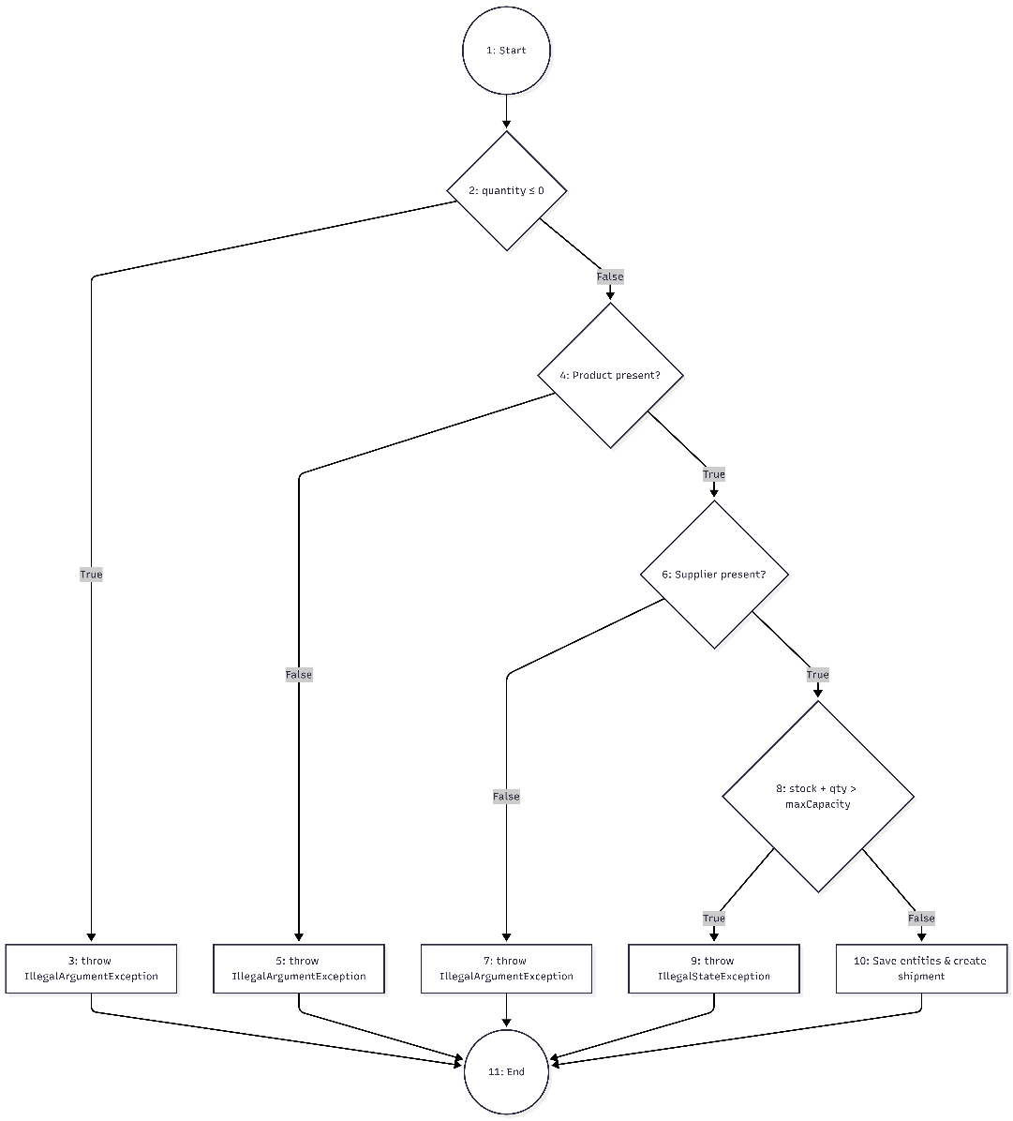
Control Flow Graph

 | Cyclomatic complexity

 | CC_1 | regions | 5
 | CC_2 | E-N+2 | 14-11+2 = 5
 | CC_3 | Predicate + 1 | 4+1=5

 | Paths
 | 1 | 1 -> 2 -> 3 -> 11
 | 2 | 1 -> 2 -> 4 -> 5 -> 11
 | 3 | 1 -> 2 -> 4 -> 6 -> 7 -> 11
 | 4 | 1 -> 2 -> 4 -> 6 -> 8 -> 9 -> 11
 | 5 | 1 -> 2 -> 4 -> 6 -> 8 -> 10 -> 11

