Grade 3 users 30 secs ramp up 5
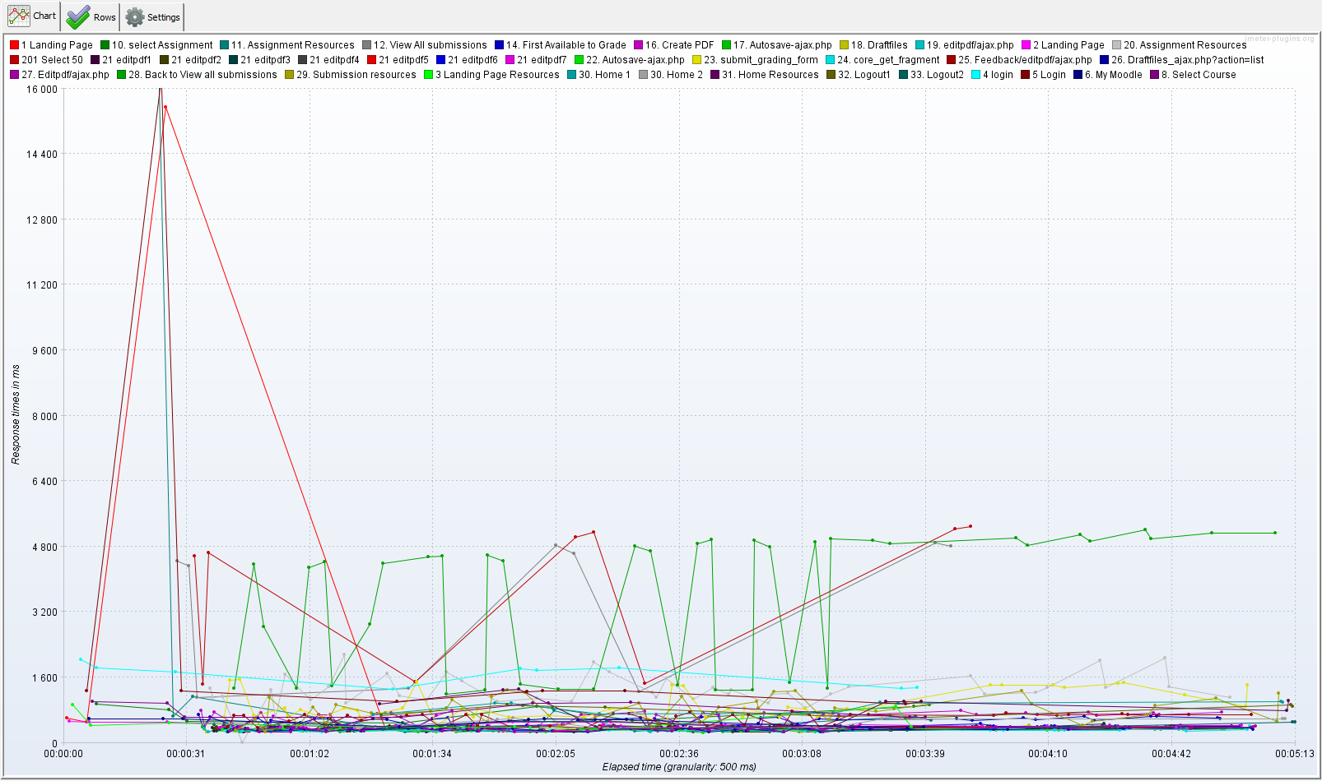
Label | # Samples | Average | Median | 90% Line | 95% Line | 99% Line | Min | Max | Error % | Throughput | Received KB/sec | Sent KB/sec
1 Landing Page | 9 | 2139 | 523 | 615 | 15545 | 15545 | 318 | 15545 | 0.00% | 0.04185 | 1.8 | 0
2 Landing Page | 9 | 459 | 512 | 520 | 523 | 523 | 333 | 523 | 0.00% | 0.04191 | 1.78 | 0
3 Landing Page Resources | 9 | 516 | 400 | 901 | 926 | 926 | 351 | 926 | 0.00% | 0.04194 | 18.55 | 0
4 login | 9 | 1675 | 1771 | 1849 | 2050 | 2050 | 1314 | 2050 | 0.00% | 0.04186 | 3.79 | 0
5 Login | 9 | 2838 | 1268 | 1282 | 16238 | 16238 | 946 | 16238 | 0.00% | 0.04206 | 3.77 | 0
6. My Moodle | 9 | 520 | 578 | 598 | 602 | 602 | 361 | 602 | 0.00% | 0.04223 | 3.72 | 0
8. Select Course | 9 | 830 | 968 | 1003 | 1018 | 1018 | 632 | 1018 | 0.00% | 0.04224 | 9.9 | 0
10. select Assignment | 9 | 769 | 864 | 935 | 947 | 947 | 496 | 947 | 0.00% | 0.04226 | 4.22 | 0.02
11. Assignment Resources | 9 | 2319 | 654 | 1138 | 16102 | 16102 | 270 | 16102 | 0.00% | 0.04234 | 0.03 | 0.06
12. View All submissions | 9 | 3520 | 4455 | 4840 | 4899 | 4899 | 1115 | 4899 | 0.00% | 0.04471 | 25.2 | 0.02
201 Select 50 | 9 | 3814 | 4650 | 5231 | 5293 | 5293 | 1431 | 5293 | 0.00% | 0.04452 | 24.97 | 0.06
14. First Available to Grade | 45 | 548 | 581 | 632 | 653 | 705 | 389 | 705 | 0.00% | 0.17261 | 5.45 | 0.09
16. Create PDF | 45 | 614 | 688 | 757 | 789 | 808 | 375 | 808 | 0.00% | 0.17262 | 1.5 | 0.1
17. Autosave-ajax.php | 45 | 311 | 318 | 339 | 343 | 386 | 263 | 386 | 0.00% | 0.17292 | 0.05 | 0.16
18. Draftfiles | 45 | 333 | 343 | 359 | 363 | 437 | 273 | 437 | 0.00% | 0.17294 | 0.1 | 0.12
19. editpdf/ajax.php | 45 | 344 | 354 | 385 | 391 | 446 | 274 | 446 | 0.00% | 0.17291 | 0.05 | 0.1
20. Assignment Resources | 45 | 1297 | 1227 | 1745 | 2012 | 2153 | 3 | 2153 | 0.00% | 0.1724 | 43.6 | 0.48
21 editpdf1 | 45 | 356 | 370 | 405 | 420 | 462 | 272 | 462 | 0.00% | 0.173 | 0.05 | 0.29
21 editpdf2 | 45 | 364 | 383 | 407 | 442 | 603 | 269 | 603 | 0.00% | 0.173 | 0.05 | 0.44
21 editpdf3 | 45 | 364 | 377 | 409 | 415 | 469 | 275 | 469 | 0.00% | 0.17301 | 0.05 | 0.56
21 editpdf4 | 45 | 365 | 385 | 408 | 413 | 419 | 285 | 419 | 0.00% | 0.17305 | 0.05 | 1.1
21 editpdf5 | 45 | 368 | 387 | 412 | 419 | 426 | 288 | 426 | 0.00% | 0.17305 | 0.05 | 1.65
21 editpdf6 | 45 | 375 | 397 | 419 | 424 | 469 | 292 | 469 | 0.00% | 0.17304 | 0.05 | 2.42
21 editpdf7 | 45 | 382 | 408 | 427 | 437 | 461 | 296 | 461 | 0.00% | 0.17297 | 2.48 | 2.69
22. Autosave-ajax.php | 45 | 320 | 323 | 351 | 359 | 406 | 261 | 406 | 0.00% | 0.17298 | 0.1 | 0.17
23. submit_grading_form | 45 | 942 | 841 | 1450 | 1502 | 1561 | 429 | 1561 | 0.00% | 0.17235 | 0.05 | 0.2
24. core_get_fragment | 45 | 310 | 309 | 333 | 342 | 405 | 265 | 405 | 0.00% | 0.17251 | 0.09 | 0.15
25. Feedback/editpdf/ajax.php | 45 | 597 | 677 | 708 | 728 | 765 | 376 | 765 | 0.00% | 0.17222 | 2.43 | 0.1
26. Draftfiles_ajax.php?action=list | 45 | 328 | 338 | 362 | 374 | 378 | 273 | 378 | 0.00% | 0.17226 | 0.1 | 0.12
27. Editpdf/ajax.php | 45 | 343 | 362 | 382 | 390 | 414 | 273 | 414 | 0.00% | 0.17216 | 0.05 | 0.1
28. Back to View all submissions | 45 | 3648 | 4567 | 4996 | 5225 | 5288 | 1200 | 5288 | 0.00% | 0.16912 | 96.6 | 0.08
29. Submission resources | 45 | 813 | 829 | 1241 | 1278 | 1303 | 278 | 1303 | 0.00% | 0.16926 | 0.1 | 0.25
30. Home 1 | 9 | 898 | 977 | 1002 | 1024 | 1024 | 687 | 1024 | 0.00% | 0.03879 | 3.44 | 0.04
30. Home 2 | 9 | 520 | 587 | 596 | 606 | 606 | 368 | 606 | 0.00% | 0.03881 | 3.42 | 0.02
31. Home Resources | 9 | 912 | 1008 | 1306 | 1311 | 1311 | 339 | 1311 | 0.00% | 0.0387 | 0.23 | 0.08
32. Logout1 | 9 | 797 | 881 | 932 | 939 | 939 | 621 | 939 | 0.00% | 0.03871 | 1.68 | 0
33. Logout2 | 9 | 433 | 516 | 538 | 539 | 539 | 301 | 539 | 0.00% | 0.03874 | 1.65 | 0

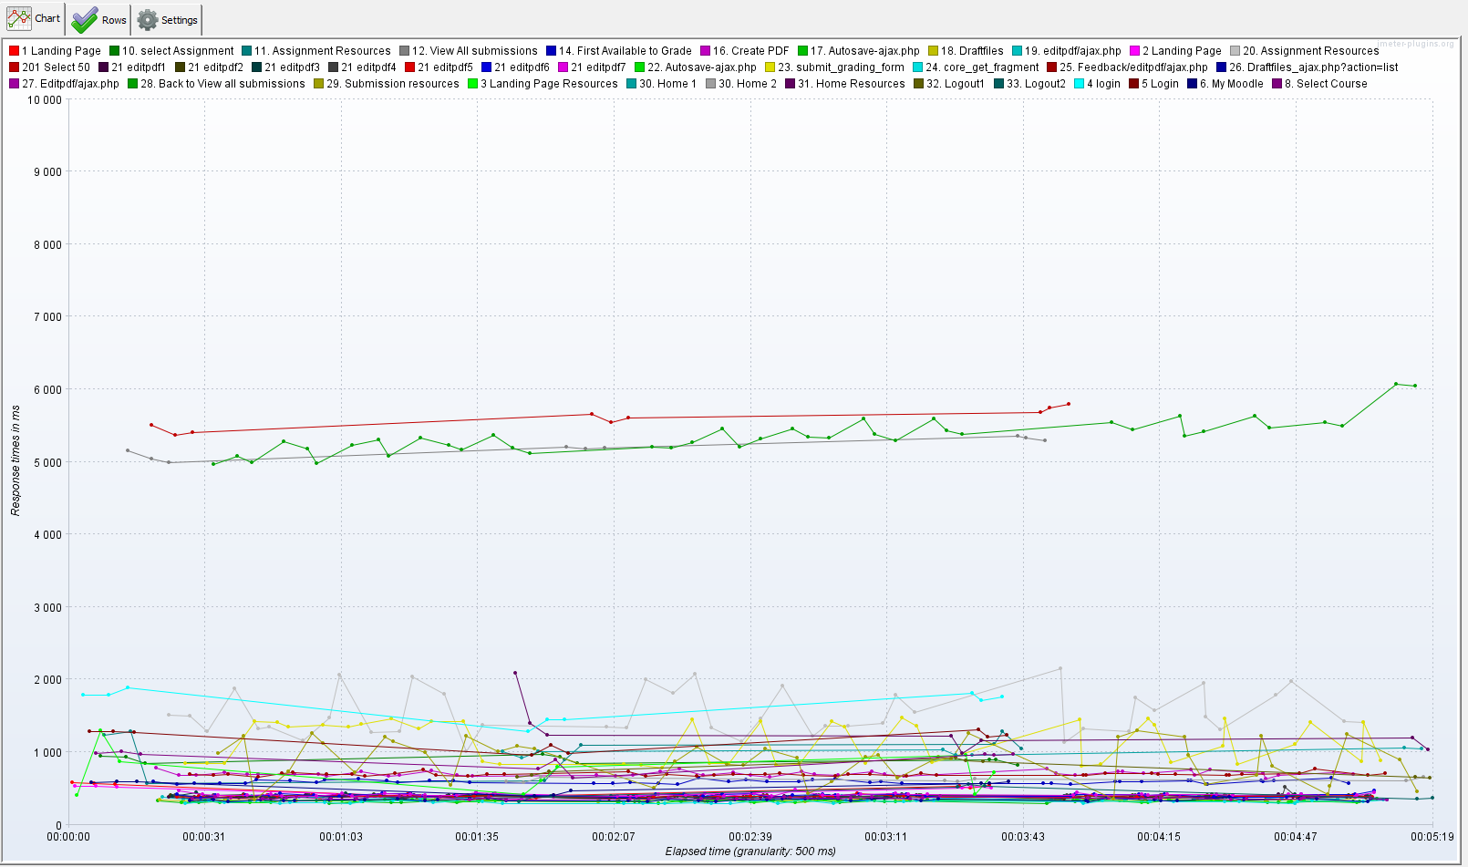
Label | # Samples | Average | Median | 90% Line | 95% Line | 99% Line | Min | Max | Error % | Throughput | Received KB/sec | Sent KB/sec
1 Landing Page | 9 | 490 | 540 | 566 | 580 | 580 | 327 | 580 | 0.00% | 0.04186 | 1.8 | 0
2 Landing Page | 9 | 476 | 513 | 534 | 536 | 536 | 360 | 536 | 0.00% | 0.04187 | 1.78 | 0
3 Landing Page Resources | 9 | 725 | 724 | 966 | 1298 | 1298 | 413 | 1298 | 0.00% | 0.04183 | 18.51 | 0
4 login | 9 | 1664 | 1763 | 1818 | 1896 | 1896 | 1288 | 1896 | 0.00% | 0.04157 | 3.76 | 0
5 Login | 9 | 1184 | 1237 | 1292 | 1319 | 1319 | 961 | 1319 | 0.00% | 0.04168 | 3.73 | 0
6. My Moodle | 9 | 531 | 571 | 600 | 602 | 602 | 394 | 602 | 0.00% | 0.04181 | 3.68 | 0
8. Select Course | 9 | 909 | 971 | 980 | 1013 | 1013 | 647 | 1013 | 0.00% | 0.04174 | 9.78 | 0
10. select Assignment | 9 | 901 | 901 | 945 | 975 | 975 | 822 | 975 | 0.00% | 0.04177 | 4.17 | 0.02
11. Assignment Resources | 9 | 1017 | 1096 | 1284 | 1289 | 1289 | 570 | 1289 | 0.00% | 0.04175 | 0.03 | 0.06
12. View All submissions | 9 | 5195 | 5192 | 5327 | 5363 | 5363 | 4992 | 5363 | 0.00% | 0.04098 | 25.61 | 0.02
201 Select 50 | 9 | 5592 | 5608 | 5745 | 5798 | 5798 | 5373 | 5798 | 0.00% | 0.04086 | 25.41 | 0.05
14. First Available to Grade | 45 | 596 | 595 | 620 | 630 | 694 | 554 | 694 | 0.00% | 0.1605 | 5.07 | 0.08
16. Create PDF | 45 | 708 | 699 | 751 | 771 | 788 | 638 | 788 | 0.00% | 0.16044 | 1.48 | 0.09
17. Autosave-ajax.php | 45 | 327 | 329 | 347 | 350 | 351 | 298 | 351 | 0.00% | 0.1607 | 0.05 | 0.14
18. Draftfiles | 45 | 345 | 347 | 362 | 369 | 374 | 317 | 374 | 0.00% | 0.16068 | 0.1 | 0.11
19. editpdf/ajax.php | 45 | 372 | 368 | 394 | 398 | 418 | 348 | 418 | 0.00% | 0.16066 | 0.04 | 0.09
20. Assignment Resources | 45 | 1541 | 1466 | 1984 | 2071 | 2152 | 1010 | 2152 | 0.00% | 0.16007 | 46.19 | 0.47
21 editpdf1 | 45 | 384 | 383 | 400 | 404 | 453 | 364 | 453 | 0.00% | 0.16071 | 0.05 | 0.27
21 editpdf2 | 45 | 392 | 395 | 410 | 414 | 420 | 359 | 420 | 0.00% | 0.16072 | 0.05 | 0.41
21 editpdf3 | 45 | 390 | 392 | 407 | 418 | 452 | 365 | 452 | 0.00% | 0.16072 | 0.05 | 0.52
21 editpdf4 | 45 | 400 | 403 | 413 | 416 | 521 | 365 | 521 | 0.00% | 0.16072 | 0.05 | 1.02
21 editpdf5 | 45 | 397 | 398 | 413 | 421 | 429 | 378 | 429 | 0.00% | 0.16074 | 0.05 | 1.54
21 editpdf6 | 45 | 410 | 414 | 428 | 434 | 473 | 376 | 473 | 0.00% | 0.16069 | 0.05 | 2.25
21 editpdf7 | 45 | 417 | 415 | 432 | 443 | 482 | 389 | 482 | 0.00% | 0.16067 | 2.3 | 2.49
22. Autosave-ajax.php | 45 | 329 | 330 | 350 | 351 | 359 | 301 | 359 | 0.00% | 0.16074 | 0.09 | 0.15
23. submit_grading_form | 45 | 1137 | 1331 | 1447 | 1464 | 1478 | 782 | 1478 | 0.00% | 0.16041 | 0.05 | 0.19
24. core_get_fragment | 45 | 317 | 320 | 339 | 341 | 349 | 295 | 349 | 0.00% | 0.1607 | 0.08 | 0.14
25. Feedback/editpdf/ajax.php | 45 | 697 | 695 | 715 | 741 | 768 | 657 | 768 | 0.00% | 0.16046 | 2.04 | 0.09
26. Draftfiles_ajax.php?action=list | 45 | 346 | 348 | 364 | 370 | 405 | 317 | 405 | 0.00% | 0.16067 | 0.1 | 0.11
27. Editpdf/ajax.php | 45 | 368 | 369 | 385 | 392 | 394 | 341 | 394 | 0.00% | 0.16066 | 0.04 | 0.09
28. Back to View all submissions | 45 | 5388 | 5356 | 5687 | 5950 | 6202 | 4964 | 6202 | 0.00% | 0.15746 | 99.01 | 0.07
29. Submission resources | 45 | 894 | 938 | 1223 | 1263 | 1306 | 341 | 1306 | 0.00% | 0.15998 | 0.1 | 0.24
30. Home 1 | 9 | 1009 | 1013 | 1046 | 1159 | 1159 | 924 | 1159 | 0.00% | 0.04173 | 3.71 | 0.04
30. Home 2 | 9 | 618 | 609 | 658 | 659 | 659 | 588 | 659 | 0.00% | 0.0418 | 3.68 | 0.02
31. Home Resources | 9 | 1281 | 1229 | 1399 | 2089 | 2089 | 985 | 2089 | 0.00% | 0.04172 | 0.24 | 0.09
32. Logout1 | 9 | 747 | 701 | 884 | 918 | 918 | 615 | 918 | 0.00% | 0.042 | 1.82 | 0
33. Logout2 | 9 | 423 | 393 | 540 | 559 | 559 | 325 | 559 | 0.00% | 0.04205 | 1.79 | 0

Averages
Grade papers -
Label | Run 1 | Run 2
1 Landing Page | 2139 | 490
2 Landing Page | 459 | 476
3 Landing Page Resources | 516 | 725
4 login | 1675 | 1664
5 Login | 2838 | 1184
6. My Moodle | 520 | 531
8. Select Course | 830 | 909
10. select Assignment | 769 | 901
11. Assignment Resources | 2319 | 1017
12. View All submissions | 3520 | 5195
201 Select 50 | 3814 | 5592
14. First Available to Grade | 548 | 596
16. Create PDF | 614 | 708
17. Autosave-ajax.php | 311 | 327
18. Draftfiles | 333 | 345
19. editpdf/ajax.php | 344 | 372
20. Assignment Resources | 1297 | 1541
21 editpdf1 | 356 | 384
21 editpdf2 | 364 | 392
21 editpdf3 | 364 | 390
21 editpdf4 | 365 | 400
21 editpdf5 | 368 | 397
21 editpdf6 | 375 | 410
21 editpdf7 | 382 | 417
22. Autosave-ajax.php | 320 | 329
23. submit_grading_form | 942 | 1137
24. core_get_fragment | 310 | 317
25. Feedback/editpdf/ajax.php | 597 | 697
26. Draftfiles_ajax.php?action=list | 328 | 346
27. Editpdf/ajax.php | 343 | 368
28. Back to View all submissions | 3648 | 5388
29. Submission resources | 813 | 894
30. Home 1 | 898 | 1009
30. Home 2 | 520 | 618
31. Home Resources | 912 | 1281
32. Logout1 | 797 | 747
33. Logout2 | 433 | 423

