Graphs
VM1/VM 5 Spider
VM 1 - Spider 300 users/600 secs/5 loops
 | VM 1 Run 2 | VM 1 Run 3 | VM 5 Run 2 | VM 5 Run 3
1. Landing Page | 1532 | 1275 | 1288 | 1484
2.1 Login | 5823 | 5528 | 3377 | 4094
2. Login | 10078 | 9282 | 5967 | 6489
3. MyPage | 4500 | 4178 | 2278 | 2700
4. Select Course | 5769 | 5795 | 4872 | 6253
5. Pick Section | 3281 | 3026 | 2950 | 3462
6.1 Pick Section | 3524 | 3163 | 2829 | 3009
6. Select Course | 5854 | 5765 | 4890 | 5370
7.1 Pick Section | 3336 | 2974 | 2378 | 2432
7. Select Course | 5988 | 5509 | 3882 | 4067
8. logout | 2168 | 1701 | 1674 | 1826

VM2/ Forum update

VM 2 -Forum 100 users/300 secs/5 loops
 | Run 2 | Run 3
1 Landing Page | 1110 | 1337
2 Landing Page | 1120 | 1340
4 Login 1 | 10373 | 10118
5 Login 2 | 5905 | 6410
6 My Home Page | 4935 | 5245
8 Select Course | 7608 | 8095
10 Select Forums | 4047 | 4382
11 Select 1st Forum | 2821 | 2866
13 Add a new discussion Topic | 2914 | 3121
15 Post to Forum1 | 3834 | 4127
16 Post to Forum2 | 2904 | 3076
17 Select Discussion | 2276 | 2534
18 Select Reply | 2986 | 3309
19 Post to Forum | 3320 | 3674
20 /mod/forum/discuss.php | 2247 | 2528
21 Back to course | 7467 | 8402
23 Home1 | 5034 | 5523
24 Home2 | 4645 | 4864
25 Logout1 | 1650 | 1834
26 Logout2 | 1073 | 1141

VM3 Attempt quiz
VM 3 -Quiz 100 users/300 secs/5 loops
 | Run 2 | Run 3
1 Landing Page | 1074 | 1299
2 Landing Page | 1113 | 1301
4 login | 7983 | 8646
5 Login | 3639 | 4397
6 My Moodle | 2968 | 3435
8 Select Course | 7227 | 8558
10 Select quizzes | 4118 | 5177
11 Select first quiz | 2283 | 2612
13 Attempt Quiz | 13249 | 14407
15 Finish Attempt | 4452 | 5014
16 Summary | 2567 | 2838
17 Submit all | 8919 | 10971
18 Review | 5556 | 7295
20 Finish Review | 1999 | 2491
21 Home1 | 2881 | 3369
22 Home2 | 2450 | 2961
23 Logout1 | 1470 | 1879
24 Logout2 | 935 | 1170

VM4 Upload Assignment
VM 4 -Upload assignment 20 users/200 secs/5 loops
 | Run 2 | Run 3
1. Landing Page | 999.21 | 1482.09
2. Landing Page | 866.71 | 1161.14
3. Landing Page Resources | 1005.84 | 989.07
4. login | 4654.47 | 4156.21
5. Login | 2772.06 | 2990.46
6. My Moodle | 1846.94 | 2054.01
8. Select Course | 4796.82 | 5510.49
10. Select Assignments | 3437.41 | 3769.56
12. Select Assignment | 1646.48 | 2070.53
14. Add submission | 1621.26 | 1991.6
16. Draftfiles | 451.57 | 526.53
17. Upload assignment | 1256.17 | 1359.82
18. Draftfiles | 472.86 | 549.16
20. Save changes | 2872.37 | 3443.12
21. Assign view | 1712.63 | 1878.81
23. Back to course | 5399.63 | 3829.42
25. Home1 | 2462.43 | 2064.59
26. Home2 | 2078.41 | 1675.24
28. Logout | 1533.93 | 1507.98
29. Landing Page | 1016.53 | 1080.86

Response Times Over Time
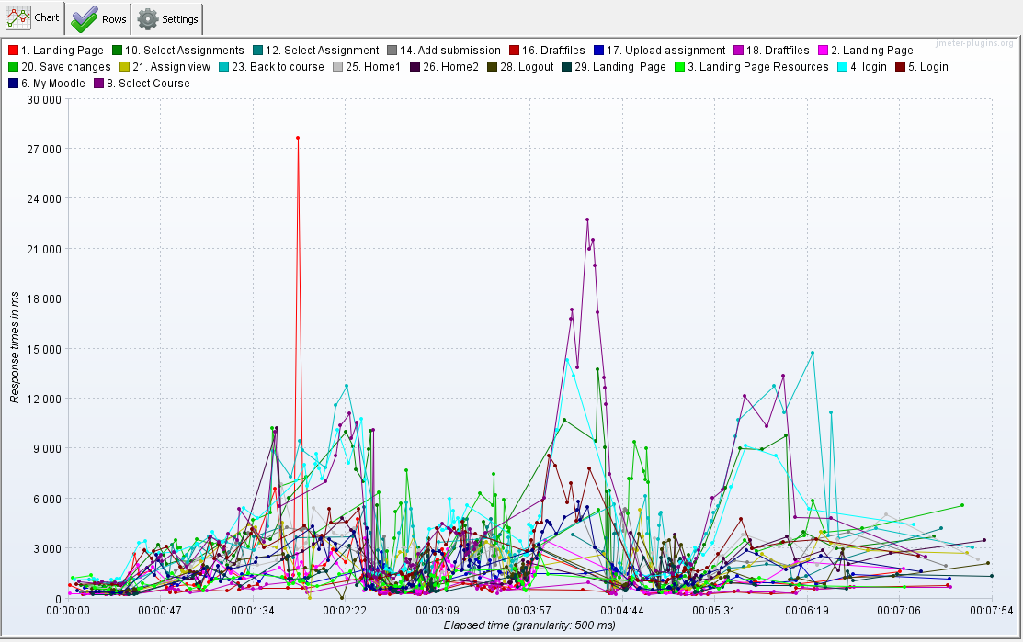
VM1 run 3
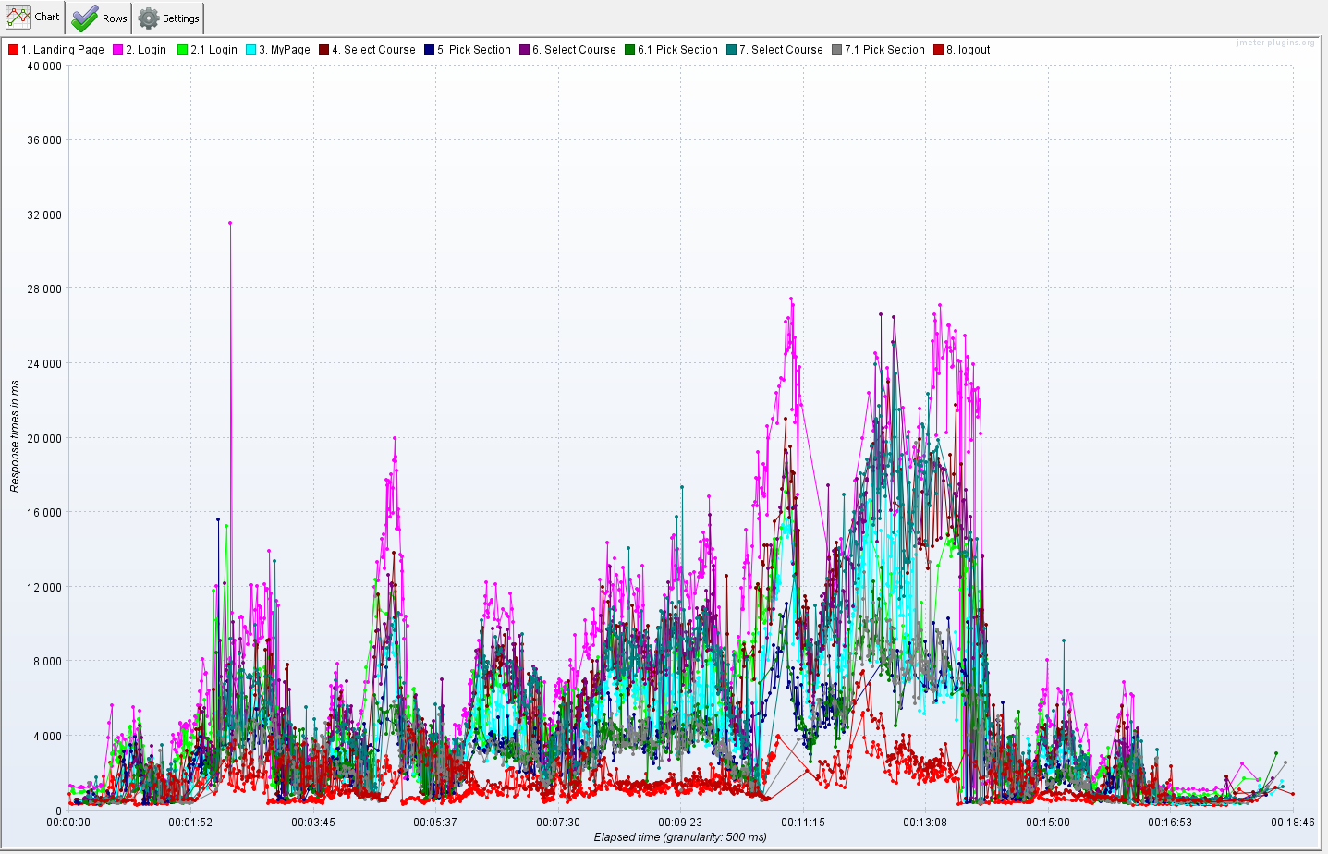

VM5 run 3

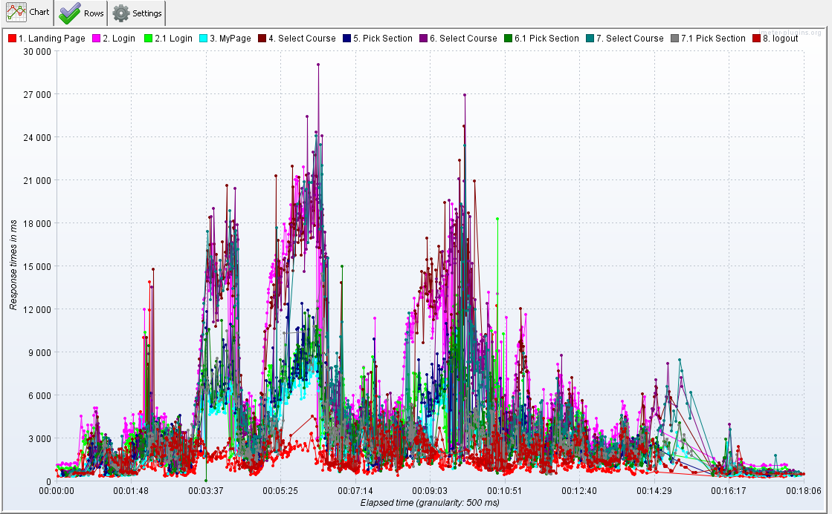

VM2 run 3
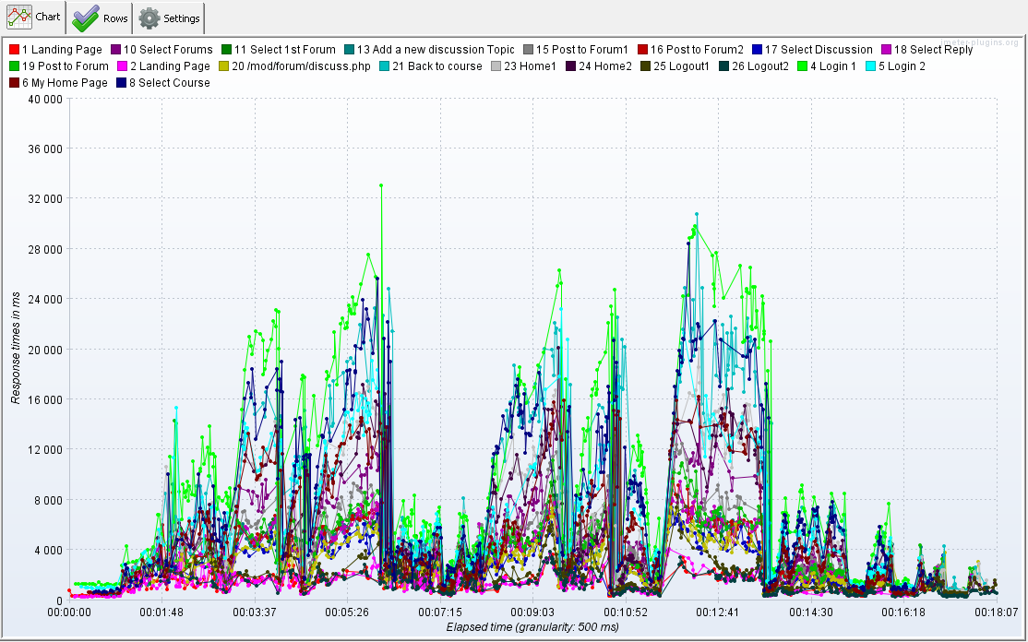

VM3 run 3
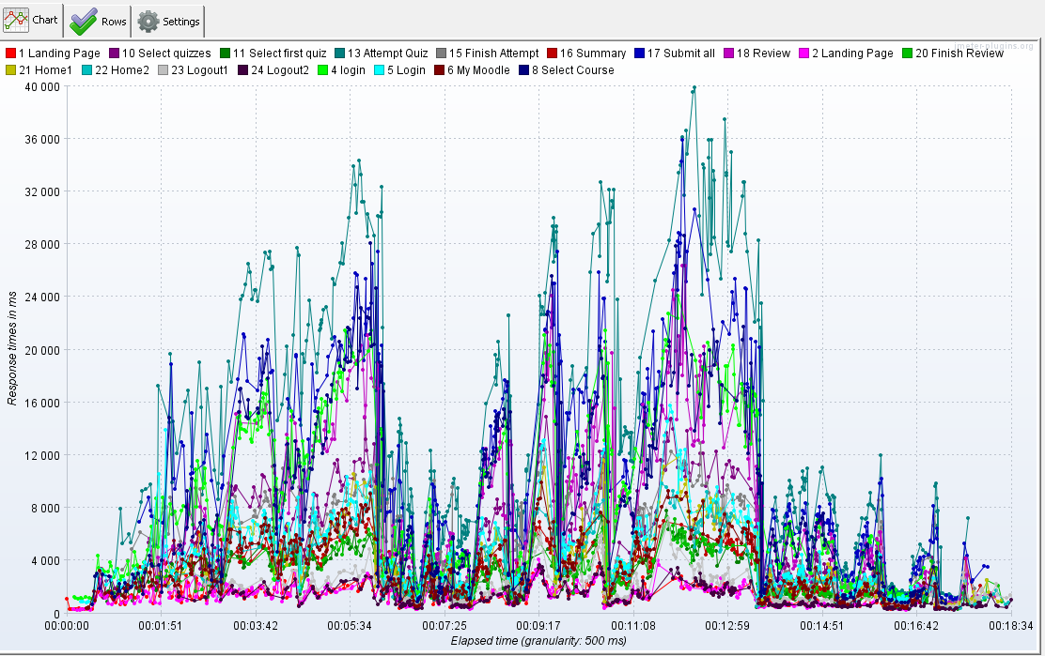

VM4 run 3

