F02.CFG-Paths
 | F02. Control Flow Graph (CFG) | F02. Cyclomatic complexity (CC)
F02. Covered source code

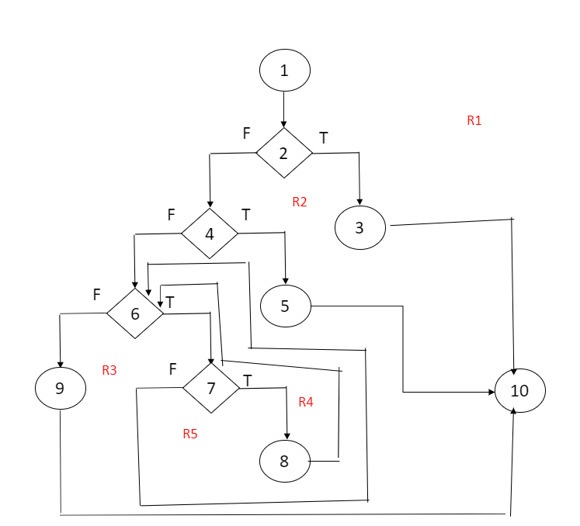
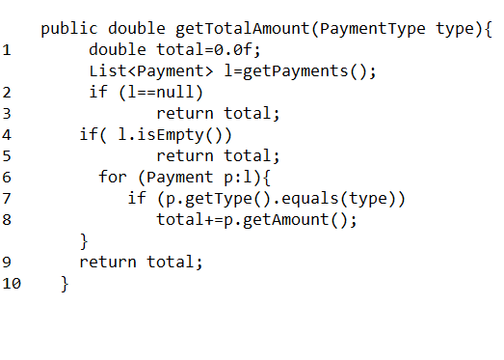
 |  | CC1 = No. of regions = |  | 5
 |  | CC2 = Edges - Nodes + 2 = |  | 13-10+2=5
 |  | CC3 = No. of Conditions + 1 = |  | 4+1=5

 |  | F02. Individual paths

 |  | Path no. | Path
 |  | FO2_PO1 | 1-2(T)-3-10
 |  | FO2_PO2 | 1-2(F)-4(T)-5-10
 |  | FO2_PO3 | 1-2(F)-4(F)-6(F)-9-10
 |  | FO2_PO4 | 1-2(F)-4(F)-6(T)-7(F)-6(F)-9-10
 |  | FO2_PO4 | 1-2(F)-4(F)-6(T)-7(T)-8-6(F)-9-10

