RFID Info
PYTHON CODE TO DECODE EMPLOYEE PASS RFID DATA
import serial
serial = serial.Serial("/dev/ttyUSB0", baudrate=9600)
code = ''
while True:
data = serial.read().decode("utf-8")
if data == '\r':
print("RFID CODE:",code)
strlgth = len (code)
EmployeeHEX = code[(strlgth - 5):strlgth]
# print strlgth, EmployeeHEX
decodeONE = EmployeeHEX[0:1]
decodeTWO = EmployeeHEX[1:3]
decodeONE = ord (decodeONE) - ord ("A") + 1
print ("1st character: %s " % decodeONE)
print ("2nd character: %s " % decodeTWO)
EmployeeID = ("%d%s") % (decodeONE,decodeTWO)
EmployeeID = int(EmployeeID,16)
print ("Employee ID: %s " % EmployeeID)
code = EmployeeID = EmployeeHEX = decodeONE = decodeTWO = ''
else:
code = code + data
# EXAMPLE OUTPUT
# ('RFID CODE:', u'\x02000F7F4DBB86')
# 1st character: 4
# 2nd character: BB
# Employee ID: 1211
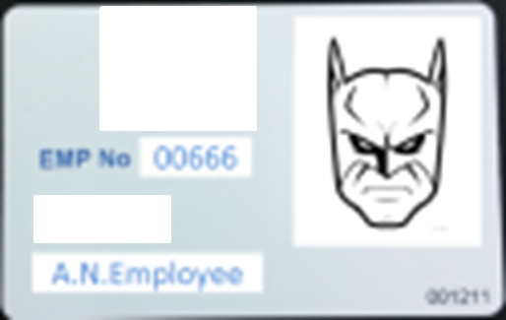

Each employee pass contains an RFID chip encoded with a hexadecimal string
the string can be decoded to give the pass number that is stamped on the bottom
right of the card.

My pass number = |  | 001211

The RFID data string for the pass is: |  |  |  | 02000F7F4DBB86

Only the last five characters are unique but of those we are interested in only three.

So for the example data string we have DBB86 and of these five only DBB are of interest.

To decode this we have to separate the first character to give us

D |  | BB

The alphanumeric D is then converted into its position within the alphabet ie 4
we then re-combine the data to get 4BB before finally converting this from hex
into a decimal number

4BB | in hex gives |  | 1211 | in decimal

The python code shown to the was created to run using a ID-12LA RFID reader
and run on a linux machine (for windows you need additional drivers and will have
to change the USB port reference)

