Sheet1
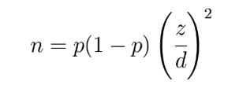
jumlah userid |  | 588101
 |  |  |  | alpha | 5% | beta | 20%
 | control | variant | total populasi | z alpha/2 | 1.9599639845 | z beta | 0.84162123357
total sampel | 23524 | 564577 | 588101
sample ratio | 4% | 96% | 100%
converted | 420 | 144423 | 144843 |  |  |  | n | 291.398913714177
estimator proporsi sampel | 0.017854106444 | 0.25580744522 | 0.24628932785 | delta | 0.23795333878
varian estimator proporsi | 0.000000745423284 | 0.000000337190 | 0.185630894839
margin of error | 0.0016921917293 | 0.001138113961 | 0.8444486002
sample size | 23524 | 255385.09506 | 1
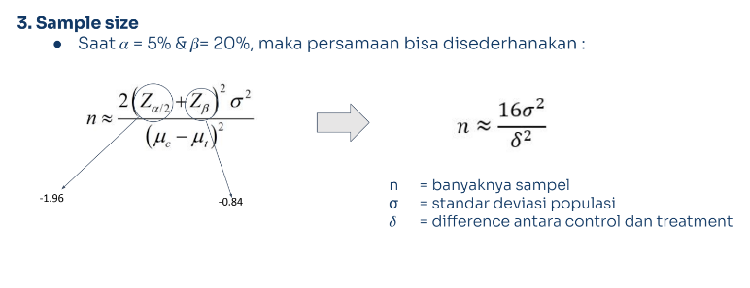
confidence interval lower | 0.016161914715 | 0.25466933126
confidence interval upper | 0.019546298174 | 0.25694555918

